Inverter History Report__17-08-
Inverter History Report_25/06/2022_Report

Inverter SN:054B7020C020044 |  | Inverter type:B7
Collector SN:4045086367 |  | Full Load Hours(h):2.97
Rated Power:10000Wp

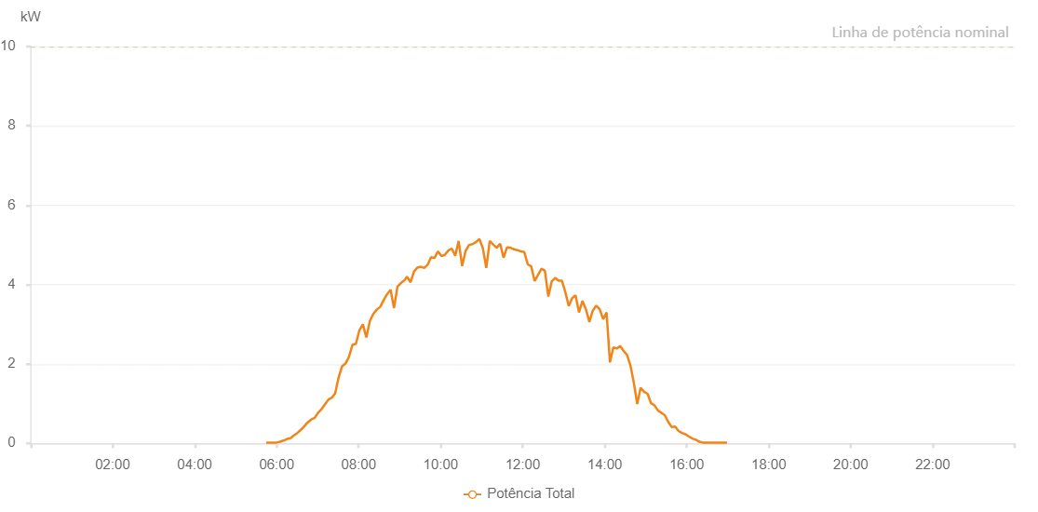

Number | Time | Working State | Alarm Code | Total Inverter Power(W)
1 | 25/06/2022 05:44:40 (UTC-4:00) | Normal |  | 20.000
2 | 25/06/2022 05:49:41 (UTC-4:00) | Normal |  | 20.000
3 | 25/06/2022 05:54:42 (UTC-4:00) | Normal |  | 20.000
4 | 25/06/2022 05:59:45 (UTC-4:00) | Normal |  | 20.000
5 | 25/06/2022 06:04:52 (UTC-4:00) | Normal |  | 40.000
6 | 25/06/2022 06:09:56 (UTC-4:00) | Normal |  | 70.000
7 | 25/06/2022 06:15:01 (UTC-4:00) | Normal |  | 110.000
8 | 25/06/2022 06:20:06 (UTC-4:00) | Normal |  | 130.000
9 | 25/06/2022 06:25:12 (UTC-4:00) | Normal |  | 200.000
10 | 25/06/2022 06:30:18 (UTC-4:00) | Normal |  | 260.000
11 | 25/06/2022 06:35:19 (UTC-4:00) | Normal |  | 340.000
12 | 25/06/2022 06:40:27 (UTC-4:00) | Normal |  | 430.000
13 | 25/06/2022 06:45:29 (UTC-4:00) | Normal |  | 530.000
14 | 25/06/2022 06:50:30 (UTC-4:00) | Normal |  | 600.000
15 | 25/06/2022 06:55:32 (UTC-4:00) | Normal |  | 640.000
16 | 25/06/2022 07:00:32 (UTC-4:00) | Normal |  | 770.000
17 | 25/06/2022 07:05:34 (UTC-4:00) | Normal |  | 860.000
18 | 25/06/2022 07:10:34 (UTC-4:00) | Normal |  | 980.000
19 | 25/06/2022 07:15:35 (UTC-4:00) | Normal |  | 1100.000
20 | 25/06/2022 07:20:36 (UTC-4:00) | Normal |  | 1150.000
21 | 25/06/2022 07:25:37 (UTC-4:00) | Normal |  | 1260.000
22 | 25/06/2022 07:30:38 (UTC-4:00) | Normal |  | 1660.000
23 | 25/06/2022 07:35:39 (UTC-4:00) | Normal |  | 1940.000
24 | 25/06/2022 07:40:41 (UTC-4:00) | Normal |  | 2010.000
25 | 25/06/2022 07:45:46 (UTC-4:00) | Normal |  | 2180.000
26 | 25/06/2022 07:50:51 (UTC-4:00) | Normal |  | 2480.000
27 | 25/06/2022 07:55:58 (UTC-4:00) | Normal |  | 2510.000
28 | 25/06/2022 08:01:05 (UTC-4:00) | Normal |  | 2850.000
29 | 25/06/2022 08:06:08 (UTC-4:00) | Normal |  | 3000.000
30 | 25/06/2022 08:11:12 (UTC-4:00) | Normal |  | 2670.000
31 | 25/06/2022 08:16:18 (UTC-4:00) | Normal |  | 3080.000
32 | 25/06/2022 08:21:22 (UTC-4:00) | Normal |  | 3260.000
33 | 25/06/2022 08:26:26 (UTC-4:00) | Normal |  | 3370.000
34 | 25/06/2022 08:31:31 (UTC-4:00) | Normal |  | 3440.000
35 | 25/06/2022 08:36:36 (UTC-4:00) | Normal |  | 3610.000
36 | 25/06/2022 08:41:41 (UTC-4:00) | Normal |  | 3760.000
37 | 25/06/2022 08:46:42 (UTC-4:00) | Normal |  | 3870.000
38 | 25/06/2022 08:51:43 (UTC-4:00) | Normal |  | 3410.000
39 | 25/06/2022 08:56:44 (UTC-4:00) | Normal |  | 3950.000
40 | 25/06/2022 09:01:47 (UTC-4:00) | Normal |  | 4040.000
41 | 25/06/2022 09:01:58 (UTC-4:00) | Normal |  | 4040.000
42 | 25/06/2022 09:07:39 (UTC-4:00) | Normal |  | 4120.000
43 | 25/06/2022 09:10:36 (UTC-4:00) | Normal |  | 4200.000
44 | 25/06/2022 09:15:57 (UTC-4:00) | Normal |  | 4060.000
45 | 25/06/2022 09:20:57 (UTC-4:00) | Normal |  | 4330.000
46 | 25/06/2022 09:25:57 (UTC-4:00) | Normal |  | 4430.000
47 | 25/06/2022 09:30:56 (UTC-4:00) | Normal |  | 4450.000
48 | 25/06/2022 09:35:55 (UTC-4:00) | Normal |  | 4420.000
49 | 25/06/2022 09:40:54 (UTC-4:00) | Normal |  | 4500.000
50 | 25/06/2022 09:45:54 (UTC-4:00) | Normal |  | 4690.000
51 | 25/06/2022 09:50:56 (UTC-4:00) | Normal |  | 4670.000
52 | 25/06/2022 09:55:59 (UTC-4:00) | Normal |  | 4840.000
53 | 25/06/2022 10:01:02 (UTC-4:00) | Normal |  | 4720.000
54 | 25/06/2022 10:06:05 (UTC-4:00) | Normal |  | 4750.000
55 | 25/06/2022 10:11:13 (UTC-4:00) | Normal |  | 4860.000
56 | 25/06/2022 10:16:12 (UTC-4:00) | Normal |  | 4910.000
57 | 25/06/2022 10:21:18 (UTC-4:00) | Normal |  | 4730.000
58 | 25/06/2022 10:26:18 (UTC-4:00) | Normal |  | 5100.000
59 | 25/06/2022 10:31:24 (UTC-4:00) | Normal |  | 4470.000
60 | 25/06/2022 10:36:25 (UTC-4:00) | Normal |  | 4850.000
61 | 25/06/2022 10:41:27 (UTC-4:00) | Normal |  | 5000.000
62 | 25/06/2022 10:46:30 (UTC-4:00) | Normal |  | 5020.000
63 | 25/06/2022 10:51:33 (UTC-4:00) | Normal |  | 5070.000
64 | 25/06/2022 10:56:38 (UTC-4:00) | Normal |  | 5150.000
65 | 25/06/2022 11:01:41 (UTC-4:00) | Normal |  | 4920.000
66 | 25/06/2022 11:06:44 (UTC-4:00) | Normal |  | 4420.000
67 | 25/06/2022 11:11:47 (UTC-4:00) | Normal |  | 5100.000
68 | 25/06/2022 11:16:51 (UTC-4:00) | Normal |  | 5010.000
69 | 25/06/2022 11:21:54 (UTC-4:00) | Normal |  | 4930.000
70 | 25/06/2022 11:26:57 (UTC-4:00) | Normal |  | 5030.000
71 | 25/06/2022 11:32:01 (UTC-4:00) | Normal |  | 4680.000
72 | 25/06/2022 11:37:04 (UTC-4:00) | Normal |  | 4940.000
73 | 25/06/2022 11:42:08 (UTC-4:00) | Normal |  | 4930.000
74 | 25/06/2022 11:47:11 (UTC-4:00) | Normal |  | 4890.000
75 | 25/06/2022 11:52:14 (UTC-4:00) | Normal |  | 4870.000
76 | 25/06/2022 11:57:17 (UTC-4:00) | Normal |  | 4840.000
77 | 25/06/2022 12:02:20 (UTC-4:00) | Normal |  | 4820.000
78 | 25/06/2022 12:07:26 (UTC-4:00) | Normal |  | 4510.000
79 | 25/06/2022 12:12:27 (UTC-4:00) | Normal |  | 4460.000
80 | 25/06/2022 12:17:32 (UTC-4:00) | Normal |  | 4090.000
81 | 25/06/2022 12:22:32 (UTC-4:00) | Normal |  | 4250.000
82 | 25/06/2022 12:27:33 (UTC-4:00) | Normal |  | 4400.000
83 | 25/06/2022 12:32:30 (UTC-4:00) | Normal |  | 4350.000
84 | 25/06/2022 12:37:31 (UTC-4:00) | Normal |  | 3700.000
85 | 25/06/2022 12:42:28 (UTC-4:00) | Normal |  | 4080.000
86 | 25/06/2022 12:47:31 (UTC-4:00) | Normal |  | 4170.000
87 | 25/06/2022 12:52:27 (UTC-4:00) | Normal |  | 4100.000
88 | 25/06/2022 12:57:26 (UTC-4:00) | Normal |  | 4100.000
89 | 25/06/2022 13:02:25 (UTC-4:00) | Normal |  | 3810.000
90 | 25/06/2022 13:07:24 (UTC-4:00) | Normal |  | 3460.000
91 | 25/06/2022 13:12:23 (UTC-4:00) | Normal |  | 3660.000
92 | 25/06/2022 13:17:23 (UTC-4:00) | Normal |  | 3730.000
93 | 25/06/2022 13:22:24 (UTC-4:00) | Normal |  | 3300.000
94 | 25/06/2022 13:27:26 (UTC-4:00) | Normal |  | 3590.000
95 | 25/06/2022 13:32:30 (UTC-4:00) | Normal |  | 3380.000
96 | 25/06/2022 13:37:36 (UTC-4:00) | Normal |  | 3060.000
97 | 25/06/2022 13:42:35 (UTC-4:00) | Normal |  | 3350.000
98 | 25/06/2022 13:42:46 (UTC-4:00) | Normal |  | 3350.000
99 | 25/06/2022 13:47:40 (UTC-4:00) | Normal |  | 3470.000
100 | 25/06/2022 13:52:41 (UTC-4:00) | Normal |  | 3380.000
101 | 25/06/2022 13:57:44 (UTC-4:00) | Normal |  | 3130.000
102 | 25/06/2022 14:02:43 (UTC-4:00) | Normal |  | 3300.000
103 | 25/06/2022 14:07:42 (UTC-4:00) | Normal |  | 2040.000
104 | 25/06/2022 14:12:41 (UTC-4:00) | Normal |  | 2420.000
105 | 25/06/2022 14:17:42 (UTC-4:00) | Normal |  | 2390.000
106 | 25/06/2022 14:22:40 (UTC-4:00) | Normal |  | 2450.000
107 | 25/06/2022 14:27:41 (UTC-4:00) | Normal |  | 2330.000
108 | 25/06/2022 14:32:38 (UTC-4:00) | Normal |  | 2230.000
109 | 25/06/2022 14:37:42 (UTC-4:00) | Normal |  | 1960.000
110 | 25/06/2022 14:42:36 (UTC-4:00) | Normal |  | 1530.000
111 | 25/06/2022 14:47:35 (UTC-4:00) | Normal |  | 990.000
112 | 25/06/2022 14:52:35 (UTC-4:00) | Normal |  | 1400.000
113 | 25/06/2022 14:57:42 (UTC-4:00) | Normal |  | 1300.000
114 | 25/06/2022 15:02:43 (UTC-4:00) | Normal |  | 1250.000
115 | 25/06/2022 15:07:50 (UTC-4:00) | Normal |  | 1010.000
116 | 25/06/2022 15:12:48 (UTC-4:00) | Normal |  | 960.000
117 | 25/06/2022 15:17:51 (UTC-4:00) | Normal |  | 830.000
118 | 25/06/2022 15:22:53 (UTC-4:00) | Normal |  | 770.000
119 | 25/06/2022 15:27:57 (UTC-4:00) | Normal |  | 710.000
120 | 25/06/2022 15:33:00 (UTC-4:00) | Normal |  | 540.000
121 | 25/06/2022 15:38:03 (UTC-4:00) | Normal |  | 410.000
122 | 25/06/2022 15:43:06 (UTC-4:00) | Normal |  | 420.000
123 | 25/06/2022 15:48:10 (UTC-4:00) | Normal |  | 310.000
124 | 25/06/2022 15:53:13 (UTC-4:00) | Normal |  | 260.000
125 | 25/06/2022 15:58:16 (UTC-4:00) | Normal |  | 230.000
126 | 25/06/2022 16:03:19 (UTC-4:00) | Normal |  | 170.000
127 | 25/06/2022 16:08:22 (UTC-4:00) | Normal |  | 120.000
128 | 25/06/2022 16:13:26 (UTC-4:00) | Normal |  | 90.000
129 | 25/06/2022 16:18:30 (UTC-4:00) | Normal |  | 40.000
130 | 25/06/2022 16:23:33 (UTC-4:00) | Normal |  | 20.000
131 | 25/06/2022 16:28:36 (UTC-4:00) | Normal |  | 20.000
132 | 25/06/2022 16:33:39 (UTC-4:00) | Normal |  | 20.000
133 | 25/06/2022 16:38:44 (UTC-4:00) | Normal |  | 20.000
134 | 25/06/2022 16:43:48 (UTC-4:00) | Normal |  | 20.000
135 | 25/06/2022 16:48:52 (UTC-4:00) | Normal |  | 20.000
136 | 25/06/2022 16:53:54 (UTC-4:00) | Normal |  | 20.000
137 | 25/06/2022 16:58:59 (UTC-4:00) | Normal |  | 20.000

