Inverter History Report__17-08-
Inverter History Report_26/06/2022_Report

Inverter SN:054B7020C020044 |  | Inverter type:B7
Collector SN:4045086367 |  | Full Load Hours(h):3.03
Rated Power:10000Wp

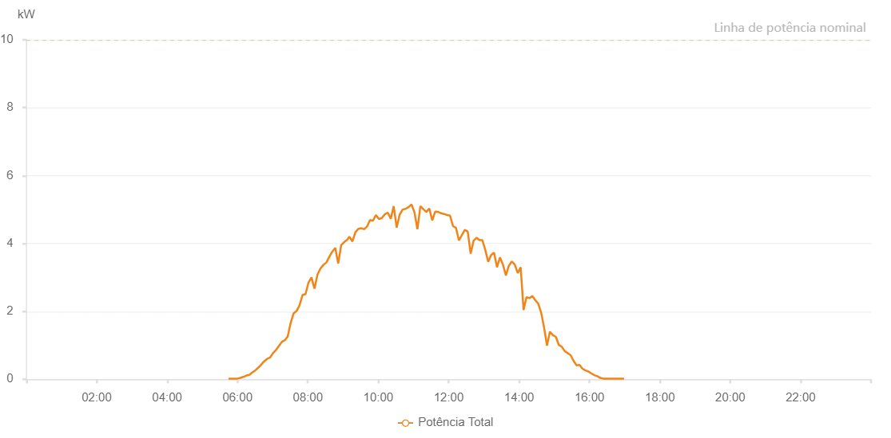

Number | Time | Working State | Alarm Code | Total Inverter Power(W)
1 | 26/06/2022 05:49:35 (UTC-4:00) | Normal |  | 20.000
2 | 26/06/2022 05:54:34 (UTC-4:00) | Normal |  | 20.000
3 | 26/06/2022 05:59:32 (UTC-4:00) | Normal |  | 20.000
4 | 26/06/2022 06:04:33 (UTC-4:00) | Normal |  | 20.000
5 | 26/06/2022 06:09:35 (UTC-4:00) | Normal |  | 20.000
6 | 26/06/2022 06:14:40 (UTC-4:00) | Normal |  | 70.000
7 | 26/06/2022 06:19:42 (UTC-4:00) | Normal |  | 100.000
8 | 26/06/2022 06:24:46 (UTC-4:00) | Normal |  | 160.000
9 | 26/06/2022 06:29:46 (UTC-4:00) | Normal |  | 320.000
10 | 26/06/2022 06:34:50 (UTC-4:00) | Normal |  | 300.000
11 | 26/06/2022 06:39:54 (UTC-4:00) | Normal |  | 340.000
12 | 26/06/2022 06:44:54 (UTC-4:00) | Normal |  | 610.000
13 | 26/06/2022 06:49:52 (UTC-4:00) | Normal |  | 900.000
14 | 26/06/2022 06:54:51 (UTC-4:00) | Normal |  | 1110.000
15 | 26/06/2022 06:59:49 (UTC-4:00) | Normal |  | 1420.000
16 | 26/06/2022 07:04:48 (UTC-4:00) | Normal |  | 1500.000
17 | 26/06/2022 07:09:46 (UTC-4:00) | Normal |  | 1160.000
18 | 26/06/2022 07:14:45 (UTC-4:00) | Normal |  | 890.000
19 | 26/06/2022 07:19:43 (UTC-4:00) | Normal |  | 890.000
20 | 26/06/2022 07:24:43 (UTC-4:00) | Normal |  | 1100.000
21 | 26/06/2022 07:29:42 (UTC-4:00) | Normal |  | 1640.000
22 | 26/06/2022 07:34:40 (UTC-4:00) | Normal |  | 1020.000
23 | 26/06/2022 07:39:39 (UTC-4:00) | Normal |  | 2400.000
24 | 26/06/2022 07:44:37 (UTC-4:00) | Normal |  | 2280.000
25 | 26/06/2022 07:49:40 (UTC-4:00) | Normal |  | 2420.000
26 | 26/06/2022 07:54:44 (UTC-4:00) | Normal |  | 2610.000
27 | 26/06/2022 07:59:46 (UTC-4:00) | Normal |  | 2840.000
28 | 26/06/2022 08:04:49 (UTC-4:00) | Normal |  | 3100.000
29 | 26/06/2022 08:09:52 (UTC-4:00) | Normal |  | 3080.000
30 | 26/06/2022 08:14:55 (UTC-4:00) | Normal |  | 3230.000
31 | 26/06/2022 08:19:58 (UTC-4:00) | Normal |  | 3420.000
32 | 26/06/2022 08:25:00 (UTC-4:00) | Normal |  | 2200.000
33 | 26/06/2022 08:30:03 (UTC-4:00) | Normal |  | 1730.000
34 | 26/06/2022 08:35:05 (UTC-4:00) | Normal |  | 1570.000
35 | 26/06/2022 08:40:04 (UTC-4:00) | Normal |  | 4980.000
36 | 26/06/2022 08:45:02 (UTC-4:00) | Normal |  | 2980.000
37 | 26/06/2022 08:50:01 (UTC-4:00) | Normal |  | 2500.000
38 | 26/06/2022 08:54:59 (UTC-4:00) | Normal |  | 5630.000
39 | 26/06/2022 08:59:58 (UTC-4:00) | Normal |  | 5500.000
40 | 26/06/2022 09:04:56 (UTC-4:00) | Normal |  | 3130.000
41 | 26/06/2022 09:09:55 (UTC-4:00) | Normal |  | 5430.000
42 | 26/06/2022 09:14:54 (UTC-4:00) | Normal |  | 4920.000
43 | 26/06/2022 09:19:52 (UTC-4:00) | Normal |  | 4690.000
44 | 26/06/2022 09:24:50 (UTC-4:00) | Normal |  | 4940.000
45 | 26/06/2022 09:29:49 (UTC-4:00) | Normal |  | 1770.000
46 | 26/06/2022 09:34:49 (UTC-4:00) | Normal |  | 5050.000
47 | 26/06/2022 09:39:53 (UTC-4:00) | Normal |  | 4960.000
48 | 26/06/2022 09:44:55 (UTC-4:00) | Normal |  | 3390.000
49 | 26/06/2022 09:49:58 (UTC-4:00) | Normal |  | 1970.000
50 | 26/06/2022 09:55:01 (UTC-4:00) | Normal |  | 5790.000
51 | 26/06/2022 10:00:05 (UTC-4:00) | Normal |  | 6670.000
52 | 26/06/2022 10:05:07 (UTC-4:00) | Normal |  | 3690.000
53 | 26/06/2022 10:05:26 (UTC-4:00) | Normal |  | 3740.000
54 | 26/06/2022 10:10:42 (UTC-4:00) | Normal |  | 2090.000
55 | 26/06/2022 10:15:42 (UTC-4:00) | Normal |  | 6610.000
56 | 26/06/2022 10:20:41 (UTC-4:00) | Normal |  | 6750.000
57 | 26/06/2022 10:25:41 (UTC-4:00) | Normal |  | 2620.000
58 | 26/06/2022 10:30:43 (UTC-4:00) | Normal |  | 1540.000
59 | 26/06/2022 10:35:42 (UTC-4:00) | Normal |  | 5530.000
60 | 26/06/2022 10:40:41 (UTC-4:00) | Normal |  | 6510.000
61 | 26/06/2022 10:45:43 (UTC-4:00) | Normal |  | 6570.000
62 | 26/06/2022 10:45:54 (UTC-4:00) | Normal |  | 6570.000
63 | 26/06/2022 10:50:47 (UTC-4:00) | Normal |  | 6440.000
64 | 26/06/2022 10:55:50 (UTC-4:00) | Normal |  | 2540.000
65 | 26/06/2022 11:00:54 (UTC-4:00) | Normal |  | 6170.000
66 | 26/06/2022 11:05:57 (UTC-4:00) | Normal |  | 2130.000
67 | 26/06/2022 11:11:00 (UTC-4:00) | Normal |  | 6600.000
68 | 26/06/2022 11:16:04 (UTC-4:00) | Normal |  | 6510.000
69 | 26/06/2022 11:21:04 (UTC-4:00) | Normal |  | 5770.000
70 | 26/06/2022 11:26:04 (UTC-4:00) | Normal |  | 5380.000
71 | 26/06/2022 11:26:15 (UTC-4:00) | Normal |  | 5380.000
72 | 26/06/2022 11:31:04 (UTC-4:00) | Normal |  | 2520.000
73 | 26/06/2022 11:36:03 (UTC-4:00) | Normal |  | 5450.000
74 | 26/06/2022 11:41:03 (UTC-4:00) | Normal |  | 5560.000
75 | 26/06/2022 11:46:02 (UTC-4:00) | Normal |  | 5750.000
76 | 26/06/2022 11:51:04 (UTC-4:00) | Normal |  | 5420.000
77 | 26/06/2022 11:56:03 (UTC-4:00) | Normal |  | 5170.000
78 | 26/06/2022 12:01:03 (UTC-4:00) | Normal |  | 5350.000
79 | 26/06/2022 12:06:03 (UTC-4:00) | Normal |  | 5170.000
80 | 26/06/2022 12:11:03 (UTC-4:00) | Normal |  | 5310.000
81 | 26/06/2022 12:16:07 (UTC-4:00) | Normal |  | 5690.000
82 | 26/06/2022 12:21:11 (UTC-4:00) | Normal |  | 1010.000
83 | 26/06/2022 12:26:14 (UTC-4:00) | Normal |  | 4830.000
84 | 26/06/2022 12:31:17 (UTC-4:00) | Normal |  | 4710.000
85 | 26/06/2022 12:36:21 (UTC-4:00) | Normal |  | 4670.000
86 | 26/06/2022 12:41:25 (UTC-4:00) | Normal |  | 4640.000
87 | 26/06/2022 12:46:28 (UTC-4:00) | Normal |  | 4540.000
88 | 26/06/2022 12:51:32 (UTC-4:00) | Normal |  | 4340.000
89 | 26/06/2022 12:56:35 (UTC-4:00) | Normal |  | 4680.000
90 | 26/06/2022 13:01:39 (UTC-4:00) | Normal |  | 3610.000
91 | 26/06/2022 13:06:42 (UTC-4:00) | Normal |  | 930.000
92 | 26/06/2022 13:11:46 (UTC-4:00) | Normal |  | 4380.000
93 | 26/06/2022 13:16:50 (UTC-4:00) | Normal |  | 4000.000
94 | 26/06/2022 13:21:53 (UTC-4:00) | Normal |  | 3900.000
95 | 26/06/2022 13:26:57 (UTC-4:00) | Normal |  | 3900.000
96 | 26/06/2022 13:27:29 (UTC-4:00) | Normal |  | 3910.000
97 | 26/06/2022 13:32:49 (UTC-4:00) | Normal |  | 3950.000
98 | 26/06/2022 13:37:49 (UTC-4:00) | Normal |  | 2700.000
99 | 26/06/2022 13:42:49 (UTC-4:00) | Normal |  | 3460.000
100 | 26/06/2022 13:47:50 (UTC-4:00) | Normal |  | 3530.000
101 | 26/06/2022 13:52:50 (UTC-4:00) | Normal |  | 3550.000
102 | 26/06/2022 13:57:53 (UTC-4:00) | Normal |  | 3270.000
103 | 26/06/2022 14:02:53 (UTC-4:00) | Normal |  | 2910.000
104 | 26/06/2022 14:07:53 (UTC-4:00) | Normal |  | 3050.000
105 | 26/06/2022 14:12:57 (UTC-4:00) | Normal |  | 3090.000
106 | 26/06/2022 14:18:01 (UTC-4:00) | Normal |  | 2450.000
107 | 26/06/2022 14:23:07 (UTC-4:00) | Normal |  | 720.000
108 | 26/06/2022 14:28:09 (UTC-4:00) | Normal |  | 2410.000
109 | 26/06/2022 14:33:12 (UTC-4:00) | Normal |  | 2430.000
110 | 26/06/2022 14:38:11 (UTC-4:00) | Normal |  | 2460.000
111 | 26/06/2022 14:43:09 (UTC-4:00) | Normal |  | 780.000
112 | 26/06/2022 14:48:13 (UTC-4:00) | Normal |  | 570.000
113 | 26/06/2022 14:53:13 (UTC-4:00) | Normal |  | 510.000
114 | 26/06/2022 14:58:11 (UTC-4:00) | Normal |  | 1620.000
115 | 26/06/2022 15:03:10 (UTC-4:00) | Normal |  | 1320.000
116 | 26/06/2022 15:08:13 (UTC-4:00) | Normal |  | 1310.000
117 | 26/06/2022 15:13:14 (UTC-4:00) | Normal |  | 1240.000
118 | 26/06/2022 15:18:11 (UTC-4:00) | Normal |  | 1040.000
119 | 26/06/2022 15:23:14 (UTC-4:00) | Normal |  | 480.000
120 | 26/06/2022 15:28:16 (UTC-4:00) | Normal |  | 860.000
121 | 26/06/2022 15:33:20 (UTC-4:00) | Normal |  | 700.000
122 | 26/06/2022 15:38:24 (UTC-4:00) | Normal |  | 640.000
123 | 26/06/2022 15:43:28 (UTC-4:00) | Normal |  | 580.000
124 | 26/06/2022 15:48:32 (UTC-4:00) | Normal |  | 470.000
125 | 26/06/2022 15:53:36 (UTC-4:00) | Normal |  | 370.000
126 | 26/06/2022 15:58:36 (UTC-4:00) | Normal |  | 310.000
127 | 26/06/2022 16:03:36 (UTC-4:00) | Normal |  | 230.000
128 | 26/06/2022 16:08:37 (UTC-4:00) | Normal |  | 170.000
129 | 26/06/2022 16:13:37 (UTC-4:00) | Normal |  | 100.000
130 | 26/06/2022 16:18:37 (UTC-4:00) | Normal |  | 40.000
131 | 26/06/2022 16:23:37 (UTC-4:00) | Normal |  | 20.000
132 | 26/06/2022 16:28:37 (UTC-4:00) | Normal |  | 20.000
133 | 26/06/2022 16:33:37 (UTC-4:00) | Normal |  | 20.000
134 | 26/06/2022 16:38:37 (UTC-4:00) | Normal |  | 20.000
135 | 26/06/2022 16:43:38 (UTC-4:00) | Normal |  | 20.000
136 | 26/06/2022 16:48:38 (UTC-4:00) | Normal |  | 20.000
137 | 26/06/2022 16:53:39 (UTC-4:00) | Normal |  | 20.000
138 | 26/06/2022 16:58:43 (UTC-4:00) | Normal |  | 20.000

