Inverter History Report__17-08-
Inverter History Report_27/06/2022_Report

Inverter SN:054B7020C020044 |  | Inverter type:B7
Collector SN:4045086367 |  | Full Load Hours(h):3.29
Rated Power:10000Wp

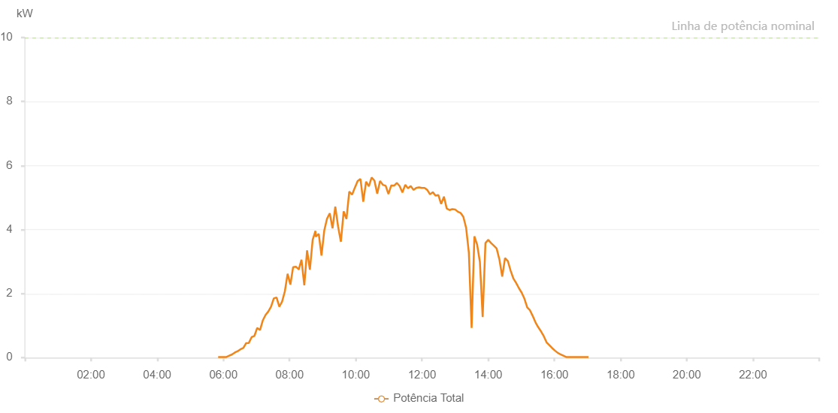

Number | Time | Working State | Alarm Code | Total Inverter Power(W)
1 | 27/06/2022 05:50:35 (UTC-4:00) | Normal |  | 20.000
2 | 27/06/2022 05:55:35 (UTC-4:00) | Normal |  | 20.000
3 | 27/06/2022 06:00:35 (UTC-4:00) | Normal |  | 20.000
4 | 27/06/2022 06:05:37 (UTC-4:00) | Normal |  | 20.000
5 | 27/06/2022 06:10:40 (UTC-4:00) | Normal |  | 60.000
6 | 27/06/2022 06:15:47 (UTC-4:00) | Normal |  | 100.000
7 | 27/06/2022 06:20:50 (UTC-4:00) | Normal |  | 160.000
8 | 27/06/2022 06:25:53 (UTC-4:00) | Normal |  | 200.000
9 | 27/06/2022 06:30:57 (UTC-4:00) | Normal |  | 260.000
10 | 27/06/2022 06:36:01 (UTC-4:00) | Normal |  | 300.000
11 | 27/06/2022 06:36:12 (UTC-4:00) | Normal |  | 300.000
12 | 27/06/2022 06:41:07 (UTC-4:00) | Normal |  | 450.000
13 | 27/06/2022 06:46:11 (UTC-4:00) | Normal |  | 460.000
14 | 27/06/2022 06:51:14 (UTC-4:00) | Normal |  | 640.000
15 | 27/06/2022 06:56:18 (UTC-4:00) | Normal |  | 680.000
16 | 27/06/2022 07:01:22 (UTC-4:00) | Normal |  | 930.000
17 | 27/06/2022 07:06:25 (UTC-4:00) | Normal |  | 860.000
18 | 27/06/2022 07:11:25 (UTC-4:00) | Normal |  | 1160.000
19 | 27/06/2022 07:16:25 (UTC-4:00) | Normal |  | 1330.000
20 | 27/06/2022 07:21:25 (UTC-4:00) | Normal |  | 1440.000
21 | 27/06/2022 07:26:25 (UTC-4:00) | Normal |  | 1590.000
22 | 27/06/2022 07:31:25 (UTC-4:00) | Normal |  | 1850.000
23 | 27/06/2022 07:36:24 (UTC-4:00) | Normal |  | 1880.000
24 | 27/06/2022 07:41:24 (UTC-4:00) | Normal |  | 1590.000
25 | 27/06/2022 07:46:27 (UTC-4:00) | Normal |  | 1750.000
26 | 27/06/2022 07:51:26 (UTC-4:00) | Normal |  | 2070.000
27 | 27/06/2022 07:56:26 (UTC-4:00) | Normal |  | 2620.000
28 | 27/06/2022 08:01:27 (UTC-4:00) | Normal |  | 2280.000
29 | 27/06/2022 08:06:27 (UTC-4:00) | Normal |  | 2830.000
30 | 27/06/2022 08:11:28 (UTC-4:00) | Normal |  | 2840.000
31 | 27/06/2022 08:16:32 (UTC-4:00) | Normal |  | 2760.000
32 | 27/06/2022 08:16:43 (UTC-4:00) | Normal |  | 2760.000
33 | 27/06/2022 08:21:37 (UTC-4:00) | Normal |  | 3060.000
34 | 27/06/2022 08:26:42 (UTC-4:00) | Normal |  | 2260.000
35 | 27/06/2022 08:31:44 (UTC-4:00) | Normal |  | 3350.000
36 | 27/06/2022 08:36:48 (UTC-4:00) | Normal |  | 2750.000
37 | 27/06/2022 08:41:52 (UTC-4:00) | Normal |  | 3680.000
38 | 27/06/2022 08:46:57 (UTC-4:00) | Normal |  | 3960.000
39 | 27/06/2022 08:47:31 (UTC-4:00) | Normal |  | 3780.000
40 | 27/06/2022 08:52:51 (UTC-4:00) | Normal |  | 3870.000
41 | 27/06/2022 08:57:51 (UTC-4:00) | Normal |  | 3190.000
42 | 27/06/2022 09:02:52 (UTC-4:00) | Normal |  | 3970.000
43 | 27/06/2022 09:07:51 (UTC-4:00) | Normal |  | 4340.000
44 | 27/06/2022 09:12:51 (UTC-4:00) | Normal |  | 4510.000
45 | 27/06/2022 09:17:51 (UTC-4:00) | Normal |  | 4040.000
46 | 27/06/2022 09:22:51 (UTC-4:00) | Normal |  | 4720.000
47 | 27/06/2022 09:27:55 (UTC-4:00) | Normal |  | 4100.000
48 | 27/06/2022 09:33:02 (UTC-4:00) | Normal |  | 3620.000
49 | 27/06/2022 09:38:04 (UTC-4:00) | Normal |  | 4570.000
50 | 27/06/2022 09:43:07 (UTC-4:00) | Normal |  | 4330.000
51 | 27/06/2022 09:48:11 (UTC-4:00) | Normal |  | 5190.000
52 | 27/06/2022 09:53:16 (UTC-4:00) | Normal |  | 5090.000
53 | 27/06/2022 09:58:20 (UTC-4:00) | Normal |  | 5310.000
54 | 27/06/2022 10:03:26 (UTC-4:00) | Normal |  | 5520.000
55 | 27/06/2022 10:08:30 (UTC-4:00) | Normal |  | 5580.000
56 | 27/06/2022 10:13:34 (UTC-4:00) | Normal |  | 4870.000
57 | 27/06/2022 10:18:38 (UTC-4:00) | Normal |  | 5500.000
58 | 27/06/2022 10:23:42 (UTC-4:00) | Normal |  | 5350.000
59 | 27/06/2022 10:28:45 (UTC-4:00) | Normal |  | 5630.000
60 | 27/06/2022 10:33:49 (UTC-4:00) | Normal |  | 5530.000
61 | 27/06/2022 10:38:53 (UTC-4:00) | Normal |  | 5120.000
62 | 27/06/2022 10:43:59 (UTC-4:00) | Normal |  | 5520.000
63 | 27/06/2022 10:49:02 (UTC-4:00) | Normal |  | 5400.000
64 | 27/06/2022 10:54:11 (UTC-4:00) | Normal |  | 5370.000
65 | 27/06/2022 10:59:13 (UTC-4:00) | Normal |  | 5110.000
66 | 27/06/2022 11:04:17 (UTC-4:00) | Normal |  | 5380.000
67 | 27/06/2022 11:09:22 (UTC-4:00) | Normal |  | 5370.000
68 | 27/06/2022 11:14:24 (UTC-4:00) | Normal |  | 5460.000
69 | 27/06/2022 11:19:28 (UTC-4:00) | Normal |  | 5360.000
70 | 27/06/2022 11:24:32 (UTC-4:00) | Normal |  | 5160.000
71 | 27/06/2022 11:29:36 (UTC-4:00) | Normal |  | 5400.000
72 | 27/06/2022 11:34:36 (UTC-4:00) | Normal |  | 5290.000
73 | 27/06/2022 11:39:36 (UTC-4:00) | Normal |  | 5360.000
74 | 27/06/2022 11:44:36 (UTC-4:00) | Normal |  | 5240.000
75 | 27/06/2022 11:49:36 (UTC-4:00) | Normal |  | 5300.000
76 | 27/06/2022 11:54:36 (UTC-4:00) | Normal |  | 5320.000
77 | 27/06/2022 11:59:37 (UTC-4:00) | Normal |  | 5300.000
78 | 27/06/2022 12:04:36 (UTC-4:00) | Normal |  | 5300.000
79 | 27/06/2022 12:09:36 (UTC-4:00) | Normal |  | 5240.000
80 | 27/06/2022 12:14:36 (UTC-4:00) | Normal |  | 5100.000
81 | 27/06/2022 12:19:36 (UTC-4:00) | Normal |  | 5170.000
82 | 27/06/2022 12:24:36 (UTC-4:00) | Normal |  | 5060.000
83 | 27/06/2022 12:29:39 (UTC-4:00) | Normal |  | 5080.000
84 | 27/06/2022 12:34:43 (UTC-4:00) | Normal |  | 4800.000
85 | 27/06/2022 12:39:47 (UTC-4:00) | Normal |  | 5030.000
86 | 27/06/2022 12:44:52 (UTC-4:00) | Normal |  | 4660.000
87 | 27/06/2022 12:49:56 (UTC-4:00) | Normal |  | 4610.000
88 | 27/06/2022 12:54:56 (UTC-4:00) | Normal |  | 4640.000
89 | 27/06/2022 12:59:56 (UTC-4:00) | Normal |  | 4630.000
90 | 27/06/2022 13:04:58 (UTC-4:00) | Normal |  | 4560.000
91 | 27/06/2022 13:09:58 (UTC-4:00) | Normal |  | 4520.000
92 | 27/06/2022 13:14:58 (UTC-4:00) | Normal |  | 4400.000
93 | 27/06/2022 13:19:58 (UTC-4:00) | Normal |  | 4060.000
94 | 27/06/2022 13:24:58 (UTC-4:00) | Normal |  | 3280.000
95 | 27/06/2022 13:29:58 (UTC-4:00) | Normal |  | 930.000
96 | 27/06/2022 13:34:59 (UTC-4:00) | Normal |  | 3790.000
97 | 27/06/2022 13:39:58 (UTC-4:00) | Normal |  | 3530.000
98 | 27/06/2022 13:44:58 (UTC-4:00) | Normal |  | 2990.000
99 | 27/06/2022 13:49:58 (UTC-4:00) | Normal |  | 1270.000
100 | 27/06/2022 13:55:02 (UTC-4:00) | Normal |  | 3580.000
101 | 27/06/2022 14:00:06 (UTC-4:00) | Normal |  | 3680.000
102 | 27/06/2022 14:05:10 (UTC-4:00) | Normal |  | 3580.000
103 | 27/06/2022 14:10:14 (UTC-4:00) | Normal |  | 3500.000
104 | 27/06/2022 14:15:18 (UTC-4:00) | Normal |  | 3410.000
105 | 27/06/2022 14:20:22 (UTC-4:00) | Normal |  | 3060.000
106 | 27/06/2022 14:25:26 (UTC-4:00) | Normal |  | 2530.000
107 | 27/06/2022 14:30:31 (UTC-4:00) | Normal |  | 3110.000
108 | 27/06/2022 14:35:35 (UTC-4:00) | Normal |  | 3020.000
109 | 27/06/2022 14:40:39 (UTC-4:00) | Normal |  | 2720.000
110 | 27/06/2022 14:45:43 (UTC-4:00) | Normal |  | 2470.000
111 | 27/06/2022 14:50:43 (UTC-4:00) | Normal |  | 2330.000
112 | 27/06/2022 14:55:43 (UTC-4:00) | Normal |  | 2170.000
113 | 27/06/2022 15:00:43 (UTC-4:00) | Normal |  | 2030.000
114 | 27/06/2022 15:05:43 (UTC-4:00) | Normal |  | 1840.000
115 | 27/06/2022 15:10:46 (UTC-4:00) | Normal |  | 1570.000
116 | 27/06/2022 15:15:46 (UTC-4:00) | Normal |  | 1480.000
117 | 27/06/2022 15:20:46 (UTC-4:00) | Normal |  | 1300.000
118 | 27/06/2022 15:25:46 (UTC-4:00) | Normal |  | 1100.000
119 | 27/06/2022 15:30:46 (UTC-4:00) | Normal |  | 950.000
120 | 27/06/2022 15:35:46 (UTC-4:00) | Normal |  | 820.000
121 | 27/06/2022 15:40:46 (UTC-4:00) | Normal |  | 670.000
122 | 27/06/2022 15:45:46 (UTC-4:00) | Normal |  | 480.000
123 | 27/06/2022 15:50:52 (UTC-4:00) | Normal |  | 390.000
124 | 27/06/2022 15:55:55 (UTC-4:00) | Normal |  | 300.000
125 | 27/06/2022 16:01:00 (UTC-4:00) | Normal |  | 220.000
126 | 27/06/2022 16:06:04 (UTC-4:00) | Normal |  | 150.000
127 | 27/06/2022 16:11:08 (UTC-4:00) | Normal |  | 100.000
128 | 27/06/2022 16:16:12 (UTC-4:00) | Normal |  | 60.000
129 | 27/06/2022 16:21:15 (UTC-4:00) | Normal |  | 20.000
130 | 27/06/2022 16:26:20 (UTC-4:00) | Normal |  | 20.000
131 | 27/06/2022 16:31:24 (UTC-4:00) | Normal |  | 20.000
132 | 27/06/2022 16:31:35 (UTC-4:00) | Normal |  | 20.000
133 | 27/06/2022 16:36:26 (UTC-4:00) | Normal |  | 20.000
134 | 27/06/2022 16:41:30 (UTC-4:00) | Normal |  | 20.000
135 | 27/06/2022 16:46:34 (UTC-4:00) | Normal |  | 20.000
136 | 27/06/2022 16:51:38 (UTC-4:00) | Normal |  | 20.000
137 | 27/06/2022 16:56:43 (UTC-4:00) | Normal |  | 20.000
138 | 27/06/2022 17:01:46 (UTC-4:00) | Normal |  | 20.000

