Inverter History Report__17-08-
Inverter History Report_28/06/2022_Report

Inverter SN:054B7020C020044 |  | Inverter type:B7
Collector SN:4045086367 |  | Full Load Hours(h):3.68
Rated Power:10000Wp

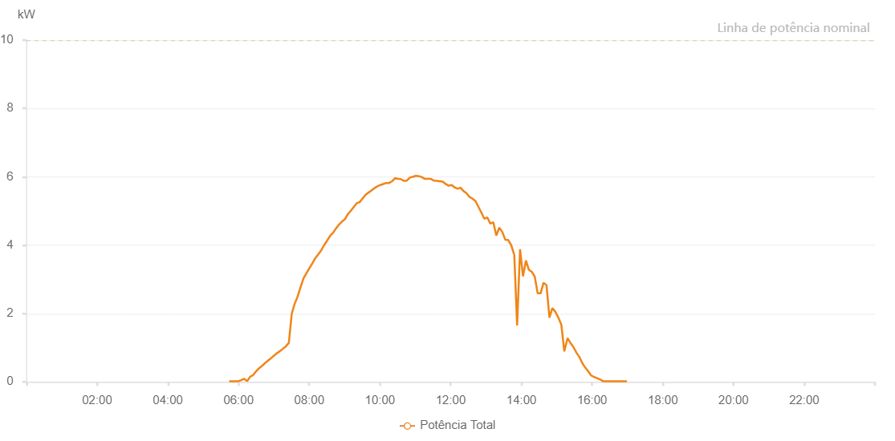

Number | Time | Working State | Alarm Code | Total Inverter Power(W)
1 | 28/06/2022 05:44:06 (UTC-4:00) | Normal |  | 20.000
2 | 28/06/2022 05:44:25 (UTC-4:00) | Normal |  | 20.000
3 | 28/06/2022 05:49:41 (UTC-4:00) | Normal |  | 20.000
4 | 28/06/2022 05:54:40 (UTC-4:00) | Normal |  | 20.000
5 | 28/06/2022 05:59:39 (UTC-4:00) | Normal |  | 20.000
6 | 28/06/2022 06:04:38 (UTC-4:00) | Normal |  | 50.000
7 | 28/06/2022 06:09:37 (UTC-4:00) | Normal |  | 90.000
8 | 28/06/2022 06:14:39 (UTC-4:00) | Normal |  | 20.000
9 | 28/06/2022 06:19:41 (UTC-4:00) | Normal |  | 150.000
10 | 28/06/2022 06:24:44 (UTC-4:00) | Normal |  | 200.000
11 | 28/06/2022 06:29:47 (UTC-4:00) | Normal |  | 310.000
12 | 28/06/2022 06:34:50 (UTC-4:00) | Normal |  | 400.000
13 | 28/06/2022 06:39:55 (UTC-4:00) | Normal |  | 470.000
14 | 28/06/2022 06:44:58 (UTC-4:00) | Normal |  | 550.000
15 | 28/06/2022 06:50:00 (UTC-4:00) | Normal |  | 620.000
16 | 28/06/2022 06:55:02 (UTC-4:00) | Normal |  | 690.000
17 | 28/06/2022 07:00:06 (UTC-4:00) | Normal |  | 770.000
18 | 28/06/2022 07:05:09 (UTC-4:00) | Normal |  | 840.000
19 | 28/06/2022 07:10:15 (UTC-4:00) | Normal |  | 900.000
20 | 28/06/2022 07:15:18 (UTC-4:00) | Normal |  | 970.000
21 | 28/06/2022 07:20:19 (UTC-4:00) | Normal |  | 1040.000
22 | 28/06/2022 07:25:19 (UTC-4:00) | Normal |  | 1140.000
23 | 28/06/2022 07:30:19 (UTC-4:00) | Normal |  | 2000.000
24 | 28/06/2022 07:35:19 (UTC-4:00) | Normal |  | 2290.000
25 | 28/06/2022 07:40:18 (UTC-4:00) | Normal |  | 2500.000
26 | 28/06/2022 07:45:16 (UTC-4:00) | Normal |  | 2770.000
27 | 28/06/2022 07:50:14 (UTC-4:00) | Normal |  | 3030.000
28 | 28/06/2022 07:55:17 (UTC-4:00) | Normal |  | 3180.000
29 | 28/06/2022 08:00:19 (UTC-4:00) | Normal |  | 3330.000
30 | 28/06/2022 08:05:15 (UTC-4:00) | Normal |  | 3470.000
31 | 28/06/2022 08:10:14 (UTC-4:00) | Normal |  | 3620.000
32 | 28/06/2022 08:15:13 (UTC-4:00) | Normal |  | 3730.000
33 | 28/06/2022 08:20:15 (UTC-4:00) | Normal |  | 3850.000
34 | 28/06/2022 08:25:14 (UTC-4:00) | Normal |  | 4000.000
35 | 28/06/2022 08:30:14 (UTC-4:00) | Normal |  | 4130.000
36 | 28/06/2022 08:35:17 (UTC-4:00) | Normal |  | 4270.000
37 | 28/06/2022 08:40:23 (UTC-4:00) | Normal |  | 4360.000
38 | 28/06/2022 08:45:24 (UTC-4:00) | Normal |  | 4490.000
39 | 28/06/2022 08:50:27 (UTC-4:00) | Normal |  | 4600.000
40 | 28/06/2022 08:55:30 (UTC-4:00) | Normal |  | 4690.000
41 | 28/06/2022 09:00:33 (UTC-4:00) | Normal |  | 4760.000
42 | 28/06/2022 09:05:36 (UTC-4:00) | Normal |  | 4910.000
43 | 28/06/2022 09:10:39 (UTC-4:00) | Normal |  | 5010.000
44 | 28/06/2022 09:15:42 (UTC-4:00) | Normal |  | 5120.000
45 | 28/06/2022 09:20:45 (UTC-4:00) | Normal |  | 5230.000
46 | 28/06/2022 09:25:44 (UTC-4:00) | Normal |  | 5260.000
47 | 28/06/2022 09:30:43 (UTC-4:00) | Normal |  | 5370.000
48 | 28/06/2022 09:35:45 (UTC-4:00) | Normal |  | 5480.000
49 | 28/06/2022 09:40:44 (UTC-4:00) | Normal |  | 5540.000
50 | 28/06/2022 09:45:43 (UTC-4:00) | Normal |  | 5600.000
51 | 28/06/2022 09:50:42 (UTC-4:00) | Normal |  | 5670.000
52 | 28/06/2022 09:55:41 (UTC-4:00) | Normal |  | 5720.000
53 | 28/06/2022 10:00:40 (UTC-4:00) | Normal |  | 5760.000
54 | 28/06/2022 10:05:39 (UTC-4:00) | Normal |  | 5790.000
55 | 28/06/2022 10:10:38 (UTC-4:00) | Normal |  | 5820.000
56 | 28/06/2022 10:15:39 (UTC-4:00) | Normal |  | 5820.000
57 | 28/06/2022 10:20:38 (UTC-4:00) | Normal |  | 5870.000
58 | 28/06/2022 10:25:37 (UTC-4:00) | Normal |  | 5960.000
59 | 28/06/2022 10:30:40 (UTC-4:00) | Normal |  | 5940.000
60 | 28/06/2022 10:35:43 (UTC-4:00) | Normal |  | 5930.000
61 | 28/06/2022 10:40:46 (UTC-4:00) | Normal |  | 5880.000
62 | 28/06/2022 10:45:49 (UTC-4:00) | Normal |  | 5890.000
63 | 28/06/2022 10:50:52 (UTC-4:00) | Normal |  | 5980.000
64 | 28/06/2022 10:55:56 (UTC-4:00) | Normal |  | 6000.000
65 | 28/06/2022 11:00:58 (UTC-4:00) | Normal |  | 6030.000
66 | 28/06/2022 11:06:01 (UTC-4:00) | Normal |  | 6020.000
67 | 28/06/2022 11:11:04 (UTC-4:00) | Normal |  | 5990.000
68 | 28/06/2022 11:16:09 (UTC-4:00) | Normal |  | 5940.000
69 | 28/06/2022 11:21:12 (UTC-4:00) | Normal |  | 5940.000
70 | 28/06/2022 11:26:14 (UTC-4:00) | Normal |  | 5940.000
71 | 28/06/2022 11:31:17 (UTC-4:00) | Normal |  | 5890.000
72 | 28/06/2022 11:36:20 (UTC-4:00) | Normal |  | 5880.000
73 | 28/06/2022 11:41:23 (UTC-4:00) | Normal |  | 5870.000
74 | 28/06/2022 11:46:27 (UTC-4:00) | Normal |  | 5860.000
75 | 28/06/2022 11:51:30 (UTC-4:00) | Normal |  | 5790.000
76 | 28/06/2022 11:56:33 (UTC-4:00) | Normal |  | 5740.000
77 | 28/06/2022 11:56:44 (UTC-4:00) | Normal |  | 5740.000
78 | 28/06/2022 12:01:40 (UTC-4:00) | Normal |  | 5760.000
79 | 28/06/2022 12:06:39 (UTC-4:00) | Normal |  | 5690.000
80 | 28/06/2022 12:11:46 (UTC-4:00) | Normal |  | 5650.000
81 | 28/06/2022 12:16:47 (UTC-4:00) | Normal |  | 5680.000
82 | 28/06/2022 12:21:51 (UTC-4:00) | Normal |  | 5580.000
83 | 28/06/2022 12:26:55 (UTC-4:00) | Normal |  | 5520.000
84 | 28/06/2022 12:31:56 (UTC-4:00) | Normal |  | 5410.000
85 | 28/06/2022 12:37:00 (UTC-4:00) | Normal |  | 5360.000
86 | 28/06/2022 12:42:02 (UTC-4:00) | Normal |  | 5290.000
87 | 28/06/2022 12:47:07 (UTC-4:00) | Normal |  | 5120.000
88 | 28/06/2022 12:52:09 (UTC-4:00) | Normal |  | 4950.000
89 | 28/06/2022 12:57:12 (UTC-4:00) | Normal |  | 4770.000
90 | 28/06/2022 13:02:16 (UTC-4:00) | Normal |  | 4810.000
91 | 28/06/2022 13:07:20 (UTC-4:00) | Normal |  | 4630.000
92 | 28/06/2022 13:12:22 (UTC-4:00) | Normal |  | 4670.000
93 | 28/06/2022 13:17:26 (UTC-4:00) | Normal |  | 4280.000
94 | 28/06/2022 13:22:28 (UTC-4:00) | Normal |  | 4510.000
95 | 28/06/2022 13:27:31 (UTC-4:00) | Normal |  | 4390.000
96 | 28/06/2022 13:32:35 (UTC-4:00) | Normal |  | 4160.000
97 | 28/06/2022 13:37:38 (UTC-4:00) | Normal |  | 4150.000
98 | 28/06/2022 13:42:41 (UTC-4:00) | Normal |  | 4000.000
99 | 28/06/2022 13:47:43 (UTC-4:00) | Normal |  | 3730.000
100 | 28/06/2022 13:47:54 (UTC-4:00) | Normal |  | 3730.000
101 | 28/06/2022 13:52:45 (UTC-4:00) | Normal |  | 1650.000
102 | 28/06/2022 13:57:44 (UTC-4:00) | Normal |  | 3880.000
103 | 28/06/2022 14:02:43 (UTC-4:00) | Normal |  | 3090.000
104 | 28/06/2022 14:07:42 (UTC-4:00) | Normal |  | 3550.000
105 | 28/06/2022 14:12:41 (UTC-4:00) | Normal |  | 3280.000
106 | 28/06/2022 14:17:40 (UTC-4:00) | Normal |  | 3220.000
107 | 28/06/2022 14:22:39 (UTC-4:00) | Normal |  | 3080.000
108 | 28/06/2022 14:27:38 (UTC-4:00) | Normal |  | 2590.000
109 | 28/06/2022 14:32:37 (UTC-4:00) | Normal |  | 2590.000
110 | 28/06/2022 14:37:36 (UTC-4:00) | Normal |  | 2900.000
111 | 28/06/2022 14:42:37 (UTC-4:00) | Normal |  | 2830.000
112 | 28/06/2022 14:47:36 (UTC-4:00) | Normal |  | 1880.000
113 | 28/06/2022 14:52:37 (UTC-4:00) | Normal |  | 2160.000
114 | 28/06/2022 14:57:40 (UTC-4:00) | Normal |  | 2050.000
115 | 28/06/2022 15:02:44 (UTC-4:00) | Normal |  | 1880.000
116 | 28/06/2022 15:07:48 (UTC-4:00) | Normal |  | 1670.000
117 | 28/06/2022 15:12:52 (UTC-4:00) | Normal |  | 890.000
118 | 28/06/2022 15:18:15 (UTC-4:00) | Normal |  | 1280.000
119 | 28/06/2022 15:23:16 (UTC-4:00) | Normal |  | 1140.000
120 | 28/06/2022 15:28:16 (UTC-4:00) | Normal |  | 1020.000
121 | 28/06/2022 15:33:17 (UTC-4:00) | Normal |  | 860.000
122 | 28/06/2022 15:38:17 (UTC-4:00) | Normal |  | 730.000
123 | 28/06/2022 15:43:18 (UTC-4:00) | Normal |  | 550.000
124 | 28/06/2022 15:48:18 (UTC-4:00) | Normal |  | 420.000
125 | 28/06/2022 15:53:19 (UTC-4:00) | Normal |  | 310.000
126 | 28/06/2022 15:58:21 (UTC-4:00) | Normal |  | 190.000
127 | 28/06/2022 16:03:25 (UTC-4:00) | Normal |  | 140.000
128 | 28/06/2022 16:08:30 (UTC-4:00) | Normal |  | 110.000
129 | 28/06/2022 16:13:36 (UTC-4:00) | Normal |  | 70.000
130 | 28/06/2022 16:18:40 (UTC-4:00) | Normal |  | 20.000
131 | 28/06/2022 16:23:45 (UTC-4:00) | Normal |  | 20.000
132 | 28/06/2022 16:28:49 (UTC-4:00) | Normal |  | 20.000
133 | 28/06/2022 16:33:54 (UTC-4:00) | Normal |  | 20.000
134 | 28/06/2022 16:38:55 (UTC-4:00) | Normal |  | 20.000
135 | 28/06/2022 16:43:55 (UTC-4:00) | Normal |  | 20.000
136 | 28/06/2022 16:48:58 (UTC-4:00) | Normal |  | 20.000
137 | 28/06/2022 16:53:58 (UTC-4:00) | Normal |  | 20.000
138 | 28/06/2022 16:58:59 (UTC-4:00) | Normal |  | 20.000

