Inverter History Report__17-08-
Inverter History Report_29/06/2022_Report

Inverter SN:054B7020C020044 |  | Inverter type:B7
Collector SN:4045086367 |  | Full Load Hours(h):3.56
Rated Power:10000Wp

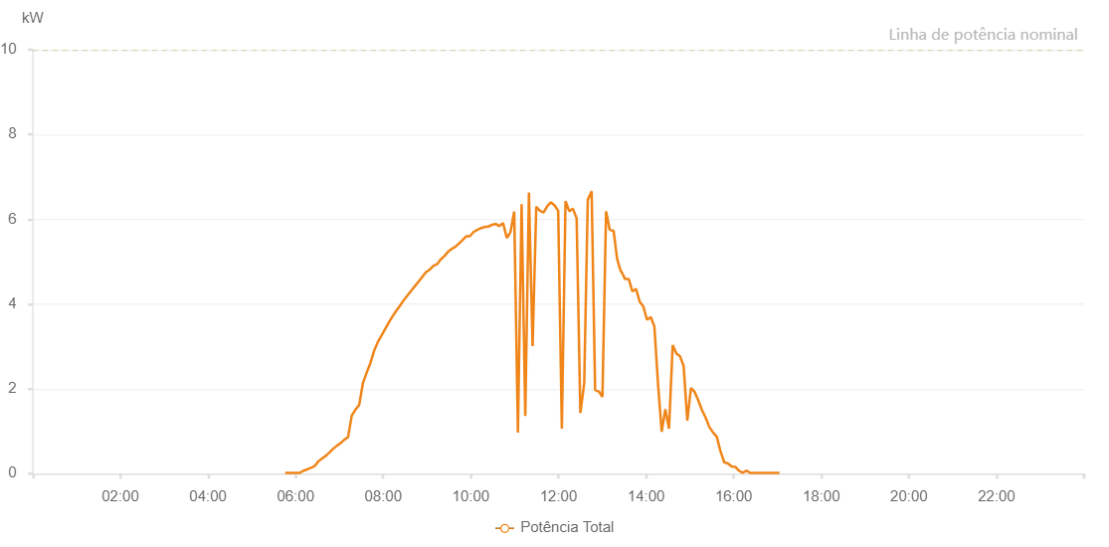

Number | Time | Working State | Alarm Code | Total Inverter Power(W)
1 | 29/06/2022 05:45:42 (UTC-4:00) | Normal |  | 20.000
2 | 29/06/2022 05:50:42 (UTC-4:00) | Normal |  | 20.000
3 | 29/06/2022 05:55:43 (UTC-4:00) | Normal |  | 20.000
4 | 29/06/2022 06:00:48 (UTC-4:00) | Normal |  | 20.000
5 | 29/06/2022 06:05:51 (UTC-4:00) | Normal |  | 20.000
6 | 29/06/2022 06:10:57 (UTC-4:00) | Normal |  | 70.000
7 | 29/06/2022 06:16:00 (UTC-4:00) | Normal |  | 100.000
8 | 29/06/2022 06:21:05 (UTC-4:00) | Normal |  | 140.000
9 | 29/06/2022 06:26:09 (UTC-4:00) | Normal |  | 180.000
10 | 29/06/2022 06:31:13 (UTC-4:00) | Normal |  | 290.000
11 | 29/06/2022 06:36:18 (UTC-4:00) | Normal |  | 360.000
12 | 29/06/2022 06:41:22 (UTC-4:00) | Normal |  | 420.000
13 | 29/06/2022 06:46:27 (UTC-4:00) | Normal |  | 500.000
14 | 29/06/2022 06:51:35 (UTC-4:00) | Normal |  | 590.000
15 | 29/06/2022 06:51:43 (UTC-4:00) | Normal |  | 590.000
16 | 29/06/2022 06:56:38 (UTC-4:00) | Normal |  | 660.000
17 | 29/06/2022 07:01:40 (UTC-4:00) | Normal |  | 720.000
18 | 29/06/2022 07:06:45 (UTC-4:00) | Normal |  | 800.000
19 | 29/06/2022 07:11:49 (UTC-4:00) | Normal |  | 860.000
20 | 29/06/2022 07:16:54 (UTC-4:00) | Normal |  | 1370.000
21 | 29/06/2022 07:21:58 (UTC-4:00) | Normal |  | 1510.000
22 | 29/06/2022 07:27:04 (UTC-4:00) | Normal |  | 1620.000
23 | 29/06/2022 07:32:08 (UTC-4:00) | Normal |  | 2130.000
24 | 29/06/2022 07:37:13 (UTC-4:00) | Normal |  | 2380.000
25 | 29/06/2022 07:42:17 (UTC-4:00) | Normal |  | 2600.000
26 | 29/06/2022 07:47:22 (UTC-4:00) | Normal |  | 2890.000
27 | 29/06/2022 07:52:26 (UTC-4:00) | Normal |  | 3100.000
28 | 29/06/2022 07:57:31 (UTC-4:00) | Normal |  | 3250.000
29 | 29/06/2022 08:02:36 (UTC-4:00) | Normal |  | 3410.000
30 | 29/06/2022 08:07:43 (UTC-4:00) | Normal |  | 3570.000
31 | 29/06/2022 08:12:46 (UTC-4:00) | Normal |  | 3710.000
32 | 29/06/2022 08:17:49 (UTC-4:00) | Normal |  | 3840.000
33 | 29/06/2022 08:22:55 (UTC-4:00) | Normal |  | 3960.000
34 | 29/06/2022 08:28:00 (UTC-4:00) | Normal |  | 4090.000
35 | 29/06/2022 08:33:04 (UTC-4:00) | Normal |  | 4200.000
36 | 29/06/2022 08:38:09 (UTC-4:00) | Normal |  | 4310.000
37 | 29/06/2022 08:43:13 (UTC-4:00) | Normal |  | 4420.000
38 | 29/06/2022 08:48:18 (UTC-4:00) | Normal |  | 4530.000
39 | 29/06/2022 08:53:22 (UTC-4:00) | Normal |  | 4640.000
40 | 29/06/2022 08:58:27 (UTC-4:00) | Normal |  | 4750.000
41 | 29/06/2022 09:03:31 (UTC-4:00) | Normal |  | 4810.000
42 | 29/06/2022 09:08:36 (UTC-4:00) | Normal |  | 4900.000
43 | 29/06/2022 09:13:36 (UTC-4:00) | Normal |  | 4940.000
44 | 29/06/2022 09:18:36 (UTC-4:00) | Normal |  | 5050.000
45 | 29/06/2022 09:23:37 (UTC-4:00) | Normal |  | 5130.000
46 | 29/06/2022 09:28:37 (UTC-4:00) | Normal |  | 5230.000
47 | 29/06/2022 09:33:37 (UTC-4:00) | Normal |  | 5300.000
48 | 29/06/2022 09:38:41 (UTC-4:00) | Normal |  | 5350.000
49 | 29/06/2022 09:43:42 (UTC-4:00) | Normal |  | 5430.000
50 | 29/06/2022 09:48:43 (UTC-4:00) | Normal |  | 5510.000
51 | 29/06/2022 09:53:43 (UTC-4:00) | Normal |  | 5600.000
52 | 29/06/2022 09:58:46 (UTC-4:00) | Normal |  | 5600.000
53 | 29/06/2022 10:03:46 (UTC-4:00) | Normal |  | 5700.000
54 | 29/06/2022 10:08:46 (UTC-4:00) | Normal |  | 5750.000
55 | 29/06/2022 10:13:48 (UTC-4:00) | Normal |  | 5790.000
56 | 29/06/2022 10:18:55 (UTC-4:00) | Normal |  | 5820.000
57 | 29/06/2022 10:24:01 (UTC-4:00) | Normal |  | 5830.000
58 | 29/06/2022 10:29:00 (UTC-4:00) | Normal |  | 5870.000
59 | 29/06/2022 10:34:04 (UTC-4:00) | Normal |  | 5890.000
60 | 29/06/2022 10:39:09 (UTC-4:00) | Normal |  | 5840.000
61 | 29/06/2022 10:44:13 (UTC-4:00) | Normal |  | 5910.000
62 | 29/06/2022 10:49:17 (UTC-4:00) | Normal |  | 5560.000
63 | 29/06/2022 10:54:21 (UTC-4:00) | Normal |  | 5700.000
64 | 29/06/2022 10:59:25 (UTC-4:00) | Normal |  | 6180.000
65 | 29/06/2022 11:04:30 (UTC-4:00) | Normal |  | 970.000
66 | 29/06/2022 11:09:34 (UTC-4:00) | Normal |  | 6360.000
67 | 29/06/2022 11:14:35 (UTC-4:00) | Normal |  | 1360.000
68 | 29/06/2022 11:19:35 (UTC-4:00) | Normal |  | 6630.000
69 | 29/06/2022 11:24:36 (UTC-4:00) | Normal |  | 3010.000
70 | 29/06/2022 11:29:37 (UTC-4:00) | Normal |  | 6300.000
71 | 29/06/2022 11:34:37 (UTC-4:00) | Normal |  | 6200.000
72 | 29/06/2022 11:39:38 (UTC-4:00) | Normal |  | 6160.000
73 | 29/06/2022 11:44:38 (UTC-4:00) | Normal |  | 6310.000
74 | 29/06/2022 11:49:38 (UTC-4:00) | Normal |  | 6400.000
75 | 29/06/2022 11:54:39 (UTC-4:00) | Normal |  | 6330.000
76 | 29/06/2022 11:59:39 (UTC-4:00) | Normal |  | 6200.000
77 | 29/06/2022 12:04:40 (UTC-4:00) | Normal |  | 1060.000
78 | 29/06/2022 12:09:41 (UTC-4:00) | Normal |  | 6430.000
79 | 29/06/2022 12:14:48 (UTC-4:00) | Normal |  | 6190.000
80 | 29/06/2022 12:19:51 (UTC-4:00) | Normal |  | 6250.000
81 | 29/06/2022 12:24:55 (UTC-4:00) | Normal |  | 6020.000
82 | 29/06/2022 12:30:00 (UTC-4:00) | Normal |  | 1430.000
83 | 29/06/2022 12:35:05 (UTC-4:00) | Normal |  | 2110.000
84 | 29/06/2022 12:35:17 (UTC-4:00) | Normal |  | 2110.000
85 | 29/06/2022 12:40:11 (UTC-4:00) | Normal |  | 6460.000
86 | 29/06/2022 12:45:14 (UTC-4:00) | Normal |  | 6650.000
87 | 29/06/2022 12:45:28 (UTC-4:00) | Normal |  | 6650.000
88 | 29/06/2022 12:50:14 (UTC-4:00) | Normal |  | 1970.000
89 | 29/06/2022 12:50:25 (UTC-4:00) | Normal |  | 1970.000
90 | 29/06/2022 12:55:16 (UTC-4:00) | Normal |  | 1940.000
91 | 29/06/2022 13:00:15 (UTC-4:00) | Normal |  | 1810.000
92 | 29/06/2022 13:05:15 (UTC-4:00) | Normal |  | 6190.000
93 | 29/06/2022 13:10:16 (UTC-4:00) | Normal |  | 5750.000
94 | 29/06/2022 13:15:19 (UTC-4:00) | Normal |  | 5730.000
95 | 29/06/2022 13:15:30 (UTC-4:00) | Normal |  | 5730.000
96 | 29/06/2022 13:20:20 (UTC-4:00) | Normal |  | 5070.000
97 | 29/06/2022 13:25:20 (UTC-4:00) | Normal |  | 4770.000
98 | 29/06/2022 13:25:26 (UTC-4:00) | Normal |  | 4770.000
99 | 29/06/2022 13:25:51 (UTC-4:00) | Normal |  | 4780.000
100 | 29/06/2022 13:31:14 (UTC-4:00) | Normal |  | 4590.000
101 | 29/06/2022 13:36:16 (UTC-4:00) | Normal |  | 4590.000
102 | 29/06/2022 13:41:17 (UTC-4:00) | Normal |  | 4300.000
103 | 29/06/2022 13:46:16 (UTC-4:00) | Normal |  | 4360.000
104 | 29/06/2022 13:51:17 (UTC-4:00) | Normal |  | 4060.000
105 | 29/06/2022 13:56:19 (UTC-4:00) | Normal |  | 3940.000
106 | 29/06/2022 14:01:20 (UTC-4:00) | Normal |  | 3630.000
107 | 29/06/2022 14:06:23 (UTC-4:00) | Normal |  | 3690.000
108 | 29/06/2022 14:06:34 (UTC-4:00) | Normal |  | 3690.000
109 | 29/06/2022 14:11:25 (UTC-4:00) | Normal |  | 3470.000
110 | 29/06/2022 14:16:25 (UTC-4:00) | Normal |  | 2110.000
111 | 29/06/2022 14:21:26 (UTC-4:00) | Normal |  | 990.000
112 | 29/06/2022 14:26:26 (UTC-4:00) | Normal |  | 1520.000
113 | 29/06/2022 14:31:27 (UTC-4:00) | Normal |  | 1060.000
114 | 29/06/2022 14:36:27 (UTC-4:00) | Normal |  | 3030.000
115 | 29/06/2022 14:41:27 (UTC-4:00) | Normal |  | 2840.000
116 | 29/06/2022 14:46:27 (UTC-4:00) | Normal |  | 2770.000
117 | 29/06/2022 14:51:28 (UTC-4:00) | Normal |  | 2540.000
118 | 29/06/2022 14:56:28 (UTC-4:00) | Normal |  | 1250.000
119 | 29/06/2022 15:01:28 (UTC-4:00) | Normal |  | 2020.000
120 | 29/06/2022 15:06:28 (UTC-4:00) | Normal |  | 1930.000
121 | 29/06/2022 15:11:29 (UTC-4:00) | Normal |  | 1730.000
122 | 29/06/2022 15:16:33 (UTC-4:00) | Normal |  | 1500.000
123 | 29/06/2022 15:21:37 (UTC-4:00) | Normal |  | 1320.000
124 | 29/06/2022 15:26:42 (UTC-4:00) | Normal |  | 1100.000
125 | 29/06/2022 15:31:47 (UTC-4:00) | Normal |  | 970.000
126 | 29/06/2022 15:36:50 (UTC-4:00) | Normal |  | 870.000
127 | 29/06/2022 15:41:55 (UTC-4:00) | Normal |  | 530.000
128 | 29/06/2022 15:46:59 (UTC-4:00) | Normal |  | 270.000
129 | 29/06/2022 15:52:03 (UTC-4:00) | Normal |  | 240.000
130 | 29/06/2022 15:57:08 (UTC-4:00) | Normal |  | 170.000
131 | 29/06/2022 16:02:12 (UTC-4:00) | Normal |  | 160.000
132 | 29/06/2022 16:07:16 (UTC-4:00) | Normal |  | 70.000
133 | 29/06/2022 16:12:21 (UTC-4:00) | Normal |  | 20.000
134 | 29/06/2022 16:17:25 (UTC-4:00) | Normal |  | 70.000
135 | 29/06/2022 16:17:36 (UTC-4:00) | Normal |  | 70.000
136 | 29/06/2022 16:22:29 (UTC-4:00) | Normal |  | 20.000
137 | 29/06/2022 16:27:34 (UTC-4:00) | Normal |  | 20.000
138 | 29/06/2022 16:32:38 (UTC-4:00) | Normal |  | 20.000
139 | 29/06/2022 16:37:42 (UTC-4:00) | Normal |  | 20.000
140 | 29/06/2022 16:42:43 (UTC-4:00) | Normal |  | 20.000
141 | 29/06/2022 16:47:43 (UTC-4:00) | Normal |  | 20.000
142 | 29/06/2022 16:52:45 (UTC-4:00) | Normal |  | 20.000
143 | 29/06/2022 16:57:46 (UTC-4:00) | Normal |  | 20.000
144 | 29/06/2022 17:02:47 (UTC-4:00) | Normal |  | 20.000

