Inverter History Report__17-08-
Inverter History Report_30/06/2022_Report

Inverter SN:054B7020C020044 |  | Inverter type:B7
Collector SN:4045086367 |  | Full Load Hours(h):3.73
Rated Power:10000Wp

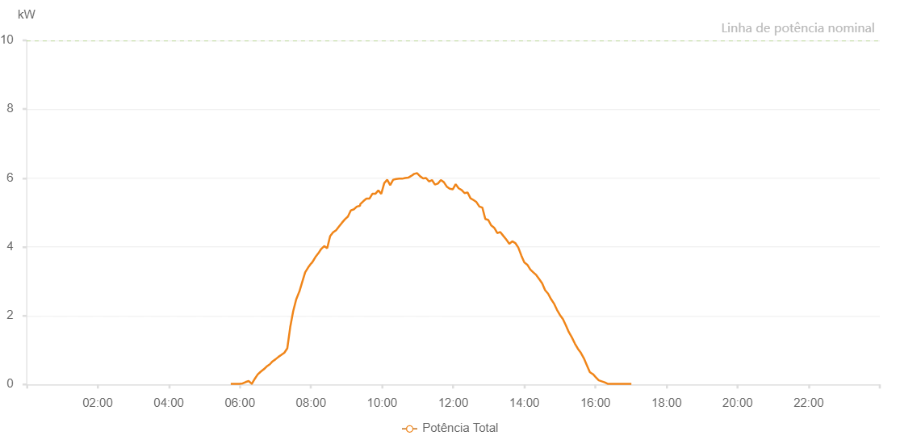

Number | Time | Working State | Alarm Code | Total Inverter Power(W)
1 | 30/06/2022 05:44:35 (UTC-4:00) | Normal |  | 20.000
2 | 30/06/2022 05:49:34 (UTC-4:00) | Normal |  | 20.000
3 | 30/06/2022 05:54:33 (UTC-4:00) | Normal |  | 20.000
4 | 30/06/2022 05:59:34 (UTC-4:00) | Normal |  | 20.000
5 | 30/06/2022 06:04:37 (UTC-4:00) | Normal |  | 30.000
6 | 30/06/2022 06:09:41 (UTC-4:00) | Normal |  | 70.000
7 | 30/06/2022 06:14:44 (UTC-4:00) | Normal |  | 100.000
8 | 30/06/2022 06:20:02 (UTC-4:00) | Normal |  | 20.000
9 | 30/06/2022 06:20:14 (UTC-4:00) | Normal |  | 20.000
10 | 30/06/2022 06:24:57 (UTC-4:00) | Normal |  | 160.000
11 | 30/06/2022 06:30:00 (UTC-4:00) | Normal |  | 290.000
12 | 30/06/2022 06:35:00 (UTC-4:00) | Normal |  | 370.000
13 | 30/06/2022 06:40:02 (UTC-4:00) | Normal |  | 440.000
14 | 30/06/2022 06:40:19 (UTC-4:00) | Normal |  | 440.000
15 | 30/06/2022 06:45:05 (UTC-4:00) | Normal |  | 520.000
16 | 30/06/2022 06:50:04 (UTC-4:00) | Normal |  | 580.000
17 | 30/06/2022 06:50:15 (UTC-4:00) | Normal |  | 580.000
18 | 30/06/2022 06:55:03 (UTC-4:00) | Normal |  | 670.000
19 | 30/06/2022 07:00:02 (UTC-4:00) | Normal |  | 730.000
20 | 30/06/2022 07:05:01 (UTC-4:00) | Normal |  | 800.000
21 | 30/06/2022 07:10:04 (UTC-4:00) | Normal |  | 860.000
22 | 30/06/2022 07:15:00 (UTC-4:00) | Normal |  | 920.000
23 | 30/06/2022 07:19:59 (UTC-4:00) | Normal |  | 1050.000
24 | 30/06/2022 07:24:58 (UTC-4:00) | Normal |  | 1670.000
25 | 30/06/2022 07:29:57 (UTC-4:00) | Normal |  | 2130.000
26 | 30/06/2022 07:34:59 (UTC-4:00) | Normal |  | 2470.000
27 | 30/06/2022 07:40:02 (UTC-4:00) | Normal |  | 2690.000
28 | 30/06/2022 07:40:13 (UTC-4:00) | Normal |  | 2690.000
29 | 30/06/2022 07:45:05 (UTC-4:00) | Normal |  | 2970.000
30 | 30/06/2022 07:50:09 (UTC-4:00) | Normal |  | 3260.000
31 | 30/06/2022 07:55:12 (UTC-4:00) | Normal |  | 3400.000
32 | 30/06/2022 08:00:16 (UTC-4:00) | Normal |  | 3520.000
33 | 30/06/2022 08:00:33 (UTC-4:00) | Normal |  | 3520.000
34 | 30/06/2022 08:00:57 (UTC-4:00) | Normal |  | 3520.000
35 | 30/06/2022 08:02:19 (UTC-4:00) | Normal |  | 3560.000
36 | 30/06/2022 08:02:30 (UTC-4:00) | Normal |  | 3560.000
37 | 30/06/2022 08:07:21 (UTC-4:00) | Normal |  | 3700.000
38 | 30/06/2022 08:12:20 (UTC-4:00) | Normal |  | 3810.000
39 | 30/06/2022 08:17:20 (UTC-4:00) | Normal |  | 3940.000
40 | 30/06/2022 08:22:20 (UTC-4:00) | Normal |  | 4020.000
41 | 30/06/2022 08:27:19 (UTC-4:00) | Normal |  | 3960.000
42 | 30/06/2022 08:32:19 (UTC-4:00) | Normal |  | 4310.000
43 | 30/06/2022 08:37:19 (UTC-4:00) | Normal |  | 4420.000
44 | 30/06/2022 08:42:19 (UTC-4:00) | Normal |  | 4480.000
45 | 30/06/2022 08:47:19 (UTC-4:00) | Normal |  | 4590.000
46 | 30/06/2022 08:52:19 (UTC-4:00) | Normal |  | 4700.000
47 | 30/06/2022 08:57:18 (UTC-4:00) | Normal |  | 4800.000
48 | 30/06/2022 09:02:18 (UTC-4:00) | Normal |  | 4880.000
49 | 30/06/2022 09:07:21 (UTC-4:00) | Normal |  | 5060.000
50 | 30/06/2022 09:12:25 (UTC-4:00) | Normal |  | 5090.000
51 | 30/06/2022 09:17:28 (UTC-4:00) | Normal |  | 5170.000
52 | 30/06/2022 09:22:32 (UTC-4:00) | Normal |  | 5190.000
53 | 30/06/2022 09:22:42 (UTC-4:00) | Normal |  | 5190.000
54 | 30/06/2022 09:23:10 (UTC-4:00) | Normal |  | 5240.000
55 | 30/06/2022 09:28:36 (UTC-4:00) | Normal |  | 5330.000
56 | 30/06/2022 09:33:36 (UTC-4:00) | Normal |  | 5400.000
57 | 30/06/2022 09:38:36 (UTC-4:00) | Normal |  | 5400.000
58 | 30/06/2022 09:43:36 (UTC-4:00) | Normal |  | 5540.000
59 | 30/06/2022 09:48:36 (UTC-4:00) | Normal |  | 5540.000
60 | 30/06/2022 09:53:36 (UTC-4:00) | Normal |  | 5640.000
61 | 30/06/2022 09:58:35 (UTC-4:00) | Normal |  | 5540.000
62 | 30/06/2022 10:03:37 (UTC-4:00) | Normal |  | 5850.000
63 | 30/06/2022 10:08:37 (UTC-4:00) | Normal |  | 5950.000
64 | 30/06/2022 10:13:39 (UTC-4:00) | Normal |  | 5790.000
65 | 30/06/2022 10:18:43 (UTC-4:00) | Normal |  | 5950.000
66 | 30/06/2022 10:23:48 (UTC-4:00) | Normal |  | 5970.000
67 | 30/06/2022 10:28:52 (UTC-4:00) | Normal |  | 5980.000
68 | 30/06/2022 10:33:56 (UTC-4:00) | Normal |  | 5980.000
69 | 30/06/2022 10:39:00 (UTC-4:00) | Normal |  | 6000.000
70 | 30/06/2022 10:44:05 (UTC-4:00) | Normal |  | 6010.000
71 | 30/06/2022 10:49:07 (UTC-4:00) | Normal |  | 6060.000
72 | 30/06/2022 10:54:11 (UTC-4:00) | Normal |  | 6120.000
73 | 30/06/2022 10:59:11 (UTC-4:00) | Normal |  | 6140.000
74 | 30/06/2022 11:04:11 (UTC-4:00) | Normal |  | 6050.000
75 | 30/06/2022 11:09:11 (UTC-4:00) | Normal |  | 5990.000
76 | 30/06/2022 11:14:11 (UTC-4:00) | Normal |  | 6000.000
77 | 30/06/2022 11:19:11 (UTC-4:00) | Normal |  | 5900.000
78 | 30/06/2022 11:24:11 (UTC-4:00) | Normal |  | 5940.000
79 | 30/06/2022 11:29:10 (UTC-4:00) | Normal |  | 5810.000
80 | 30/06/2022 11:34:11 (UTC-4:00) | Normal |  | 5840.000
81 | 30/06/2022 11:39:11 (UTC-4:00) | Normal |  | 5940.000
82 | 30/06/2022 11:44:11 (UTC-4:00) | Normal |  | 5880.000
83 | 30/06/2022 11:49:10 (UTC-4:00) | Normal |  | 5750.000
84 | 30/06/2022 11:54:10 (UTC-4:00) | Normal |  | 5690.000
85 | 30/06/2022 11:59:13 (UTC-4:00) | Normal |  | 5670.000
86 | 30/06/2022 12:04:13 (UTC-4:00) | Normal |  | 5820.000
87 | 30/06/2022 12:09:13 (UTC-4:00) | Normal |  | 5700.000
88 | 30/06/2022 12:14:13 (UTC-4:00) | Normal |  | 5650.000
89 | 30/06/2022 12:19:13 (UTC-4:00) | Normal |  | 5560.000
90 | 30/06/2022 12:24:12 (UTC-4:00) | Normal |  | 5580.000
91 | 30/06/2022 12:29:12 (UTC-4:00) | Normal |  | 5410.000
92 | 30/06/2022 12:34:12 (UTC-4:00) | Normal |  | 5360.000
93 | 30/06/2022 12:39:12 (UTC-4:00) | Normal |  | 5300.000
94 | 30/06/2022 12:44:12 (UTC-4:00) | Normal |  | 5170.000
95 | 30/06/2022 12:49:11 (UTC-4:00) | Normal |  | 5140.000
96 | 30/06/2022 12:54:12 (UTC-4:00) | Normal |  | 4810.000
97 | 30/06/2022 12:59:12 (UTC-4:00) | Normal |  | 4780.000
98 | 30/06/2022 13:04:15 (UTC-4:00) | Normal |  | 4620.000
99 | 30/06/2022 13:09:19 (UTC-4:00) | Normal |  | 4550.000
100 | 30/06/2022 13:09:29 (UTC-4:00) | Normal |  | 4550.000
101 | 30/06/2022 13:14:23 (UTC-4:00) | Normal |  | 4400.000
102 | 30/06/2022 13:19:27 (UTC-4:00) | Normal |  | 4430.000
103 | 30/06/2022 13:24:31 (UTC-4:00) | Normal |  | 4320.000
104 | 30/06/2022 13:29:39 (UTC-4:00) | Normal |  | 4210.000
105 | 30/06/2022 13:34:41 (UTC-4:00) | Normal |  | 4090.000
106 | 30/06/2022 13:39:43 (UTC-4:00) | Normal |  | 4160.000
107 | 30/06/2022 13:44:48 (UTC-4:00) | Normal |  | 4110.000
108 | 30/06/2022 13:49:52 (UTC-4:00) | Normal |  | 3980.000
109 | 30/06/2022 13:54:55 (UTC-4:00) | Normal |  | 3750.000
110 | 30/06/2022 14:00:00 (UTC-4:00) | Normal |  | 3550.000
111 | 30/06/2022 14:05:04 (UTC-4:00) | Normal |  | 3480.000
112 | 30/06/2022 14:10:10 (UTC-4:00) | Normal |  | 3340.000
113 | 30/06/2022 14:15:10 (UTC-4:00) | Normal |  | 3260.000
114 | 30/06/2022 14:20:10 (UTC-4:00) | Normal |  | 3180.000
115 | 30/06/2022 14:25:10 (UTC-4:00) | Normal |  | 3060.000
116 | 30/06/2022 14:30:09 (UTC-4:00) | Normal |  | 2940.000
117 | 30/06/2022 14:35:09 (UTC-4:00) | Normal |  | 2740.000
118 | 30/06/2022 14:40:09 (UTC-4:00) | Normal |  | 2640.000
119 | 30/06/2022 14:45:09 (UTC-4:00) | Normal |  | 2480.000
120 | 30/06/2022 14:50:08 (UTC-4:00) | Normal |  | 2350.000
121 | 30/06/2022 14:55:08 (UTC-4:00) | Normal |  | 2170.000
122 | 30/06/2022 15:00:10 (UTC-4:00) | Normal |  | 2020.000
123 | 30/06/2022 15:05:10 (UTC-4:00) | Normal |  | 1900.000
124 | 30/06/2022 15:10:09 (UTC-4:00) | Normal |  | 1720.000
125 | 30/06/2022 15:15:11 (UTC-4:00) | Normal |  | 1520.000
126 | 30/06/2022 15:20:14 (UTC-4:00) | Normal |  | 1370.000
127 | 30/06/2022 15:25:19 (UTC-4:00) | Normal |  | 1190.000
128 | 30/06/2022 15:30:22 (UTC-4:00) | Normal |  | 1040.000
129 | 30/06/2022 15:35:27 (UTC-4:00) | Normal |  | 920.000
130 | 30/06/2022 15:40:31 (UTC-4:00) | Normal |  | 760.000
131 | 30/06/2022 15:45:35 (UTC-4:00) | Normal |  | 560.000
132 | 30/06/2022 15:50:38 (UTC-4:00) | Normal |  | 360.000
133 | 30/06/2022 15:55:40 (UTC-4:00) | Normal |  | 300.000
134 | 30/06/2022 15:55:51 (UTC-4:00) | Normal |  | 300.000
135 | 30/06/2022 16:00:40 (UTC-4:00) | Normal |  | 210.000
136 | 30/06/2022 16:05:40 (UTC-4:00) | Normal |  | 120.000
137 | 30/06/2022 16:10:40 (UTC-4:00) | Normal |  | 90.000
138 | 30/06/2022 16:15:40 (UTC-4:00) | Normal |  | 60.000
139 | 30/06/2022 16:20:40 (UTC-4:00) | Normal |  | 20.000
140 | 30/06/2022 16:25:39 (UTC-4:00) | Normal |  | 20.000
141 | 30/06/2022 16:30:39 (UTC-4:00) | Normal |  | 20.000
142 | 30/06/2022 16:35:41 (UTC-4:00) | Normal |  | 20.000
143 | 30/06/2022 16:40:41 (UTC-4:00) | Normal |  | 20.000
144 | 30/06/2022 16:45:40 (UTC-4:00) | Normal |  | 20.000
145 | 30/06/2022 16:50:40 (UTC-4:00) | Normal |  | 20.000
146 | 30/06/2022 16:55:40 (UTC-4:00) | Normal |  | 20.000
147 | 30/06/2022 17:00:43 (UTC-4:00) | Normal |  | 20.000

