Inverter History Report__17-08-
Inverter History Report_01/07/2022_Report

Inverter SN:054B7020C020044 |  | Inverter type:B7
Collector SN:4045086367 |  | Full Load Hours(h):3.69
Rated Power:10000Wp

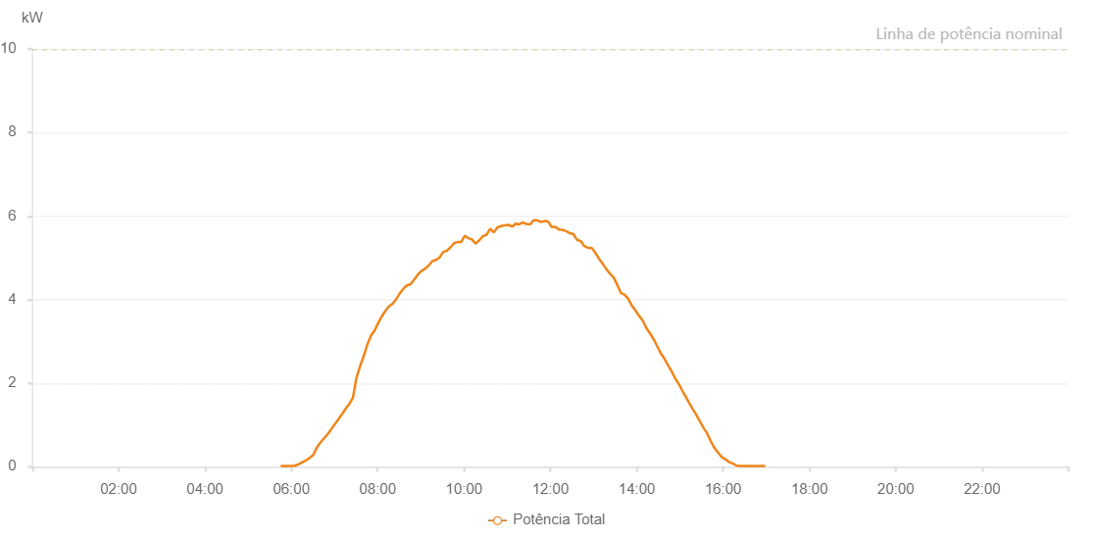

Number | Time | Working State | Alarm Code | Total Inverter Power(W)
1 | 01/07/2022 05:45:07 (UTC-4:00) | Normal |  | 20.000
2 | 01/07/2022 05:50:07 (UTC-4:00) | Normal |  | 20.000
3 | 01/07/2022 05:55:07 (UTC-4:00) | Normal |  | 20.000
4 | 01/07/2022 06:00:10 (UTC-4:00) | Normal |  | 20.000
5 | 01/07/2022 06:05:13 (UTC-4:00) | Normal |  | 30.000
6 | 01/07/2022 06:10:24 (UTC-4:00) | Normal |  | 60.000
7 | 01/07/2022 06:15:25 (UTC-4:00) | Normal |  | 110.000
8 | 01/07/2022 06:20:26 (UTC-4:00) | Normal |  | 150.000
9 | 01/07/2022 06:20:36 (UTC-4:00) | Normal |  | 150.000
10 | 01/07/2022 06:25:28 (UTC-4:00) | Normal |  | 210.000
11 | 01/07/2022 06:30:29 (UTC-4:00) | Normal |  | 280.000
12 | 01/07/2022 06:35:28 (UTC-4:00) | Normal |  | 460.000
13 | 01/07/2022 06:40:29 (UTC-4:00) | Normal |  | 580.000
14 | 01/07/2022 06:45:29 (UTC-4:00) | Normal |  | 680.000
15 | 01/07/2022 06:50:34 (UTC-4:00) | Normal |  | 780.000
16 | 01/07/2022 06:55:32 (UTC-4:00) | Normal |  | 900.000
17 | 01/07/2022 07:00:33 (UTC-4:00) | Normal |  | 1020.000
18 | 01/07/2022 07:05:32 (UTC-4:00) | Normal |  | 1140.000
19 | 01/07/2022 07:10:32 (UTC-4:00) | Normal |  | 1260.000
20 | 01/07/2022 07:15:33 (UTC-4:00) | Normal |  | 1390.000
21 | 01/07/2022 07:20:34 (UTC-4:00) | Normal |  | 1500.000
22 | 01/07/2022 07:25:33 (UTC-4:00) | Normal |  | 1650.000
23 | 01/07/2022 07:30:37 (UTC-4:00) | Normal |  | 2140.000
24 | 01/07/2022 07:35:36 (UTC-4:00) | Normal |  | 2410.000
25 | 01/07/2022 07:40:39 (UTC-4:00) | Normal |  | 2650.000
26 | 01/07/2022 07:45:43 (UTC-4:00) | Normal |  | 2930.000
27 | 01/07/2022 07:50:43 (UTC-4:00) | Normal |  | 3140.000
28 | 01/07/2022 07:55:43 (UTC-4:00) | Normal |  | 3260.000
29 | 01/07/2022 08:00:43 (UTC-4:00) | Normal |  | 3440.000
30 | 01/07/2022 08:05:43 (UTC-4:00) | Normal |  | 3600.000
31 | 01/07/2022 08:10:42 (UTC-4:00) | Normal |  | 3730.000
32 | 01/07/2022 08:15:42 (UTC-4:00) | Normal |  | 3840.000
33 | 01/07/2022 08:20:42 (UTC-4:00) | Normal |  | 3900.000
34 | 01/07/2022 08:25:42 (UTC-4:00) | Normal |  | 4010.000
35 | 01/07/2022 08:30:42 (UTC-4:00) | Normal |  | 4150.000
36 | 01/07/2022 08:35:42 (UTC-4:00) | Normal |  | 4260.000
37 | 01/07/2022 08:40:41 (UTC-4:00) | Normal |  | 4340.000
38 | 01/07/2022 08:45:43 (UTC-4:00) | Normal |  | 4370.000
39 | 01/07/2022 08:50:47 (UTC-4:00) | Normal |  | 4480.000
40 | 01/07/2022 08:55:51 (UTC-4:00) | Normal |  | 4600.000
41 | 01/07/2022 09:00:55 (UTC-4:00) | Normal |  | 4690.000
42 | 01/07/2022 09:05:58 (UTC-4:00) | Normal |  | 4740.000
43 | 01/07/2022 09:10:58 (UTC-4:00) | Normal |  | 4820.000
44 | 01/07/2022 09:15:58 (UTC-4:00) | Normal |  | 4920.000
45 | 01/07/2022 09:20:58 (UTC-4:00) | Normal |  | 4950.000
46 | 01/07/2022 09:25:58 (UTC-4:00) | Normal |  | 5010.000
47 | 01/07/2022 09:31:01 (UTC-4:00) | Normal |  | 5140.000
48 | 01/07/2022 09:36:01 (UTC-4:00) | Normal |  | 5170.000
49 | 01/07/2022 09:41:00 (UTC-4:00) | Normal |  | 5250.000
50 | 01/07/2022 09:46:00 (UTC-4:00) | Normal |  | 5350.000
51 | 01/07/2022 09:51:03 (UTC-4:00) | Normal |  | 5380.000
52 | 01/07/2022 09:56:04 (UTC-4:00) | Normal |  | 5380.000
53 | 01/07/2022 10:01:03 (UTC-4:00) | Normal |  | 5530.000
54 | 01/07/2022 10:06:03 (UTC-4:00) | Normal |  | 5470.000
55 | 01/07/2022 10:11:03 (UTC-4:00) | Normal |  | 5440.000
56 | 01/07/2022 10:16:04 (UTC-4:00) | Normal |  | 5340.000
57 | 01/07/2022 10:21:09 (UTC-4:00) | Normal |  | 5420.000
58 | 01/07/2022 10:26:12 (UTC-4:00) | Normal |  | 5520.000
59 | 01/07/2022 10:31:16 (UTC-4:00) | Normal |  | 5550.000
60 | 01/07/2022 10:36:20 (UTC-4:00) | Normal |  | 5700.000
61 | 01/07/2022 10:41:24 (UTC-4:00) | Normal |  | 5610.000
62 | 01/07/2022 10:46:28 (UTC-4:00) | Normal |  | 5730.000
63 | 01/07/2022 10:51:32 (UTC-4:00) | Normal |  | 5760.000
64 | 01/07/2022 10:51:42 (UTC-4:00) | Normal |  | 5760.000
65 | 01/07/2022 10:56:35 (UTC-4:00) | Normal |  | 5780.000
66 | 01/07/2022 11:01:40 (UTC-4:00) | Normal |  | 5790.000
67 | 01/07/2022 11:01:54 (UTC-4:00) | Normal |  | 5790.000
68 | 01/07/2022 11:06:39 (UTC-4:00) | Normal |  | 5750.000
69 | 01/07/2022 11:11:39 (UTC-4:00) | Normal |  | 5820.000
70 | 01/07/2022 11:16:41 (UTC-4:00) | Normal |  | 5800.000
71 | 01/07/2022 11:21:41 (UTC-4:00) | Normal |  | 5850.000
72 | 01/07/2022 11:26:41 (UTC-4:00) | Normal |  | 5810.000
73 | 01/07/2022 11:31:45 (UTC-4:00) | Normal |  | 5800.000
74 | 01/07/2022 11:36:45 (UTC-4:00) | Normal |  | 5900.000
75 | 01/07/2022 11:41:44 (UTC-4:00) | Normal |  | 5900.000
76 | 01/07/2022 11:46:44 (UTC-4:00) | Normal |  | 5860.000
77 | 01/07/2022 11:51:46 (UTC-4:00) | Normal |  | 5880.000
78 | 01/07/2022 11:56:46 (UTC-4:00) | Normal |  | 5870.000
79 | 01/07/2022 12:01:46 (UTC-4:00) | Normal |  | 5740.000
80 | 01/07/2022 12:06:47 (UTC-4:00) | Normal |  | 5740.000
81 | 01/07/2022 12:11:50 (UTC-4:00) | Normal |  | 5680.000
82 | 01/07/2022 12:16:54 (UTC-4:00) | Normal |  | 5670.000
83 | 01/07/2022 12:21:58 (UTC-4:00) | Normal |  | 5640.000
84 | 01/07/2022 12:27:01 (UTC-4:00) | Normal |  | 5590.000
85 | 01/07/2022 12:32:06 (UTC-4:00) | Normal |  | 5570.000
86 | 01/07/2022 12:37:09 (UTC-4:00) | Normal |  | 5430.000
87 | 01/07/2022 12:42:12 (UTC-4:00) | Normal |  | 5400.000
88 | 01/07/2022 12:47:18 (UTC-4:00) | Normal |  | 5280.000
89 | 01/07/2022 12:52:22 (UTC-4:00) | Normal |  | 5240.000
90 | 01/07/2022 12:57:27 (UTC-4:00) | Normal |  | 5240.000
91 | 01/07/2022 13:02:32 (UTC-4:00) | Normal |  | 5120.000
92 | 01/07/2022 13:07:34 (UTC-4:00) | Normal |  | 4980.000
93 | 01/07/2022 13:12:39 (UTC-4:00) | Normal |  | 4860.000
94 | 01/07/2022 13:17:44 (UTC-4:00) | Normal |  | 4730.000
95 | 01/07/2022 13:22:47 (UTC-4:00) | Normal |  | 4620.000
96 | 01/07/2022 13:27:51 (UTC-4:00) | Normal |  | 4530.000
97 | 01/07/2022 13:32:54 (UTC-4:00) | Normal |  | 4360.000
98 | 01/07/2022 13:38:00 (UTC-4:00) | Normal |  | 4160.000
99 | 01/07/2022 13:43:03 (UTC-4:00) | Normal |  | 4120.000
100 | 01/07/2022 13:48:10 (UTC-4:00) | Normal |  | 4020.000
101 | 01/07/2022 13:53:11 (UTC-4:00) | Normal |  | 3860.000
102 | 01/07/2022 13:58:14 (UTC-4:00) | Normal |  | 3740.000
103 | 01/07/2022 14:03:18 (UTC-4:00) | Normal |  | 3610.000
104 | 01/07/2022 14:08:21 (UTC-4:00) | Normal |  | 3500.000
105 | 01/07/2022 14:13:26 (UTC-4:00) | Normal |  | 3320.000
106 | 01/07/2022 14:18:29 (UTC-4:00) | Normal |  | 3190.000
107 | 01/07/2022 14:23:33 (UTC-4:00) | Normal |  | 3050.000
108 | 01/07/2022 14:28:37 (UTC-4:00) | Normal |  | 2880.000
109 | 01/07/2022 14:33:40 (UTC-4:00) | Normal |  | 2710.000
110 | 01/07/2022 14:38:45 (UTC-4:00) | Normal |  | 2580.000
111 | 01/07/2022 14:43:49 (UTC-4:00) | Normal |  | 2420.000
112 | 01/07/2022 14:48:53 (UTC-4:00) | Normal |  | 2270.000
113 | 01/07/2022 14:53:57 (UTC-4:00) | Normal |  | 2100.000
114 | 01/07/2022 14:59:01 (UTC-4:00) | Normal |  | 1960.000
115 | 01/07/2022 15:04:04 (UTC-4:00) | Normal |  | 1800.000
116 | 01/07/2022 15:07:31 (UTC-4:00) | Normal |  | 1700.000
117 | 01/07/2022 15:12:49 (UTC-4:00) | Normal |  | 1530.000
118 | 01/07/2022 15:17:50 (UTC-4:00) | Normal |  | 1380.000
119 | 01/07/2022 15:22:50 (UTC-4:00) | Normal |  | 1240.000
120 | 01/07/2022 15:27:51 (UTC-4:00) | Normal |  | 1080.000
121 | 01/07/2022 15:32:51 (UTC-4:00) | Normal |  | 930.000
122 | 01/07/2022 15:37:52 (UTC-4:00) | Normal |  | 800.000
123 | 01/07/2022 15:42:53 (UTC-4:00) | Normal |  | 610.000
124 | 01/07/2022 15:47:57 (UTC-4:00) | Normal |  | 450.000
125 | 01/07/2022 15:53:02 (UTC-4:00) | Normal |  | 340.000
126 | 01/07/2022 15:58:06 (UTC-4:00) | Normal |  | 230.000
127 | 01/07/2022 16:03:11 (UTC-4:00) | Normal |  | 180.000
128 | 01/07/2022 16:08:15 (UTC-4:00) | Normal |  | 110.000
129 | 01/07/2022 16:08:26 (UTC-4:00) | Normal |  | 110.000
130 | 01/07/2022 16:13:22 (UTC-4:00) | Normal |  | 80.000
131 | 01/07/2022 16:18:24 (UTC-4:00) | Normal |  | 30.000
132 | 01/07/2022 16:23:28 (UTC-4:00) | Normal |  | 20.000
133 | 01/07/2022 16:28:33 (UTC-4:00) | Normal |  | 20.000
134 | 01/07/2022 16:33:37 (UTC-4:00) | Normal |  | 20.000
135 | 01/07/2022 16:38:41 (UTC-4:00) | Normal |  | 20.000
136 | 01/07/2022 16:43:42 (UTC-4:00) | Normal |  | 20.000
137 | 01/07/2022 16:48:42 (UTC-4:00) | Normal |  | 20.000
138 | 01/07/2022 16:53:44 (UTC-4:00) | Normal |  | 20.000
139 | 01/07/2022 16:58:45 (UTC-4:00) | Normal |  | 20.000

