Inverter History Report__17-08-
Inverter History Report_02/07/2022_Report

Inverter SN:054B7020C020044 |  | Inverter type:B7
Collector SN:4045086367 |  | Full Load Hours(h):3.72
Rated Power:10000Wp

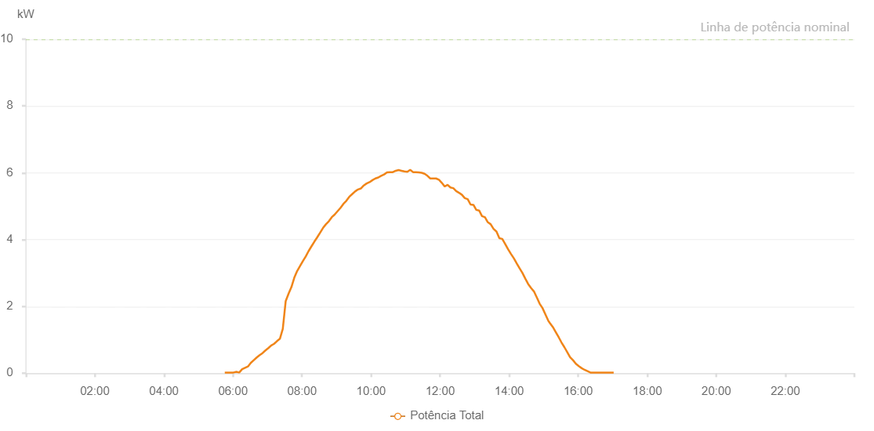

Number | Time | Working State | Alarm Code | Total Inverter Power(W)
1 | 02/07/2022 05:45:47 (UTC-4:00) | Normal |  | 20.000
2 | 02/07/2022 05:50:47 (UTC-4:00) | Normal |  | 20.000
3 | 02/07/2022 05:55:47 (UTC-4:00) | Normal |  | 20.000
4 | 02/07/2022 06:00:50 (UTC-4:00) | Normal |  | 20.000
5 | 02/07/2022 06:05:51 (UTC-4:00) | Normal |  | 40.000
6 | 02/07/2022 06:10:54 (UTC-4:00) | Normal |  | 20.000
7 | 02/07/2022 06:15:57 (UTC-4:00) | Normal |  | 120.000
8 | 02/07/2022 06:21:00 (UTC-4:00) | Normal |  | 160.000
9 | 02/07/2022 06:26:03 (UTC-4:00) | Normal |  | 200.000
10 | 02/07/2022 06:31:06 (UTC-4:00) | Normal |  | 310.000
11 | 02/07/2022 06:36:09 (UTC-4:00) | Normal |  | 390.000
12 | 02/07/2022 06:41:12 (UTC-4:00) | Normal |  | 470.000
13 | 02/07/2022 06:46:14 (UTC-4:00) | Normal |  | 540.000
14 | 02/07/2022 06:51:17 (UTC-4:00) | Normal |  | 600.000
15 | 02/07/2022 06:56:20 (UTC-4:00) | Normal |  | 680.000
16 | 02/07/2022 07:01:23 (UTC-4:00) | Normal |  | 750.000
17 | 02/07/2022 07:06:27 (UTC-4:00) | Normal |  | 830.000
18 | 02/07/2022 07:11:28 (UTC-4:00) | Normal |  | 880.000
19 | 02/07/2022 07:16:31 (UTC-4:00) | Normal |  | 960.000
20 | 02/07/2022 07:21:34 (UTC-4:00) | Normal |  | 1030.000
21 | 02/07/2022 07:26:37 (UTC-4:00) | Normal |  | 1330.000
22 | 02/07/2022 07:31:40 (UTC-4:00) | Normal |  | 2160.000
23 | 02/07/2022 07:36:39 (UTC-4:00) | Normal |  | 2380.000
24 | 02/07/2022 07:41:37 (UTC-4:00) | Normal |  | 2580.000
25 | 02/07/2022 07:46:36 (UTC-4:00) | Normal |  | 2860.000
26 | 02/07/2022 07:51:35 (UTC-4:00) | Normal |  | 3060.000
27 | 02/07/2022 07:56:37 (UTC-4:00) | Normal |  | 3210.000
28 | 02/07/2022 08:01:35 (UTC-4:00) | Normal |  | 3360.000
29 | 02/07/2022 08:06:34 (UTC-4:00) | Normal |  | 3500.000
30 | 02/07/2022 08:11:33 (UTC-4:00) | Normal |  | 3660.000
31 | 02/07/2022 08:16:31 (UTC-4:00) | Normal |  | 3800.000
32 | 02/07/2022 08:21:31 (UTC-4:00) | Normal |  | 3940.000
33 | 02/07/2022 08:26:30 (UTC-4:00) | Normal |  | 4070.000
34 | 02/07/2022 08:31:32 (UTC-4:00) | Normal |  | 4210.000
35 | 02/07/2022 08:36:34 (UTC-4:00) | Normal |  | 4350.000
36 | 02/07/2022 08:41:38 (UTC-4:00) | Normal |  | 4460.000
37 | 02/07/2022 08:46:40 (UTC-4:00) | Normal |  | 4550.000
38 | 02/07/2022 08:51:44 (UTC-4:00) | Normal |  | 4670.000
39 | 02/07/2022 08:56:47 (UTC-4:00) | Normal |  | 4750.000
40 | 02/07/2022 09:01:49 (UTC-4:00) | Normal |  | 4850.000
41 | 02/07/2022 09:06:52 (UTC-4:00) | Normal |  | 4950.000
42 | 02/07/2022 09:11:56 (UTC-4:00) | Normal |  | 5070.000
43 | 02/07/2022 09:16:59 (UTC-4:00) | Normal |  | 5160.000
44 | 02/07/2022 09:22:06 (UTC-4:00) | Normal |  | 5280.000
45 | 02/07/2022 09:27:07 (UTC-4:00) | Normal |  | 5360.000
46 | 02/07/2022 09:32:09 (UTC-4:00) | Normal |  | 5440.000
47 | 02/07/2022 09:37:11 (UTC-4:00) | Normal |  | 5500.000
48 | 02/07/2022 09:42:14 (UTC-4:00) | Normal |  | 5530.000
49 | 02/07/2022 09:47:16 (UTC-4:00) | Normal |  | 5620.000
50 | 02/07/2022 09:52:20 (UTC-4:00) | Normal |  | 5680.000
51 | 02/07/2022 09:57:23 (UTC-4:00) | Normal |  | 5720.000
52 | 02/07/2022 10:02:26 (UTC-4:00) | Normal |  | 5780.000
53 | 02/07/2022 10:07:30 (UTC-4:00) | Normal |  | 5830.000
54 | 02/07/2022 10:12:32 (UTC-4:00) | Normal |  | 5860.000
55 | 02/07/2022 10:17:35 (UTC-4:00) | Normal |  | 5910.000
56 | 02/07/2022 10:22:38 (UTC-4:00) | Normal |  | 5950.000
57 | 02/07/2022 10:27:42 (UTC-4:00) | Normal |  | 6010.000
58 | 02/07/2022 10:32:45 (UTC-4:00) | Normal |  | 6020.000
59 | 02/07/2022 10:37:47 (UTC-4:00) | Normal |  | 6020.000
60 | 02/07/2022 10:42:51 (UTC-4:00) | Normal |  | 6060.000
61 | 02/07/2022 10:47:53 (UTC-4:00) | Normal |  | 6080.000
62 | 02/07/2022 10:52:56 (UTC-4:00) | Normal |  | 6060.000
63 | 02/07/2022 10:57:59 (UTC-4:00) | Normal |  | 6040.000
64 | 02/07/2022 11:03:02 (UTC-4:00) | Normal |  | 6030.000
65 | 02/07/2022 11:08:00 (UTC-4:00) | Normal |  | 6090.000
66 | 02/07/2022 11:12:59 (UTC-4:00) | Normal |  | 6020.000
67 | 02/07/2022 11:18:00 (UTC-4:00) | Normal |  | 6020.000
68 | 02/07/2022 11:22:59 (UTC-4:00) | Normal |  | 6010.000
69 | 02/07/2022 11:27:57 (UTC-4:00) | Normal |  | 6000.000
70 | 02/07/2022 11:32:58 (UTC-4:00) | Normal |  | 5970.000
71 | 02/07/2022 11:37:57 (UTC-4:00) | Normal |  | 5910.000
72 | 02/07/2022 11:42:56 (UTC-4:00) | Normal |  | 5830.000
73 | 02/07/2022 11:47:57 (UTC-4:00) | Normal |  | 5830.000
74 | 02/07/2022 11:52:58 (UTC-4:00) | Normal |  | 5830.000
75 | 02/07/2022 11:57:59 (UTC-4:00) | Normal |  | 5790.000
76 | 02/07/2022 12:02:58 (UTC-4:00) | Normal |  | 5700.000
77 | 02/07/2022 12:07:57 (UTC-4:00) | Normal |  | 5590.000
78 | 02/07/2022 12:12:59 (UTC-4:00) | Normal |  | 5640.000
79 | 02/07/2022 12:17:58 (UTC-4:00) | Normal |  | 5560.000
80 | 02/07/2022 12:22:58 (UTC-4:00) | Normal |  | 5540.000
81 | 02/07/2022 12:28:01 (UTC-4:00) | Normal |  | 5450.000
82 | 02/07/2022 12:33:00 (UTC-4:00) | Normal |  | 5400.000
83 | 02/07/2022 12:37:59 (UTC-4:00) | Normal |  | 5340.000
84 | 02/07/2022 12:42:58 (UTC-4:00) | Normal |  | 5240.000
85 | 02/07/2022 12:47:56 (UTC-4:00) | Normal |  | 5210.000
86 | 02/07/2022 12:52:55 (UTC-4:00) | Normal |  | 5050.000
87 | 02/07/2022 12:57:55 (UTC-4:00) | Normal |  | 5040.000
88 | 02/07/2022 13:02:54 (UTC-4:00) | Normal |  | 4890.000
89 | 02/07/2022 13:07:52 (UTC-4:00) | Normal |  | 4870.000
90 | 02/07/2022 13:12:53 (UTC-4:00) | Normal |  | 4700.000
91 | 02/07/2022 13:17:52 (UTC-4:00) | Normal |  | 4670.000
92 | 02/07/2022 13:22:51 (UTC-4:00) | Normal |  | 4520.000
93 | 02/07/2022 13:27:51 (UTC-4:00) | Normal |  | 4460.000
94 | 02/07/2022 13:32:54 (UTC-4:00) | Normal |  | 4320.000
95 | 02/07/2022 13:37:59 (UTC-4:00) | Normal |  | 4240.000
96 | 02/07/2022 13:43:01 (UTC-4:00) | Normal |  | 4040.000
97 | 02/07/2022 13:48:03 (UTC-4:00) | Normal |  | 4020.000
98 | 02/07/2022 13:53:05 (UTC-4:00) | Normal |  | 3870.000
99 | 02/07/2022 13:58:11 (UTC-4:00) | Normal |  | 3710.000
100 | 02/07/2022 14:03:11 (UTC-4:00) | Normal |  | 3570.000
101 | 02/07/2022 14:08:10 (UTC-4:00) | Normal |  | 3440.000
102 | 02/07/2022 14:13:08 (UTC-4:00) | Normal |  | 3290.000
103 | 02/07/2022 14:18:08 (UTC-4:00) | Normal |  | 3140.000
104 | 02/07/2022 14:23:07 (UTC-4:00) | Normal |  | 3000.000
105 | 02/07/2022 14:28:06 (UTC-4:00) | Normal |  | 2830.000
106 | 02/07/2022 14:33:04 (UTC-4:00) | Normal |  | 2670.000
107 | 02/07/2022 14:38:03 (UTC-4:00) | Normal |  | 2550.000
108 | 02/07/2022 14:43:02 (UTC-4:00) | Normal |  | 2450.000
109 | 02/07/2022 14:48:01 (UTC-4:00) | Normal |  | 2270.000
110 | 02/07/2022 14:53:00 (UTC-4:00) | Normal |  | 2080.000
111 | 02/07/2022 14:57:58 (UTC-4:00) | Normal |  | 1950.000
112 | 02/07/2022 15:03:01 (UTC-4:00) | Normal |  | 1760.000
113 | 02/07/2022 15:08:02 (UTC-4:00) | Normal |  | 1570.000
114 | 02/07/2022 15:10:46 (UTC-4:00) | Normal |  | 1500.000
115 | 02/07/2022 15:16:02 (UTC-4:00) | Normal |  | 1380.000
116 | 02/07/2022 15:21:01 (UTC-4:00) | Normal |  | 1230.000
117 | 02/07/2022 15:26:00 (UTC-4:00) | Normal |  | 1080.000
118 | 02/07/2022 15:30:58 (UTC-4:00) | Normal |  | 920.000
119 | 02/07/2022 15:35:57 (UTC-4:00) | Normal |  | 780.000
120 | 02/07/2022 15:40:56 (UTC-4:00) | Normal |  | 630.000
121 | 02/07/2022 15:45:55 (UTC-4:00) | Normal |  | 480.000
122 | 02/07/2022 15:50:58 (UTC-4:00) | Normal |  | 390.000
123 | 02/07/2022 15:56:01 (UTC-4:00) | Normal |  | 280.000
124 | 02/07/2022 16:01:04 (UTC-4:00) | Normal |  | 210.000
125 | 02/07/2022 16:06:06 (UTC-4:00) | Normal |  | 150.000
126 | 02/07/2022 16:11:09 (UTC-4:00) | Normal |  | 100.000
127 | 02/07/2022 16:16:12 (UTC-4:00) | Normal |  | 60.000
128 | 02/07/2022 16:21:15 (UTC-4:00) | Normal |  | 20.000
129 | 02/07/2022 16:26:18 (UTC-4:00) | Normal |  | 20.000
130 | 02/07/2022 16:31:21 (UTC-4:00) | Normal |  | 20.000
131 | 02/07/2022 16:36:24 (UTC-4:00) | Normal |  | 20.000
132 | 02/07/2022 16:41:27 (UTC-4:00) | Normal |  | 20.000
133 | 02/07/2022 16:46:31 (UTC-4:00) | Normal |  | 20.000
134 | 02/07/2022 16:51:34 (UTC-4:00) | Normal |  | 20.000
135 | 02/07/2022 16:56:36 (UTC-4:00) | Normal |  | 20.000
136 | 02/07/2022 17:01:39 (UTC-4:00) | Normal |  | 20.000

