Inverter History Report__17-08-
Inverter History Report_03/07/2022_Report

Inverter SN:054B7020C020044 |  | Inverter type:B7
Collector SN:4045086367 |  | Full Load Hours(h):3.59
Rated Power:10000Wp

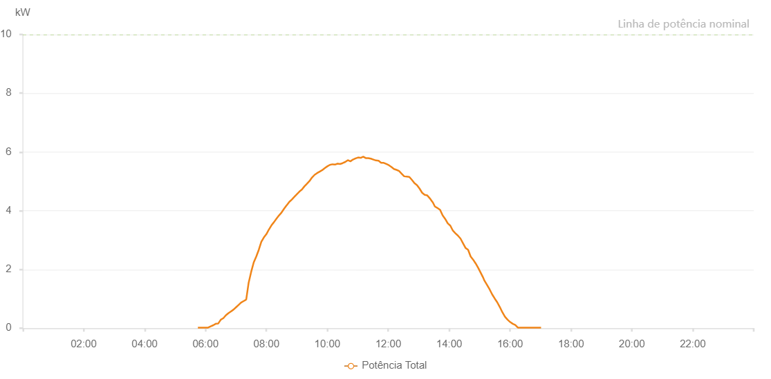

Number | Time | Working State | Alarm Code | Total Inverter Power(W)
1 | 03/07/2022 05:45:01 (UTC-4:00) | Normal |  | 20.000
2 | 03/07/2022 05:50:00 (UTC-4:00) | Normal |  | 20.000
3 | 03/07/2022 05:54:59 (UTC-4:00) | Normal |  | 20.000
4 | 03/07/2022 06:00:01 (UTC-4:00) | Normal |  | 20.000
5 | 03/07/2022 06:05:03 (UTC-4:00) | Normal |  | 20.000
6 | 03/07/2022 06:10:05 (UTC-4:00) | Normal |  | 60.000
7 | 03/07/2022 06:15:12 (UTC-4:00) | Normal |  | 100.000
8 | 03/07/2022 06:20:12 (UTC-4:00) | Normal |  | 150.000
9 | 03/07/2022 06:20:27 (UTC-4:00) | Normal |  | 150.000
10 | 03/07/2022 06:25:10 (UTC-4:00) | Normal |  | 160.000
11 | 03/07/2022 06:30:09 (UTC-4:00) | Normal |  | 290.000
12 | 03/07/2022 06:35:08 (UTC-4:00) | Normal |  | 340.000
13 | 03/07/2022 06:40:10 (UTC-4:00) | Normal |  | 440.000
14 | 03/07/2022 06:45:05 (UTC-4:00) | Normal |  | 510.000
15 | 03/07/2022 06:50:04 (UTC-4:00) | Normal |  | 570.000
16 | 03/07/2022 06:55:03 (UTC-4:00) | Normal |  | 630.000
17 | 03/07/2022 07:00:02 (UTC-4:00) | Normal |  | 710.000
18 | 03/07/2022 07:05:01 (UTC-4:00) | Normal |  | 790.000
19 | 03/07/2022 07:10:00 (UTC-4:00) | Normal |  | 870.000
20 | 03/07/2022 07:14:58 (UTC-4:00) | Normal |  | 920.000
21 | 03/07/2022 07:19:58 (UTC-4:00) | Normal |  | 970.000
22 | 03/07/2022 07:20:09 (UTC-4:00) | Normal |  | 970.000
23 | 03/07/2022 07:25:01 (UTC-4:00) | Normal |  | 1550.000
24 | 03/07/2022 07:30:00 (UTC-4:00) | Normal |  | 1920.000
25 | 03/07/2022 07:35:01 (UTC-4:00) | Normal |  | 2240.000
26 | 03/07/2022 07:40:01 (UTC-4:00) | Normal |  | 2440.000
27 | 03/07/2022 07:44:59 (UTC-4:00) | Normal |  | 2670.000
28 | 03/07/2022 07:49:58 (UTC-4:00) | Normal |  | 2940.000
29 | 03/07/2022 07:54:57 (UTC-4:00) | Normal |  | 3090.000
30 | 03/07/2022 07:59:56 (UTC-4:00) | Normal |  | 3200.000
31 | 03/07/2022 08:04:54 (UTC-4:00) | Normal |  | 3360.000
32 | 03/07/2022 08:09:53 (UTC-4:00) | Normal |  | 3500.000
33 | 03/07/2022 08:14:52 (UTC-4:00) | Normal |  | 3610.000
34 | 03/07/2022 08:19:52 (UTC-4:00) | Normal |  | 3730.000
35 | 03/07/2022 08:24:50 (UTC-4:00) | Normal |  | 3840.000
36 | 03/07/2022 08:29:52 (UTC-4:00) | Normal |  | 3940.000
37 | 03/07/2022 08:34:57 (UTC-4:00) | Normal |  | 4070.000
38 | 03/07/2022 08:40:00 (UTC-4:00) | Normal |  | 4190.000
39 | 03/07/2022 08:40:12 (UTC-4:00) | Normal |  | 4190.000
40 | 03/07/2022 08:45:02 (UTC-4:00) | Normal |  | 4300.000
41 | 03/07/2022 08:50:01 (UTC-4:00) | Normal |  | 4380.000
42 | 03/07/2022 08:55:00 (UTC-4:00) | Normal |  | 4470.000
43 | 03/07/2022 08:59:58 (UTC-4:00) | Normal |  | 4560.000
44 | 03/07/2022 09:04:57 (UTC-4:00) | Normal |  | 4650.000
45 | 03/07/2022 09:09:56 (UTC-4:00) | Normal |  | 4720.000
46 | 03/07/2022 09:14:55 (UTC-4:00) | Normal |  | 4830.000
47 | 03/07/2022 09:19:54 (UTC-4:00) | Normal |  | 4920.000
48 | 03/07/2022 09:24:53 (UTC-4:00) | Normal |  | 5010.000
49 | 03/07/2022 09:29:52 (UTC-4:00) | Normal |  | 5130.000
50 | 03/07/2022 09:34:51 (UTC-4:00) | Normal |  | 5220.000
51 | 03/07/2022 09:39:49 (UTC-4:00) | Normal |  | 5280.000
52 | 03/07/2022 09:44:49 (UTC-4:00) | Normal |  | 5330.000
53 | 03/07/2022 09:49:52 (UTC-4:00) | Normal |  | 5380.000
54 | 03/07/2022 09:54:55 (UTC-4:00) | Normal |  | 5450.000
55 | 03/07/2022 09:59:58 (UTC-4:00) | Normal |  | 5510.000
56 | 03/07/2022 10:05:01 (UTC-4:00) | Normal |  | 5560.000
57 | 03/07/2022 10:10:04 (UTC-4:00) | Normal |  | 5580.000
58 | 03/07/2022 10:15:07 (UTC-4:00) | Normal |  | 5570.000
59 | 03/07/2022 10:20:11 (UTC-4:00) | Normal |  | 5600.000
60 | 03/07/2022 10:25:13 (UTC-4:00) | Normal |  | 5590.000
61 | 03/07/2022 10:30:16 (UTC-4:00) | Normal |  | 5620.000
62 | 03/07/2022 10:35:19 (UTC-4:00) | Normal |  | 5660.000
63 | 03/07/2022 10:40:21 (UTC-4:00) | Normal |  | 5720.000
64 | 03/07/2022 10:45:24 (UTC-4:00) | Normal |  | 5680.000
65 | 03/07/2022 10:50:27 (UTC-4:00) | Normal |  | 5740.000
66 | 03/07/2022 10:55:30 (UTC-4:00) | Normal |  | 5780.000
67 | 03/07/2022 11:00:34 (UTC-4:00) | Normal |  | 5810.000
68 | 03/07/2022 11:05:40 (UTC-4:00) | Normal |  | 5800.000
69 | 03/07/2022 11:10:43 (UTC-4:00) | Normal |  | 5840.000
70 | 03/07/2022 11:15:42 (UTC-4:00) | Normal |  | 5790.000
71 | 03/07/2022 11:20:46 (UTC-4:00) | Normal |  | 5790.000
72 | 03/07/2022 11:25:48 (UTC-4:00) | Normal |  | 5770.000
73 | 03/07/2022 11:30:51 (UTC-4:00) | Normal |  | 5740.000
74 | 03/07/2022 11:35:54 (UTC-4:00) | Normal |  | 5710.000
75 | 03/07/2022 11:40:57 (UTC-4:00) | Normal |  | 5700.000
76 | 03/07/2022 11:45:59 (UTC-4:00) | Normal |  | 5630.000
77 | 03/07/2022 11:51:04 (UTC-4:00) | Normal |  | 5630.000
78 | 03/07/2022 11:56:07 (UTC-4:00) | Normal |  | 5590.000
79 | 03/07/2022 12:01:08 (UTC-4:00) | Normal |  | 5550.000
80 | 03/07/2022 12:06:10 (UTC-4:00) | Normal |  | 5490.000
81 | 03/07/2022 12:11:14 (UTC-4:00) | Normal |  | 5420.000
82 | 03/07/2022 12:16:17 (UTC-4:00) | Normal |  | 5390.000
83 | 03/07/2022 12:21:20 (UTC-4:00) | Normal |  | 5350.000
84 | 03/07/2022 12:26:23 (UTC-4:00) | Normal |  | 5260.000
85 | 03/07/2022 12:31:26 (UTC-4:00) | Normal |  | 5170.000
86 | 03/07/2022 12:36:29 (UTC-4:00) | Normal |  | 5160.000
87 | 03/07/2022 12:41:31 (UTC-4:00) | Normal |  | 5150.000
88 | 03/07/2022 12:46:34 (UTC-4:00) | Normal |  | 5050.000
89 | 03/07/2022 12:51:38 (UTC-4:00) | Normal |  | 4940.000
90 | 03/07/2022 12:56:42 (UTC-4:00) | Normal |  | 4870.000
91 | 03/07/2022 13:01:45 (UTC-4:00) | Normal |  | 4750.000
92 | 03/07/2022 13:06:47 (UTC-4:00) | Normal |  | 4610.000
93 | 03/07/2022 13:11:49 (UTC-4:00) | Normal |  | 4540.000
94 | 03/07/2022 13:16:52 (UTC-4:00) | Normal |  | 4520.000
95 | 03/07/2022 13:21:55 (UTC-4:00) | Normal |  | 4420.000
96 | 03/07/2022 13:26:56 (UTC-4:00) | Normal |  | 4300.000
97 | 03/07/2022 13:27:21 (UTC-4:00) | Normal |  | 4300.000
98 | 03/07/2022 13:31:59 (UTC-4:00) | Normal |  | 4140.000
99 | 03/07/2022 13:37:02 (UTC-4:00) | Normal |  | 4090.000
100 | 03/07/2022 13:37:13 (UTC-4:00) | Normal |  | 4090.000
101 | 03/07/2022 13:42:07 (UTC-4:00) | Normal |  | 4030.000
102 | 03/07/2022 13:47:08 (UTC-4:00) | Normal |  | 3840.000
103 | 03/07/2022 13:47:09 (UTC-4:00) | Normal |  | 3840.000
104 | 03/07/2022 13:52:11 (UTC-4:00) | Normal |  | 3720.000
105 | 03/07/2022 13:57:14 (UTC-4:00) | Normal |  | 3570.000
106 | 03/07/2022 14:02:19 (UTC-4:00) | Normal |  | 3490.000
107 | 03/07/2022 14:07:23 (UTC-4:00) | Normal |  | 3320.000
108 | 03/07/2022 14:12:24 (UTC-4:00) | Normal |  | 3230.000
109 | 03/07/2022 14:17:22 (UTC-4:00) | Normal |  | 3150.000
110 | 03/07/2022 14:22:23 (UTC-4:00) | Normal |  | 3050.000
111 | 03/07/2022 14:27:21 (UTC-4:00) | Normal |  | 2890.000
112 | 03/07/2022 14:32:20 (UTC-4:00) | Normal |  | 2730.000
113 | 03/07/2022 14:37:19 (UTC-4:00) | Normal |  | 2670.000
114 | 03/07/2022 14:42:21 (UTC-4:00) | Normal |  | 2440.000
115 | 03/07/2022 14:47:21 (UTC-4:00) | Normal |  | 2330.000
116 | 03/07/2022 14:52:20 (UTC-4:00) | Normal |  | 2200.000
117 | 03/07/2022 14:57:19 (UTC-4:00) | Normal |  | 2050.000
118 | 03/07/2022 15:02:21 (UTC-4:00) | Normal |  | 1880.000
119 | 03/07/2022 15:07:19 (UTC-4:00) | Normal |  | 1710.000
120 | 03/07/2022 15:09:27 (UTC-4:00) | Normal |  | 1620.000
121 | 03/07/2022 15:14:45 (UTC-4:00) | Normal |  | 1470.000
122 | 03/07/2022 15:19:45 (UTC-4:00) | Normal |  | 1320.000
123 | 03/07/2022 15:24:46 (UTC-4:00) | Normal |  | 1150.000
124 | 03/07/2022 15:29:46 (UTC-4:00) | Normal |  | 1010.000
125 | 03/07/2022 15:34:47 (UTC-4:00) | Normal |  | 880.000
126 | 03/07/2022 15:39:48 (UTC-4:00) | Normal |  | 720.000
127 | 03/07/2022 15:44:53 (UTC-4:00) | Normal |  | 540.000
128 | 03/07/2022 15:49:57 (UTC-4:00) | Normal |  | 390.000
129 | 03/07/2022 15:55:02 (UTC-4:00) | Normal |  | 290.000
130 | 03/07/2022 16:00:07 (UTC-4:00) | Normal |  | 210.000
131 | 03/07/2022 16:05:15 (UTC-4:00) | Normal |  | 150.000
132 | 03/07/2022 16:10:17 (UTC-4:00) | Normal |  | 110.000
133 | 03/07/2022 16:15:21 (UTC-4:00) | Normal |  | 20.000
134 | 03/07/2022 16:20:25 (UTC-4:00) | Normal |  | 20.000
135 | 03/07/2022 16:25:32 (UTC-4:00) | Normal |  | 20.000
136 | 03/07/2022 16:30:36 (UTC-4:00) | Normal |  | 20.000
137 | 03/07/2022 16:35:40 (UTC-4:00) | Normal |  | 20.000
138 | 03/07/2022 16:40:45 (UTC-4:00) | Normal |  | 20.000
139 | 03/07/2022 16:45:50 (UTC-4:00) | Normal |  | 20.000
140 | 03/07/2022 16:50:53 (UTC-4:00) | Normal |  | 20.000
141 | 03/07/2022 16:56:00 (UTC-4:00) | Normal |  | 20.000
142 | 03/07/2022 17:01:03 (UTC-4:00) | Normal |  | 20.000

