Inverter History Report__17-08-
Inverter History Report_04/07/2022_Report

Inverter SN:054B7020C020044 |  | Inverter type:B7
Collector SN:4045086367 |  | Full Load Hours(h):3.74
Rated Power:10000Wp

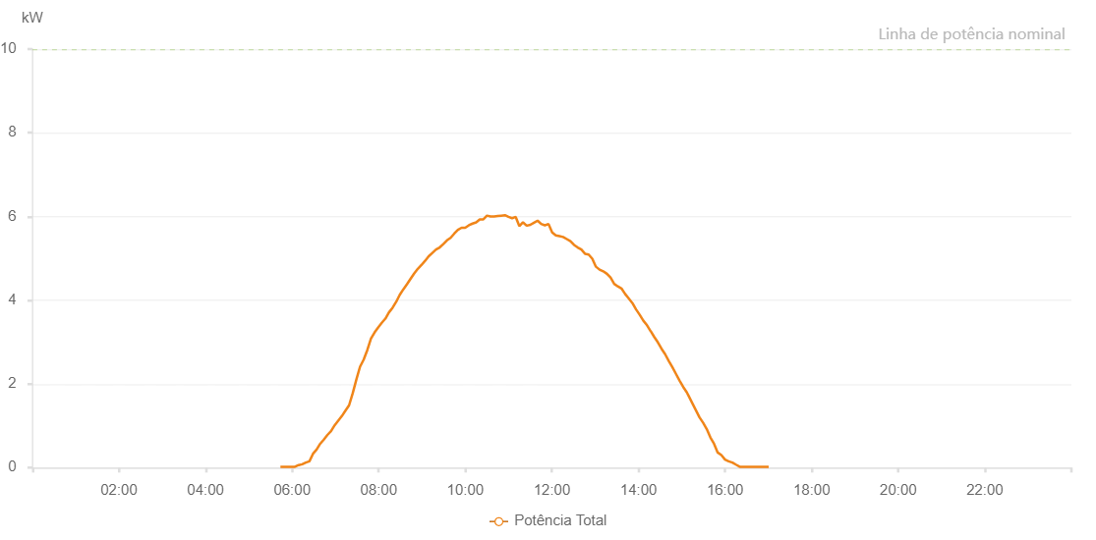

Number | Time | Working State | Alarm Code | Total Inverter Power(W)
1 | 04/07/2022 05:43:46 (UTC-4:00) | Normal |  | 20.000
2 | 04/07/2022 05:48:46 (UTC-4:00) | Normal |  | 20.000
3 | 04/07/2022 05:53:45 (UTC-4:00) | Normal |  | 20.000
4 | 04/07/2022 05:58:48 (UTC-4:00) | Normal |  | 20.000
5 | 04/07/2022 06:03:51 (UTC-4:00) | Normal |  | 20.000
6 | 04/07/2022 06:08:58 (UTC-4:00) | Normal |  | 60.000
7 | 04/07/2022 06:09:08 (UTC-4:00) | Normal |  | 60.000
8 | 04/07/2022 06:13:56 (UTC-4:00) | Normal |  | 80.000
9 | 04/07/2022 06:18:56 (UTC-4:00) | Normal |  | 120.000
10 | 04/07/2022 06:23:56 (UTC-4:00) | Normal |  | 150.000
11 | 04/07/2022 06:28:55 (UTC-4:00) | Normal |  | 330.000
12 | 04/07/2022 06:33:54 (UTC-4:00) | Normal |  | 430.000
13 | 04/07/2022 06:38:55 (UTC-4:00) | Normal |  | 570.000
14 | 04/07/2022 06:43:54 (UTC-4:00) | Normal |  | 670.000
15 | 04/07/2022 06:48:54 (UTC-4:00) | Normal |  | 780.000
16 | 04/07/2022 06:53:53 (UTC-4:00) | Normal |  | 870.000
17 | 04/07/2022 06:58:53 (UTC-4:00) | Normal |  | 1010.000
18 | 04/07/2022 07:03:51 (UTC-4:00) | Normal |  | 1120.000
19 | 04/07/2022 07:08:52 (UTC-4:00) | Normal |  | 1230.000
20 | 04/07/2022 07:13:53 (UTC-4:00) | Normal |  | 1360.000
21 | 04/07/2022 07:18:58 (UTC-4:00) | Normal |  | 1490.000
22 | 04/07/2022 07:24:01 (UTC-4:00) | Normal |  | 1780.000
23 | 04/07/2022 07:29:05 (UTC-4:00) | Normal |  | 2110.000
24 | 04/07/2022 07:34:06 (UTC-4:00) | Normal |  | 2410.000
25 | 04/07/2022 07:39:10 (UTC-4:00) | Normal |  | 2580.000
26 | 04/07/2022 07:44:13 (UTC-4:00) | Normal |  | 2810.000
27 | 04/07/2022 07:49:14 (UTC-4:00) | Normal |  | 3080.000
28 | 04/07/2022 07:54:17 (UTC-4:00) | Normal |  | 3230.000
29 | 04/07/2022 07:59:16 (UTC-4:00) | Normal |  | 3350.000
30 | 04/07/2022 08:04:15 (UTC-4:00) | Normal |  | 3460.000
31 | 04/07/2022 08:09:14 (UTC-4:00) | Normal |  | 3560.000
32 | 04/07/2022 08:14:13 (UTC-4:00) | Normal |  | 3710.000
33 | 04/07/2022 08:19:12 (UTC-4:00) | Normal |  | 3820.000
34 | 04/07/2022 08:24:11 (UTC-4:00) | Normal |  | 3960.000
35 | 04/07/2022 08:29:10 (UTC-4:00) | Normal |  | 4130.000
36 | 04/07/2022 08:34:09 (UTC-4:00) | Normal |  | 4260.000
37 | 04/07/2022 08:39:08 (UTC-4:00) | Normal |  | 4380.000
38 | 04/07/2022 08:44:07 (UTC-4:00) | Normal |  | 4510.000
39 | 04/07/2022 08:49:10 (UTC-4:00) | Normal |  | 4640.000
40 | 04/07/2022 08:54:09 (UTC-4:00) | Normal |  | 4750.000
41 | 04/07/2022 08:59:11 (UTC-4:00) | Normal |  | 4840.000
42 | 04/07/2022 09:04:13 (UTC-4:00) | Normal |  | 4940.000
43 | 04/07/2022 09:09:17 (UTC-4:00) | Normal |  | 5050.000
44 | 04/07/2022 09:14:20 (UTC-4:00) | Normal |  | 5130.000
45 | 04/07/2022 09:19:23 (UTC-4:00) | Normal |  | 5210.000
46 | 04/07/2022 09:24:26 (UTC-4:00) | Normal |  | 5260.000
47 | 04/07/2022 09:29:30 (UTC-4:00) | Normal |  | 5340.000
48 | 04/07/2022 09:34:33 (UTC-4:00) | Normal |  | 5430.000
49 | 04/07/2022 09:39:36 (UTC-4:00) | Normal |  | 5490.000
50 | 04/07/2022 09:44:39 (UTC-4:00) | Normal |  | 5590.000
51 | 04/07/2022 09:49:42 (UTC-4:00) | Normal |  | 5680.000
52 | 04/07/2022 09:54:45 (UTC-4:00) | Normal |  | 5730.000
53 | 04/07/2022 09:59:49 (UTC-4:00) | Normal |  | 5730.000
54 | 04/07/2022 10:04:56 (UTC-4:00) | Normal |  | 5790.000
55 | 04/07/2022 10:09:59 (UTC-4:00) | Normal |  | 5830.000
56 | 04/07/2022 10:15:01 (UTC-4:00) | Normal |  | 5860.000
57 | 04/07/2022 10:20:01 (UTC-4:00) | Normal |  | 5930.000
58 | 04/07/2022 10:24:59 (UTC-4:00) | Normal |  | 5930.000
59 | 04/07/2022 10:30:00 (UTC-4:00) | Normal |  | 6020.000
60 | 04/07/2022 10:34:57 (UTC-4:00) | Normal |  | 6000.000
61 | 04/07/2022 10:40:02 (UTC-4:00) | Normal |  | 6000.000
62 | 04/07/2022 10:44:55 (UTC-4:00) | Normal |  | 6010.000
63 | 04/07/2022 10:49:55 (UTC-4:00) | Normal |  | 6020.000
64 | 04/07/2022 10:54:55 (UTC-4:00) | Normal |  | 6030.000
65 | 04/07/2022 10:59:54 (UTC-4:00) | Normal |  | 5990.000
66 | 04/07/2022 11:04:53 (UTC-4:00) | Normal |  | 5960.000
67 | 04/07/2022 11:09:52 (UTC-4:00) | Normal |  | 5990.000
68 | 04/07/2022 11:14:52 (UTC-4:00) | Normal |  | 5770.000
69 | 04/07/2022 11:19:55 (UTC-4:00) | Normal |  | 5860.000
70 | 04/07/2022 11:25:05 (UTC-4:00) | Normal |  | 5780.000
71 | 04/07/2022 11:30:04 (UTC-4:00) | Normal |  | 5800.000
72 | 04/07/2022 11:35:07 (UTC-4:00) | Normal |  | 5850.000
73 | 04/07/2022 11:40:11 (UTC-4:00) | Normal |  | 5900.000
74 | 04/07/2022 11:45:13 (UTC-4:00) | Normal |  | 5820.000
75 | 04/07/2022 11:50:16 (UTC-4:00) | Normal |  | 5790.000
76 | 04/07/2022 11:55:21 (UTC-4:00) | Normal |  | 5820.000
77 | 04/07/2022 12:00:23 (UTC-4:00) | Normal |  | 5620.000
78 | 04/07/2022 12:05:26 (UTC-4:00) | Normal |  | 5550.000
79 | 04/07/2022 12:10:29 (UTC-4:00) | Normal |  | 5530.000
80 | 04/07/2022 12:15:32 (UTC-4:00) | Normal |  | 5510.000
81 | 04/07/2022 12:20:37 (UTC-4:00) | Normal |  | 5460.000
82 | 04/07/2022 12:25:39 (UTC-4:00) | Normal |  | 5410.000
83 | 04/07/2022 12:30:42 (UTC-4:00) | Normal |  | 5320.000
84 | 04/07/2022 12:35:45 (UTC-4:00) | Normal |  | 5260.000
85 | 04/07/2022 12:40:49 (UTC-4:00) | Normal |  | 5210.000
86 | 04/07/2022 12:45:51 (UTC-4:00) | Normal |  | 5110.000
87 | 04/07/2022 12:50:55 (UTC-4:00) | Normal |  | 5090.000
88 | 04/07/2022 12:55:59 (UTC-4:00) | Normal |  | 4990.000
89 | 04/07/2022 13:01:01 (UTC-4:00) | Normal |  | 4800.000
90 | 04/07/2022 13:06:04 (UTC-4:00) | Normal |  | 4730.000
91 | 04/07/2022 13:11:07 (UTC-4:00) | Normal |  | 4690.000
92 | 04/07/2022 13:16:16 (UTC-4:00) | Normal |  | 4630.000
93 | 04/07/2022 13:21:16 (UTC-4:00) | Normal |  | 4540.000
94 | 04/07/2022 13:26:19 (UTC-4:00) | Normal |  | 4390.000
95 | 04/07/2022 13:31:21 (UTC-4:00) | Normal |  | 4330.000
96 | 04/07/2022 13:36:25 (UTC-4:00) | Normal |  | 4280.000
97 | 04/07/2022 13:41:27 (UTC-4:00) | Normal |  | 4150.000
98 | 04/07/2022 13:46:30 (UTC-4:00) | Normal |  | 4040.000
99 | 04/07/2022 13:51:34 (UTC-4:00) | Normal |  | 3930.000
100 | 04/07/2022 13:56:37 (UTC-4:00) | Normal |  | 3780.000
101 | 04/07/2022 14:01:41 (UTC-4:00) | Normal |  | 3650.000
102 | 04/07/2022 14:06:45 (UTC-4:00) | Normal |  | 3510.000
103 | 04/07/2022 14:11:50 (UTC-4:00) | Normal |  | 3400.000
104 | 04/07/2022 14:16:52 (UTC-4:00) | Normal |  | 3260.000
105 | 04/07/2022 14:17:03 (UTC-4:00) | Normal |  | 3260.000
106 | 04/07/2022 14:21:54 (UTC-4:00) | Normal |  | 3120.000
107 | 04/07/2022 14:26:57 (UTC-4:00) | Normal |  | 2990.000
108 | 04/07/2022 14:31:56 (UTC-4:00) | Normal |  | 2840.000
109 | 04/07/2022 14:36:56 (UTC-4:00) | Normal |  | 2710.000
110 | 04/07/2022 14:41:55 (UTC-4:00) | Normal |  | 2550.000
111 | 04/07/2022 14:46:54 (UTC-4:00) | Normal |  | 2400.000
112 | 04/07/2022 14:51:53 (UTC-4:00) | Normal |  | 2240.000
113 | 04/07/2022 14:56:52 (UTC-4:00) | Normal |  | 2080.000
114 | 04/07/2022 15:01:51 (UTC-4:00) | Normal |  | 1930.000
115 | 04/07/2022 15:06:52 (UTC-4:00) | Normal |  | 1800.000
116 | 04/07/2022 15:09:16 (UTC-4:00) | Normal |  | 1720.000
117 | 04/07/2022 15:14:34 (UTC-4:00) | Normal |  | 1540.000
118 | 04/07/2022 15:19:35 (UTC-4:00) | Normal |  | 1370.000
119 | 04/07/2022 15:24:36 (UTC-4:00) | Normal |  | 1200.000
120 | 04/07/2022 15:29:37 (UTC-4:00) | Normal |  | 1070.000
121 | 04/07/2022 15:34:38 (UTC-4:00) | Normal |  | 920.000
122 | 04/07/2022 15:39:39 (UTC-4:00) | Normal |  | 720.000
123 | 04/07/2022 15:44:41 (UTC-4:00) | Normal |  | 570.000
124 | 04/07/2022 15:49:46 (UTC-4:00) | Normal |  | 360.000
125 | 04/07/2022 15:54:51 (UTC-4:00) | Normal |  | 300.000
126 | 04/07/2022 15:59:57 (UTC-4:00) | Normal |  | 190.000
127 | 04/07/2022 16:05:01 (UTC-4:00) | Normal |  | 150.000
128 | 04/07/2022 16:10:06 (UTC-4:00) | Normal |  | 120.000
129 | 04/07/2022 16:15:10 (UTC-4:00) | Normal |  | 70.000
130 | 04/07/2022 16:20:15 (UTC-4:00) | Normal |  | 20.000
131 | 04/07/2022 16:25:16 (UTC-4:00) | Normal |  | 20.000
132 | 04/07/2022 16:30:17 (UTC-4:00) | Normal |  | 20.000
133 | 04/07/2022 16:35:18 (UTC-4:00) | Normal |  | 20.000
134 | 04/07/2022 16:40:20 (UTC-4:00) | Normal |  | 20.000
135 | 04/07/2022 16:45:20 (UTC-4:00) | Normal |  | 20.000
136 | 04/07/2022 16:50:22 (UTC-4:00) | Normal |  | 20.000
137 | 04/07/2022 16:55:23 (UTC-4:00) | Normal |  | 20.000
138 | 04/07/2022 17:00:24 (UTC-4:00) | Normal |  | 20.000

