Inverter History Report__17-08-
Inverter History Report_05/07/2022_Report

Inverter SN:054B7020C020044 |  | Inverter type:B7
Collector SN:4045086367 |  | Full Load Hours(h):3.85
Rated Power:10000Wp

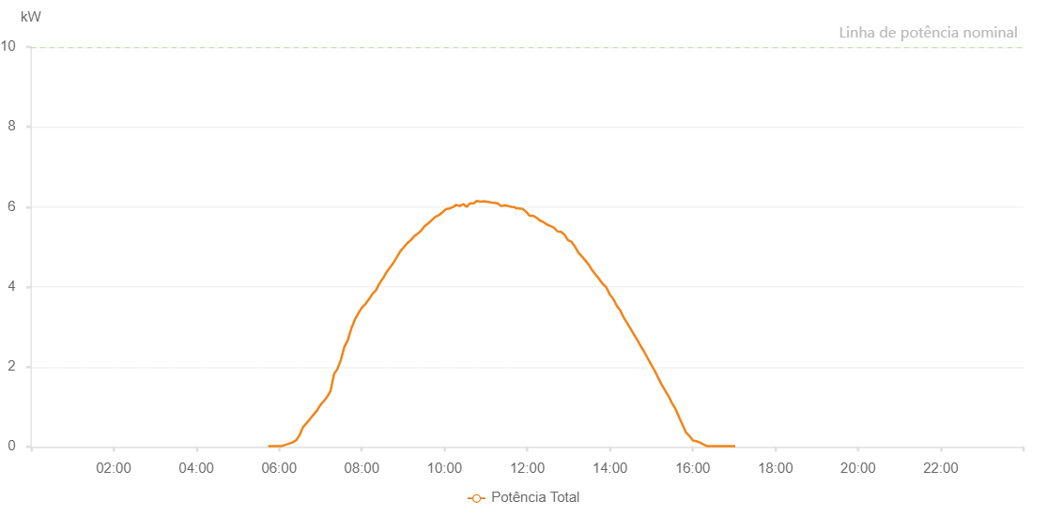

Number | Time | Working State | Alarm Code | Total Inverter Power(W)
1 | 05/07/2022 05:44:10 (UTC-4:00) | Normal |  | 20.000
2 | 05/07/2022 05:49:10 (UTC-4:00) | Normal |  | 20.000
3 | 05/07/2022 05:54:10 (UTC-4:00) | Normal |  | 20.000
4 | 05/07/2022 05:59:13 (UTC-4:00) | Normal |  | 20.000
5 | 05/07/2022 06:04:18 (UTC-4:00) | Normal |  | 20.000
6 | 05/07/2022 06:09:22 (UTC-4:00) | Normal |  | 50.000
7 | 05/07/2022 06:14:26 (UTC-4:00) | Normal |  | 80.000
8 | 05/07/2022 06:19:30 (UTC-4:00) | Normal |  | 110.000
9 | 05/07/2022 06:24:34 (UTC-4:00) | Normal |  | 160.000
10 | 05/07/2022 06:29:38 (UTC-4:00) | Normal |  | 290.000
11 | 05/07/2022 06:34:42 (UTC-4:00) | Normal |  | 490.000
12 | 05/07/2022 06:39:42 (UTC-4:00) | Normal |  | 590.000
13 | 05/07/2022 06:44:42 (UTC-4:00) | Normal |  | 690.000
14 | 05/07/2022 06:49:46 (UTC-4:00) | Normal |  | 800.000
15 | 05/07/2022 06:54:45 (UTC-4:00) | Normal |  | 900.000
16 | 05/07/2022 06:59:45 (UTC-4:00) | Normal |  | 1040.000
17 | 05/07/2022 07:04:45 (UTC-4:00) | Normal |  | 1140.000
18 | 05/07/2022 07:09:45 (UTC-4:00) | Normal |  | 1250.000
19 | 05/07/2022 07:14:45 (UTC-4:00) | Normal |  | 1400.000
20 | 05/07/2022 07:19:47 (UTC-4:00) | Normal |  | 1820.000
21 | 05/07/2022 07:24:47 (UTC-4:00) | Normal |  | 1950.000
22 | 05/07/2022 07:29:46 (UTC-4:00) | Normal |  | 2180.000
23 | 05/07/2022 07:34:47 (UTC-4:00) | Normal |  | 2500.000
24 | 05/07/2022 07:39:49 (UTC-4:00) | Normal |  | 2670.000
25 | 05/07/2022 07:44:53 (UTC-4:00) | Normal |  | 2960.000
26 | 05/07/2022 07:49:57 (UTC-4:00) | Normal |  | 3180.000
27 | 05/07/2022 07:55:02 (UTC-4:00) | Normal |  | 3340.000
28 | 05/07/2022 08:00:09 (UTC-4:00) | Normal |  | 3480.000
29 | 05/07/2022 08:05:12 (UTC-4:00) | Normal |  | 3570.000
30 | 05/07/2022 08:10:14 (UTC-4:00) | Normal |  | 3690.000
31 | 05/07/2022 08:10:25 (UTC-4:00) | Normal |  | 3690.000
32 | 05/07/2022 08:15:20 (UTC-4:00) | Normal |  | 3820.000
33 | 05/07/2022 08:20:22 (UTC-4:00) | Normal |  | 3910.000
34 | 05/07/2022 08:25:26 (UTC-4:00) | Normal |  | 4080.000
35 | 05/07/2022 08:30:31 (UTC-4:00) | Normal |  | 4210.000
36 | 05/07/2022 08:30:42 (UTC-4:00) | Normal |  | 4210.000
37 | 05/07/2022 08:35:37 (UTC-4:00) | Normal |  | 4360.000
38 | 05/07/2022 08:40:41 (UTC-4:00) | Normal |  | 4480.000
39 | 05/07/2022 08:45:46 (UTC-4:00) | Normal |  | 4600.000
40 | 05/07/2022 08:50:49 (UTC-4:00) | Normal |  | 4740.000
41 | 05/07/2022 08:55:54 (UTC-4:00) | Normal |  | 4890.000
42 | 05/07/2022 09:00:59 (UTC-4:00) | Normal |  | 4990.000
43 | 05/07/2022 09:06:03 (UTC-4:00) | Normal |  | 5090.000
44 | 05/07/2022 09:11:07 (UTC-4:00) | Normal |  | 5170.000
45 | 05/07/2022 09:16:12 (UTC-4:00) | Normal |  | 5270.000
46 | 05/07/2022 09:21:18 (UTC-4:00) | Normal |  | 5330.000
47 | 05/07/2022 09:26:20 (UTC-4:00) | Normal |  | 5410.000
48 | 05/07/2022 09:31:23 (UTC-4:00) | Normal |  | 5520.000
49 | 05/07/2022 09:36:28 (UTC-4:00) | Normal |  | 5590.000
50 | 05/07/2022 09:41:32 (UTC-4:00) | Normal |  | 5670.000
51 | 05/07/2022 09:46:36 (UTC-4:00) | Normal |  | 5750.000
52 | 05/07/2022 09:51:40 (UTC-4:00) | Normal |  | 5790.000
53 | 05/07/2022 09:56:45 (UTC-4:00) | Normal |  | 5860.000
54 | 05/07/2022 10:01:48 (UTC-4:00) | Normal |  | 5940.000
55 | 05/07/2022 10:06:52 (UTC-4:00) | Normal |  | 5960.000
56 | 05/07/2022 10:11:56 (UTC-4:00) | Normal |  | 5990.000
57 | 05/07/2022 10:17:01 (UTC-4:00) | Normal |  | 6050.000
58 | 05/07/2022 10:22:04 (UTC-4:00) | Normal |  | 6020.000
59 | 05/07/2022 10:27:08 (UTC-4:00) | Normal |  | 6070.000
60 | 05/07/2022 10:32:08 (UTC-4:00) | Normal |  | 6000.000
61 | 05/07/2022 10:37:08 (UTC-4:00) | Normal |  | 6090.000
62 | 05/07/2022 10:42:10 (UTC-4:00) | Normal |  | 6090.000
63 | 05/07/2022 10:47:10 (UTC-4:00) | Normal |  | 6150.000
64 | 05/07/2022 10:52:10 (UTC-4:00) | Normal |  | 6130.000
65 | 05/07/2022 10:57:10 (UTC-4:00) | Normal |  | 6140.000
66 | 05/07/2022 11:02:10 (UTC-4:00) | Normal |  | 6130.000
67 | 05/07/2022 11:07:10 (UTC-4:00) | Normal |  | 6110.000
68 | 05/07/2022 11:12:10 (UTC-4:00) | Normal |  | 6100.000
69 | 05/07/2022 11:17:10 (UTC-4:00) | Normal |  | 6090.000
70 | 05/07/2022 11:22:12 (UTC-4:00) | Normal |  | 6020.000
71 | 05/07/2022 11:27:13 (UTC-4:00) | Normal |  | 6040.000
72 | 05/07/2022 11:32:17 (UTC-4:00) | Normal |  | 6020.000
73 | 05/07/2022 11:37:21 (UTC-4:00) | Normal |  | 6000.000
74 | 05/07/2022 11:42:26 (UTC-4:00) | Normal |  | 5990.000
75 | 05/07/2022 11:42:59 (UTC-4:00) | Normal |  | 5970.000
76 | 05/07/2022 11:48:18 (UTC-4:00) | Normal |  | 5960.000
77 | 05/07/2022 11:53:19 (UTC-4:00) | Normal |  | 5950.000
78 | 05/07/2022 11:58:19 (UTC-4:00) | Normal |  | 5880.000
79 | 05/07/2022 12:03:21 (UTC-4:00) | Normal |  | 5780.000
80 | 05/07/2022 12:08:21 (UTC-4:00) | Normal |  | 5780.000
81 | 05/07/2022 12:13:21 (UTC-4:00) | Normal |  | 5730.000
82 | 05/07/2022 12:18:23 (UTC-4:00) | Normal |  | 5660.000
83 | 05/07/2022 12:23:28 (UTC-4:00) | Normal |  | 5620.000
84 | 05/07/2022 12:28:32 (UTC-4:00) | Normal |  | 5560.000
85 | 05/07/2022 12:33:38 (UTC-4:00) | Normal |  | 5520.000
86 | 05/07/2022 12:38:42 (UTC-4:00) | Normal |  | 5480.000
87 | 05/07/2022 12:43:46 (UTC-4:00) | Normal |  | 5390.000
88 | 05/07/2022 12:48:50 (UTC-4:00) | Normal |  | 5380.000
89 | 05/07/2022 12:53:55 (UTC-4:00) | Normal |  | 5310.000
90 | 05/07/2022 12:59:00 (UTC-4:00) | Normal |  | 5170.000
91 | 05/07/2022 13:04:03 (UTC-4:00) | Normal |  | 5130.000
92 | 05/07/2022 13:09:08 (UTC-4:00) | Normal |  | 5010.000
93 | 05/07/2022 13:14:11 (UTC-4:00) | Normal |  | 4860.000
94 | 05/07/2022 13:19:15 (UTC-4:00) | Normal |  | 4760.000
95 | 05/07/2022 13:24:21 (UTC-4:00) | Normal |  | 4660.000
96 | 05/07/2022 13:29:24 (UTC-4:00) | Normal |  | 4550.000
97 | 05/07/2022 13:29:35 (UTC-4:00) | Normal |  | 4550.000
98 | 05/07/2022 13:34:27 (UTC-4:00) | Normal |  | 4410.000
99 | 05/07/2022 13:39:32 (UTC-4:00) | Normal |  | 4300.000
100 | 05/07/2022 13:44:37 (UTC-4:00) | Normal |  | 4190.000
101 | 05/07/2022 13:49:42 (UTC-4:00) | Normal |  | 4070.000
102 | 05/07/2022 13:54:45 (UTC-4:00) | Normal |  | 3990.000
103 | 05/07/2022 13:59:43 (UTC-4:00) | Normal |  | 3810.000
104 | 05/07/2022 14:04:43 (UTC-4:00) | Normal |  | 3700.000
105 | 05/07/2022 14:09:49 (UTC-4:00) | Normal |  | 3530.000
106 | 05/07/2022 14:14:44 (UTC-4:00) | Normal |  | 3420.000
107 | 05/07/2022 14:19:47 (UTC-4:00) | Normal |  | 3240.000
108 | 05/07/2022 14:24:44 (UTC-4:00) | Normal |  | 3100.000
109 | 05/07/2022 14:29:45 (UTC-4:00) | Normal |  | 2960.000
110 | 05/07/2022 14:34:45 (UTC-4:00) | Normal |  | 2810.000
111 | 05/07/2022 14:39:47 (UTC-4:00) | Normal |  | 2670.000
112 | 05/07/2022 14:44:57 (UTC-4:00) | Normal |  | 2510.000
113 | 05/07/2022 14:45:02 (UTC-4:00) | Normal |  | 2510.000
114 | 05/07/2022 14:49:53 (UTC-4:00) | Normal |  | 2370.000
115 | 05/07/2022 14:54:58 (UTC-4:00) | Normal |  | 2210.000
116 | 05/07/2022 15:00:03 (UTC-4:00) | Normal |  | 2050.000
117 | 05/07/2022 15:05:06 (UTC-4:00) | Normal |  | 1900.000
118 | 05/07/2022 15:10:11 (UTC-4:00) | Normal |  | 1720.000
119 | 05/07/2022 15:15:15 (UTC-4:00) | Normal |  | 1550.000
120 | 05/07/2022 15:20:19 (UTC-4:00) | Normal |  | 1400.000
121 | 05/07/2022 15:25:20 (UTC-4:00) | Normal |  | 1260.000
122 | 05/07/2022 15:30:20 (UTC-4:00) | Normal |  | 1080.000
123 | 05/07/2022 15:35:20 (UTC-4:00) | Normal |  | 940.000
124 | 05/07/2022 15:40:21 (UTC-4:00) | Normal |  | 740.000
125 | 05/07/2022 15:45:21 (UTC-4:00) | Normal |  | 550.000
126 | 05/07/2022 15:50:21 (UTC-4:00) | Normal |  | 360.000
127 | 05/07/2022 15:55:22 (UTC-4:00) | Normal |  | 270.000
128 | 05/07/2022 16:00:22 (UTC-4:00) | Normal |  | 160.000
129 | 05/07/2022 16:05:23 (UTC-4:00) | Normal |  | 140.000
130 | 05/07/2022 16:10:23 (UTC-4:00) | Normal |  | 110.000
131 | 05/07/2022 16:15:25 (UTC-4:00) | Normal |  | 60.000
132 | 05/07/2022 16:20:28 (UTC-4:00) | Normal |  | 20.000
133 | 05/07/2022 16:25:31 (UTC-4:00) | Normal |  | 20.000
134 | 05/07/2022 16:30:36 (UTC-4:00) | Normal |  | 20.000
135 | 05/07/2022 16:35:41 (UTC-4:00) | Normal |  | 20.000
136 | 05/07/2022 16:40:45 (UTC-4:00) | Normal |  | 20.000
137 | 05/07/2022 16:45:51 (UTC-4:00) | Normal |  | 20.000
138 | 05/07/2022 16:46:23 (UTC-4:00) | Normal |  | 20.000
139 | 05/07/2022 16:51:45 (UTC-4:00) | Normal |  | 20.000
140 | 05/07/2022 16:56:47 (UTC-4:00) | Normal |  | 20.000
141 | 05/07/2022 17:01:47 (UTC-4:00) | Normal |  | 20.000

