Inverter History Report__17-08-
Inverter History Report_07/07/2022_Report

Inverter SN:054B7020C020044 |  | Inverter type:B7
Collector SN:4045086367 |  | Full Load Hours(h):3.76
Rated Power:10000Wp

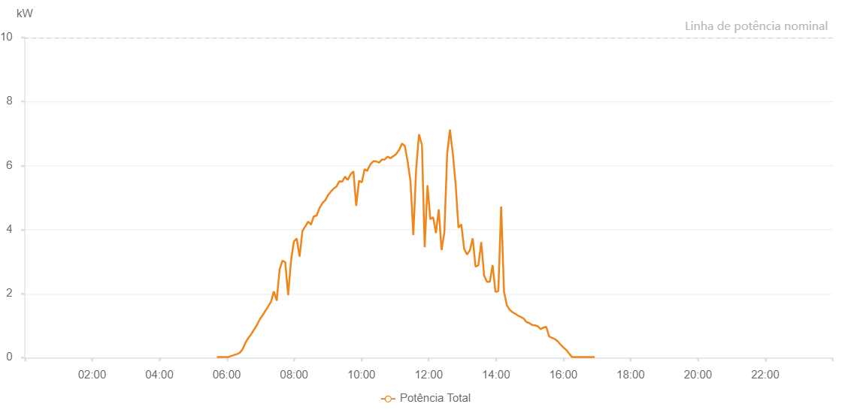

Number | Time | Working State | Alarm Code | Total Inverter Power(W)
1 | 07/07/2022 05:40:46 (UTC-4:00) | Normal |  | 20.000
2 | 07/07/2022 05:45:49 (UTC-4:00) | Normal |  | 20.000
3 | 07/07/2022 05:50:47 (UTC-4:00) | Normal |  | 20.000
4 | 07/07/2022 05:55:48 (UTC-4:00) | Normal |  | 20.000
5 | 07/07/2022 06:00:52 (UTC-4:00) | Normal |  | 20.000
6 | 07/07/2022 06:05:56 (UTC-4:00) | Normal |  | 70.000
7 | 07/07/2022 06:11:00 (UTC-4:00) | Normal |  | 150.000
8 | 07/07/2022 06:16:05 (UTC-4:00) | Normal |  | 220.000
9 | 07/07/2022 06:21:10 (UTC-4:00) | Normal |  | 370.000
10 | 07/07/2022 06:26:11 (UTC-4:00) | Normal |  | 460.000
11 | 07/07/2022 06:31:11 (UTC-4:00) | Normal |  | 490.000
12 | 07/07/2022 06:36:14 (UTC-4:00) | Normal |  | 630.000
13 | 07/07/2022 06:41:17 (UTC-4:00) | Normal |  | 690.000
14 | 07/07/2022 06:46:19 (UTC-4:00) | Normal |  | 820.000
15 | 07/07/2022 06:51:21 (UTC-4:00) | Normal |  | 1220.000
16 | 07/07/2022 06:56:22 (UTC-4:00) | Normal |  | 1400.000
17 | 07/07/2022 07:01:23 (UTC-4:00) | Normal |  | 1560.000
18 | 07/07/2022 07:06:24 (UTC-4:00) | Normal |  | 1630.000
19 | 07/07/2022 07:11:24 (UTC-4:00) | Normal |  | 1590.000
20 | 07/07/2022 07:16:26 (UTC-4:00) | Normal |  | 1620.000
21 | 07/07/2022 07:21:26 (UTC-4:00) | Normal |  | 1710.000
22 | 07/07/2022 07:26:27 (UTC-4:00) | Normal |  | 2230.000
23 | 07/07/2022 07:31:31 (UTC-4:00) | Normal |  | 2830.000
24 | 07/07/2022 07:36:35 (UTC-4:00) | Normal |  | 3160.000
25 | 07/07/2022 07:41:40 (UTC-4:00) | Normal |  | 3230.000
26 | 07/07/2022 07:46:45 (UTC-4:00) | Normal |  | 3530.000
27 | 07/07/2022 07:51:54 (UTC-4:00) | Normal |  | 3490.000
28 | 07/07/2022 07:56:58 (UTC-4:00) | Normal |  | 3630.000
29 | 07/07/2022 08:01:59 (UTC-4:00) | Normal |  | 3760.000
30 | 07/07/2022 08:07:04 (UTC-4:00) | Normal |  | 4010.000
31 | 07/07/2022 08:12:09 (UTC-4:00) | Normal |  | 4020.000
32 | 07/07/2022 08:17:10 (UTC-4:00) | Normal |  | 3880.000
33 | 07/07/2022 08:22:11 (UTC-4:00) | Normal |  | 3590.000
34 | 07/07/2022 08:27:14 (UTC-4:00) | Normal |  | 4290.000
35 | 07/07/2022 08:32:16 (UTC-4:00) | Normal |  | 3350.000
36 | 07/07/2022 08:37:18 (UTC-4:00) | Normal |  | 3050.000
37 | 07/07/2022 08:42:18 (UTC-4:00) | Normal |  | 2790.000
38 | 07/07/2022 08:47:19 (UTC-4:00) | Normal |  | 3650.000
39 | 07/07/2022 08:52:20 (UTC-4:00) | Normal |  | 4040.000
40 | 07/07/2022 08:57:21 (UTC-4:00) | Normal |  | 3720.000
41 | 07/07/2022 09:02:22 (UTC-4:00) | Normal |  | 4310.000
42 | 07/07/2022 09:07:22 (UTC-4:00) | Normal |  | 4900.000
43 | 07/07/2022 09:12:23 (UTC-4:00) | Normal |  | 3260.000
44 | 07/07/2022 09:17:28 (UTC-4:00) | Normal |  | 4100.000
45 | 07/07/2022 09:22:33 (UTC-4:00) | Fault | 1015 | 0.000
46 | 07/07/2022 09:27:37 (UTC-4:00) | Normal |  | 5240.000
47 | 07/07/2022 09:32:43 (UTC-4:00) | Normal |  | 5980.000
48 | 07/07/2022 09:37:47 (UTC-4:00) | Normal |  | 5730.000
49 | 07/07/2022 09:42:53 (UTC-4:00) | Normal |  | 5660.000
50 | 07/07/2022 09:47:56 (UTC-4:00) | Normal |  | 5220.000
51 | 07/07/2022 09:53:01 (UTC-4:00) | Normal |  | 5290.000
52 | 07/07/2022 09:58:08 (UTC-4:00) | Normal |  | 5780.000
53 | 07/07/2022 10:03:12 (UTC-4:00) | Normal |  | 5940.000
54 | 07/07/2022 10:08:16 (UTC-4:00) | Normal |  | 5960.000
55 | 07/07/2022 10:13:20 (UTC-4:00) | Normal |  | 6190.000
56 | 07/07/2022 10:18:25 (UTC-4:00) | Normal |  | 5870.000
57 | 07/07/2022 10:23:30 (UTC-4:00) | Normal |  | 6420.000
58 | 07/07/2022 10:28:35 (UTC-4:00) | Normal |  | 5620.000
59 | 07/07/2022 10:33:39 (UTC-4:00) | Normal |  | 5360.000
60 | 07/07/2022 10:33:50 (UTC-4:00) | Normal |  | 5360.000
61 | 07/07/2022 10:38:43 (UTC-4:00) | Normal |  | 6390.000
62 | 07/07/2022 10:43:47 (UTC-4:00) | Normal |  | 6250.000
63 | 07/07/2022 10:43:58 (UTC-4:00) | Normal |  | 6250.000
64 | 07/07/2022 10:48:48 (UTC-4:00) | Normal |  | 6300.000
65 | 07/07/2022 10:53:49 (UTC-4:00) | Normal |  | 6180.000
66 | 07/07/2022 10:58:50 (UTC-4:00) | Normal |  | 6300.000
67 | 07/07/2022 11:03:50 (UTC-4:00) | Normal |  | 6260.000
68 | 07/07/2022 11:08:51 (UTC-4:00) | Normal |  | 6250.000
69 | 07/07/2022 11:13:52 (UTC-4:00) | Normal |  | 5840.000
70 | 07/07/2022 11:18:54 (UTC-4:00) | Normal |  | 6300.000
71 | 07/07/2022 11:23:54 (UTC-4:00) | Normal |  | 5990.000
72 | 07/07/2022 11:28:55 (UTC-4:00) | Normal |  | 6410.000
73 | 07/07/2022 11:33:55 (UTC-4:00) | Normal |  | 5840.000
74 | 07/07/2022 11:38:56 (UTC-4:00) | Normal |  | 5860.000
75 | 07/07/2022 11:43:57 (UTC-4:00) | Normal |  | 6130.000
76 | 07/07/2022 11:49:01 (UTC-4:00) | Normal |  | 6130.000
77 | 07/07/2022 11:54:06 (UTC-4:00) | Normal |  | 6060.000
78 | 07/07/2022 11:54:31 (UTC-4:00) | Normal |  | 6060.000
79 | 07/07/2022 11:59:12 (UTC-4:00) | Normal |  | 5440.000
80 | 07/07/2022 12:04:17 (UTC-4:00) | Normal |  | 5540.000
81 | 07/07/2022 12:09:21 (UTC-4:00) | Normal |  | 5800.000
82 | 07/07/2022 12:14:27 (UTC-4:00) | Normal |  | 5740.000
83 | 07/07/2022 12:19:31 (UTC-4:00) | Normal |  | 5720.000
84 | 07/07/2022 12:24:35 (UTC-4:00) | Normal |  | 5630.000
85 | 07/07/2022 12:29:40 (UTC-4:00) | Normal |  | 5550.000
86 | 07/07/2022 12:34:45 (UTC-4:00) | Normal |  | 5480.000
87 | 07/07/2022 12:39:50 (UTC-4:00) | Normal |  | 5440.000
88 | 07/07/2022 12:44:54 (UTC-4:00) | Normal |  | 5380.000
89 | 07/07/2022 12:49:59 (UTC-4:00) | Normal |  | 5280.000
90 | 07/07/2022 12:55:04 (UTC-4:00) | Normal |  | 5200.000
91 | 07/07/2022 13:00:09 (UTC-4:00) | Normal |  | 5070.000
92 | 07/07/2022 13:05:13 (UTC-4:00) | Normal |  | 4960.000
93 | 07/07/2022 13:10:14 (UTC-4:00) | Normal |  | 4900.000
94 | 07/07/2022 13:15:14 (UTC-4:00) | Normal |  | 4820.000
95 | 07/07/2022 13:20:15 (UTC-4:00) | Normal |  | 4780.000
96 | 07/07/2022 13:25:17 (UTC-4:00) | Normal |  | 4650.000
97 | 07/07/2022 13:30:16 (UTC-4:00) | Normal |  | 4480.000
98 | 07/07/2022 13:35:17 (UTC-4:00) | Normal |  | 4400.000
99 | 07/07/2022 13:40:18 (UTC-4:00) | Normal |  | 4230.000
100 | 07/07/2022 13:45:19 (UTC-4:00) | Normal |  | 4090.000
101 | 07/07/2022 13:50:19 (UTC-4:00) | Normal |  | 4000.000
102 | 07/07/2022 13:55:20 (UTC-4:00) | Normal |  | 3840.000
103 | 07/07/2022 14:00:21 (UTC-4:00) | Normal |  | 3690.000
104 | 07/07/2022 14:05:21 (UTC-4:00) | Normal |  | 3560.000
105 | 07/07/2022 14:10:26 (UTC-4:00) | Normal |  | 3430.000
106 | 07/07/2022 14:10:37 (UTC-4:00) | Normal |  | 3430.000
107 | 07/07/2022 14:15:34 (UTC-4:00) | Normal |  | 3290.000
108 | 07/07/2022 14:20:37 (UTC-4:00) | Normal |  | 3180.000
109 | 07/07/2022 14:25:42 (UTC-4:00) | Normal |  | 3050.000
110 | 07/07/2022 14:30:47 (UTC-4:00) | Normal |  | 2870.000
111 | 07/07/2022 14:35:51 (UTC-4:00) | Normal |  | 2740.000
112 | 07/07/2022 14:40:54 (UTC-4:00) | Normal |  | 2570.000
113 | 07/07/2022 14:45:59 (UTC-4:00) | Normal |  | 2440.000
114 | 07/07/2022 14:51:00 (UTC-4:00) | Normal |  | 2290.000
115 | 07/07/2022 14:56:01 (UTC-4:00) | Normal |  | 2120.000
116 | 07/07/2022 15:01:01 (UTC-4:00) | Normal |  | 1980.000
117 | 07/07/2022 15:04:42 (UTC-4:00) | Normal |  | 1850.000
118 | 07/07/2022 15:10:00 (UTC-4:00) | Normal |  | 1680.000
119 | 07/07/2022 15:14:59 (UTC-4:00) | Normal |  | 1510.000
120 | 07/07/2022 15:19:59 (UTC-4:00) | Normal |  | 1350.000
121 | 07/07/2022 15:24:57 (UTC-4:00) | Normal |  | 1190.000
122 | 07/07/2022 15:29:57 (UTC-4:00) | Normal |  | 1040.000
123 | 07/07/2022 15:34:56 (UTC-4:00) | Normal |  | 900.000
124 | 07/07/2022 15:39:55 (UTC-4:00) | Normal |  | 710.000
125 | 07/07/2022 15:44:58 (UTC-4:00) | Normal |  | 510.000
126 | 07/07/2022 15:45:09 (UTC-4:00) | Normal |  | 510.000
127 | 07/07/2022 15:49:57 (UTC-4:00) | Normal |  | 370.000
128 | 07/07/2022 15:54:56 (UTC-4:00) | Normal |  | 280.000
129 | 07/07/2022 15:59:55 (UTC-4:00) | Normal |  | 190.000
130 | 07/07/2022 16:04:55 (UTC-4:00) | Normal |  | 140.000
131 | 07/07/2022 16:09:54 (UTC-4:00) | Normal |  | 110.000
132 | 07/07/2022 16:14:53 (UTC-4:00) | Normal |  | 20.000
133 | 07/07/2022 16:19:53 (UTC-4:00) | Normal |  | 40.000
134 | 07/07/2022 16:24:53 (UTC-4:00) | Normal |  | 20.000
135 | 07/07/2022 16:29:52 (UTC-4:00) | Normal |  | 20.000
136 | 07/07/2022 16:34:52 (UTC-4:00) | Normal |  | 20.000
137 | 07/07/2022 16:39:51 (UTC-4:00) | Normal |  | 20.000
138 | 07/07/2022 16:44:50 (UTC-4:00) | Normal |  | 20.000
139 | 07/07/2022 16:49:52 (UTC-4:00) | Normal |  | 20.000
140 | 07/07/2022 16:54:56 (UTC-4:00) | Normal |  | 20.000
141 | 07/07/2022 16:59:59 (UTC-4:00) | Normal |  | 20.000
142 | 07/07/2022 17:05:03 (UTC-4:00) | Normal |  | 20.000

