Inverter History Report__17-08-
Inverter History Report_08/07/2022_Report

Inverter SN:054B7020C020044 |  | Inverter type:B7
Collector SN:4045086367 |  | Full Load Hours(h):3.47
Rated Power:10000Wp

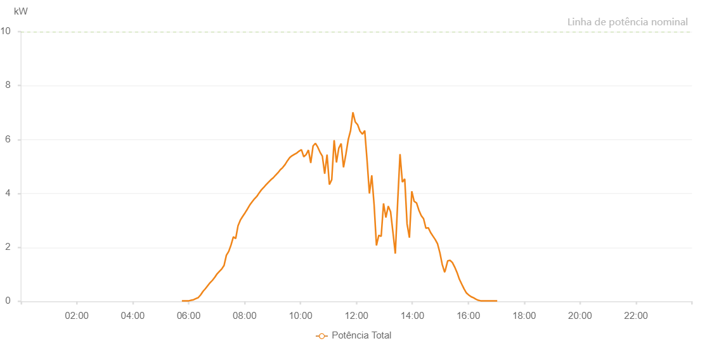

Number | Time | Working State | Alarm Code | Total Inverter Power(W)
1 | 08/07/2022 05:45:29 (UTC-4:00) | Normal |  | 20.000
2 | 08/07/2022 05:50:28 (UTC-4:00) | Normal |  | 20.000
3 | 08/07/2022 05:55:28 (UTC-4:00) | Normal |  | 20.000
4 | 08/07/2022 06:00:30 (UTC-4:00) | Normal |  | 20.000
5 | 08/07/2022 06:05:33 (UTC-4:00) | Normal |  | 40.000
6 | 08/07/2022 06:10:38 (UTC-4:00) | Normal |  | 60.000
7 | 08/07/2022 06:15:41 (UTC-4:00) | Normal |  | 100.000
8 | 08/07/2022 06:20:44 (UTC-4:00) | Normal |  | 140.000
9 | 08/07/2022 06:25:48 (UTC-4:00) | Normal |  | 240.000
10 | 08/07/2022 06:30:50 (UTC-4:00) | Normal |  | 370.000
11 | 08/07/2022 06:35:55 (UTC-4:00) | Normal |  | 470.000
12 | 08/07/2022 06:40:56 (UTC-4:00) | Normal |  | 580.000
13 | 08/07/2022 06:45:59 (UTC-4:00) | Normal |  | 690.000
14 | 08/07/2022 06:51:03 (UTC-4:00) | Normal |  | 780.000
15 | 08/07/2022 06:56:04 (UTC-4:00) | Normal |  | 890.000
16 | 08/07/2022 07:01:03 (UTC-4:00) | Normal |  | 1020.000
17 | 08/07/2022 07:06:02 (UTC-4:00) | Normal |  | 1110.000
18 | 08/07/2022 07:11:01 (UTC-4:00) | Normal |  | 1200.000
19 | 08/07/2022 07:16:00 (UTC-4:00) | Normal |  | 1330.000
20 | 08/07/2022 07:21:00 (UTC-4:00) | Normal |  | 1710.000
21 | 08/07/2022 07:25:59 (UTC-4:00) | Normal |  | 1850.000
22 | 08/07/2022 07:30:58 (UTC-4:00) | Normal |  | 2090.000
23 | 08/07/2022 07:35:57 (UTC-4:00) | Normal |  | 2390.000
24 | 08/07/2022 07:40:56 (UTC-4:00) | Normal |  | 2330.000
25 | 08/07/2022 07:45:55 (UTC-4:00) | Normal |  | 2800.000
26 | 08/07/2022 07:50:55 (UTC-4:00) | Normal |  | 3010.000
27 | 08/07/2022 07:55:57 (UTC-4:00) | Normal |  | 3150.000
28 | 08/07/2022 08:01:00 (UTC-4:00) | Normal |  | 3280.000
29 | 08/07/2022 08:06:03 (UTC-4:00) | Normal |  | 3420.000
30 | 08/07/2022 08:11:06 (UTC-4:00) | Normal |  | 3570.000
31 | 08/07/2022 08:16:09 (UTC-4:00) | Normal |  | 3690.000
32 | 08/07/2022 08:21:11 (UTC-4:00) | Normal |  | 3800.000
33 | 08/07/2022 08:26:14 (UTC-4:00) | Normal |  | 3890.000
34 | 08/07/2022 08:31:18 (UTC-4:00) | Normal |  | 4020.000
35 | 08/07/2022 08:36:23 (UTC-4:00) | Normal |  | 4140.000
36 | 08/07/2022 08:41:25 (UTC-4:00) | Normal |  | 4230.000
37 | 08/07/2022 08:46:28 (UTC-4:00) | Normal |  | 4330.000
38 | 08/07/2022 08:46:37 (UTC-4:00) | Normal |  | 4330.000
39 | 08/07/2022 08:51:30 (UTC-4:00) | Normal |  | 4420.000
40 | 08/07/2022 08:56:32 (UTC-4:00) | Normal |  | 4510.000
41 | 08/07/2022 09:01:34 (UTC-4:00) | Normal |  | 4580.000
42 | 08/07/2022 09:06:39 (UTC-4:00) | Normal |  | 4680.000
43 | 08/07/2022 09:11:42 (UTC-4:00) | Normal |  | 4770.000
44 | 08/07/2022 09:16:45 (UTC-4:00) | Normal |  | 4880.000
45 | 08/07/2022 09:21:48 (UTC-4:00) | Normal |  | 4960.000
46 | 08/07/2022 09:26:51 (UTC-4:00) | Normal |  | 5070.000
47 | 08/07/2022 09:31:53 (UTC-4:00) | Normal |  | 5210.000
48 | 08/07/2022 09:36:57 (UTC-4:00) | Normal |  | 5330.000
49 | 08/07/2022 09:42:00 (UTC-4:00) | Normal |  | 5400.000
50 | 08/07/2022 09:47:03 (UTC-4:00) | Normal |  | 5450.000
51 | 08/07/2022 09:52:06 (UTC-4:00) | Normal |  | 5500.000
52 | 08/07/2022 09:57:05 (UTC-4:00) | Normal |  | 5570.000
53 | 08/07/2022 10:02:03 (UTC-4:00) | Normal |  | 5620.000
54 | 08/07/2022 10:07:03 (UTC-4:00) | Normal |  | 5360.000
55 | 08/07/2022 10:12:02 (UTC-4:00) | Normal |  | 5440.000
56 | 08/07/2022 10:17:01 (UTC-4:00) | Normal |  | 5610.000
57 | 08/07/2022 10:22:00 (UTC-4:00) | Normal |  | 5130.000
58 | 08/07/2022 10:26:59 (UTC-4:00) | Normal |  | 5760.000
59 | 08/07/2022 10:31:58 (UTC-4:00) | Normal |  | 5860.000
60 | 08/07/2022 10:36:58 (UTC-4:00) | Normal |  | 5720.000
61 | 08/07/2022 10:41:56 (UTC-4:00) | Normal |  | 5530.000
62 | 08/07/2022 10:46:56 (UTC-4:00) | Normal |  | 5380.000
63 | 08/07/2022 10:51:55 (UTC-4:00) | Normal |  | 4730.000
64 | 08/07/2022 10:56:58 (UTC-4:00) | Normal |  | 5440.000
65 | 08/07/2022 11:02:01 (UTC-4:00) | Normal |  | 4330.000
66 | 08/07/2022 11:07:04 (UTC-4:00) | Normal |  | 4510.000
67 | 08/07/2022 11:12:07 (UTC-4:00) | Normal |  | 5960.000
68 | 08/07/2022 11:12:18 (UTC-4:00) | Normal |  | 5960.000
69 | 08/07/2022 11:17:10 (UTC-4:00) | Normal |  | 5150.000
70 | 08/07/2022 11:22:12 (UTC-4:00) | Normal |  | 5680.000
71 | 08/07/2022 11:27:15 (UTC-4:00) | Normal |  | 5850.000
72 | 08/07/2022 11:32:18 (UTC-4:00) | Normal |  | 4970.000
73 | 08/07/2022 11:37:22 (UTC-4:00) | Normal |  | 5450.000
74 | 08/07/2022 11:42:25 (UTC-4:00) | Normal |  | 5990.000
75 | 08/07/2022 11:47:28 (UTC-4:00) | Normal |  | 6330.000
76 | 08/07/2022 11:52:31 (UTC-4:00) | Normal |  | 7010.000
77 | 08/07/2022 11:57:33 (UTC-4:00) | Normal |  | 6650.000
78 | 08/07/2022 12:02:37 (UTC-4:00) | Normal |  | 6550.000
79 | 08/07/2022 12:07:40 (UTC-4:00) | Normal |  | 6310.000
80 | 08/07/2022 12:12:48 (UTC-4:00) | Normal |  | 6200.000
81 | 08/07/2022 12:17:50 (UTC-4:00) | Normal |  | 6330.000
82 | 08/07/2022 12:22:49 (UTC-4:00) | Normal |  | 5240.000
83 | 08/07/2022 12:27:52 (UTC-4:00) | Normal |  | 4000.000
84 | 08/07/2022 12:32:56 (UTC-4:00) | Normal |  | 4670.000
85 | 08/07/2022 12:37:58 (UTC-4:00) | Normal |  | 3580.000
86 | 08/07/2022 12:43:00 (UTC-4:00) | Normal |  | 2070.000
87 | 08/07/2022 12:48:04 (UTC-4:00) | Normal |  | 2450.000
88 | 08/07/2022 12:53:09 (UTC-4:00) | Normal |  | 2410.000
89 | 08/07/2022 12:58:12 (UTC-4:00) | Normal |  | 3630.000
90 | 08/07/2022 13:03:15 (UTC-4:00) | Normal |  | 3110.000
91 | 08/07/2022 13:08:18 (UTC-4:00) | Normal |  | 3530.000
92 | 08/07/2022 13:13:21 (UTC-4:00) | Normal |  | 3320.000
93 | 08/07/2022 13:18:24 (UTC-4:00) | Normal |  | 2560.000
94 | 08/07/2022 13:23:27 (UTC-4:00) | Normal |  | 1770.000
95 | 08/07/2022 13:28:32 (UTC-4:00) | Normal |  | 3680.000
96 | 08/07/2022 13:33:35 (UTC-4:00) | Normal |  | 5460.000
97 | 08/07/2022 13:38:38 (UTC-4:00) | Normal |  | 4420.000
98 | 08/07/2022 13:43:41 (UTC-4:00) | Normal |  | 4540.000
99 | 08/07/2022 13:48:42 (UTC-4:00) | Normal |  | 2870.000
100 | 08/07/2022 13:53:44 (UTC-4:00) | Normal |  | 2360.000
101 | 08/07/2022 13:58:48 (UTC-4:00) | Normal |  | 4080.000
102 | 08/07/2022 14:03:51 (UTC-4:00) | Normal |  | 3710.000
103 | 08/07/2022 14:08:59 (UTC-4:00) | Normal |  | 3650.000
104 | 08/07/2022 14:14:03 (UTC-4:00) | Normal |  | 3380.000
105 | 08/07/2022 14:19:04 (UTC-4:00) | Normal |  | 3180.000
106 | 08/07/2022 14:24:08 (UTC-4:00) | Normal |  | 3060.000
107 | 08/07/2022 14:29:09 (UTC-4:00) | Normal |  | 2710.000
108 | 08/07/2022 14:34:12 (UTC-4:00) | Normal |  | 2730.000
109 | 08/07/2022 14:39:11 (UTC-4:00) | Normal |  | 2550.000
110 | 08/07/2022 14:44:10 (UTC-4:00) | Normal |  | 2420.000
111 | 08/07/2022 14:49:09 (UTC-4:00) | Normal |  | 2290.000
112 | 08/07/2022 14:54:08 (UTC-4:00) | Normal |  | 2130.000
113 | 08/07/2022 14:59:07 (UTC-4:00) | Normal |  | 1800.000
114 | 08/07/2022 15:04:06 (UTC-4:00) | Normal |  | 1370.000
115 | 08/07/2022 15:09:09 (UTC-4:00) | Normal |  | 1090.000
116 | 08/07/2022 15:09:21 (UTC-4:00) | Normal |  | 1090.000
117 | 08/07/2022 15:10:33 (UTC-4:00) | Normal |  | 1140.000
118 | 08/07/2022 15:15:52 (UTC-4:00) | Normal |  | 1500.000
119 | 08/07/2022 15:20:53 (UTC-4:00) | Normal |  | 1520.000
120 | 08/07/2022 15:25:53 (UTC-4:00) | Normal |  | 1440.000
121 | 08/07/2022 15:30:54 (UTC-4:00) | Normal |  | 1270.000
122 | 08/07/2022 15:35:55 (UTC-4:00) | Normal |  | 1070.000
123 | 08/07/2022 15:40:56 (UTC-4:00) | Normal |  | 820.000
124 | 08/07/2022 15:45:57 (UTC-4:00) | Normal |  | 640.000
125 | 08/07/2022 15:51:02 (UTC-4:00) | Normal |  | 460.000
126 | 08/07/2022 15:56:07 (UTC-4:00) | Normal |  | 310.000
127 | 08/07/2022 16:01:12 (UTC-4:00) | Normal |  | 230.000
128 | 08/07/2022 16:01:23 (UTC-4:00) | Normal |  | 230.000
129 | 08/07/2022 16:06:19 (UTC-4:00) | Normal |  | 170.000
130 | 08/07/2022 16:11:23 (UTC-4:00) | Normal |  | 130.000
131 | 08/07/2022 16:16:28 (UTC-4:00) | Normal |  | 80.000
132 | 08/07/2022 16:21:34 (UTC-4:00) | Normal |  | 40.000
133 | 08/07/2022 16:26:37 (UTC-4:00) | Normal |  | 20.000
134 | 08/07/2022 16:31:42 (UTC-4:00) | Normal |  | 20.000
135 | 08/07/2022 16:36:47 (UTC-4:00) | Normal |  | 20.000
136 | 08/07/2022 16:41:53 (UTC-4:00) | Normal |  | 20.000
137 | 08/07/2022 16:46:58 (UTC-4:00) | Normal |  | 20.000
138 | 08/07/2022 16:52:02 (UTC-4:00) | Normal |  | 20.000
139 | 08/07/2022 16:57:07 (UTC-4:00) | Normal |  | 20.000
140 | 08/07/2022 17:02:12 (UTC-4:00) | Normal |  | 20.000

