Inverter History Report__17-08-
Inverter History Report_09/07/2022_Report

Inverter SN:054B7020C020044 |  | Inverter type:B7
Collector SN:4045086367 |  | Full Load Hours(h):3.72
Rated Power:10000Wp

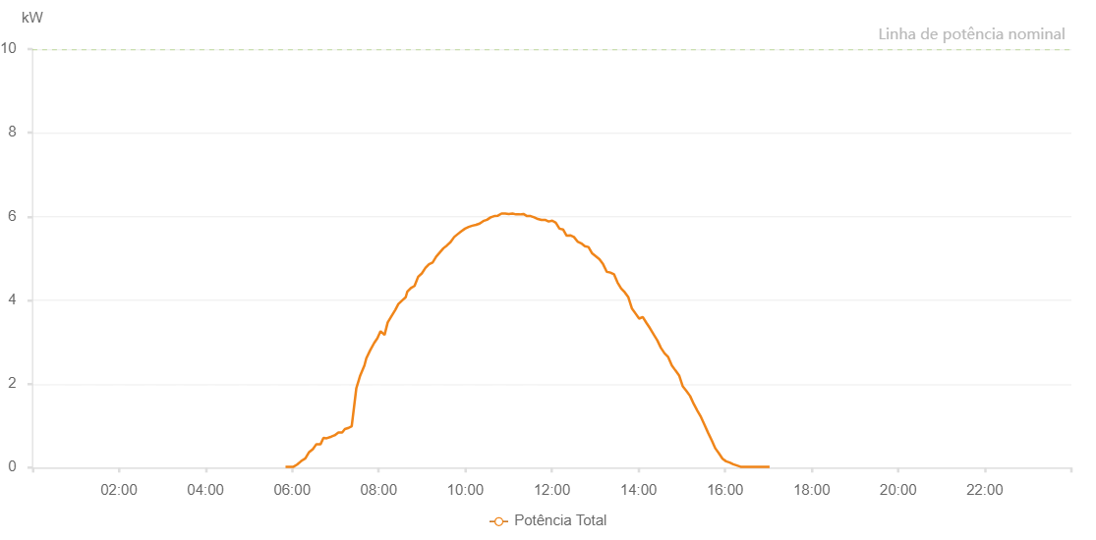

Number | Time | Working State | Alarm Code | Total Inverter Power(W)
1 | 09/07/2022 05:50:49 (UTC-4:00) | Normal |  | 20.000
2 | 09/07/2022 05:56:31 (UTC-4:00) | Normal |  | 20.000
3 | 09/07/2022 06:01:52 (UTC-4:00) | Normal |  | 20.000
4 | 09/07/2022 06:06:42 (UTC-4:00) | Normal |  | 70.000
5 | 09/07/2022 06:12:14 (UTC-4:00) | Normal |  | 150.000
6 | 09/07/2022 06:13:44 (UTC-4:00) | Normal |  | 170.000
7 | 09/07/2022 06:18:20 (UTC-4:00) | Normal |  | 220.000
8 | 09/07/2022 06:23:35 (UTC-4:00) | Normal |  | 370.000
9 | 09/07/2022 06:28:42 (UTC-4:00) | Normal |  | 440.000
10 | 09/07/2022 06:33:38 (UTC-4:00) | Normal |  | 560.000
11 | 09/07/2022 06:39:25 (UTC-4:00) | Normal |  | 560.000
12 | 09/07/2022 06:43:26 (UTC-4:00) | Normal |  | 710.000
13 | 09/07/2022 06:47:46 (UTC-4:00) | Normal |  | 700.000
14 | 09/07/2022 06:54:23 (UTC-4:00) | Normal |  | 740.000
15 | 09/07/2022 06:58:47 (UTC-4:00) | Normal |  | 770.000
16 | 09/07/2022 07:04:09 (UTC-4:00) | Normal |  | 840.000
17 | 09/07/2022 07:09:20 (UTC-4:00) | Normal |  | 840.000
18 | 09/07/2022 07:13:07 (UTC-4:00) | Normal |  | 920.000
19 | 09/07/2022 07:18:26 (UTC-4:00) | Normal |  | 950.000
20 | 09/07/2022 07:22:34 (UTC-4:00) | Normal |  | 990.000
21 | 09/07/2022 07:28:59 (UTC-4:00) | Normal |  | 1900.000
22 | 09/07/2022 07:34:22 (UTC-4:00) | Normal |  | 2200.000
23 | 09/07/2022 07:40:11 (UTC-4:00) | Normal |  | 2440.000
24 | 09/07/2022 07:42:47 (UTC-4:00) | Normal |  | 2610.000
25 | 09/07/2022 07:48:04 (UTC-4:00) | Normal |  | 2800.000
26 | 09/07/2022 07:53:46 (UTC-4:00) | Normal |  | 2980.000
27 | 09/07/2022 07:58:10 (UTC-4:00) | Normal |  | 3090.000
28 | 09/07/2022 08:02:34 (UTC-4:00) | Normal |  | 3260.000
29 | 09/07/2022 08:08:05 (UTC-4:00) | Normal |  | 3170.000
30 | 09/07/2022 08:12:27 (UTC-4:00) | Normal |  | 3470.000
31 | 09/07/2022 08:16:58 (UTC-4:00) | Normal |  | 3600.000
32 | 09/07/2022 08:23:00 (UTC-4:00) | Normal |  | 3770.000
33 | 09/07/2022 08:27:15 (UTC-4:00) | Normal |  | 3910.000
34 | 09/07/2022 08:33:26 (UTC-4:00) | Normal |  | 4010.000
35 | 09/07/2022 08:37:24 (UTC-4:00) | Normal |  | 4070.000
36 | 09/07/2022 08:39:32 (UTC-4:00) | Normal |  | 4200.000
37 | 09/07/2022 08:44:34 (UTC-4:00) | Normal |  | 4290.000
38 | 09/07/2022 08:49:37 (UTC-4:00) | Normal |  | 4340.000
39 | 09/07/2022 08:54:40 (UTC-4:00) | Normal |  | 4560.000
40 | 09/07/2022 08:59:43 (UTC-4:00) | Normal |  | 4640.000
41 | 09/07/2022 09:04:43 (UTC-4:00) | Normal |  | 4770.000
42 | 09/07/2022 09:09:42 (UTC-4:00) | Normal |  | 4860.000
43 | 09/07/2022 09:14:41 (UTC-4:00) | Normal |  | 4900.000
44 | 09/07/2022 09:19:40 (UTC-4:00) | Normal |  | 5040.000
45 | 09/07/2022 09:24:39 (UTC-4:00) | Normal |  | 5140.000
46 | 09/07/2022 09:29:38 (UTC-4:00) | Normal |  | 5240.000
47 | 09/07/2022 09:34:38 (UTC-4:00) | Normal |  | 5310.000
48 | 09/07/2022 09:39:37 (UTC-4:00) | Normal |  | 5390.000
49 | 09/07/2022 09:44:36 (UTC-4:00) | Normal |  | 5510.000
50 | 09/07/2022 09:49:35 (UTC-4:00) | Normal |  | 5580.000
51 | 09/07/2022 09:54:34 (UTC-4:00) | Normal |  | 5650.000
52 | 09/07/2022 09:59:35 (UTC-4:00) | Normal |  | 5710.000
53 | 09/07/2022 10:04:38 (UTC-4:00) | Normal |  | 5750.000
54 | 09/07/2022 10:09:43 (UTC-4:00) | Normal |  | 5780.000
55 | 09/07/2022 10:14:47 (UTC-4:00) | Normal |  | 5800.000
56 | 09/07/2022 10:19:49 (UTC-4:00) | Normal |  | 5830.000
57 | 09/07/2022 10:24:51 (UTC-4:00) | Normal |  | 5890.000
58 | 09/07/2022 10:29:57 (UTC-4:00) | Normal |  | 5920.000
59 | 09/07/2022 10:35:07 (UTC-4:00) | Normal |  | 5980.000
60 | 09/07/2022 10:40:04 (UTC-4:00) | Normal |  | 6010.000
61 | 09/07/2022 10:40:15 (UTC-4:00) | Normal |  | 6010.000
62 | 09/07/2022 10:45:11 (UTC-4:00) | Normal |  | 6020.000
63 | 09/07/2022 10:50:15 (UTC-4:00) | Normal |  | 6070.000
64 | 09/07/2022 10:50:22 (UTC-4:00) | Normal |  | 6070.000
65 | 09/07/2022 10:55:18 (UTC-4:00) | Normal |  | 6070.000
66 | 09/07/2022 11:00:19 (UTC-4:00) | Normal |  | 6060.000
67 | 09/07/2022 11:05:23 (UTC-4:00) | Normal |  | 6070.000
68 | 09/07/2022 11:10:24 (UTC-4:00) | Normal |  | 6050.000
69 | 09/07/2022 11:15:27 (UTC-4:00) | Normal |  | 6050.000
70 | 09/07/2022 11:20:30 (UTC-4:00) | Normal |  | 6060.000
71 | 09/07/2022 11:25:33 (UTC-4:00) | Normal |  | 6010.000
72 | 09/07/2022 11:30:32 (UTC-4:00) | Normal |  | 6010.000
73 | 09/07/2022 11:35:32 (UTC-4:00) | Normal |  | 5980.000
74 | 09/07/2022 11:40:31 (UTC-4:00) | Normal |  | 5940.000
75 | 09/07/2022 11:45:30 (UTC-4:00) | Normal |  | 5920.000
76 | 09/07/2022 11:50:29 (UTC-4:00) | Normal |  | 5920.000
77 | 09/07/2022 11:55:28 (UTC-4:00) | Normal |  | 5880.000
78 | 09/07/2022 12:00:27 (UTC-4:00) | Normal |  | 5900.000
79 | 09/07/2022 12:05:27 (UTC-4:00) | Normal |  | 5850.000
80 | 09/07/2022 12:10:29 (UTC-4:00) | Normal |  | 5710.000
81 | 09/07/2022 12:15:27 (UTC-4:00) | Normal |  | 5690.000
82 | 09/07/2022 12:20:27 (UTC-4:00) | Normal |  | 5540.000
83 | 09/07/2022 12:25:27 (UTC-4:00) | Normal |  | 5550.000
84 | 09/07/2022 12:30:31 (UTC-4:00) | Normal |  | 5510.000
85 | 09/07/2022 12:35:34 (UTC-4:00) | Normal |  | 5400.000
86 | 09/07/2022 12:40:38 (UTC-4:00) | Normal |  | 5360.000
87 | 09/07/2022 12:45:40 (UTC-4:00) | Normal |  | 5290.000
88 | 09/07/2022 12:50:43 (UTC-4:00) | Normal |  | 5270.000
89 | 09/07/2022 12:55:46 (UTC-4:00) | Normal |  | 5120.000
90 | 09/07/2022 13:00:49 (UTC-4:00) | Normal |  | 5050.000
91 | 09/07/2022 13:05:52 (UTC-4:00) | Normal |  | 4980.000
92 | 09/07/2022 13:10:57 (UTC-4:00) | Normal |  | 4860.000
93 | 09/07/2022 13:15:59 (UTC-4:00) | Normal |  | 4680.000
94 | 09/07/2022 13:21:02 (UTC-4:00) | Normal |  | 4660.000
95 | 09/07/2022 13:26:01 (UTC-4:00) | Normal |  | 4620.000
96 | 09/07/2022 13:31:01 (UTC-4:00) | Normal |  | 4420.000
97 | 09/07/2022 13:36:00 (UTC-4:00) | Normal |  | 4280.000
98 | 09/07/2022 13:40:59 (UTC-4:00) | Normal |  | 4190.000
99 | 09/07/2022 13:45:59 (UTC-4:00) | Normal |  | 4070.000
100 | 09/07/2022 13:50:58 (UTC-4:00) | Normal |  | 3800.000
101 | 09/07/2022 13:55:57 (UTC-4:00) | Normal |  | 3680.000
102 | 09/07/2022 14:00:56 (UTC-4:00) | Normal |  | 3560.000
103 | 09/07/2022 14:05:55 (UTC-4:00) | Normal |  | 3600.000
104 | 09/07/2022 14:10:54 (UTC-4:00) | Normal |  | 3460.000
105 | 09/07/2022 14:15:55 (UTC-4:00) | Normal |  | 3330.000
106 | 09/07/2022 14:21:01 (UTC-4:00) | Normal |  | 3180.000
107 | 09/07/2022 14:26:03 (UTC-4:00) | Normal |  | 3040.000
108 | 09/07/2022 14:31:07 (UTC-4:00) | Normal |  | 2860.000
109 | 09/07/2022 14:36:08 (UTC-4:00) | Normal |  | 2730.000
110 | 09/07/2022 14:41:11 (UTC-4:00) | Normal |  | 2640.000
111 | 09/07/2022 14:46:14 (UTC-4:00) | Normal |  | 2440.000
112 | 09/07/2022 14:51:17 (UTC-4:00) | Normal |  | 2320.000
113 | 09/07/2022 14:56:21 (UTC-4:00) | Normal |  | 2200.000
114 | 09/07/2022 15:01:24 (UTC-4:00) | Normal |  | 1940.000
115 | 09/07/2022 15:06:28 (UTC-4:00) | Normal |  | 1830.000
116 | 09/07/2022 15:11:32 (UTC-4:00) | Normal |  | 1710.000
117 | 09/07/2022 15:16:35 (UTC-4:00) | Normal |  | 1520.000
118 | 09/07/2022 15:21:38 (UTC-4:00) | Normal |  | 1360.000
119 | 09/07/2022 15:26:34 (UTC-4:00) | Normal |  | 1210.000
120 | 09/07/2022 15:31:32 (UTC-4:00) | Normal |  | 1020.000
121 | 09/07/2022 15:36:31 (UTC-4:00) | Normal |  | 830.000
122 | 09/07/2022 15:41:31 (UTC-4:00) | Normal |  | 650.000
123 | 09/07/2022 15:46:30 (UTC-4:00) | Normal |  | 460.000
124 | 09/07/2022 15:51:29 (UTC-4:00) | Normal |  | 340.000
125 | 09/07/2022 15:56:28 (UTC-4:00) | Normal |  | 210.000
126 | 09/07/2022 16:01:27 (UTC-4:00) | Normal |  | 150.000
127 | 09/07/2022 16:06:27 (UTC-4:00) | Normal |  | 120.000
128 | 09/07/2022 16:11:26 (UTC-4:00) | Normal |  | 80.000
129 | 09/07/2022 16:16:29 (UTC-4:00) | Normal |  | 50.000
130 | 09/07/2022 16:21:32 (UTC-4:00) | Normal |  | 20.000
131 | 09/07/2022 16:26:37 (UTC-4:00) | Normal |  | 20.000
132 | 09/07/2022 16:27:01 (UTC-4:00) | Normal |  | 20.000
133 | 09/07/2022 16:31:39 (UTC-4:00) | Normal |  | 20.000
134 | 09/07/2022 16:36:42 (UTC-4:00) | Normal |  | 20.000
135 | 09/07/2022 16:36:53 (UTC-4:00) | Normal |  | 20.000
136 | 09/07/2022 16:41:44 (UTC-4:00) | Normal |  | 20.000
137 | 09/07/2022 16:46:43 (UTC-4:00) | Normal |  | 20.000
138 | 09/07/2022 16:51:42 (UTC-4:00) | Normal |  | 20.000
139 | 09/07/2022 16:56:41 (UTC-4:00) | Normal |  | 20.000
140 | 09/07/2022 17:01:40 (UTC-4:00) | Normal |  | 20.000

