Inverter History Report__17-08-
Inverter History Report_10/07/2022_Report

Inverter SN:054B7020C020044 |  | Inverter type:B7
Collector SN:4045086367 |  | Full Load Hours(h):3.68
Rated Power:10000Wp

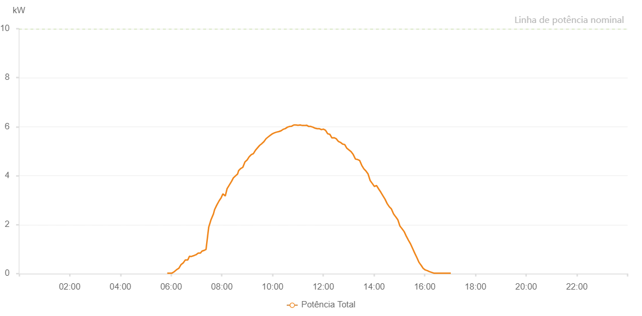

Number | Time | Working State | Alarm Code | Total Inverter Power(W)
1 | 10/07/2022 05:44:56 (UTC-4:00) | Normal |  | 20.000
2 | 10/07/2022 05:49:58 (UTC-4:00) | Normal |  | 20.000
3 | 10/07/2022 05:54:58 (UTC-4:00) | Normal |  | 20.000
4 | 10/07/2022 06:00:00 (UTC-4:00) | Normal |  | 20.000
5 | 10/07/2022 06:05:00 (UTC-4:00) | Normal |  | 20.000
6 | 10/07/2022 06:10:08 (UTC-4:00) | Normal |  | 50.000
7 | 10/07/2022 06:15:11 (UTC-4:00) | Normal |  | 80.000
8 | 10/07/2022 06:20:15 (UTC-4:00) | Normal |  | 130.000
9 | 10/07/2022 06:25:21 (UTC-4:00) | Normal |  | 230.000
10 | 10/07/2022 06:30:25 (UTC-4:00) | Normal |  | 350.000
11 | 10/07/2022 06:30:36 (UTC-4:00) | Normal |  | 350.000
12 | 10/07/2022 06:35:30 (UTC-4:00) | Normal |  | 570.000
13 | 10/07/2022 06:40:34 (UTC-4:00) | Normal |  | 680.000
14 | 10/07/2022 06:45:35 (UTC-4:00) | Normal |  | 550.000
15 | 10/07/2022 06:50:36 (UTC-4:00) | Normal |  | 650.000
16 | 10/07/2022 06:55:37 (UTC-4:00) | Normal |  | 960.000
17 | 10/07/2022 07:00:38 (UTC-4:00) | Normal |  | 1120.000
18 | 10/07/2022 07:05:39 (UTC-4:00) | Normal |  | 1230.000
19 | 10/07/2022 07:10:40 (UTC-4:00) | Normal |  | 1450.000
20 | 10/07/2022 07:15:41 (UTC-4:00) | Normal |  | 1440.000
21 | 10/07/2022 07:20:42 (UTC-4:00) | Normal |  | 1160.000
22 | 10/07/2022 07:25:43 (UTC-4:00) | Normal |  | 1970.000
23 | 10/07/2022 07:30:44 (UTC-4:00) | Normal |  | 2260.000
24 | 10/07/2022 07:35:46 (UTC-4:00) | Normal |  | 2520.000
25 | 10/07/2022 07:40:47 (UTC-4:00) | Normal |  | 2770.000
26 | 10/07/2022 07:45:53 (UTC-4:00) | Normal |  | 3030.000
27 | 10/07/2022 07:50:56 (UTC-4:00) | Normal |  | 3190.000
28 | 10/07/2022 07:56:01 (UTC-4:00) | Normal |  | 3090.000
29 | 10/07/2022 08:01:06 (UTC-4:00) | Normal |  | 3730.000
30 | 10/07/2022 08:06:16 (UTC-4:00) | Normal |  | 3000.000
31 | 10/07/2022 08:11:19 (UTC-4:00) | Normal |  | 3120.000
32 | 10/07/2022 08:11:27 (UTC-4:00) | Normal |  | 3120.000
33 | 10/07/2022 08:16:23 (UTC-4:00) | Normal |  | 3990.000
34 | 10/07/2022 08:21:26 (UTC-4:00) | Normal |  | 4000.000
35 | 10/07/2022 08:21:52 (UTC-4:00) | Normal |  | 4000.000
36 | 10/07/2022 08:26:32 (UTC-4:00) | Normal |  | 4010.000
37 | 10/07/2022 08:31:36 (UTC-4:00) | Normal |  | 4370.000
38 | 10/07/2022 08:31:47 (UTC-4:00) | Normal |  | 4370.000
39 | 10/07/2022 08:36:41 (UTC-4:00) | Normal |  | 4500.000
40 | 10/07/2022 08:41:46 (UTC-4:00) | Normal |  | 4560.000
41 | 10/07/2022 08:41:48 (UTC-4:00) | Normal |  | 4560.000
42 | 10/07/2022 08:46:53 (UTC-4:00) | Normal |  | 4720.000
43 | 10/07/2022 08:51:56 (UTC-4:00) | Normal |  | 4880.000
44 | 10/07/2022 08:57:01 (UTC-4:00) | Normal |  | 4380.000
45 | 10/07/2022 09:02:06 (UTC-4:00) | Normal |  | 4790.000
46 | 10/07/2022 09:07:13 (UTC-4:00) | Normal |  | 5000.000
47 | 10/07/2022 09:12:17 (UTC-4:00) | Normal |  | 5160.000
48 | 10/07/2022 09:17:21 (UTC-4:00) | Normal |  | 5230.000
49 | 10/07/2022 09:22:27 (UTC-4:00) | Normal |  | 5330.000
50 | 10/07/2022 09:22:38 (UTC-4:00) | Normal |  | 5330.000
51 | 10/07/2022 09:27:29 (UTC-4:00) | Normal |  | 5390.000
52 | 10/07/2022 09:32:29 (UTC-4:00) | Normal |  | 5450.000
53 | 10/07/2022 09:32:40 (UTC-4:00) | Normal |  | 5450.000
54 | 10/07/2022 09:37:31 (UTC-4:00) | Normal |  | 5610.000
55 | 10/07/2022 09:42:32 (UTC-4:00) | Normal |  | 5360.000
56 | 10/07/2022 09:42:57 (UTC-4:00) | Normal |  | 5360.000
57 | 10/07/2022 09:47:32 (UTC-4:00) | Normal |  | 5340.000
58 | 10/07/2022 09:52:35 (UTC-4:00) | Normal |  | 5650.000
59 | 10/07/2022 09:57:37 (UTC-4:00) | Normal |  | 5750.000
60 | 10/07/2022 10:02:39 (UTC-4:00) | Normal |  | 5730.000
61 | 10/07/2022 10:02:50 (UTC-4:00) | Normal |  | 5730.000
62 | 10/07/2022 10:03:08 (UTC-4:00) | Normal |  | 5760.000
63 | 10/07/2022 10:08:26 (UTC-4:00) | Normal |  | 5890.000
64 | 10/07/2022 10:13:26 (UTC-4:00) | Normal |  | 5850.000
65 | 10/07/2022 10:18:26 (UTC-4:00) | Normal |  | 5730.000
66 | 10/07/2022 10:23:26 (UTC-4:00) | Normal |  | 5720.000
67 | 10/07/2022 10:28:26 (UTC-4:00) | Normal |  | 5880.000
68 | 10/07/2022 10:33:28 (UTC-4:00) | Normal |  | 6070.000
69 | 10/07/2022 10:38:34 (UTC-4:00) | Normal |  | 5940.000
70 | 10/07/2022 10:43:38 (UTC-4:00) | Normal |  | 6120.000
71 | 10/07/2022 10:48:41 (UTC-4:00) | Normal |  | 6090.000
72 | 10/07/2022 10:53:45 (UTC-4:00) | Normal |  | 5640.000
73 | 10/07/2022 10:58:50 (UTC-4:00) | Normal |  | 6150.000
74 | 10/07/2022 11:03:53 (UTC-4:00) | Normal |  | 6150.000
75 | 10/07/2022 11:08:59 (UTC-4:00) | Normal |  | 6140.000
76 | 10/07/2022 11:14:03 (UTC-4:00) | Normal |  | 5720.000
77 | 10/07/2022 11:19:07 (UTC-4:00) | Normal |  | 5920.000
78 | 10/07/2022 11:24:13 (UTC-4:00) | Normal |  | 5960.000
79 | 10/07/2022 11:29:17 (UTC-4:00) | Normal |  | 5850.000
80 | 10/07/2022 11:34:21 (UTC-4:00) | Normal |  | 6190.000
81 | 10/07/2022 11:39:25 (UTC-4:00) | Normal |  | 5730.000
82 | 10/07/2022 11:44:26 (UTC-4:00) | Normal |  | 5800.000
83 | 10/07/2022 11:49:26 (UTC-4:00) | Normal |  | 5730.000
84 | 10/07/2022 11:54:27 (UTC-4:00) | Normal |  | 5690.000
85 | 10/07/2022 11:59:28 (UTC-4:00) | Normal |  | 5660.000
86 | 10/07/2022 12:04:28 (UTC-4:00) | Normal |  | 5970.000
87 | 10/07/2022 12:09:28 (UTC-4:00) | Normal |  | 5890.000
88 | 10/07/2022 12:14:28 (UTC-4:00) | Normal |  | 5740.000
89 | 10/07/2022 12:19:29 (UTC-4:00) | Normal |  | 5650.000
90 | 10/07/2022 12:24:29 (UTC-4:00) | Normal |  | 5940.000
91 | 10/07/2022 12:29:29 (UTC-4:00) | Normal |  | 5070.000
92 | 10/07/2022 12:34:30 (UTC-4:00) | Normal |  | 5810.000
93 | 10/07/2022 12:39:34 (UTC-4:00) | Normal |  | 5460.000
94 | 10/07/2022 12:44:39 (UTC-4:00) | Normal |  | 5290.000
95 | 10/07/2022 12:49:42 (UTC-4:00) | Normal |  | 5390.000
96 | 10/07/2022 12:54:43 (UTC-4:00) | Normal |  | 5750.000
97 | 10/07/2022 12:59:43 (UTC-4:00) | Normal |  | 4620.000
98 | 10/07/2022 13:04:43 (UTC-4:00) | Normal |  | 4320.000
99 | 10/07/2022 13:09:44 (UTC-4:00) | Normal |  | 4270.000
100 | 10/07/2022 13:14:49 (UTC-4:00) | Normal |  | 4350.000
101 | 10/07/2022 13:19:46 (UTC-4:00) | Normal |  | 4100.000
102 | 10/07/2022 13:24:47 (UTC-4:00) | Normal |  | 3840.000
103 | 10/07/2022 13:29:51 (UTC-4:00) | Normal |  | 3920.000
104 | 10/07/2022 13:34:51 (UTC-4:00) | Normal |  | 3770.000
105 | 10/07/2022 13:39:47 (UTC-4:00) | Normal |  | 3510.000
106 | 10/07/2022 13:44:47 (UTC-4:00) | Normal |  | 3410.000
107 | 10/07/2022 13:49:56 (UTC-4:00) | Normal |  | 3430.000
108 | 10/07/2022 13:54:56 (UTC-4:00) | Normal |  | 2710.000
109 | 10/07/2022 14:00:00 (UTC-4:00) | Normal |  | 2820.000
110 | 10/07/2022 14:05:04 (UTC-4:00) | Normal |  | 2830.000
111 | 10/07/2022 14:10:09 (UTC-4:00) | Normal |  | 2620.000
112 | 10/07/2022 14:15:13 (UTC-4:00) | Normal |  | 2690.000
113 | 10/07/2022 14:20:17 (UTC-4:00) | Normal |  | 2580.000
114 | 10/07/2022 14:25:22 (UTC-4:00) | Normal |  | 2310.000
115 | 10/07/2022 14:30:26 (UTC-4:00) | Normal |  | 2330.000
116 | 10/07/2022 14:35:30 (UTC-4:00) | Normal |  | 1750.000
117 | 10/07/2022 14:40:34 (UTC-4:00) | Normal |  | 2410.000
118 | 10/07/2022 14:45:39 (UTC-4:00) | Normal |  | 2450.000
119 | 10/07/2022 14:50:39 (UTC-4:00) | Normal |  | 2550.000
120 | 10/07/2022 14:55:39 (UTC-4:00) | Normal |  | 2370.000
121 | 10/07/2022 15:00:39 (UTC-4:00) | Normal |  | 2180.000
122 | 10/07/2022 15:05:40 (UTC-4:00) | Normal |  | 1910.000
123 | 10/07/2022 15:10:40 (UTC-4:00) | Normal |  | 1560.000
124 | 10/07/2022 15:15:40 (UTC-4:00) | Normal |  | 1480.000
125 | 10/07/2022 15:20:40 (UTC-4:00) | Normal |  | 1530.000
126 | 10/07/2022 15:25:41 (UTC-4:00) | Normal |  | 1490.000
127 | 10/07/2022 15:30:41 (UTC-4:00) | Normal |  | 1330.000
128 | 10/07/2022 15:35:42 (UTC-4:00) | Normal |  | 1210.000
129 | 10/07/2022 15:40:42 (UTC-4:00) | Normal |  | 1030.000
130 | 10/07/2022 15:45:43 (UTC-4:00) | Normal |  | 880.000
131 | 10/07/2022 15:50:48 (UTC-4:00) | Normal |  | 630.000
132 | 10/07/2022 15:55:51 (UTC-4:00) | Normal |  | 520.000
133 | 10/07/2022 16:00:56 (UTC-4:00) | Normal |  | 460.000
134 | 10/07/2022 16:06:00 (UTC-4:00) | Normal |  | 400.000
135 | 10/07/2022 16:11:05 (UTC-4:00) | Normal |  | 270.000
136 | 10/07/2022 16:16:08 (UTC-4:00) | Normal |  | 140.000
137 | 10/07/2022 16:21:12 (UTC-4:00) | Normal |  | 40.000
138 | 10/07/2022 16:26:17 (UTC-4:00) | Normal |  | 20.000
139 | 10/07/2022 16:31:21 (UTC-4:00) | Normal |  | 20.000
140 | 10/07/2022 16:36:25 (UTC-4:00) | Normal |  | 20.000
141 | 10/07/2022 16:41:29 (UTC-4:00) | Normal |  | 20.000
142 | 10/07/2022 16:46:34 (UTC-4:00) | Normal |  | 20.000
143 | 10/07/2022 16:51:38 (UTC-4:00) | Normal |  | 20.000
144 | 10/07/2022 16:56:42 (UTC-4:00) | Normal |  | 20.000
145 | 10/07/2022 17:01:46 (UTC-4:00) | Normal |  | 20.000

