Inverter History Report__17-08-
Inverter History Report_12/07/2022_Report

Inverter SN:054B7020C020044 |  | Inverter type:B7
Collector SN:4045086367 |  | Full Load Hours(h):3.14
Rated Power:10000Wp

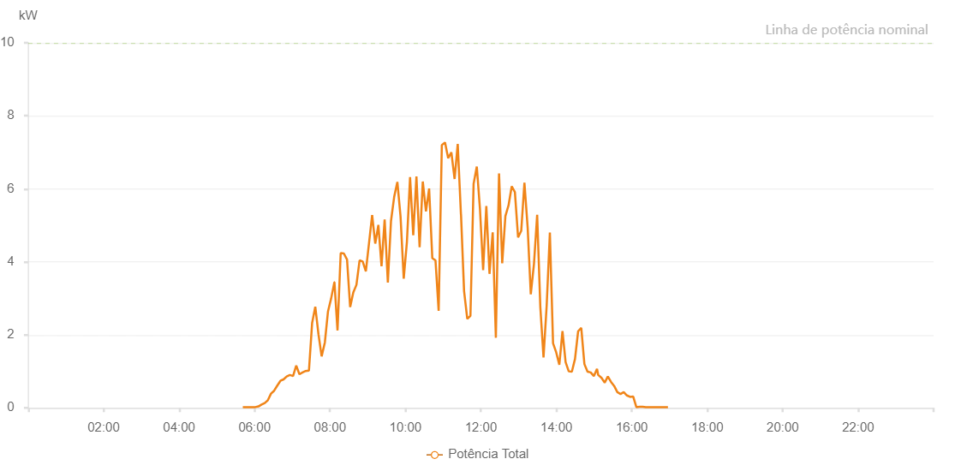

Number | Time | Working State | Alarm Code | Total Inverter Power(W)
1 | 12/07/2022 05:41:20 (UTC-4:00) | Normal |  | 20.000
2 | 12/07/2022 05:46:19 (UTC-4:00) | Normal |  | 20.000
3 | 12/07/2022 05:51:18 (UTC-4:00) | Normal |  | 20.000
4 | 12/07/2022 05:56:18 (UTC-4:00) | Normal |  | 20.000
5 | 12/07/2022 06:01:17 (UTC-4:00) | Normal |  | 20.000
6 | 12/07/2022 06:06:16 (UTC-4:00) | Normal |  | 40.000
7 | 12/07/2022 06:11:15 (UTC-4:00) | Normal |  | 90.000
8 | 12/07/2022 06:16:14 (UTC-4:00) | Normal |  | 130.000
9 | 12/07/2022 06:21:13 (UTC-4:00) | Normal |  | 210.000
10 | 12/07/2022 06:26:12 (UTC-4:00) | Normal |  | 390.000
11 | 12/07/2022 06:31:11 (UTC-4:00) | Normal |  | 470.000
12 | 12/07/2022 06:36:10 (UTC-4:00) | Normal |  | 610.000
13 | 12/07/2022 06:41:09 (UTC-4:00) | Normal |  | 740.000
14 | 12/07/2022 06:46:08 (UTC-4:00) | Normal |  | 780.000
15 | 12/07/2022 06:51:09 (UTC-4:00) | Normal |  | 860.000
16 | 12/07/2022 06:56:12 (UTC-4:00) | Normal |  | 900.000
17 | 12/07/2022 07:01:15 (UTC-4:00) | Normal |  | 870.000
18 | 12/07/2022 07:06:18 (UTC-4:00) | Normal |  | 1160.000
19 | 12/07/2022 07:11:21 (UTC-4:00) | Normal |  | 920.000
20 | 12/07/2022 07:16:23 (UTC-4:00) | Normal |  | 970.000
21 | 12/07/2022 07:21:27 (UTC-4:00) | Normal |  | 1010.000
22 | 12/07/2022 07:26:31 (UTC-4:00) | Normal |  | 1020.000
23 | 12/07/2022 07:31:33 (UTC-4:00) | Normal |  | 2320.000
24 | 12/07/2022 07:36:35 (UTC-4:00) | Normal |  | 2770.000
25 | 12/07/2022 07:41:38 (UTC-4:00) | Normal |  | 2020.000
26 | 12/07/2022 07:46:42 (UTC-4:00) | Normal |  | 1410.000
27 | 12/07/2022 07:51:48 (UTC-4:00) | Normal |  | 1790.000
28 | 12/07/2022 07:56:48 (UTC-4:00) | Normal |  | 2640.000
29 | 12/07/2022 08:01:51 (UTC-4:00) | Normal |  | 3000.000
30 | 12/07/2022 08:06:55 (UTC-4:00) | Normal |  | 3440.000
31 | 12/07/2022 08:07:05 (UTC-4:00) | Normal |  | 3440.000
32 | 12/07/2022 08:11:57 (UTC-4:00) | Normal |  | 2120.000
33 | 12/07/2022 08:17:00 (UTC-4:00) | Normal |  | 4240.000
34 | 12/07/2022 08:22:03 (UTC-4:00) | Normal |  | 4230.000
35 | 12/07/2022 08:27:06 (UTC-4:00) | Normal |  | 4060.000
36 | 12/07/2022 08:32:04 (UTC-4:00) | Normal |  | 2760.000
37 | 12/07/2022 08:37:03 (UTC-4:00) | Normal |  | 3160.000
38 | 12/07/2022 08:42:03 (UTC-4:00) | Normal |  | 3370.000
39 | 12/07/2022 08:47:02 (UTC-4:00) | Normal |  | 4040.000
40 | 12/07/2022 08:52:01 (UTC-4:00) | Normal |  | 4010.000
41 | 12/07/2022 08:57:01 (UTC-4:00) | Normal |  | 3740.000
42 | 12/07/2022 09:01:59 (UTC-4:00) | Normal |  | 4500.000
43 | 12/07/2022 09:07:02 (UTC-4:00) | Normal |  | 5280.000
44 | 12/07/2022 09:11:57 (UTC-4:00) | Normal |  | 4500.000
45 | 12/07/2022 09:16:56 (UTC-4:00) | Normal |  | 5010.000
46 | 12/07/2022 09:21:57 (UTC-4:00) | Normal |  | 3880.000
47 | 12/07/2022 09:26:55 (UTC-4:00) | Normal |  | 5160.000
48 | 12/07/2022 09:32:01 (UTC-4:00) | Normal |  | 3430.000
49 | 12/07/2022 09:37:01 (UTC-4:00) | Normal |  | 5120.000
50 | 12/07/2022 09:42:05 (UTC-4:00) | Normal |  | 5780.000
51 | 12/07/2022 09:47:08 (UTC-4:00) | Normal |  | 6190.000
52 | 12/07/2022 09:52:12 (UTC-4:00) | Normal |  | 5240.000
53 | 12/07/2022 09:57:16 (UTC-4:00) | Normal |  | 3540.000
54 | 12/07/2022 10:02:19 (UTC-4:00) | Normal |  | 4540.000
55 | 12/07/2022 10:07:21 (UTC-4:00) | Normal |  | 6320.000
56 | 12/07/2022 10:12:24 (UTC-4:00) | Normal |  | 4730.000
57 | 12/07/2022 10:17:29 (UTC-4:00) | Normal |  | 6340.000
58 | 12/07/2022 10:22:32 (UTC-4:00) | Normal |  | 4400.000
59 | 12/07/2022 10:27:34 (UTC-4:00) | Normal |  | 6200.000
60 | 12/07/2022 10:32:38 (UTC-4:00) | Normal |  | 5380.000
61 | 12/07/2022 10:37:40 (UTC-4:00) | Normal |  | 6010.000
62 | 12/07/2022 10:42:43 (UTC-4:00) | Normal |  | 4100.000
63 | 12/07/2022 10:47:46 (UTC-4:00) | Normal |  | 4040.000
64 | 12/07/2022 10:52:49 (UTC-4:00) | Normal |  | 2660.000
65 | 12/07/2022 10:57:52 (UTC-4:00) | Normal |  | 7200.000
66 | 12/07/2022 11:02:55 (UTC-4:00) | Normal |  | 7270.000
67 | 12/07/2022 11:07:58 (UTC-4:00) | Normal |  | 6840.000
68 | 12/07/2022 11:13:01 (UTC-4:00) | Normal |  | 7000.000
69 | 12/07/2022 11:18:09 (UTC-4:00) | Normal |  | 6270.000
70 | 12/07/2022 11:23:09 (UTC-4:00) | Normal |  | 7230.000
71 | 12/07/2022 11:28:16 (UTC-4:00) | Normal |  | 5300.000
72 | 12/07/2022 11:28:23 (UTC-4:00) | Normal |  | 5300.000
73 | 12/07/2022 11:33:14 (UTC-4:00) | Normal |  | 3200.000
74 | 12/07/2022 11:38:20 (UTC-4:00) | Normal |  | 2440.000
75 | 12/07/2022 11:43:22 (UTC-4:00) | Normal |  | 2520.000
76 | 12/07/2022 11:48:25 (UTC-4:00) | Normal |  | 6140.000
77 | 12/07/2022 11:53:29 (UTC-4:00) | Normal |  | 6610.000
78 | 12/07/2022 11:58:31 (UTC-4:00) | Normal |  | 5450.000
79 | 12/07/2022 12:03:35 (UTC-4:00) | Normal |  | 3770.000
80 | 12/07/2022 12:08:38 (UTC-4:00) | Normal |  | 5530.000
81 | 12/07/2022 12:13:41 (UTC-4:00) | Normal |  | 3670.000
82 | 12/07/2022 12:18:45 (UTC-4:00) | Normal |  | 4810.000
83 | 12/07/2022 12:23:48 (UTC-4:00) | Normal |  | 1920.000
84 | 12/07/2022 12:28:51 (UTC-4:00) | Normal |  | 6420.000
85 | 12/07/2022 12:33:54 (UTC-4:00) | Normal |  | 3960.000
86 | 12/07/2022 12:38:57 (UTC-4:00) | Normal |  | 5250.000
87 | 12/07/2022 12:44:00 (UTC-4:00) | Normal |  | 5550.000
88 | 12/07/2022 12:49:03 (UTC-4:00) | Normal |  | 6070.000
89 | 12/07/2022 12:54:06 (UTC-4:00) | Normal |  | 5910.000
90 | 12/07/2022 12:59:08 (UTC-4:00) | Normal |  | 4670.000
91 | 12/07/2022 13:04:11 (UTC-4:00) | Normal |  | 4850.000
92 | 12/07/2022 13:09:14 (UTC-4:00) | Normal |  | 6170.000
93 | 12/07/2022 13:14:25 (UTC-4:00) | Normal |  | 4930.000
94 | 12/07/2022 13:19:21 (UTC-4:00) | Normal |  | 3110.000
95 | 12/07/2022 13:24:24 (UTC-4:00) | Normal |  | 3940.000
96 | 12/07/2022 13:29:30 (UTC-4:00) | Normal |  | 5290.000
97 | 12/07/2022 13:34:33 (UTC-4:00) | Normal |  | 2750.000
98 | 12/07/2022 13:39:36 (UTC-4:00) | Normal |  | 1380.000
99 | 12/07/2022 13:44:39 (UTC-4:00) | Normal |  | 2810.000
100 | 12/07/2022 13:49:42 (UTC-4:00) | Normal |  | 4800.000
101 | 12/07/2022 13:54:45 (UTC-4:00) | Normal |  | 1770.000
102 | 12/07/2022 13:59:46 (UTC-4:00) | Normal |  | 1520.000
103 | 12/07/2022 14:04:45 (UTC-4:00) | Normal |  | 1180.000
104 | 12/07/2022 14:09:45 (UTC-4:00) | Normal |  | 2100.000
105 | 12/07/2022 14:14:44 (UTC-4:00) | Normal |  | 1250.000
106 | 12/07/2022 14:19:43 (UTC-4:00) | Normal |  | 1000.000
107 | 12/07/2022 14:24:42 (UTC-4:00) | Normal |  | 990.000
108 | 12/07/2022 14:29:41 (UTC-4:00) | Normal |  | 1340.000
109 | 12/07/2022 14:34:40 (UTC-4:00) | Normal |  | 2100.000
110 | 12/07/2022 14:39:38 (UTC-4:00) | Normal |  | 2190.000
111 | 12/07/2022 14:44:37 (UTC-4:00) | Normal |  | 1200.000
112 | 12/07/2022 14:49:36 (UTC-4:00) | Normal |  | 990.000
113 | 12/07/2022 14:54:35 (UTC-4:00) | Normal |  | 970.000
114 | 12/07/2022 14:59:38 (UTC-4:00) | Normal |  | 870.000
115 | 12/07/2022 15:04:41 (UTC-4:00) | Normal |  | 1070.000
116 | 12/07/2022 15:06:36 (UTC-4:00) | Normal |  | 900.000
117 | 12/07/2022 15:11:53 (UTC-4:00) | Normal |  | 820.000
118 | 12/07/2022 15:16:54 (UTC-4:00) | Normal |  | 690.000
119 | 12/07/2022 15:21:55 (UTC-4:00) | Normal |  | 860.000
120 | 12/07/2022 15:26:56 (UTC-4:00) | Normal |  | 710.000
121 | 12/07/2022 15:31:57 (UTC-4:00) | Normal |  | 600.000
122 | 12/07/2022 15:37:00 (UTC-4:00) | Normal |  | 430.000
123 | 12/07/2022 15:42:04 (UTC-4:00) | Normal |  | 380.000
124 | 12/07/2022 15:47:09 (UTC-4:00) | Normal |  | 430.000
125 | 12/07/2022 15:52:14 (UTC-4:00) | Normal |  | 340.000
126 | 12/07/2022 15:57:14 (UTC-4:00) | Normal |  | 300.000
127 | 12/07/2022 16:02:15 (UTC-4:00) | Normal |  | 310.000
128 | 12/07/2022 16:07:16 (UTC-4:00) | Normal |  | 20.000
129 | 12/07/2022 16:12:17 (UTC-4:00) | Normal |  | 30.000
130 | 12/07/2022 16:17:18 (UTC-4:00) | Normal |  | 30.000
131 | 12/07/2022 16:22:18 (UTC-4:00) | Normal |  | 20.000
132 | 12/07/2022 16:27:20 (UTC-4:00) | Normal |  | 20.000
133 | 12/07/2022 16:32:21 (UTC-4:00) | Normal |  | 20.000
134 | 12/07/2022 16:37:22 (UTC-4:00) | Normal |  | 20.000
135 | 12/07/2022 16:42:24 (UTC-4:00) | Normal |  | 20.000
136 | 12/07/2022 16:47:25 (UTC-4:00) | Normal |  | 20.000
137 | 12/07/2022 16:52:27 (UTC-4:00) | Normal |  | 20.000
138 | 12/07/2022 16:57:28 (UTC-4:00) | Normal |  | 20.000

