Inverter History Report__17-08-
Inverter History Report_13/07/2022_Report

Inverter SN:054B7020C020044 |  | Inverter type:B7
Collector SN:4045086367 |  | Full Load Hours(h):3.08
Rated Power:10000Wp

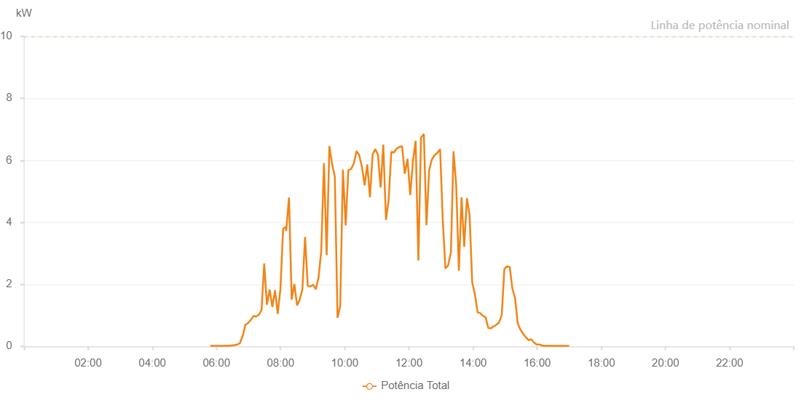

Number | Time | Working State | Alarm Code | Total Inverter Power(W)
1 | 13/07/2022 05:48:37 (UTC-4:00) | Normal |  | 20.000
2 | 13/07/2022 05:53:34 (UTC-4:00) | Normal |  | 20.000
3 | 13/07/2022 05:58:33 (UTC-4:00) | Normal |  | 20.000
4 | 13/07/2022 06:03:32 (UTC-4:00) | Normal |  | 20.000
5 | 13/07/2022 06:08:33 (UTC-4:00) | Normal |  | 20.000
6 | 13/07/2022 06:13:37 (UTC-4:00) | Normal |  | 20.000
7 | 13/07/2022 06:18:42 (UTC-4:00) | Normal |  | 20.000
8 | 13/07/2022 06:23:45 (UTC-4:00) | Normal |  | 20.000
9 | 13/07/2022 06:28:47 (UTC-4:00) | Normal |  | 30.000
10 | 13/07/2022 06:33:51 (UTC-4:00) | Normal |  | 40.000
11 | 13/07/2022 06:38:55 (UTC-4:00) | Normal |  | 60.000
12 | 13/07/2022 06:43:56 (UTC-4:00) | Normal |  | 100.000
13 | 13/07/2022 06:49:00 (UTC-4:00) | Normal |  | 340.000
14 | 13/07/2022 06:49:17 (UTC-4:00) | Normal |  | 340.000
15 | 13/07/2022 06:54:02 (UTC-4:00) | Normal |  | 690.000
16 | 13/07/2022 06:59:05 (UTC-4:00) | Normal |  | 750.000
17 | 13/07/2022 07:04:08 (UTC-4:00) | Normal |  | 850.000
18 | 13/07/2022 07:09:15 (UTC-4:00) | Normal |  | 980.000
19 | 13/07/2022 07:09:23 (UTC-4:00) | Normal |  | 980.000
20 | 13/07/2022 07:14:15 (UTC-4:00) | Normal |  | 960.000
21 | 13/07/2022 07:19:20 (UTC-4:00) | Normal |  | 1020.000
22 | 13/07/2022 07:24:20 (UTC-4:00) | Normal |  | 1170.000
23 | 13/07/2022 07:29:24 (UTC-4:00) | Normal |  | 2670.000
24 | 13/07/2022 07:34:26 (UTC-4:00) | Normal |  | 1340.000
25 | 13/07/2022 07:39:30 (UTC-4:00) | Normal |  | 1830.000
26 | 13/07/2022 07:44:33 (UTC-4:00) | Normal |  | 1270.000
27 | 13/07/2022 07:49:37 (UTC-4:00) | Normal |  | 1810.000
28 | 13/07/2022 07:54:39 (UTC-4:00) | Normal |  | 1050.000
29 | 13/07/2022 07:59:42 (UTC-4:00) | Normal |  | 1850.000
30 | 13/07/2022 08:04:45 (UTC-4:00) | Normal |  | 3790.000
31 | 13/07/2022 08:09:49 (UTC-4:00) | Normal |  | 3850.000
32 | 13/07/2022 08:10:28 (UTC-4:00) | Normal |  | 3720.000
33 | 13/07/2022 08:15:47 (UTC-4:00) | Normal |  | 4800.000
34 | 13/07/2022 08:20:47 (UTC-4:00) | Normal |  | 1510.000
35 | 13/07/2022 08:25:48 (UTC-4:00) | Normal |  | 2010.000
36 | 13/07/2022 08:30:47 (UTC-4:00) | Normal |  | 1320.000
37 | 13/07/2022 08:35:47 (UTC-4:00) | Normal |  | 1510.000
38 | 13/07/2022 08:40:47 (UTC-4:00) | Normal |  | 1840.000
39 | 13/07/2022 08:45:47 (UTC-4:00) | Normal |  | 3530.000
40 | 13/07/2022 08:50:47 (UTC-4:00) | Normal |  | 1950.000
41 | 13/07/2022 08:55:46 (UTC-4:00) | Normal |  | 1930.000
42 | 13/07/2022 09:00:50 (UTC-4:00) | Normal |  | 1990.000
43 | 13/07/2022 09:05:54 (UTC-4:00) | Normal |  | 1840.000
44 | 13/07/2022 09:11:00 (UTC-4:00) | Normal |  | 2220.000
45 | 13/07/2022 09:16:04 (UTC-4:00) | Normal |  | 3080.000
46 | 13/07/2022 09:21:08 (UTC-4:00) | Normal |  | 5910.000
47 | 13/07/2022 09:26:12 (UTC-4:00) | Normal |  | 2940.000
48 | 13/07/2022 09:31:16 (UTC-4:00) | Normal |  | 6460.000
49 | 13/07/2022 09:36:22 (UTC-4:00) | Normal |  | 5880.000
50 | 13/07/2022 09:41:28 (UTC-4:00) | Normal |  | 5480.000
51 | 13/07/2022 09:46:30 (UTC-4:00) | Normal |  | 920.000
52 | 13/07/2022 09:51:36 (UTC-4:00) | Normal |  | 1310.000
53 | 13/07/2022 09:56:37 (UTC-4:00) | Normal |  | 5700.000
54 | 13/07/2022 10:01:42 (UTC-4:00) | Normal |  | 3900.000
55 | 13/07/2022 10:06:47 (UTC-4:00) | Normal |  | 5680.000
56 | 13/07/2022 10:11:51 (UTC-4:00) | Normal |  | 5720.000
57 | 13/07/2022 10:16:54 (UTC-4:00) | Normal |  | 5890.000
58 | 13/07/2022 10:21:58 (UTC-4:00) | Normal |  | 6300.000
59 | 13/07/2022 10:27:02 (UTC-4:00) | Normal |  | 6170.000
60 | 13/07/2022 10:32:05 (UTC-4:00) | Normal |  | 5800.000
61 | 13/07/2022 10:37:09 (UTC-4:00) | Normal |  | 5210.000
62 | 13/07/2022 10:37:19 (UTC-4:00) | Normal |  | 5210.000
63 | 13/07/2022 10:42:08 (UTC-4:00) | Normal |  | 5870.000
64 | 13/07/2022 10:47:09 (UTC-4:00) | Normal |  | 4810.000
65 | 13/07/2022 10:52:08 (UTC-4:00) | Normal |  | 6190.000
66 | 13/07/2022 10:57:08 (UTC-4:00) | Normal |  | 6360.000
67 | 13/07/2022 11:02:07 (UTC-4:00) | Normal |  | 6180.000
68 | 13/07/2022 11:07:07 (UTC-4:00) | Normal |  | 5120.000
69 | 13/07/2022 11:12:07 (UTC-4:00) | Normal |  | 6510.000
70 | 13/07/2022 11:17:07 (UTC-4:00) | Normal |  | 4080.000
71 | 13/07/2022 11:22:07 (UTC-4:00) | Normal |  | 4710.000
72 | 13/07/2022 11:27:06 (UTC-4:00) | Normal |  | 6270.000
73 | 13/07/2022 11:32:06 (UTC-4:00) | Normal |  | 6260.000
74 | 13/07/2022 11:37:09 (UTC-4:00) | Normal |  | 6380.000
75 | 13/07/2022 11:42:14 (UTC-4:00) | Normal |  | 6430.000
76 | 13/07/2022 11:47:19 (UTC-4:00) | Normal |  | 6460.000
77 | 13/07/2022 11:52:19 (UTC-4:00) | Normal |  | 5570.000
78 | 13/07/2022 11:57:23 (UTC-4:00) | Normal |  | 6050.000
79 | 13/07/2022 12:02:27 (UTC-4:00) | Normal |  | 4880.000
80 | 13/07/2022 12:07:34 (UTC-4:00) | Normal |  | 5970.000
81 | 13/07/2022 12:12:36 (UTC-4:00) | Normal |  | 6630.000
82 | 13/07/2022 12:17:44 (UTC-4:00) | Normal |  | 2770.000
83 | 13/07/2022 12:22:44 (UTC-4:00) | Normal |  | 6740.000
84 | 13/07/2022 12:27:50 (UTC-4:00) | Normal |  | 6840.000
85 | 13/07/2022 12:27:59 (UTC-4:00) | Normal |  | 6840.000
86 | 13/07/2022 12:32:52 (UTC-4:00) | Normal |  | 3910.000
87 | 13/07/2022 12:37:56 (UTC-4:00) | Normal |  | 5690.000
88 | 13/07/2022 12:42:59 (UTC-4:00) | Normal |  | 6030.000
89 | 13/07/2022 12:48:04 (UTC-4:00) | Normal |  | 6170.000
90 | 13/07/2022 12:53:07 (UTC-4:00) | Normal |  | 6240.000
91 | 13/07/2022 12:58:11 (UTC-4:00) | Normal |  | 6350.000
92 | 13/07/2022 12:58:26 (UTC-4:00) | Normal |  | 6350.000
93 | 13/07/2022 13:03:15 (UTC-4:00) | Normal |  | 4120.000
94 | 13/07/2022 13:08:19 (UTC-4:00) | Normal |  | 2520.000
95 | 13/07/2022 13:08:30 (UTC-4:00) | Normal |  | 2520.000
96 | 13/07/2022 13:13:22 (UTC-4:00) | Normal |  | 2610.000
97 | 13/07/2022 13:18:26 (UTC-4:00) | Normal |  | 3020.000
98 | 13/07/2022 13:18:37 (UTC-4:00) | Normal |  | 3020.000
99 | 13/07/2022 13:23:30 (UTC-4:00) | Normal |  | 6290.000
100 | 13/07/2022 13:28:30 (UTC-4:00) | Normal |  | 5210.000
101 | 13/07/2022 13:33:29 (UTC-4:00) | Normal |  | 2440.000
102 | 13/07/2022 13:38:29 (UTC-4:00) | Normal |  | 4810.000
103 | 13/07/2022 13:43:29 (UTC-4:00) | Normal |  | 3210.000
104 | 13/07/2022 13:48:29 (UTC-4:00) | Normal |  | 4780.000
105 | 13/07/2022 13:53:29 (UTC-4:00) | Normal |  | 4250.000
106 | 13/07/2022 13:58:29 (UTC-4:00) | Normal |  | 2060.000
107 | 13/07/2022 14:03:29 (UTC-4:00) | Normal |  | 1680.000
108 | 13/07/2022 14:08:28 (UTC-4:00) | Normal |  | 1100.000
109 | 13/07/2022 14:13:28 (UTC-4:00) | Normal |  | 1070.000
110 | 13/07/2022 14:18:28 (UTC-4:00) | Normal |  | 980.000
111 | 13/07/2022 14:23:29 (UTC-4:00) | Normal |  | 940.000
112 | 13/07/2022 14:28:32 (UTC-4:00) | Normal |  | 590.000
113 | 13/07/2022 14:33:36 (UTC-4:00) | Normal |  | 580.000
114 | 13/07/2022 14:38:40 (UTC-4:00) | Normal |  | 650.000
115 | 13/07/2022 14:39:36 (UTC-4:00) | Normal |  | 650.000
116 | 13/07/2022 14:43:40 (UTC-4:00) | Normal |  | 700.000
117 | 13/07/2022 14:48:39 (UTC-4:00) | Normal |  | 770.000
118 | 13/07/2022 14:53:39 (UTC-4:00) | Normal |  | 1010.000
119 | 13/07/2022 14:58:39 (UTC-4:00) | Normal |  | 2500.000
120 | 13/07/2022 15:03:38 (UTC-4:00) | Normal |  | 2580.000
121 | 13/07/2022 15:08:38 (UTC-4:00) | Normal |  | 2560.000
122 | 13/07/2022 15:13:38 (UTC-4:00) | Normal |  | 1860.000
123 | 13/07/2022 15:18:37 (UTC-4:00) | Normal |  | 1560.000
124 | 13/07/2022 15:23:37 (UTC-4:00) | Normal |  | 740.000
125 | 13/07/2022 15:28:37 (UTC-4:00) | Normal |  | 540.000
126 | 13/07/2022 15:33:41 (UTC-4:00) | Normal |  | 410.000
127 | 13/07/2022 15:38:45 (UTC-4:00) | Normal |  | 290.000
128 | 13/07/2022 15:43:49 (UTC-4:00) | Normal |  | 200.000
129 | 13/07/2022 15:48:55 (UTC-4:00) | Normal |  | 230.000
130 | 13/07/2022 15:53:57 (UTC-4:00) | Normal |  | 130.000
131 | 13/07/2022 15:59:01 (UTC-4:00) | Normal |  | 60.000
132 | 13/07/2022 15:59:12 (UTC-4:00) | Normal |  | 60.000
133 | 13/07/2022 16:04:05 (UTC-4:00) | Normal |  | 60.000
134 | 13/07/2022 16:09:09 (UTC-4:00) | Normal |  | 30.000
135 | 13/07/2022 16:14:12 (UTC-4:00) | Normal |  | 20.000
136 | 13/07/2022 16:19:18 (UTC-4:00) | Normal |  | 20.000
137 | 13/07/2022 16:24:21 (UTC-4:00) | Normal |  | 20.000
138 | 13/07/2022 16:29:26 (UTC-4:00) | Normal |  | 20.000
139 | 13/07/2022 16:34:30 (UTC-4:00) | Normal |  | 20.000
140 | 13/07/2022 16:39:34 (UTC-4:00) | Normal |  | 20.000
141 | 13/07/2022 16:44:38 (UTC-4:00) | Normal |  | 20.000
142 | 13/07/2022 16:49:41 (UTC-4:00) | Normal |  | 20.000
143 | 13/07/2022 16:54:46 (UTC-4:00) | Normal |  | 20.000
144 | 13/07/2022 16:59:52 (UTC-4:00) | Normal |  | 20.000

