Inverter History Report__17-08-
Inverter History Report_14/07/2022_Report

Inverter SN:054B7020C020044 |  | Inverter type:B7
Collector SN:4045086367 |  | Full Load Hours(h):3.27
Rated Power:10000Wp

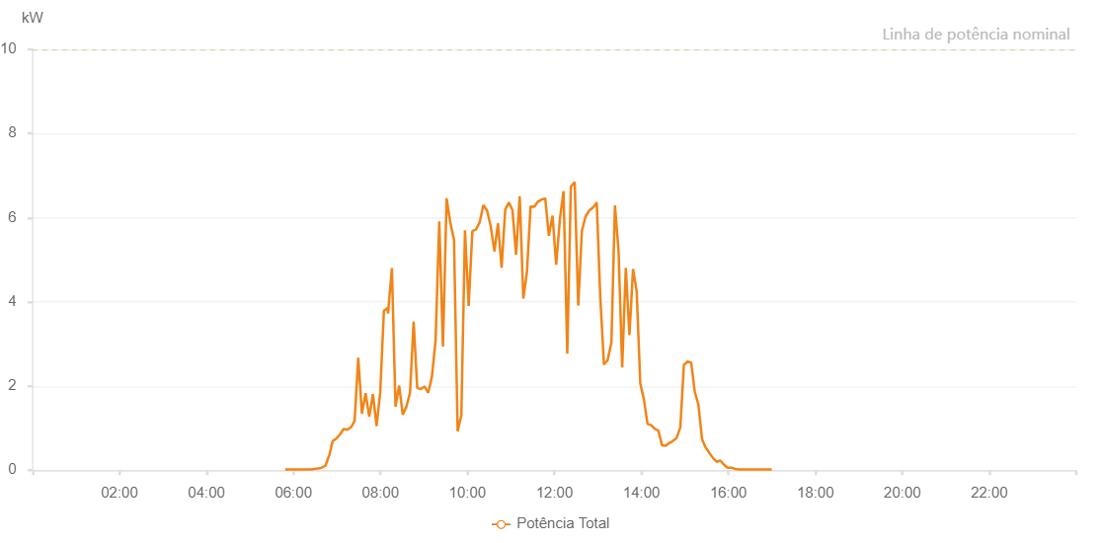

Number | Time | Working State | Alarm Code | Total Inverter Power(W)
1 | 14/07/2022 05:40:54 (UTC-4:00) | Normal |  | 20.000
2 | 14/07/2022 05:45:40 (UTC-4:00) | Normal |  | 20.000
3 | 14/07/2022 05:50:37 (UTC-4:00) | Normal |  | 20.000
4 | 14/07/2022 05:55:46 (UTC-4:00) | Normal |  | 20.000
5 | 14/07/2022 06:00:40 (UTC-4:00) | Normal |  | 20.000
6 | 14/07/2022 06:05:42 (UTC-4:00) | Normal |  | 60.000
7 | 14/07/2022 06:10:47 (UTC-4:00) | Normal |  | 100.000
8 | 14/07/2022 06:15:50 (UTC-4:00) | Normal |  | 150.000
9 | 14/07/2022 06:20:53 (UTC-4:00) | Normal |  | 160.000
10 | 14/07/2022 06:25:56 (UTC-4:00) | Normal |  | 260.000
11 | 14/07/2022 06:31:00 (UTC-4:00) | Normal |  | 280.000
12 | 14/07/2022 06:36:03 (UTC-4:00) | Normal |  | 410.000
13 | 14/07/2022 06:41:06 (UTC-4:00) | Normal |  | 480.000
14 | 14/07/2022 06:46:10 (UTC-4:00) | Normal |  | 610.000
15 | 14/07/2022 06:51:12 (UTC-4:00) | Normal |  | 760.000
16 | 14/07/2022 06:56:16 (UTC-4:00) | Normal |  | 840.000
17 | 14/07/2022 07:01:18 (UTC-4:00) | Normal |  | 960.000
18 | 14/07/2022 07:06:22 (UTC-4:00) | Normal |  | 1050.000
19 | 14/07/2022 07:11:26 (UTC-4:00) | Normal |  | 1170.000
20 | 14/07/2022 07:16:29 (UTC-4:00) | Normal |  | 1300.000
21 | 14/07/2022 07:21:31 (UTC-4:00) | Normal |  | 1390.000
22 | 14/07/2022 07:26:34 (UTC-4:00) | Normal |  | 1860.000
23 | 14/07/2022 07:31:46 (UTC-4:00) | Normal |  | 2120.000
24 | 14/07/2022 07:36:43 (UTC-4:00) | Normal |  | 2330.000
25 | 14/07/2022 07:41:50 (UTC-4:00) | Normal |  | 2540.000
26 | 14/07/2022 07:46:56 (UTC-4:00) | Normal |  | 2680.000
27 | 14/07/2022 07:51:52 (UTC-4:00) | Normal |  | 2740.000
28 | 14/07/2022 07:56:57 (UTC-4:00) | Normal |  | 2960.000
29 | 14/07/2022 08:01:58 (UTC-4:00) | Normal |  | 2800.000
30 | 14/07/2022 08:06:59 (UTC-4:00) | Normal |  | 3070.000
31 | 14/07/2022 08:12:02 (UTC-4:00) | Normal |  | 3170.000
32 | 14/07/2022 08:17:06 (UTC-4:00) | Normal |  | 3290.000
33 | 14/07/2022 08:22:10 (UTC-4:00) | Normal |  | 3400.000
34 | 14/07/2022 08:27:13 (UTC-4:00) | Normal |  | 3540.000
35 | 14/07/2022 08:32:16 (UTC-4:00) | Normal |  | 3620.000
36 | 14/07/2022 08:37:19 (UTC-4:00) | Normal |  | 3720.000
37 | 14/07/2022 08:42:22 (UTC-4:00) | Normal |  | 3840.000
38 | 14/07/2022 08:47:25 (UTC-4:00) | Normal |  | 3960.000
39 | 14/07/2022 08:52:28 (UTC-4:00) | Normal |  | 4150.000
40 | 14/07/2022 08:57:31 (UTC-4:00) | Normal |  | 4340.000
41 | 14/07/2022 09:02:34 (UTC-4:00) | Normal |  | 4400.000
42 | 14/07/2022 09:07:37 (UTC-4:00) | Normal |  | 4490.000
43 | 14/07/2022 09:12:40 (UTC-4:00) | Normal |  | 4470.000
44 | 14/07/2022 09:17:44 (UTC-4:00) | Normal |  | 4490.000
45 | 14/07/2022 09:22:48 (UTC-4:00) | Normal |  | 4590.000
46 | 14/07/2022 09:27:50 (UTC-4:00) | Normal |  | 4570.000
47 | 14/07/2022 09:32:55 (UTC-4:00) | Normal |  | 4370.000
48 | 14/07/2022 09:37:57 (UTC-4:00) | Normal |  | 4570.000
49 | 14/07/2022 09:43:02 (UTC-4:00) | Normal |  | 4950.000
50 | 14/07/2022 09:48:05 (UTC-4:00) | Normal |  | 4890.000
51 | 14/07/2022 09:53:07 (UTC-4:00) | Normal |  | 5000.000
52 | 14/07/2022 09:58:09 (UTC-4:00) | Normal |  | 5030.000
53 | 14/07/2022 10:03:13 (UTC-4:00) | Normal |  | 5110.000
54 | 14/07/2022 10:08:18 (UTC-4:00) | Normal |  | 5040.000
55 | 14/07/2022 10:13:22 (UTC-4:00) | Normal |  | 5210.000
56 | 14/07/2022 10:18:23 (UTC-4:00) | Normal |  | 5190.000
57 | 14/07/2022 10:23:26 (UTC-4:00) | Normal |  | 5190.000
58 | 14/07/2022 10:28:28 (UTC-4:00) | Normal |  | 5250.000
59 | 14/07/2022 10:33:32 (UTC-4:00) | Normal |  | 5230.000
60 | 14/07/2022 10:38:36 (UTC-4:00) | Normal |  | 5300.000
61 | 14/07/2022 10:43:39 (UTC-4:00) | Normal |  | 5270.000
62 | 14/07/2022 10:48:42 (UTC-4:00) | Normal |  | 5370.000
63 | 14/07/2022 10:53:46 (UTC-4:00) | Normal |  | 5340.000
64 | 14/07/2022 10:58:47 (UTC-4:00) | Normal |  | 5280.000
65 | 14/07/2022 11:03:51 (UTC-4:00) | Normal |  | 5270.000
66 | 14/07/2022 11:08:56 (UTC-4:00) | Normal |  | 5320.000
67 | 14/07/2022 11:13:58 (UTC-4:00) | Normal |  | 5300.000
68 | 14/07/2022 11:19:02 (UTC-4:00) | Normal |  | 5400.000
69 | 14/07/2022 11:24:04 (UTC-4:00) | Normal |  | 5280.000
70 | 14/07/2022 11:29:07 (UTC-4:00) | Normal |  | 5300.000
71 | 14/07/2022 11:34:13 (UTC-4:00) | Normal |  | 5280.000
72 | 14/07/2022 11:39:18 (UTC-4:00) | Normal |  | 5190.000
73 | 14/07/2022 11:44:15 (UTC-4:00) | Normal |  | 5230.000
74 | 14/07/2022 11:49:19 (UTC-4:00) | Normal |  | 5080.000
75 | 14/07/2022 11:54:22 (UTC-4:00) | Normal |  | 5080.000
76 | 14/07/2022 11:59:25 (UTC-4:00) | Normal |  | 5120.000
77 | 14/07/2022 12:04:26 (UTC-4:00) | Normal |  | 5030.000
78 | 14/07/2022 12:09:29 (UTC-4:00) | Normal |  | 5040.000
79 | 14/07/2022 12:14:32 (UTC-4:00) | Normal |  | 5130.000
80 | 14/07/2022 12:19:35 (UTC-4:00) | Normal |  | 4980.000
81 | 14/07/2022 12:24:39 (UTC-4:00) | Normal |  | 4880.000
82 | 14/07/2022 12:29:43 (UTC-4:00) | Normal |  | 4930.000
83 | 14/07/2022 12:34:45 (UTC-4:00) | Normal |  | 4870.000
84 | 14/07/2022 12:39:48 (UTC-4:00) | Normal |  | 4760.000
85 | 14/07/2022 12:44:50 (UTC-4:00) | Normal |  | 4720.000
86 | 14/07/2022 12:49:54 (UTC-4:00) | Normal |  | 4650.000
87 | 14/07/2022 12:54:56 (UTC-4:00) | Normal |  | 4550.000
88 | 14/07/2022 13:00:01 (UTC-4:00) | Normal |  | 4500.000
89 | 14/07/2022 13:05:03 (UTC-4:00) | Normal |  | 2940.000
90 | 14/07/2022 13:10:06 (UTC-4:00) | Normal |  | 4190.000
91 | 14/07/2022 13:15:09 (UTC-4:00) | Normal |  | 4380.000
92 | 14/07/2022 13:20:12 (UTC-4:00) | Normal |  | 4250.000
93 | 14/07/2022 13:20:23 (UTC-4:00) | Normal |  | 4250.000
94 | 14/07/2022 13:25:11 (UTC-4:00) | Normal |  | 4170.000
95 | 14/07/2022 13:30:10 (UTC-4:00) | Normal |  | 4000.000
96 | 14/07/2022 13:35:10 (UTC-4:00) | Normal |  | 3910.000
97 | 14/07/2022 13:40:09 (UTC-4:00) | Normal |  | 3510.000
98 | 14/07/2022 13:45:08 (UTC-4:00) | Normal |  | 920.000
99 | 14/07/2022 13:50:08 (UTC-4:00) | Normal |  | 3670.000
100 | 14/07/2022 13:55:07 (UTC-4:00) | Normal |  | 3630.000
101 | 14/07/2022 14:00:06 (UTC-4:00) | Normal |  | 3470.000
102 | 14/07/2022 14:05:05 (UTC-4:00) | Normal |  | 3260.000
103 | 14/07/2022 14:10:04 (UTC-4:00) | Normal |  | 3050.000
104 | 14/07/2022 14:15:03 (UTC-4:00) | Normal |  | 2860.000
105 | 14/07/2022 14:20:02 (UTC-4:00) | Normal |  | 2800.000
106 | 14/07/2022 14:25:04 (UTC-4:00) | Normal |  | 2610.000
107 | 14/07/2022 14:30:07 (UTC-4:00) | Normal |  | 2520.000
108 | 14/07/2022 14:35:10 (UTC-4:00) | Normal |  | 2340.000
109 | 14/07/2022 14:40:13 (UTC-4:00) | Normal |  | 2100.000
110 | 14/07/2022 14:45:16 (UTC-4:00) | Normal |  | 2120.000
111 | 14/07/2022 14:50:19 (UTC-4:00) | Normal |  | 1930.000
112 | 14/07/2022 14:55:22 (UTC-4:00) | Normal |  | 1800.000
113 | 14/07/2022 15:00:28 (UTC-4:00) | Normal |  | 1540.000
114 | 14/07/2022 15:00:38 (UTC-4:00) | Normal |  | 1540.000
115 | 14/07/2022 15:05:28 (UTC-4:00) | Normal |  | 1550.000
116 | 14/07/2022 15:10:37 (UTC-4:00) | Normal |  | 1410.000
117 | 14/07/2022 15:10:46 (UTC-4:00) | Normal |  | 1410.000
118 | 14/07/2022 15:11:05 (UTC-4:00) | Normal |  | 1400.000
119 | 14/07/2022 15:16:25 (UTC-4:00) | Normal |  | 1270.000
120 | 14/07/2022 15:21:26 (UTC-4:00) | Normal |  | 1120.000
121 | 14/07/2022 15:26:27 (UTC-4:00) | Normal |  | 1000.000
122 | 14/07/2022 15:31:27 (UTC-4:00) | Normal |  | 870.000
123 | 14/07/2022 15:36:28 (UTC-4:00) | Normal |  | 700.000
124 | 14/07/2022 15:41:31 (UTC-4:00) | Normal |  | 570.000
125 | 14/07/2022 15:46:31 (UTC-4:00) | Normal |  | 430.000
126 | 14/07/2022 15:51:37 (UTC-4:00) | Normal |  | 350.000
127 | 14/07/2022 15:56:41 (UTC-4:00) | Normal |  | 260.000
128 | 14/07/2022 16:01:45 (UTC-4:00) | Normal |  | 200.000
129 | 14/07/2022 16:06:49 (UTC-4:00) | Normal |  | 150.000
130 | 14/07/2022 16:11:54 (UTC-4:00) | Normal |  | 20.000
131 | 14/07/2022 16:16:58 (UTC-4:00) | Normal |  | 20.000
132 | 14/07/2022 16:21:59 (UTC-4:00) | Normal |  | 20.000
133 | 14/07/2022 16:27:00 (UTC-4:00) | Normal |  | 20.000
134 | 14/07/2022 16:32:01 (UTC-4:00) | Normal |  | 20.000
135 | 14/07/2022 16:37:01 (UTC-4:00) | Normal |  | 20.000
136 | 14/07/2022 16:42:02 (UTC-4:00) | Normal |  | 20.000
137 | 14/07/2022 16:47:07 (UTC-4:00) | Normal |  | 20.000
138 | 14/07/2022 16:52:09 (UTC-4:00) | Normal |  | 20.000
139 | 14/07/2022 16:57:10 (UTC-4:00) | Normal |  | 20.000

