Inverter History Report__17-08-
Inverter History Report_15/07/2022_Report

Inverter SN:054B7020C020044 |  | Inverter type:B7
Collector SN:4045086367 |  | Full Load Hours(h):3.14
Rated Power:10000Wp

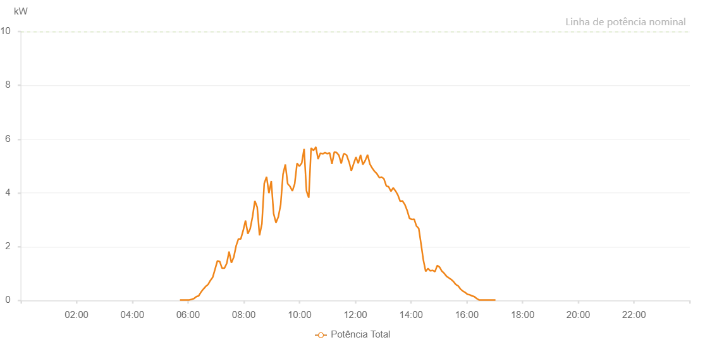

Number | Time | Working State | Alarm Code | Total Inverter Power(W)
1 | 15/07/2022 05:42:32 (UTC-4:00) | Normal |  | 20.000
2 | 15/07/2022 05:47:31 (UTC-4:00) | Normal |  | 20.000
3 | 15/07/2022 05:52:29 (UTC-4:00) | Normal |  | 20.000
4 | 15/07/2022 05:57:31 (UTC-4:00) | Normal |  | 20.000
5 | 15/07/2022 06:02:32 (UTC-4:00) | Normal |  | 20.000
6 | 15/07/2022 06:07:37 (UTC-4:00) | Normal |  | 40.000
7 | 15/07/2022 06:12:38 (UTC-4:00) | Normal |  | 70.000
8 | 15/07/2022 06:17:40 (UTC-4:00) | Normal |  | 140.000
9 | 15/07/2022 06:22:44 (UTC-4:00) | Normal |  | 170.000
10 | 15/07/2022 06:27:47 (UTC-4:00) | Normal |  | 310.000
11 | 15/07/2022 06:32:49 (UTC-4:00) | Normal |  | 420.000
12 | 15/07/2022 06:37:52 (UTC-4:00) | Normal |  | 520.000
13 | 15/07/2022 06:42:53 (UTC-4:00) | Normal |  | 590.000
14 | 15/07/2022 06:47:56 (UTC-4:00) | Normal |  | 740.000
15 | 15/07/2022 06:53:00 (UTC-4:00) | Normal |  | 860.000
16 | 15/07/2022 06:58:02 (UTC-4:00) | Normal |  | 1160.000
17 | 15/07/2022 07:03:06 (UTC-4:00) | Normal |  | 1470.000
18 | 15/07/2022 07:08:06 (UTC-4:00) | Normal |  | 1450.000
19 | 15/07/2022 07:13:09 (UTC-4:00) | Normal |  | 1200.000
20 | 15/07/2022 07:18:13 (UTC-4:00) | Normal |  | 1200.000
21 | 15/07/2022 07:23:15 (UTC-4:00) | Normal |  | 1380.000
22 | 15/07/2022 07:28:17 (UTC-4:00) | Normal |  | 1820.000
23 | 15/07/2022 07:33:19 (UTC-4:00) | Normal |  | 1400.000
24 | 15/07/2022 07:38:23 (UTC-4:00) | Normal |  | 1610.000
25 | 15/07/2022 07:43:26 (UTC-4:00) | Normal |  | 2030.000
26 | 15/07/2022 07:48:28 (UTC-4:00) | Normal |  | 2290.000
27 | 15/07/2022 07:53:30 (UTC-4:00) | Normal |  | 2290.000
28 | 15/07/2022 07:58:38 (UTC-4:00) | Normal |  | 2600.000
29 | 15/07/2022 08:03:40 (UTC-4:00) | Normal |  | 2970.000
30 | 15/07/2022 08:08:42 (UTC-4:00) | Normal |  | 2480.000
31 | 15/07/2022 08:13:44 (UTC-4:00) | Normal |  | 2670.000
32 | 15/07/2022 08:18:48 (UTC-4:00) | Normal |  | 3120.000
33 | 15/07/2022 08:23:47 (UTC-4:00) | Normal |  | 3700.000
34 | 15/07/2022 08:28:50 (UTC-4:00) | Normal |  | 3470.000
35 | 15/07/2022 08:33:52 (UTC-4:00) | Normal |  | 2420.000
36 | 15/07/2022 08:38:56 (UTC-4:00) | Normal |  | 2850.000
37 | 15/07/2022 08:43:57 (UTC-4:00) | Normal |  | 4350.000
38 | 15/07/2022 08:49:00 (UTC-4:00) | Normal |  | 4600.000
39 | 15/07/2022 08:54:03 (UTC-4:00) | Normal |  | 3990.000
40 | 15/07/2022 08:59:05 (UTC-4:00) | Normal |  | 4440.000
41 | 15/07/2022 09:04:10 (UTC-4:00) | Normal |  | 3230.000
42 | 15/07/2022 09:09:12 (UTC-4:00) | Normal |  | 2890.000
43 | 15/07/2022 09:14:17 (UTC-4:00) | Normal |  | 3110.000
44 | 15/07/2022 09:19:18 (UTC-4:00) | Normal |  | 3560.000
45 | 15/07/2022 09:24:20 (UTC-4:00) | Normal |  | 4690.000
46 | 15/07/2022 09:29:24 (UTC-4:00) | Normal |  | 5060.000
47 | 15/07/2022 09:34:26 (UTC-4:00) | Normal |  | 4340.000
48 | 15/07/2022 09:39:29 (UTC-4:00) | Normal |  | 4240.000
49 | 15/07/2022 09:44:31 (UTC-4:00) | Normal |  | 4070.000
50 | 15/07/2022 09:49:33 (UTC-4:00) | Normal |  | 4340.000
51 | 15/07/2022 09:54:36 (UTC-4:00) | Normal |  | 5100.000
52 | 15/07/2022 09:59:39 (UTC-4:00) | Normal |  | 4990.000
53 | 15/07/2022 10:04:41 (UTC-4:00) | Normal |  | 5110.000
54 | 15/07/2022 10:09:45 (UTC-4:00) | Normal |  | 5640.000
55 | 15/07/2022 10:14:51 (UTC-4:00) | Normal |  | 4070.000
56 | 15/07/2022 10:14:58 (UTC-4:00) | Normal |  | 4070.000
57 | 15/07/2022 10:19:48 (UTC-4:00) | Normal |  | 3820.000
58 | 15/07/2022 10:24:51 (UTC-4:00) | Normal |  | 5670.000
59 | 15/07/2022 10:29:54 (UTC-4:00) | Normal |  | 5580.000
60 | 15/07/2022 10:34:57 (UTC-4:00) | Normal |  | 5700.000
61 | 15/07/2022 10:35:07 (UTC-4:00) | Normal |  | 5700.000
62 | 15/07/2022 10:39:55 (UTC-4:00) | Normal |  | 5260.000
63 | 15/07/2022 10:44:53 (UTC-4:00) | Normal |  | 5480.000
64 | 15/07/2022 10:49:53 (UTC-4:00) | Normal |  | 5450.000
65 | 15/07/2022 10:54:50 (UTC-4:00) | Normal |  | 5500.000
66 | 15/07/2022 10:59:49 (UTC-4:00) | Normal |  | 5460.000
67 | 15/07/2022 11:04:48 (UTC-4:00) | Normal |  | 5490.000
68 | 15/07/2022 11:09:46 (UTC-4:00) | Normal |  | 5080.000
69 | 15/07/2022 11:14:45 (UTC-4:00) | Normal |  | 5520.000
70 | 15/07/2022 11:19:43 (UTC-4:00) | Normal |  | 5500.000
71 | 15/07/2022 11:24:42 (UTC-4:00) | Normal |  | 5400.000
72 | 15/07/2022 11:29:40 (UTC-4:00) | Normal |  | 5090.000
73 | 15/07/2022 11:34:41 (UTC-4:00) | Normal |  | 5440.000
74 | 15/07/2022 11:35:06 (UTC-4:00) | Normal |  | 5440.000
75 | 15/07/2022 11:36:06 (UTC-4:00) | Normal |  | 5460.000
76 | 15/07/2022 11:41:26 (UTC-4:00) | Normal |  | 5400.000
77 | 15/07/2022 11:46:24 (UTC-4:00) | Normal |  | 5150.000
78 | 15/07/2022 11:46:35 (UTC-4:00) | Normal |  | 5150.000
79 | 15/07/2022 11:51:23 (UTC-4:00) | Normal |  | 4820.000
80 | 15/07/2022 11:56:22 (UTC-4:00) | Normal |  | 5080.000
81 | 15/07/2022 12:01:21 (UTC-4:00) | Normal |  | 5330.000
82 | 15/07/2022 12:06:20 (UTC-4:00) | Normal |  | 5100.000
83 | 15/07/2022 12:11:19 (UTC-4:00) | Normal |  | 5410.000
84 | 15/07/2022 12:16:17 (UTC-4:00) | Normal |  | 5050.000
85 | 15/07/2022 12:21:18 (UTC-4:00) | Normal |  | 5200.000
86 | 15/07/2022 12:26:22 (UTC-4:00) | Normal |  | 5420.000
87 | 15/07/2022 12:31:26 (UTC-4:00) | Normal |  | 5070.000
88 | 15/07/2022 12:36:27 (UTC-4:00) | Normal |  | 4920.000
89 | 15/07/2022 12:41:29 (UTC-4:00) | Normal |  | 4800.000
90 | 15/07/2022 12:46:32 (UTC-4:00) | Normal |  | 4710.000
91 | 15/07/2022 12:51:36 (UTC-4:00) | Normal |  | 4570.000
92 | 15/07/2022 12:56:38 (UTC-4:00) | Normal |  | 4590.000
93 | 15/07/2022 13:01:39 (UTC-4:00) | Normal |  | 4520.000
94 | 15/07/2022 13:06:42 (UTC-4:00) | Normal |  | 4260.000
95 | 15/07/2022 13:11:40 (UTC-4:00) | Normal |  | 4230.000
96 | 15/07/2022 13:16:39 (UTC-4:00) | Normal |  | 4060.000
97 | 15/07/2022 13:21:38 (UTC-4:00) | Normal |  | 4190.000
98 | 15/07/2022 13:26:36 (UTC-4:00) | Normal |  | 4070.000
99 | 15/07/2022 13:26:47 (UTC-4:00) | Normal |  | 4070.000
100 | 15/07/2022 13:31:35 (UTC-4:00) | Normal |  | 3920.000
101 | 15/07/2022 13:36:34 (UTC-4:00) | Normal |  | 3690.000
102 | 15/07/2022 13:41:32 (UTC-4:00) | Normal |  | 3700.000
103 | 15/07/2022 13:46:31 (UTC-4:00) | Normal |  | 3570.000
104 | 15/07/2022 13:51:32 (UTC-4:00) | Normal |  | 3350.000
105 | 15/07/2022 13:56:30 (UTC-4:00) | Normal |  | 3060.000
106 | 15/07/2022 14:01:30 (UTC-4:00) | Normal |  | 3010.000
107 | 15/07/2022 14:06:33 (UTC-4:00) | Normal |  | 3020.000
108 | 15/07/2022 14:06:48 (UTC-4:00) | Normal |  | 3020.000
109 | 15/07/2022 14:11:33 (UTC-4:00) | Normal |  | 2770.000
110 | 15/07/2022 14:16:32 (UTC-4:00) | Normal |  | 2680.000
111 | 15/07/2022 14:21:32 (UTC-4:00) | Normal |  | 2100.000
112 | 15/07/2022 14:26:31 (UTC-4:00) | Normal |  | 1500.000
113 | 15/07/2022 14:31:30 (UTC-4:00) | Normal |  | 1080.000
114 | 15/07/2022 14:36:29 (UTC-4:00) | Normal |  | 1190.000
115 | 15/07/2022 14:41:27 (UTC-4:00) | Normal |  | 1100.000
116 | 15/07/2022 14:46:26 (UTC-4:00) | Normal |  | 1120.000
117 | 15/07/2022 14:51:25 (UTC-4:00) | Normal |  | 1070.000
118 | 15/07/2022 14:56:23 (UTC-4:00) | Normal |  | 1300.000
119 | 15/07/2022 15:01:22 (UTC-4:00) | Normal |  | 1240.000
120 | 15/07/2022 15:06:21 (UTC-4:00) | Normal |  | 1090.000
121 | 15/07/2022 15:11:20 (UTC-4:00) | Normal |  | 1010.000
122 | 15/07/2022 15:16:22 (UTC-4:00) | Normal |  | 900.000
123 | 15/07/2022 15:21:25 (UTC-4:00) | Normal |  | 840.000
124 | 15/07/2022 15:26:27 (UTC-4:00) | Normal |  | 780.000
125 | 15/07/2022 15:31:30 (UTC-4:00) | Normal |  | 700.000
126 | 15/07/2022 15:36:33 (UTC-4:00) | Normal |  | 590.000
127 | 15/07/2022 15:36:44 (UTC-4:00) | Normal |  | 590.000
128 | 15/07/2022 15:41:32 (UTC-4:00) | Normal |  | 540.000
129 | 15/07/2022 15:46:31 (UTC-4:00) | Normal |  | 420.000
130 | 15/07/2022 15:46:41 (UTC-4:00) | Normal |  | 420.000
131 | 15/07/2022 15:51:29 (UTC-4:00) | Normal |  | 350.000
132 | 15/07/2022 15:56:28 (UTC-4:00) | Normal |  | 300.000
133 | 15/07/2022 16:01:26 (UTC-4:00) | Normal |  | 230.000
134 | 15/07/2022 16:06:25 (UTC-4:00) | Normal |  | 210.000
135 | 15/07/2022 16:11:24 (UTC-4:00) | Normal |  | 170.000
136 | 15/07/2022 16:16:22 (UTC-4:00) | Normal |  | 140.000
137 | 15/07/2022 16:21:21 (UTC-4:00) | Normal |  | 70.000
138 | 15/07/2022 16:26:21 (UTC-4:00) | Normal |  | 20.000
139 | 15/07/2022 16:31:23 (UTC-4:00) | Normal |  | 20.000
140 | 15/07/2022 16:36:26 (UTC-4:00) | Normal |  | 20.000
141 | 15/07/2022 16:41:28 (UTC-4:00) | Normal |  | 20.000
142 | 15/07/2022 16:46:31 (UTC-4:00) | Normal |  | 20.000
143 | 15/07/2022 16:51:34 (UTC-4:00) | Normal |  | 20.000
144 | 15/07/2022 16:56:37 (UTC-4:00) | Normal |  | 20.000
145 | 15/07/2022 17:01:41 (UTC-4:00) | Normal |  | 20.000

