Inverter History Report__17-08-
Inverter History Report_16/07/2022_Report

Inverter SN:054B7020C020044 |  | Inverter type:B7
Collector SN:4045086367 |  | Full Load Hours(h):2.91
Rated Power:10000Wp

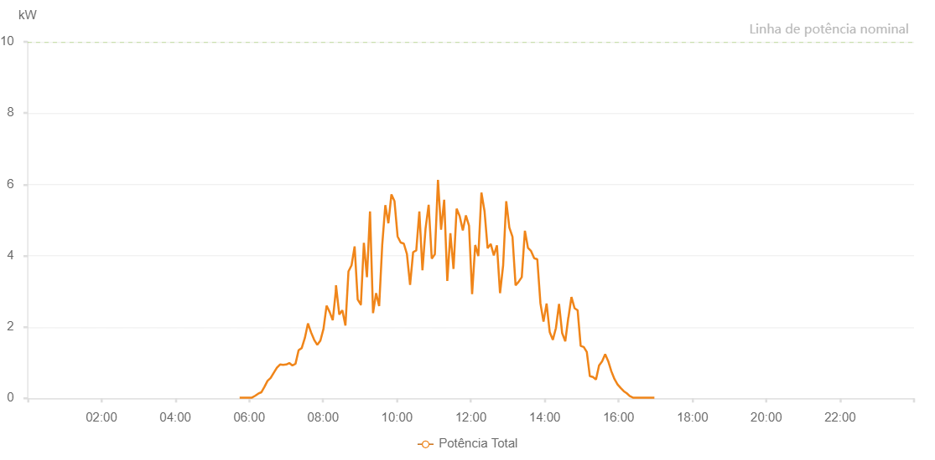

Number | Time | Working State | Alarm Code | Total Inverter Power(W)
1 | 16/07/2022 05:44:26 (UTC-4:00) | Normal |  | 20.000
2 | 16/07/2022 05:49:25 (UTC-4:00) | Normal |  | 20.000
3 | 16/07/2022 05:54:24 (UTC-4:00) | Normal |  | 20.000
4 | 16/07/2022 05:59:27 (UTC-4:00) | Normal |  | 20.000
5 | 16/07/2022 06:04:30 (UTC-4:00) | Normal |  | 20.000
6 | 16/07/2022 06:09:33 (UTC-4:00) | Normal |  | 70.000
7 | 16/07/2022 06:14:37 (UTC-4:00) | Normal |  | 130.000
8 | 16/07/2022 06:19:39 (UTC-4:00) | Normal |  | 170.000
9 | 16/07/2022 06:24:42 (UTC-4:00) | Normal |  | 320.000
10 | 16/07/2022 06:29:45 (UTC-4:00) | Normal |  | 490.000
11 | 16/07/2022 06:34:48 (UTC-4:00) | Normal |  | 570.000
12 | 16/07/2022 06:39:57 (UTC-4:00) | Normal |  | 720.000
13 | 16/07/2022 06:44:58 (UTC-4:00) | Normal |  | 860.000
14 | 16/07/2022 06:50:04 (UTC-4:00) | Normal |  | 950.000
15 | 16/07/2022 06:55:03 (UTC-4:00) | Normal |  | 940.000
16 | 16/07/2022 07:00:04 (UTC-4:00) | Normal |  | 950.000
17 | 16/07/2022 07:00:14 (UTC-4:00) | Normal |  | 950.000
18 | 16/07/2022 07:05:06 (UTC-4:00) | Normal |  | 990.000
19 | 16/07/2022 07:10:09 (UTC-4:00) | Normal |  | 920.000
20 | 16/07/2022 07:15:12 (UTC-4:00) | Normal |  | 970.000
21 | 16/07/2022 07:20:15 (UTC-4:00) | Normal |  | 1350.000
22 | 16/07/2022 07:25:18 (UTC-4:00) | Normal |  | 1410.000
23 | 16/07/2022 07:30:21 (UTC-4:00) | Normal |  | 1690.000
24 | 16/07/2022 07:35:25 (UTC-4:00) | Normal |  | 2100.000
25 | 16/07/2022 07:40:27 (UTC-4:00) | Normal |  | 1850.000
26 | 16/07/2022 07:45:31 (UTC-4:00) | Normal |  | 1640.000
27 | 16/07/2022 07:50:35 (UTC-4:00) | Normal |  | 1500.000
28 | 16/07/2022 07:55:37 (UTC-4:00) | Normal |  | 1620.000
29 | 16/07/2022 08:00:40 (UTC-4:00) | Normal |  | 1950.000
30 | 16/07/2022 08:05:43 (UTC-4:00) | Normal |  | 2600.000
31 | 16/07/2022 08:10:42 (UTC-4:00) | Normal |  | 2420.000
32 | 16/07/2022 08:15:41 (UTC-4:00) | Normal |  | 2190.000
33 | 16/07/2022 08:20:41 (UTC-4:00) | Normal |  | 3010.000
34 | 16/07/2022 08:20:59 (UTC-4:00) | Normal |  | 3170.000
35 | 16/07/2022 08:26:19 (UTC-4:00) | Normal |  | 2350.000
36 | 16/07/2022 08:31:18 (UTC-4:00) | Normal |  | 2470.000
37 | 16/07/2022 08:36:17 (UTC-4:00) | Normal |  | 2040.000
38 | 16/07/2022 08:41:15 (UTC-4:00) | Normal |  | 3560.000
39 | 16/07/2022 08:46:13 (UTC-4:00) | Normal |  | 3730.000
40 | 16/07/2022 08:51:13 (UTC-4:00) | Normal |  | 4260.000
41 | 16/07/2022 08:56:14 (UTC-4:00) | Normal |  | 2770.000
42 | 16/07/2022 09:01:15 (UTC-4:00) | Normal |  | 2630.000
43 | 16/07/2022 09:01:24 (UTC-4:00) | Normal |  | 2630.000
44 | 16/07/2022 09:06:15 (UTC-4:00) | Normal |  | 4360.000
45 | 16/07/2022 09:11:16 (UTC-4:00) | Normal |  | 3400.000
46 | 16/07/2022 09:16:14 (UTC-4:00) | Normal |  | 5240.000
47 | 16/07/2022 09:21:08 (UTC-4:00) | Normal |  | 2390.000
48 | 16/07/2022 09:26:07 (UTC-4:00) | Normal |  | 2950.000
49 | 16/07/2022 09:31:05 (UTC-4:00) | Normal |  | 2590.000
50 | 16/07/2022 09:36:04 (UTC-4:00) | Normal |  | 4300.000
51 | 16/07/2022 09:41:05 (UTC-4:00) | Normal |  | 5420.000
52 | 16/07/2022 09:46:03 (UTC-4:00) | Normal |  | 4910.000
53 | 16/07/2022 09:51:01 (UTC-4:00) | Normal |  | 5720.000
54 | 16/07/2022 09:56:00 (UTC-4:00) | Normal |  | 5530.000
55 | 16/07/2022 10:01:03 (UTC-4:00) | Normal |  | 4540.000
56 | 16/07/2022 10:06:05 (UTC-4:00) | Normal |  | 4370.000
57 | 16/07/2022 10:11:08 (UTC-4:00) | Normal |  | 4340.000
58 | 16/07/2022 10:16:10 (UTC-4:00) | Normal |  | 4050.000
59 | 16/07/2022 10:21:19 (UTC-4:00) | Normal |  | 3180.000
60 | 16/07/2022 10:26:18 (UTC-4:00) | Normal |  | 4100.000
61 | 16/07/2022 10:31:22 (UTC-4:00) | Normal |  | 4150.000
62 | 16/07/2022 10:36:22 (UTC-4:00) | Normal |  | 5240.000
63 | 16/07/2022 10:41:25 (UTC-4:00) | Normal |  | 3590.000
64 | 16/07/2022 10:46:27 (UTC-4:00) | Normal |  | 4760.000
65 | 16/07/2022 10:51:30 (UTC-4:00) | Normal |  | 5430.000
66 | 16/07/2022 10:56:32 (UTC-4:00) | Normal |  | 3920.000
67 | 16/07/2022 11:01:35 (UTC-4:00) | Normal |  | 4040.000
68 | 16/07/2022 11:06:38 (UTC-4:00) | Normal |  | 6130.000
69 | 16/07/2022 11:11:40 (UTC-4:00) | Normal |  | 4730.000
70 | 16/07/2022 11:16:43 (UTC-4:00) | Normal |  | 5570.000
71 | 16/07/2022 11:21:46 (UTC-4:00) | Normal |  | 3290.000
72 | 16/07/2022 11:26:49 (UTC-4:00) | Normal |  | 4630.000
73 | 16/07/2022 11:31:52 (UTC-4:00) | Normal |  | 3630.000
74 | 16/07/2022 11:36:56 (UTC-4:00) | Normal |  | 5320.000
75 | 16/07/2022 11:41:56 (UTC-4:00) | Normal |  | 5110.000
76 | 16/07/2022 11:47:00 (UTC-4:00) | Normal |  | 4710.000
77 | 16/07/2022 11:52:02 (UTC-4:00) | Normal |  | 5130.000
78 | 16/07/2022 11:57:04 (UTC-4:00) | Normal |  | 4840.000
79 | 16/07/2022 12:02:06 (UTC-4:00) | Normal |  | 2920.000
80 | 16/07/2022 12:07:07 (UTC-4:00) | Normal |  | 4300.000
81 | 16/07/2022 12:12:12 (UTC-4:00) | Normal |  | 3990.000
82 | 16/07/2022 12:17:13 (UTC-4:00) | Normal |  | 5770.000
83 | 16/07/2022 12:22:15 (UTC-4:00) | Normal |  | 5250.000
84 | 16/07/2022 12:27:17 (UTC-4:00) | Normal |  | 4210.000
85 | 16/07/2022 12:32:20 (UTC-4:00) | Normal |  | 4330.000
86 | 16/07/2022 12:37:22 (UTC-4:00) | Normal |  | 4010.000
87 | 16/07/2022 12:42:26 (UTC-4:00) | Normal |  | 4290.000
88 | 16/07/2022 12:47:27 (UTC-4:00) | Normal |  | 2950.000
89 | 16/07/2022 12:52:30 (UTC-4:00) | Normal |  | 3730.000
90 | 16/07/2022 12:57:32 (UTC-4:00) | Normal |  | 5530.000
91 | 16/07/2022 13:02:35 (UTC-4:00) | Normal |  | 4790.000
92 | 16/07/2022 13:07:40 (UTC-4:00) | Normal |  | 4530.000
93 | 16/07/2022 13:12:42 (UTC-4:00) | Normal |  | 3170.000
94 | 16/07/2022 13:17:43 (UTC-4:00) | Normal |  | 3270.000
95 | 16/07/2022 13:22:45 (UTC-4:00) | Normal |  | 3400.000
96 | 16/07/2022 13:27:51 (UTC-4:00) | Normal |  | 4700.000
97 | 16/07/2022 13:32:52 (UTC-4:00) | Normal |  | 4220.000
98 | 16/07/2022 13:37:53 (UTC-4:00) | Normal |  | 4130.000
99 | 16/07/2022 13:42:57 (UTC-4:00) | Normal |  | 3930.000
100 | 16/07/2022 13:47:59 (UTC-4:00) | Normal |  | 3900.000
101 | 16/07/2022 13:53:03 (UTC-4:00) | Normal |  | 2670.000
102 | 16/07/2022 13:58:04 (UTC-4:00) | Normal |  | 2150.000
103 | 16/07/2022 14:03:05 (UTC-4:00) | Normal |  | 2660.000
104 | 16/07/2022 14:08:08 (UTC-4:00) | Normal |  | 1860.000
105 | 16/07/2022 14:13:13 (UTC-4:00) | Normal |  | 1640.000
106 | 16/07/2022 14:18:15 (UTC-4:00) | Normal |  | 1970.000
107 | 16/07/2022 14:23:19 (UTC-4:00) | Normal |  | 2650.000
108 | 16/07/2022 14:28:22 (UTC-4:00) | Normal |  | 1830.000
109 | 16/07/2022 14:33:25 (UTC-4:00) | Normal |  | 1600.000
110 | 16/07/2022 14:38:25 (UTC-4:00) | Normal |  | 2270.000
111 | 16/07/2022 14:38:36 (UTC-4:00) | Normal |  | 2270.000
112 | 16/07/2022 14:43:27 (UTC-4:00) | Normal |  | 2840.000
113 | 16/07/2022 14:48:30 (UTC-4:00) | Normal |  | 2530.000
114 | 16/07/2022 14:53:29 (UTC-4:00) | Normal |  | 2470.000
115 | 16/07/2022 14:58:28 (UTC-4:00) | Normal |  | 1470.000
116 | 16/07/2022 15:03:26 (UTC-4:00) | Normal |  | 1440.000
117 | 16/07/2022 15:08:25 (UTC-4:00) | Normal |  | 1300.000
118 | 16/07/2022 15:13:23 (UTC-4:00) | Normal |  | 620.000
119 | 16/07/2022 15:18:22 (UTC-4:00) | Normal |  | 600.000
120 | 16/07/2022 15:23:21 (UTC-4:00) | Normal |  | 530.000
121 | 16/07/2022 15:28:19 (UTC-4:00) | Normal |  | 920.000
122 | 16/07/2022 15:33:18 (UTC-4:00) | Normal |  | 1040.000
123 | 16/07/2022 15:38:16 (UTC-4:00) | Normal |  | 1240.000
124 | 16/07/2022 15:43:15 (UTC-4:00) | Normal |  | 1040.000
125 | 16/07/2022 15:48:16 (UTC-4:00) | Normal |  | 760.000
126 | 16/07/2022 15:53:20 (UTC-4:00) | Normal |  | 540.000
127 | 16/07/2022 15:58:21 (UTC-4:00) | Normal |  | 390.000
128 | 16/07/2022 16:03:25 (UTC-4:00) | Normal |  | 290.000
129 | 16/07/2022 16:08:25 (UTC-4:00) | Normal |  | 200.000
130 | 16/07/2022 16:13:23 (UTC-4:00) | Normal |  | 140.000
131 | 16/07/2022 16:18:22 (UTC-4:00) | Normal |  | 60.000
132 | 16/07/2022 16:23:20 (UTC-4:00) | Normal |  | 20.000
133 | 16/07/2022 16:28:19 (UTC-4:00) | Normal |  | 20.000
134 | 16/07/2022 16:33:20 (UTC-4:00) | Normal |  | 20.000
135 | 16/07/2022 16:38:18 (UTC-4:00) | Normal |  | 20.000
136 | 16/07/2022 16:43:17 (UTC-4:00) | Normal |  | 20.000
137 | 16/07/2022 16:48:15 (UTC-4:00) | Normal |  | 20.000
138 | 16/07/2022 16:53:14 (UTC-4:00) | Normal |  | 20.000
139 | 16/07/2022 16:58:12 (UTC-4:00) | Normal |  | 20.000

