Inverter History Report__17-08-
Inverter History Report_17/07/2022_Report

Inverter SN:054B7020C020044 |  | Inverter type:B7
Collector SN:4045086367 |  | Full Load Hours(h):3.16
Rated Power:10000Wp

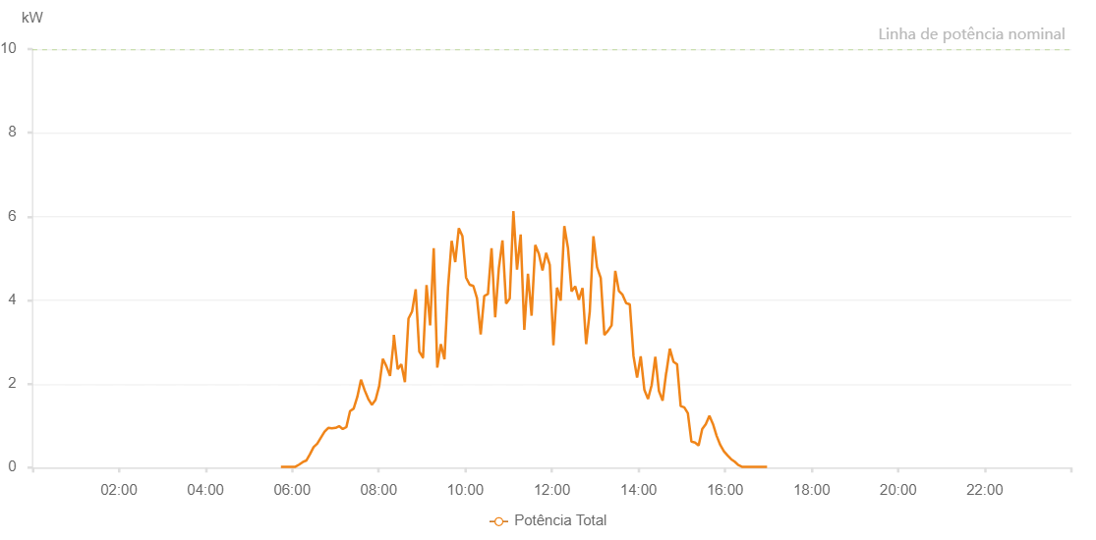

Number | Time | Working State | Alarm Code | Total Inverter Power(W)
1 | 17/07/2022 05:40:18 (UTC-4:00) | Normal |  | 20.000
2 | 17/07/2022 05:48:24 (UTC-4:00) | Normal |  | 20.000
3 | 17/07/2022 05:53:23 (UTC-4:00) | Normal |  | 20.000
4 | 17/07/2022 05:58:23 (UTC-4:00) | Normal |  | 20.000
5 | 17/07/2022 06:03:26 (UTC-4:00) | Normal |  | 50.000
6 | 17/07/2022 06:08:28 (UTC-4:00) | Normal |  | 120.000
7 | 17/07/2022 06:13:33 (UTC-4:00) | Normal |  | 160.000
8 | 17/07/2022 06:18:35 (UTC-4:00) | Normal |  | 250.000
9 | 17/07/2022 06:23:39 (UTC-4:00) | Normal |  | 390.000
10 | 17/07/2022 06:28:43 (UTC-4:00) | Normal |  | 500.000
11 | 17/07/2022 06:33:46 (UTC-4:00) | Normal |  | 520.000
12 | 17/07/2022 06:38:50 (UTC-4:00) | Normal |  | 530.000
13 | 17/07/2022 06:43:53 (UTC-4:00) | Normal |  | 570.000
14 | 17/07/2022 06:48:56 (UTC-4:00) | Normal |  | 780.000
15 | 17/07/2022 06:53:59 (UTC-4:00) | Normal |  | 930.000
16 | 17/07/2022 06:59:04 (UTC-4:00) | Normal |  | 1000.000
17 | 17/07/2022 07:04:07 (UTC-4:00) | Normal |  | 1110.000
18 | 17/07/2022 07:09:11 (UTC-4:00) | Normal |  | 1520.000
19 | 17/07/2022 07:14:15 (UTC-4:00) | Normal |  | 1880.000
20 | 17/07/2022 07:19:18 (UTC-4:00) | Normal |  | 2080.000
21 | 17/07/2022 07:24:21 (UTC-4:00) | Normal |  | 2150.000
22 | 17/07/2022 07:29:24 (UTC-4:00) | Normal |  | 2050.000
23 | 17/07/2022 07:34:27 (UTC-4:00) | Normal |  | 1020.000
24 | 17/07/2022 07:39:31 (UTC-4:00) | Normal |  | 920.000
25 | 17/07/2022 07:44:34 (UTC-4:00) | Normal |  | 1120.000
26 | 17/07/2022 07:49:37 (UTC-4:00) | Normal |  | 1860.000
27 | 17/07/2022 07:49:48 (UTC-4:00) | Normal |  | 1860.000
28 | 17/07/2022 07:54:41 (UTC-4:00) | Normal |  | 2560.000
29 | 17/07/2022 07:59:45 (UTC-4:00) | Normal |  | 2760.000
30 | 17/07/2022 08:04:48 (UTC-4:00) | Normal |  | 2750.000
31 | 17/07/2022 08:09:51 (UTC-4:00) | Normal |  | 3040.000
32 | 17/07/2022 08:14:54 (UTC-4:00) | Normal |  | 2670.000
33 | 17/07/2022 08:19:58 (UTC-4:00) | Normal |  | 2520.000
34 | 17/07/2022 08:25:02 (UTC-4:00) | Normal |  | 2920.000
35 | 17/07/2022 08:30:05 (UTC-4:00) | Normal |  | 2570.000
36 | 17/07/2022 08:35:08 (UTC-4:00) | Normal |  | 3740.000
37 | 17/07/2022 08:40:11 (UTC-4:00) | Normal |  | 3220.000
38 | 17/07/2022 08:45:15 (UTC-4:00) | Normal |  | 3840.000
39 | 17/07/2022 08:50:18 (UTC-4:00) | Normal |  | 3630.000
40 | 17/07/2022 08:55:21 (UTC-4:00) | Normal |  | 2390.000
41 | 17/07/2022 09:00:24 (UTC-4:00) | Normal |  | 3250.000
42 | 17/07/2022 09:05:28 (UTC-4:00) | Normal |  | 2930.000
43 | 17/07/2022 09:10:27 (UTC-4:00) | Normal |  | 4430.000
44 | 17/07/2022 09:15:26 (UTC-4:00) | Normal |  | 4500.000
45 | 17/07/2022 09:20:30 (UTC-4:00) | Normal |  | 4630.000
46 | 17/07/2022 09:25:31 (UTC-4:00) | Normal |  | 4420.000
47 | 17/07/2022 09:30:30 (UTC-4:00) | Normal |  | 4380.000
48 | 17/07/2022 09:35:29 (UTC-4:00) | Normal |  | 4260.000
49 | 17/07/2022 09:40:30 (UTC-4:00) | Normal |  | 4600.000
50 | 17/07/2022 09:45:30 (UTC-4:00) | Normal |  | 4780.000
51 | 17/07/2022 09:50:29 (UTC-4:00) | Normal |  | 4990.000
52 | 17/07/2022 09:55:30 (UTC-4:00) | Normal |  | 5220.000
53 | 17/07/2022 10:00:32 (UTC-4:00) | Normal |  | 5430.000
54 | 17/07/2022 10:05:31 (UTC-4:00) | Normal |  | 5620.000
55 | 17/07/2022 10:10:31 (UTC-4:00) | Normal |  | 5080.000
56 | 17/07/2022 10:15:31 (UTC-4:00) | Normal |  | 5060.000
57 | 17/07/2022 10:20:30 (UTC-4:00) | Normal |  | 4900.000
58 | 17/07/2022 10:25:32 (UTC-4:00) | Normal |  | 5730.000
59 | 17/07/2022 10:30:35 (UTC-4:00) | Normal |  | 5440.000
60 | 17/07/2022 10:35:39 (UTC-4:00) | Normal |  | 4560.000
61 | 17/07/2022 10:40:45 (UTC-4:00) | Normal |  | 4570.000
62 | 17/07/2022 10:45:48 (UTC-4:00) | Normal |  | 6690.000
63 | 17/07/2022 10:50:51 (UTC-4:00) | Normal |  | 3540.000
64 | 17/07/2022 10:55:57 (UTC-4:00) | Normal |  | 7210.000
65 | 17/07/2022 11:00:59 (UTC-4:00) | Normal |  | 4060.000
66 | 17/07/2022 11:06:02 (UTC-4:00) | Normal |  | 2990.000
67 | 17/07/2022 11:11:05 (UTC-4:00) | Normal |  | 6330.000
68 | 17/07/2022 11:16:09 (UTC-4:00) | Normal |  | 3620.000
69 | 17/07/2022 11:21:11 (UTC-4:00) | Normal |  | 5600.000
70 | 17/07/2022 11:26:15 (UTC-4:00) | Normal |  | 5490.000
71 | 17/07/2022 11:31:18 (UTC-4:00) | Normal |  | 6140.000
72 | 17/07/2022 11:36:21 (UTC-4:00) | Normal |  | 5230.000
73 | 17/07/2022 11:41:24 (UTC-4:00) | Normal |  | 5260.000
74 | 17/07/2022 11:46:27 (UTC-4:00) | Normal |  | 4680.000
75 | 17/07/2022 11:51:30 (UTC-4:00) | Normal |  | 5460.000
76 | 17/07/2022 11:56:35 (UTC-4:00) | Normal |  | 5170.000
77 | 17/07/2022 12:01:37 (UTC-4:00) | Normal |  | 5010.000
78 | 17/07/2022 12:06:40 (UTC-4:00) | Normal |  | 5010.000
79 | 17/07/2022 12:11:43 (UTC-4:00) | Normal |  | 4940.000
80 | 17/07/2022 12:16:48 (UTC-4:00) | Normal |  | 4830.000
81 | 17/07/2022 12:21:51 (UTC-4:00) | Normal |  | 5050.000
82 | 17/07/2022 12:26:54 (UTC-4:00) | Normal |  | 2910.000
83 | 17/07/2022 12:31:59 (UTC-4:00) | Normal |  | 1380.000
84 | 17/07/2022 12:37:01 (UTC-4:00) | Normal |  | 4460.000
85 | 17/07/2022 12:42:05 (UTC-4:00) | Normal |  | 4610.000
86 | 17/07/2022 12:47:04 (UTC-4:00) | Normal |  | 4650.000
87 | 17/07/2022 12:52:03 (UTC-4:00) | Normal |  | 4850.000
88 | 17/07/2022 12:57:02 (UTC-4:00) | Normal |  | 4360.000
89 | 17/07/2022 13:02:02 (UTC-4:00) | Normal |  | 4590.000
90 | 17/07/2022 13:07:01 (UTC-4:00) | Normal |  | 4230.000
91 | 17/07/2022 13:12:00 (UTC-4:00) | Normal |  | 4520.000
92 | 17/07/2022 13:17:00 (UTC-4:00) | Normal |  | 3900.000
93 | 17/07/2022 13:21:59 (UTC-4:00) | Normal |  | 4260.000
94 | 17/07/2022 13:26:58 (UTC-4:00) | Normal |  | 3780.000
95 | 17/07/2022 13:32:01 (UTC-4:00) | Normal |  | 3790.000
96 | 17/07/2022 13:37:00 (UTC-4:00) | Normal |  | 3720.000
97 | 17/07/2022 13:41:59 (UTC-4:00) | Normal |  | 3720.000
98 | 17/07/2022 13:47:03 (UTC-4:00) | Normal |  | 3580.000
99 | 17/07/2022 13:52:07 (UTC-4:00) | Normal |  | 3350.000
100 | 17/07/2022 13:57:10 (UTC-4:00) | Normal |  | 3160.000
101 | 17/07/2022 14:02:13 (UTC-4:00) | Normal |  | 3110.000
102 | 17/07/2022 14:07:17 (UTC-4:00) | Normal |  | 2890.000
103 | 17/07/2022 14:12:20 (UTC-4:00) | Normal |  | 2730.000
104 | 17/07/2022 14:17:24 (UTC-4:00) | Normal |  | 2880.000
105 | 17/07/2022 14:22:27 (UTC-4:00) | Normal |  | 2710.000
106 | 17/07/2022 14:27:30 (UTC-4:00) | Normal |  | 2430.000
107 | 17/07/2022 14:32:33 (UTC-4:00) | Normal |  | 2530.000
108 | 17/07/2022 14:37:36 (UTC-4:00) | Normal |  | 2250.000
109 | 17/07/2022 14:42:40 (UTC-4:00) | Normal |  | 1620.000
110 | 17/07/2022 14:47:44 (UTC-4:00) | Normal |  | 1880.000
111 | 17/07/2022 14:52:47 (UTC-4:00) | Normal |  | 2170.000
112 | 17/07/2022 14:57:51 (UTC-4:00) | Normal |  | 1650.000
113 | 17/07/2022 15:02:54 (UTC-4:00) | Normal |  | 1630.000
114 | 17/07/2022 15:07:57 (UTC-4:00) | Normal |  | 1740.000
115 | 17/07/2022 15:13:00 (UTC-4:00) | Normal |  | 820.000
116 | 17/07/2022 15:14:13 (UTC-4:00) | Normal |  | 770.000
117 | 17/07/2022 15:19:29 (UTC-4:00) | Normal |  | 750.000
118 | 17/07/2022 15:24:27 (UTC-4:00) | Normal |  | 790.000
119 | 17/07/2022 15:29:29 (UTC-4:00) | Normal |  | 600.000
120 | 17/07/2022 15:34:25 (UTC-4:00) | Normal |  | 570.000
121 | 17/07/2022 15:39:27 (UTC-4:00) | Normal |  | 450.000
122 | 17/07/2022 15:44:23 (UTC-4:00) | Normal |  | 410.000
123 | 17/07/2022 15:49:22 (UTC-4:00) | Normal |  | 450.000
124 | 17/07/2022 15:54:27 (UTC-4:00) | Normal |  | 240.000
125 | 17/07/2022 15:59:32 (UTC-4:00) | Normal |  | 170.000
126 | 17/07/2022 16:04:33 (UTC-4:00) | Normal |  | 160.000
127 | 17/07/2022 16:09:36 (UTC-4:00) | Normal |  | 130.000
128 | 17/07/2022 16:14:38 (UTC-4:00) | Normal |  | 70.000
129 | 17/07/2022 16:19:41 (UTC-4:00) | Normal |  | 20.000
130 | 17/07/2022 16:24:45 (UTC-4:00) | Normal |  | 20.000
131 | 17/07/2022 16:29:49 (UTC-4:00) | Normal |  | 20.000
132 | 17/07/2022 16:34:50 (UTC-4:00) | Normal |  | 20.000
133 | 17/07/2022 16:39:53 (UTC-4:00) | Normal |  | 20.000
134 | 17/07/2022 16:44:56 (UTC-4:00) | Normal |  | 20.000
135 | 17/07/2022 16:50:01 (UTC-4:00) | Normal |  | 20.000
136 | 17/07/2022 16:55:03 (UTC-4:00) | Normal |  | 20.000
137 | 17/07/2022 17:00:06 (UTC-4:00) | Normal |  | 20.000

