Inverter History Report__17-08-
Inverter History Report_18/07/2022_Report

Inverter SN:054B7020C020044 |  | Inverter type:B7
Collector SN:4045086367 |  | Full Load Hours(h):3.14
Rated Power:10000Wp

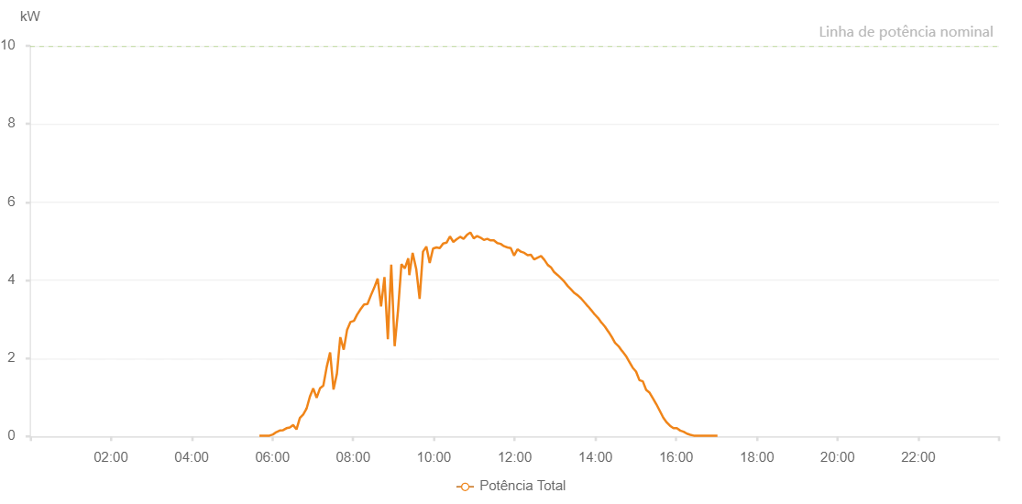

Number | Time | Working State | Alarm Code | Total Inverter Power(W)
1 | 18/07/2022 05:40:42 (UTC-4:00) | Normal |  | 20.000
2 | 18/07/2022 05:45:41 (UTC-4:00) | Normal |  | 20.000
3 | 18/07/2022 05:50:40 (UTC-4:00) | Normal |  | 20.000
4 | 18/07/2022 05:55:43 (UTC-4:00) | Normal |  | 20.000
5 | 18/07/2022 06:00:46 (UTC-4:00) | Normal |  | 50.000
6 | 18/07/2022 06:05:50 (UTC-4:00) | Normal |  | 110.000
7 | 18/07/2022 06:10:51 (UTC-4:00) | Normal |  | 150.000
8 | 18/07/2022 06:15:53 (UTC-4:00) | Normal |  | 160.000
9 | 18/07/2022 06:20:52 (UTC-4:00) | Normal |  | 210.000
10 | 18/07/2022 06:25:51 (UTC-4:00) | Normal |  | 230.000
11 | 18/07/2022 06:30:49 (UTC-4:00) | Normal |  | 290.000
12 | 18/07/2022 06:35:48 (UTC-4:00) | Normal |  | 180.000
13 | 18/07/2022 06:40:47 (UTC-4:00) | Normal |  | 470.000
14 | 18/07/2022 06:45:46 (UTC-4:00) | Normal |  | 560.000
15 | 18/07/2022 06:50:45 (UTC-4:00) | Normal |  | 710.000
16 | 18/07/2022 06:55:44 (UTC-4:00) | Normal |  | 1020.000
17 | 18/07/2022 07:00:43 (UTC-4:00) | Normal |  | 1230.000
18 | 18/07/2022 07:05:42 (UTC-4:00) | Normal |  | 990.000
19 | 18/07/2022 07:10:41 (UTC-4:00) | Normal |  | 1230.000
20 | 18/07/2022 07:15:41 (UTC-4:00) | Normal |  | 1300.000
21 | 18/07/2022 07:20:44 (UTC-4:00) | Normal |  | 1780.000
22 | 18/07/2022 07:25:46 (UTC-4:00) | Normal |  | 2150.000
23 | 18/07/2022 07:30:50 (UTC-4:00) | Normal |  | 1200.000
24 | 18/07/2022 07:35:53 (UTC-4:00) | Normal |  | 1610.000
25 | 18/07/2022 07:40:54 (UTC-4:00) | Normal |  | 2540.000
26 | 18/07/2022 07:45:58 (UTC-4:00) | Normal |  | 2220.000
27 | 18/07/2022 07:51:01 (UTC-4:00) | Normal |  | 2730.000
28 | 18/07/2022 07:56:04 (UTC-4:00) | Normal |  | 2930.000
29 | 18/07/2022 08:01:11 (UTC-4:00) | Normal |  | 2960.000
30 | 18/07/2022 08:06:11 (UTC-4:00) | Normal |  | 3130.000
31 | 18/07/2022 08:06:20 (UTC-4:00) | Normal |  | 3130.000
32 | 18/07/2022 08:11:12 (UTC-4:00) | Normal |  | 3260.000
33 | 18/07/2022 08:16:15 (UTC-4:00) | Normal |  | 3380.000
34 | 18/07/2022 08:21:18 (UTC-4:00) | Normal |  | 3390.000
35 | 18/07/2022 08:26:21 (UTC-4:00) | Normal |  | 3610.000
36 | 18/07/2022 08:31:23 (UTC-4:00) | Normal |  | 3810.000
37 | 18/07/2022 08:36:26 (UTC-4:00) | Normal |  | 4040.000
38 | 18/07/2022 08:41:29 (UTC-4:00) | Normal |  | 3330.000
39 | 18/07/2022 08:46:32 (UTC-4:00) | Normal |  | 4080.000
40 | 18/07/2022 08:51:34 (UTC-4:00) | Normal |  | 2490.000
41 | 18/07/2022 08:56:37 (UTC-4:00) | Normal |  | 4400.000
42 | 18/07/2022 09:01:40 (UTC-4:00) | Normal |  | 2310.000
43 | 18/07/2022 09:06:43 (UTC-4:00) | Normal |  | 3230.000
44 | 18/07/2022 09:11:46 (UTC-4:00) | Normal |  | 4410.000
45 | 18/07/2022 09:16:50 (UTC-4:00) | Normal |  | 4300.000
46 | 18/07/2022 09:21:53 (UTC-4:00) | Normal |  | 4560.000
47 | 18/07/2022 09:23:29 (UTC-4:00) | Normal |  | 4130.000
48 | 18/07/2022 09:28:25 (UTC-4:00) | Normal |  | 4700.000
49 | 18/07/2022 09:33:48 (UTC-4:00) | Normal |  | 4280.000
50 | 18/07/2022 09:38:47 (UTC-4:00) | Normal |  | 3520.000
51 | 18/07/2022 09:43:48 (UTC-4:00) | Normal |  | 4730.000
52 | 18/07/2022 09:48:47 (UTC-4:00) | Normal |  | 4860.000
53 | 18/07/2022 09:53:46 (UTC-4:00) | Normal |  | 4440.000
54 | 18/07/2022 09:58:47 (UTC-4:00) | Normal |  | 4810.000
55 | 18/07/2022 10:03:47 (UTC-4:00) | Normal |  | 4840.000
56 | 18/07/2022 10:08:46 (UTC-4:00) | Normal |  | 4820.000
57 | 18/07/2022 10:13:46 (UTC-4:00) | Normal |  | 4940.000
58 | 18/07/2022 10:18:49 (UTC-4:00) | Normal |  | 4960.000
59 | 18/07/2022 10:23:52 (UTC-4:00) | Normal |  | 5120.000
60 | 18/07/2022 10:28:56 (UTC-4:00) | Normal |  | 4980.000
61 | 18/07/2022 10:33:59 (UTC-4:00) | Normal |  | 5050.000
62 | 18/07/2022 10:39:02 (UTC-4:00) | Normal |  | 5110.000
63 | 18/07/2022 10:44:05 (UTC-4:00) | Normal |  | 5060.000
64 | 18/07/2022 10:49:09 (UTC-4:00) | Normal |  | 5160.000
65 | 18/07/2022 10:54:12 (UTC-4:00) | Normal |  | 5220.000
66 | 18/07/2022 10:59:15 (UTC-4:00) | Normal |  | 5070.000
67 | 18/07/2022 11:04:15 (UTC-4:00) | Normal |  | 5130.000
68 | 18/07/2022 11:09:14 (UTC-4:00) | Normal |  | 5090.000
69 | 18/07/2022 11:14:15 (UTC-4:00) | Normal |  | 5030.000
70 | 18/07/2022 11:19:15 (UTC-4:00) | Normal |  | 5060.000
71 | 18/07/2022 11:24:14 (UTC-4:00) | Normal |  | 5020.000
72 | 18/07/2022 11:29:13 (UTC-4:00) | Normal |  | 5020.000
73 | 18/07/2022 11:34:12 (UTC-4:00) | Normal |  | 4950.000
74 | 18/07/2022 11:39:12 (UTC-4:00) | Normal |  | 4930.000
75 | 18/07/2022 11:44:14 (UTC-4:00) | Normal |  | 4870.000
76 | 18/07/2022 11:49:14 (UTC-4:00) | Normal |  | 4840.000
77 | 18/07/2022 11:54:14 (UTC-4:00) | Normal |  | 4820.000
78 | 18/07/2022 11:59:13 (UTC-4:00) | Normal |  | 4630.000
79 | 18/07/2022 12:04:14 (UTC-4:00) | Normal |  | 4790.000
80 | 18/07/2022 12:09:16 (UTC-4:00) | Normal |  | 4730.000
81 | 18/07/2022 12:14:20 (UTC-4:00) | Normal |  | 4700.000
82 | 18/07/2022 12:19:21 (UTC-4:00) | Normal |  | 4640.000
83 | 18/07/2022 12:24:09 (UTC-4:00) | Normal |  | 4650.000
84 | 18/07/2022 12:28:55 (UTC-4:00) | Normal |  | 4530.000
85 | 18/07/2022 12:34:18 (UTC-4:00) | Normal |  | 4580.000
86 | 18/07/2022 12:39:17 (UTC-4:00) | Normal |  | 4620.000
87 | 18/07/2022 12:44:16 (UTC-4:00) | Normal |  | 4520.000
88 | 18/07/2022 12:49:15 (UTC-4:00) | Normal |  | 4390.000
89 | 18/07/2022 12:53:56 (UTC-4:00) | Normal |  | 4330.000
90 | 18/07/2022 12:58:31 (UTC-4:00) | Normal |  | 4210.000
91 | 18/07/2022 13:03:56 (UTC-4:00) | Normal |  | 4130.000
92 | 18/07/2022 13:08:56 (UTC-4:00) | Normal |  | 4050.000
93 | 18/07/2022 13:13:55 (UTC-4:00) | Normal |  | 3960.000
94 | 18/07/2022 13:18:55 (UTC-4:00) | Normal |  | 3850.000
95 | 18/07/2022 13:23:54 (UTC-4:00) | Normal |  | 3760.000
96 | 18/07/2022 13:28:54 (UTC-4:00) | Normal |  | 3670.000
97 | 18/07/2022 13:33:54 (UTC-4:00) | Normal |  | 3610.000
98 | 18/07/2022 13:38:53 (UTC-4:00) | Normal |  | 3530.000
99 | 18/07/2022 13:43:53 (UTC-4:00) | Normal |  | 3430.000
100 | 18/07/2022 13:48:56 (UTC-4:00) | Normal |  | 3330.000
101 | 18/07/2022 13:49:06 (UTC-4:00) | Normal |  | 3330.000
102 | 18/07/2022 13:53:59 (UTC-4:00) | Normal |  | 3230.000
103 | 18/07/2022 13:59:03 (UTC-4:00) | Normal |  | 3120.000
104 | 18/07/2022 13:59:13 (UTC-4:00) | Normal |  | 3120.000
105 | 18/07/2022 14:04:06 (UTC-4:00) | Normal |  | 3030.000
106 | 18/07/2022 14:09:10 (UTC-4:00) | Normal |  | 2910.000
107 | 18/07/2022 14:09:27 (UTC-4:00) | Normal |  | 2910.000
108 | 18/07/2022 14:14:14 (UTC-4:00) | Normal |  | 2810.000
109 | 18/07/2022 14:19:17 (UTC-4:00) | Normal |  | 2680.000
110 | 18/07/2022 14:19:28 (UTC-4:00) | Normal |  | 2680.000
111 | 18/07/2022 14:24:20 (UTC-4:00) | Normal |  | 2550.000
112 | 18/07/2022 14:29:24 (UTC-4:00) | Normal |  | 2390.000
113 | 18/07/2022 14:29:35 (UTC-4:00) | Normal |  | 2390.000
114 | 18/07/2022 14:34:28 (UTC-4:00) | Normal |  | 2310.000
115 | 18/07/2022 14:39:31 (UTC-4:00) | Normal |  | 2190.000
116 | 18/07/2022 14:39:41 (UTC-4:00) | Normal |  | 2190.000
117 | 18/07/2022 14:40:03 (UTC-4:00) | Normal |  | 2180.000
118 | 18/07/2022 14:45:26 (UTC-4:00) | Normal |  | 2060.000
119 | 18/07/2022 14:50:27 (UTC-4:00) | Normal |  | 1910.000
120 | 18/07/2022 14:55:28 (UTC-4:00) | Normal |  | 1760.000
121 | 18/07/2022 15:00:28 (UTC-4:00) | Normal |  | 1660.000
122 | 18/07/2022 15:05:29 (UTC-4:00) | Normal |  | 1440.000
123 | 18/07/2022 15:10:30 (UTC-4:00) | Normal |  | 1410.000
124 | 18/07/2022 15:15:31 (UTC-4:00) | Normal |  | 1190.000
125 | 18/07/2022 15:20:35 (UTC-4:00) | Normal |  | 1120.000
126 | 18/07/2022 15:25:40 (UTC-4:00) | Normal |  | 970.000
127 | 18/07/2022 15:30:45 (UTC-4:00) | Normal |  | 820.000
128 | 18/07/2022 15:35:50 (UTC-4:00) | Normal |  | 650.000
129 | 18/07/2022 15:40:55 (UTC-4:00) | Normal |  | 480.000
130 | 18/07/2022 15:45:59 (UTC-4:00) | Normal |  | 360.000
131 | 18/07/2022 15:51:04 (UTC-4:00) | Normal |  | 270.000
132 | 18/07/2022 15:56:05 (UTC-4:00) | Normal |  | 210.000
133 | 18/07/2022 16:01:05 (UTC-4:00) | Normal |  | 210.000
134 | 18/07/2022 16:06:06 (UTC-4:00) | Normal |  | 150.000
135 | 18/07/2022 16:11:07 (UTC-4:00) | Normal |  | 120.000
136 | 18/07/2022 16:16:09 (UTC-4:00) | Normal |  | 70.000
137 | 18/07/2022 16:21:10 (UTC-4:00) | Normal |  | 40.000
138 | 18/07/2022 16:26:10 (UTC-4:00) | Normal |  | 20.000
139 | 18/07/2022 16:31:11 (UTC-4:00) | Normal |  | 20.000
140 | 18/07/2022 16:36:12 (UTC-4:00) | Normal |  | 20.000
141 | 18/07/2022 16:41:13 (UTC-4:00) | Normal |  | 20.000
142 | 18/07/2022 16:46:14 (UTC-4:00) | Normal |  | 20.000
143 | 18/07/2022 16:51:18 (UTC-4:00) | Normal |  | 20.000
144 | 18/07/2022 16:56:23 (UTC-4:00) | Normal |  | 20.000
145 | 18/07/2022 17:01:27 (UTC-4:00) | Normal |  | 20.000

