Inverter History Report__17-08-
Inverter History Report_19/07/2022_Report

Inverter SN:054B7020C020044 |  | Inverter type:B7
Collector SN:4045086367 |  | Full Load Hours(h):2.93
Rated Power:10000Wp

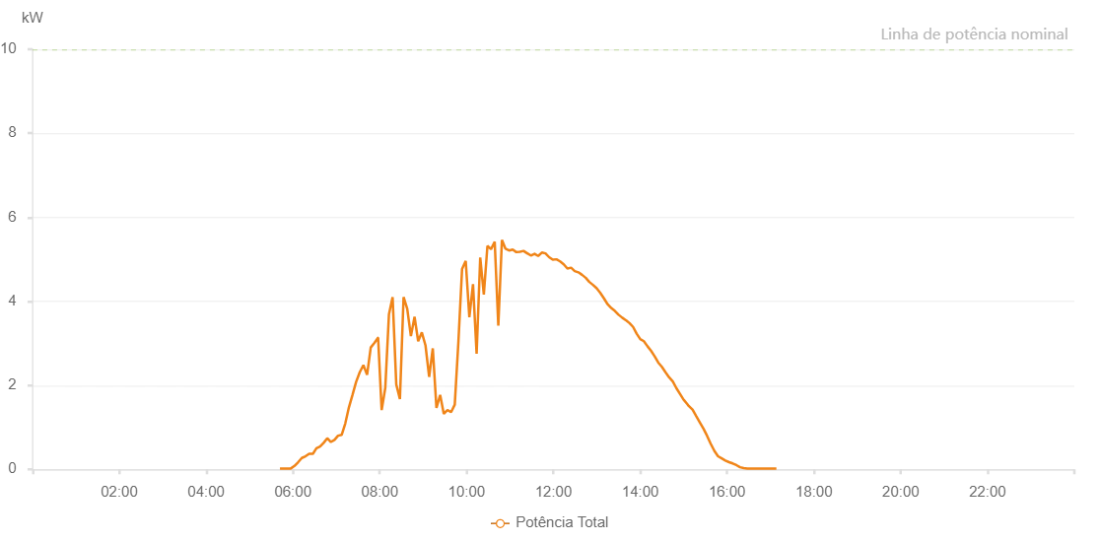

Number | Time | Working State | Alarm Code | Total Inverter Power(W)
1 | 19/07/2022 05:42:04 (UTC-4:00) | Normal |  | 20.000
2 | 19/07/2022 05:47:03 (UTC-4:00) | Normal |  | 20.000
3 | 19/07/2022 05:52:02 (UTC-4:00) | Normal |  | 20.000
4 | 19/07/2022 05:57:04 (UTC-4:00) | Normal |  | 20.000
5 | 19/07/2022 06:02:07 (UTC-4:00) | Normal |  | 80.000
6 | 19/07/2022 06:07:12 (UTC-4:00) | Normal |  | 170.000
7 | 19/07/2022 06:12:16 (UTC-4:00) | Normal |  | 270.000
8 | 19/07/2022 06:17:19 (UTC-4:00) | Normal |  | 310.000
9 | 19/07/2022 06:22:24 (UTC-4:00) | Normal |  | 370.000
10 | 19/07/2022 06:27:26 (UTC-4:00) | Normal |  | 370.000
11 | 19/07/2022 06:27:37 (UTC-4:00) | Normal |  | 370.000
12 | 19/07/2022 06:32:29 (UTC-4:00) | Normal |  | 500.000
13 | 19/07/2022 06:37:28 (UTC-4:00) | Normal |  | 540.000
14 | 19/07/2022 06:42:27 (UTC-4:00) | Normal |  | 630.000
15 | 19/07/2022 06:47:28 (UTC-4:00) | Normal |  | 740.000
16 | 19/07/2022 06:52:27 (UTC-4:00) | Normal |  | 650.000
17 | 19/07/2022 06:57:27 (UTC-4:00) | Normal |  | 700.000
18 | 19/07/2022 07:02:21 (UTC-4:00) | Normal |  | 800.000
19 | 19/07/2022 07:07:21 (UTC-4:00) | Normal |  | 820.000
20 | 19/07/2022 07:12:19 (UTC-4:00) | Normal |  | 1090.000
21 | 19/07/2022 07:17:18 (UTC-4:00) | Normal |  | 1470.000
22 | 19/07/2022 07:22:16 (UTC-4:00) | Normal |  | 1770.000
23 | 19/07/2022 07:27:17 (UTC-4:00) | Normal |  | 2080.000
24 | 19/07/2022 07:32:20 (UTC-4:00) | Normal |  | 2310.000
25 | 19/07/2022 07:37:23 (UTC-4:00) | Normal |  | 2480.000
26 | 19/07/2022 07:42:30 (UTC-4:00) | Normal |  | 2250.000
27 | 19/07/2022 07:47:32 (UTC-4:00) | Normal |  | 2900.000
28 | 19/07/2022 07:52:34 (UTC-4:00) | Normal |  | 3010.000
29 | 19/07/2022 07:57:35 (UTC-4:00) | Normal |  | 3130.000
30 | 19/07/2022 07:57:45 (UTC-4:00) | Normal |  | 3130.000
31 | 19/07/2022 08:02:38 (UTC-4:00) | Normal |  | 1410.000
32 | 19/07/2022 08:07:39 (UTC-4:00) | Normal |  | 1940.000
33 | 19/07/2022 08:12:42 (UTC-4:00) | Normal |  | 3690.000
34 | 19/07/2022 08:17:45 (UTC-4:00) | Normal |  | 4100.000
35 | 19/07/2022 08:22:49 (UTC-4:00) | Normal |  | 2020.000
36 | 19/07/2022 08:27:52 (UTC-4:00) | Normal |  | 1670.000
37 | 19/07/2022 08:32:55 (UTC-4:00) | Normal |  | 4100.000
38 | 19/07/2022 08:37:58 (UTC-4:00) | Normal |  | 3820.000
39 | 19/07/2022 08:43:02 (UTC-4:00) | Normal |  | 3170.000
40 | 19/07/2022 08:48:04 (UTC-4:00) | Normal |  | 3630.000
41 | 19/07/2022 08:53:06 (UTC-4:00) | Normal |  | 3050.000
42 | 19/07/2022 08:58:09 (UTC-4:00) | Normal |  | 3260.000
43 | 19/07/2022 09:03:13 (UTC-4:00) | Normal |  | 2950.000
44 | 19/07/2022 09:08:16 (UTC-4:00) | Normal |  | 2200.000
45 | 19/07/2022 09:13:18 (UTC-4:00) | Normal |  | 2880.000
46 | 19/07/2022 09:18:21 (UTC-4:00) | Normal |  | 1460.000
47 | 19/07/2022 09:23:27 (UTC-4:00) | Normal |  | 1770.000
48 | 19/07/2022 09:28:31 (UTC-4:00) | Normal |  | 1320.000
49 | 19/07/2022 09:33:34 (UTC-4:00) | Normal |  | 1410.000
50 | 19/07/2022 09:38:36 (UTC-4:00) | Normal |  | 1360.000
51 | 19/07/2022 09:43:39 (UTC-4:00) | Normal |  | 1540.000
52 | 19/07/2022 09:48:44 (UTC-4:00) | Normal |  | 3050.000
53 | 19/07/2022 09:53:46 (UTC-4:00) | Normal |  | 4770.000
54 | 19/07/2022 09:58:48 (UTC-4:00) | Normal |  | 4960.000
55 | 19/07/2022 10:03:50 (UTC-4:00) | Normal |  | 3620.000
56 | 19/07/2022 10:08:53 (UTC-4:00) | Normal |  | 4410.000
57 | 19/07/2022 10:13:52 (UTC-4:00) | Normal |  | 2750.000
58 | 19/07/2022 10:18:51 (UTC-4:00) | Normal |  | 5040.000
59 | 19/07/2022 10:23:50 (UTC-4:00) | Normal |  | 4160.000
60 | 19/07/2022 10:28:49 (UTC-4:00) | Normal |  | 5320.000
61 | 19/07/2022 10:33:48 (UTC-4:00) | Normal |  | 5240.000
62 | 19/07/2022 10:38:52 (UTC-4:00) | Normal |  | 5420.000
63 | 19/07/2022 10:43:51 (UTC-4:00) | Normal |  | 3420.000
64 | 19/07/2022 10:48:51 (UTC-4:00) | Normal |  | 5460.000
65 | 19/07/2022 10:53:48 (UTC-4:00) | Normal |  | 5250.000
66 | 19/07/2022 10:58:47 (UTC-4:00) | Normal |  | 5210.000
67 | 19/07/2022 11:03:46 (UTC-4:00) | Normal |  | 5230.000
68 | 19/07/2022 11:08:45 (UTC-4:00) | Normal |  | 5170.000
69 | 19/07/2022 11:13:43 (UTC-4:00) | Normal |  | 5180.000
70 | 19/07/2022 11:18:44 (UTC-4:00) | Normal |  | 5200.000
71 | 19/07/2022 11:23:52 (UTC-4:00) | Normal |  | 5140.000
72 | 19/07/2022 11:24:04 (UTC-4:00) | Normal |  | 5140.000
73 | 19/07/2022 11:28:50 (UTC-4:00) | Normal |  | 5090.000
74 | 19/07/2022 11:33:53 (UTC-4:00) | Normal |  | 5130.000
75 | 19/07/2022 11:34:04 (UTC-4:00) | Normal |  | 5130.000
76 | 19/07/2022 11:38:56 (UTC-4:00) | Normal |  | 5080.000
77 | 19/07/2022 11:44:01 (UTC-4:00) | Normal |  | 5160.000
78 | 19/07/2022 11:44:11 (UTC-4:00) | Normal |  | 5160.000
79 | 19/07/2022 11:49:02 (UTC-4:00) | Normal |  | 5140.000
80 | 19/07/2022 11:54:05 (UTC-4:00) | Normal |  | 5050.000
81 | 19/07/2022 11:54:06 (UTC-4:00) | Normal |  | 5050.000
82 | 19/07/2022 11:59:08 (UTC-4:00) | Normal |  | 4990.000
83 | 19/07/2022 12:04:14 (UTC-4:00) | Normal |  | 5000.000
84 | 19/07/2022 12:09:14 (UTC-4:00) | Normal |  | 4950.000
85 | 19/07/2022 12:14:17 (UTC-4:00) | Normal |  | 4880.000
86 | 19/07/2022 12:19:21 (UTC-4:00) | Normal |  | 4780.000
87 | 19/07/2022 12:24:26 (UTC-4:00) | Normal |  | 4800.000
88 | 19/07/2022 12:29:27 (UTC-4:00) | Normal |  | 4720.000
89 | 19/07/2022 12:34:29 (UTC-4:00) | Normal |  | 4690.000
90 | 19/07/2022 12:39:33 (UTC-4:00) | Normal |  | 4630.000
91 | 19/07/2022 12:44:37 (UTC-4:00) | Normal |  | 4560.000
92 | 19/07/2022 12:49:39 (UTC-4:00) | Normal |  | 4460.000
93 | 19/07/2022 12:54:43 (UTC-4:00) | Normal |  | 4390.000
94 | 19/07/2022 12:59:46 (UTC-4:00) | Normal |  | 4310.000
95 | 19/07/2022 13:04:49 (UTC-4:00) | Normal |  | 4200.000
96 | 19/07/2022 13:09:50 (UTC-4:00) | Normal |  | 4070.000
97 | 19/07/2022 13:14:53 (UTC-4:00) | Normal |  | 3930.000
98 | 19/07/2022 13:19:55 (UTC-4:00) | Normal |  | 3840.000
99 | 19/07/2022 13:24:59 (UTC-4:00) | Normal |  | 3770.000
100 | 19/07/2022 13:30:01 (UTC-4:00) | Normal |  | 3680.000
101 | 19/07/2022 13:35:07 (UTC-4:00) | Normal |  | 3610.000
102 | 19/07/2022 13:40:09 (UTC-4:00) | Normal |  | 3550.000
103 | 19/07/2022 13:40:19 (UTC-4:00) | Normal |  | 3550.000
104 | 19/07/2022 13:45:09 (UTC-4:00) | Normal |  | 3480.000
105 | 19/07/2022 13:50:07 (UTC-4:00) | Normal |  | 3390.000
106 | 19/07/2022 13:55:04 (UTC-4:00) | Normal |  | 3230.000
107 | 19/07/2022 14:00:02 (UTC-4:00) | Normal |  | 3100.000
108 | 19/07/2022 14:05:01 (UTC-4:00) | Normal |  | 3050.000
109 | 19/07/2022 14:10:00 (UTC-4:00) | Normal |  | 2930.000
110 | 19/07/2022 14:14:59 (UTC-4:00) | Normal |  | 2820.000
111 | 19/07/2022 14:19:57 (UTC-4:00) | Normal |  | 2690.000
112 | 19/07/2022 14:24:56 (UTC-4:00) | Normal |  | 2540.000
113 | 19/07/2022 14:29:55 (UTC-4:00) | Normal |  | 2440.000
114 | 19/07/2022 14:34:56 (UTC-4:00) | Normal |  | 2310.000
115 | 19/07/2022 14:39:58 (UTC-4:00) | Normal |  | 2190.000
116 | 19/07/2022 14:45:02 (UTC-4:00) | Normal |  | 2090.000
117 | 19/07/2022 14:50:03 (UTC-4:00) | Normal |  | 1930.000
118 | 19/07/2022 14:55:05 (UTC-4:00) | Normal |  | 1790.000
119 | 19/07/2022 15:00:09 (UTC-4:00) | Normal |  | 1650.000
120 | 19/07/2022 15:00:20 (UTC-4:00) | Normal |  | 1650.000
121 | 19/07/2022 15:05:14 (UTC-4:00) | Normal |  | 1550.000
122 | 19/07/2022 15:06:58 (UTC-4:00) | Normal |  | 1510.000
123 | 19/07/2022 15:12:17 (UTC-4:00) | Normal |  | 1420.000
124 | 19/07/2022 15:17:17 (UTC-4:00) | Normal |  | 1270.000
125 | 19/07/2022 15:22:18 (UTC-4:00) | Normal |  | 1120.000
126 | 19/07/2022 15:27:19 (UTC-4:00) | Normal |  | 970.000
127 | 19/07/2022 15:32:20 (UTC-4:00) | Normal |  | 800.000
128 | 19/07/2022 15:37:21 (UTC-4:00) | Normal |  | 610.000
129 | 19/07/2022 15:42:26 (UTC-4:00) | Normal |  | 440.000
130 | 19/07/2022 15:47:30 (UTC-4:00) | Normal |  | 310.000
131 | 19/07/2022 15:52:35 (UTC-4:00) | Normal |  | 260.000
132 | 19/07/2022 15:57:40 (UTC-4:00) | Normal |  | 210.000
133 | 19/07/2022 16:02:46 (UTC-4:00) | Normal |  | 170.000
134 | 19/07/2022 16:07:50 (UTC-4:00) | Normal |  | 140.000
135 | 19/07/2022 16:12:54 (UTC-4:00) | Normal |  | 100.000
136 | 19/07/2022 16:17:59 (UTC-4:00) | Normal |  | 50.000
137 | 19/07/2022 16:23:00 (UTC-4:00) | Normal |  | 30.000
138 | 19/07/2022 16:28:00 (UTC-4:00) | Normal |  | 20.000
139 | 19/07/2022 16:33:02 (UTC-4:00) | Normal |  | 20.000
140 | 19/07/2022 16:38:03 (UTC-4:00) | Normal |  | 20.000
141 | 19/07/2022 16:43:04 (UTC-4:00) | Normal |  | 20.000
142 | 19/07/2022 16:48:05 (UTC-4:00) | Normal |  | 20.000
143 | 19/07/2022 16:53:06 (UTC-4:00) | Normal |  | 20.000
144 | 19/07/2022 16:58:07 (UTC-4:00) | Normal |  | 20.000
145 | 19/07/2022 17:03:10 (UTC-4:00) | Normal |  | 20.000
146 | 19/07/2022 17:08:11 (UTC-4:00) | Normal |  | 20.000

