Inverter History Report__17-08-
Inverter History Report_21/07/2022_Report

Inverter SN:054B7020C020044 |  | Inverter type:B7
Collector SN:4045086367 |  | Full Load Hours(h):3.40
Rated Power:10000Wp

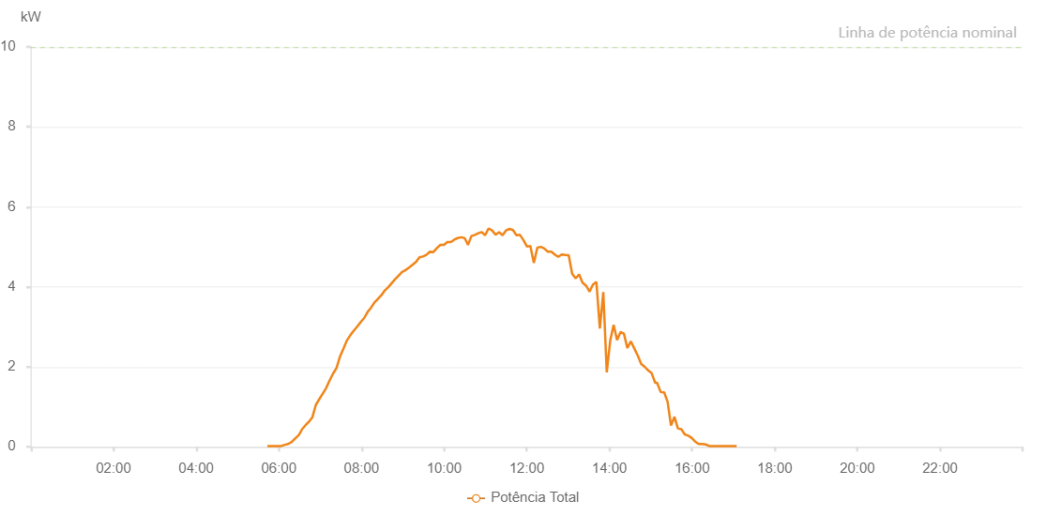

Number | Time | Working State | Alarm Code | Total Inverter Power(W)
1 | 21/07/2022 05:43:22 (UTC-4:00) | Normal |  | 20.000
2 | 21/07/2022 05:48:22 (UTC-4:00) | Normal |  | 20.000
3 | 21/07/2022 05:53:21 (UTC-4:00) | Normal |  | 20.000
4 | 21/07/2022 05:58:24 (UTC-4:00) | Normal |  | 20.000
5 | 21/07/2022 06:03:28 (UTC-4:00) | Normal |  | 20.000
6 | 21/07/2022 06:08:33 (UTC-4:00) | Normal |  | 50.000
7 | 21/07/2022 06:13:35 (UTC-4:00) | Normal |  | 70.000
8 | 21/07/2022 06:18:38 (UTC-4:00) | Normal |  | 120.000
9 | 21/07/2022 06:23:42 (UTC-4:00) | Normal |  | 210.000
10 | 21/07/2022 06:28:45 (UTC-4:00) | Normal |  | 290.000
11 | 21/07/2022 06:28:56 (UTC-4:00) | Normal |  | 290.000
12 | 21/07/2022 06:33:46 (UTC-4:00) | Normal |  | 440.000
13 | 21/07/2022 06:38:46 (UTC-4:00) | Normal |  | 540.000
14 | 21/07/2022 06:43:45 (UTC-4:00) | Normal |  | 630.000
15 | 21/07/2022 06:48:45 (UTC-4:00) | Normal |  | 740.000
16 | 21/07/2022 06:53:44 (UTC-4:00) | Normal |  | 1050.000
17 | 21/07/2022 06:58:43 (UTC-4:00) | Normal |  | 1190.000
18 | 21/07/2022 07:03:43 (UTC-4:00) | Normal |  | 1330.000
19 | 21/07/2022 07:08:43 (UTC-4:00) | Normal |  | 1470.000
20 | 21/07/2022 07:13:44 (UTC-4:00) | Normal |  | 1660.000
21 | 21/07/2022 07:18:43 (UTC-4:00) | Normal |  | 1830.000
22 | 21/07/2022 07:23:42 (UTC-4:00) | Normal |  | 1970.000
23 | 21/07/2022 07:28:41 (UTC-4:00) | Normal |  | 2250.000
24 | 21/07/2022 07:33:43 (UTC-4:00) | Normal |  | 2450.000
25 | 21/07/2022 07:38:48 (UTC-4:00) | Normal |  | 2660.000
26 | 21/07/2022 07:43:50 (UTC-4:00) | Normal |  | 2790.000
27 | 21/07/2022 07:48:55 (UTC-4:00) | Normal |  | 2910.000
28 | 21/07/2022 07:49:06 (UTC-4:00) | Normal |  | 2910.000
29 | 21/07/2022 07:53:56 (UTC-4:00) | Normal |  | 3010.000
30 | 21/07/2022 07:58:55 (UTC-4:00) | Normal |  | 3120.000
31 | 21/07/2022 08:03:54 (UTC-4:00) | Normal |  | 3220.000
32 | 21/07/2022 08:08:53 (UTC-4:00) | Normal |  | 3370.000
33 | 21/07/2022 08:13:53 (UTC-4:00) | Normal |  | 3480.000
34 | 21/07/2022 08:18:52 (UTC-4:00) | Normal |  | 3610.000
35 | 21/07/2022 08:23:52 (UTC-4:00) | Normal |  | 3700.000
36 | 21/07/2022 08:28:52 (UTC-4:00) | Normal |  | 3790.000
37 | 21/07/2022 08:33:54 (UTC-4:00) | Normal |  | 3910.000
38 | 21/07/2022 08:38:50 (UTC-4:00) | Normal |  | 3990.000
39 | 21/07/2022 08:43:49 (UTC-4:00) | Normal |  | 4090.000
40 | 21/07/2022 08:48:49 (UTC-4:00) | Normal |  | 4190.000
41 | 21/07/2022 08:53:52 (UTC-4:00) | Normal |  | 4280.000
42 | 21/07/2022 08:58:54 (UTC-4:00) | Normal |  | 4370.000
43 | 21/07/2022 09:03:57 (UTC-4:00) | Normal |  | 4420.000
44 | 21/07/2022 09:09:01 (UTC-4:00) | Normal |  | 4480.000
45 | 21/07/2022 09:14:05 (UTC-4:00) | Normal |  | 4550.000
46 | 21/07/2022 09:19:07 (UTC-4:00) | Normal |  | 4620.000
47 | 21/07/2022 09:24:10 (UTC-4:00) | Normal |  | 4740.000
48 | 21/07/2022 09:29:14 (UTC-4:00) | Normal |  | 4760.000
49 | 21/07/2022 09:34:18 (UTC-4:00) | Normal |  | 4800.000
50 | 21/07/2022 09:39:20 (UTC-4:00) | Normal |  | 4880.000
51 | 21/07/2022 09:44:24 (UTC-4:00) | Normal |  | 4870.000
52 | 21/07/2022 09:49:33 (UTC-4:00) | Normal |  | 4970.000
53 | 21/07/2022 09:54:35 (UTC-4:00) | Normal |  | 5050.000
54 | 21/07/2022 09:59:35 (UTC-4:00) | Normal |  | 5050.000
55 | 21/07/2022 09:59:50 (UTC-4:00) | Normal |  | 5050.000
56 | 21/07/2022 10:04:37 (UTC-4:00) | Normal |  | 5120.000
57 | 21/07/2022 10:09:41 (UTC-4:00) | Normal |  | 5120.000
58 | 21/07/2022 10:09:51 (UTC-4:00) | Normal |  | 5120.000
59 | 21/07/2022 10:14:40 (UTC-4:00) | Normal |  | 5180.000
60 | 21/07/2022 10:19:40 (UTC-4:00) | Normal |  | 5220.000
61 | 21/07/2022 10:24:38 (UTC-4:00) | Normal |  | 5240.000
62 | 21/07/2022 10:29:38 (UTC-4:00) | Normal |  | 5220.000
63 | 21/07/2022 10:29:49 (UTC-4:00) | Normal |  | 5220.000
64 | 21/07/2022 10:34:37 (UTC-4:00) | Normal |  | 5050.000
65 | 21/07/2022 10:39:36 (UTC-4:00) | Normal |  | 5270.000
66 | 21/07/2022 10:44:35 (UTC-4:00) | Normal |  | 5300.000
67 | 21/07/2022 10:49:35 (UTC-4:00) | Normal |  | 5340.000
68 | 21/07/2022 10:54:34 (UTC-4:00) | Normal |  | 5370.000
69 | 21/07/2022 10:59:33 (UTC-4:00) | Normal |  | 5290.000
70 | 21/07/2022 11:04:33 (UTC-4:00) | Normal |  | 5460.000
71 | 21/07/2022 11:09:37 (UTC-4:00) | Normal |  | 5410.000
72 | 21/07/2022 11:14:43 (UTC-4:00) | Normal |  | 5300.000
73 | 21/07/2022 11:19:45 (UTC-4:00) | Normal |  | 5370.000
74 | 21/07/2022 11:24:48 (UTC-4:00) | Normal |  | 5290.000
75 | 21/07/2022 11:29:51 (UTC-4:00) | Normal |  | 5410.000
76 | 21/07/2022 11:34:55 (UTC-4:00) | Normal |  | 5450.000
77 | 21/07/2022 11:39:57 (UTC-4:00) | Normal |  | 5420.000
78 | 21/07/2022 11:45:01 (UTC-4:00) | Normal |  | 5290.000
79 | 21/07/2022 11:50:05 (UTC-4:00) | Normal |  | 5300.000
80 | 21/07/2022 11:55:06 (UTC-4:00) | Normal |  | 5170.000
81 | 21/07/2022 12:00:09 (UTC-4:00) | Normal |  | 5010.000
82 | 21/07/2022 12:05:12 (UTC-4:00) | Normal |  | 5020.000
83 | 21/07/2022 12:10:16 (UTC-4:00) | Normal |  | 4600.000
84 | 21/07/2022 12:15:21 (UTC-4:00) | Normal |  | 4980.000
85 | 21/07/2022 12:20:25 (UTC-4:00) | Normal |  | 5000.000
86 | 21/07/2022 12:25:27 (UTC-4:00) | Normal |  | 4960.000
87 | 21/07/2022 12:30:29 (UTC-4:00) | Normal |  | 4880.000
88 | 21/07/2022 12:35:34 (UTC-4:00) | Normal |  | 4880.000
89 | 21/07/2022 12:40:36 (UTC-4:00) | Normal |  | 4810.000
90 | 21/07/2022 12:45:39 (UTC-4:00) | Normal |  | 4750.000
91 | 21/07/2022 12:50:42 (UTC-4:00) | Normal |  | 4810.000
92 | 21/07/2022 12:50:55 (UTC-4:00) | Normal |  | 4810.000
93 | 21/07/2022 12:55:46 (UTC-4:00) | Normal |  | 4800.000
94 | 21/07/2022 13:00:51 (UTC-4:00) | Normal |  | 4790.000
95 | 21/07/2022 13:05:52 (UTC-4:00) | Normal |  | 4330.000
96 | 21/07/2022 13:10:56 (UTC-4:00) | Normal |  | 4210.000
97 | 21/07/2022 13:16:01 (UTC-4:00) | Normal |  | 4310.000
98 | 21/07/2022 13:21:02 (UTC-4:00) | Normal |  | 4100.000
99 | 21/07/2022 13:21:13 (UTC-4:00) | Normal |  | 4100.000
100 | 21/07/2022 13:26:04 (UTC-4:00) | Normal |  | 4030.000
101 | 21/07/2022 13:31:07 (UTC-4:00) | Normal |  | 3880.000
102 | 21/07/2022 13:36:06 (UTC-4:00) | Normal |  | 4060.000
103 | 21/07/2022 13:41:05 (UTC-4:00) | Normal |  | 4120.000
104 | 21/07/2022 13:46:05 (UTC-4:00) | Normal |  | 2960.000
105 | 21/07/2022 13:51:04 (UTC-4:00) | Normal |  | 3870.000
106 | 21/07/2022 13:56:07 (UTC-4:00) | Normal |  | 1860.000
107 | 21/07/2022 14:01:06 (UTC-4:00) | Normal |  | 2650.000
108 | 21/07/2022 14:06:06 (UTC-4:00) | Normal |  | 3050.000
109 | 21/07/2022 14:11:05 (UTC-4:00) | Normal |  | 2670.000
110 | 21/07/2022 14:16:04 (UTC-4:00) | Normal |  | 2870.000
111 | 21/07/2022 14:21:03 (UTC-4:00) | Normal |  | 2830.000
112 | 21/07/2022 14:26:03 (UTC-4:00) | Normal |  | 2470.000
113 | 21/07/2022 14:31:03 (UTC-4:00) | Normal |  | 2640.000
114 | 21/07/2022 14:36:05 (UTC-4:00) | Normal |  | 2460.000
115 | 21/07/2022 14:41:08 (UTC-4:00) | Normal |  | 2280.000
116 | 21/07/2022 14:46:11 (UTC-4:00) | Normal |  | 2070.000
117 | 21/07/2022 14:51:14 (UTC-4:00) | Normal |  | 2000.000
118 | 21/07/2022 14:56:17 (UTC-4:00) | Normal |  | 1910.000
119 | 21/07/2022 15:01:21 (UTC-4:00) | Normal |  | 1840.000
120 | 21/07/2022 15:06:24 (UTC-4:00) | Normal |  | 1600.000
121 | 21/07/2022 15:09:11 (UTC-4:00) | Normal |  | 1600.000
122 | 21/07/2022 15:14:27 (UTC-4:00) | Normal |  | 1370.000
123 | 21/07/2022 15:19:26 (UTC-4:00) | Normal |  | 1360.000
124 | 21/07/2022 15:24:25 (UTC-4:00) | Normal |  | 1130.000
125 | 21/07/2022 15:29:24 (UTC-4:00) | Normal |  | 530.000
126 | 21/07/2022 15:34:24 (UTC-4:00) | Normal |  | 750.000
127 | 21/07/2022 15:39:23 (UTC-4:00) | Normal |  | 460.000
128 | 21/07/2022 15:44:22 (UTC-4:00) | Normal |  | 440.000
129 | 21/07/2022 15:49:23 (UTC-4:00) | Normal |  | 310.000
130 | 21/07/2022 15:54:24 (UTC-4:00) | Normal |  | 280.000
131 | 21/07/2022 15:59:27 (UTC-4:00) | Normal |  | 220.000
132 | 21/07/2022 16:04:30 (UTC-4:00) | Normal |  | 130.000
133 | 21/07/2022 16:09:33 (UTC-4:00) | Normal |  | 70.000
134 | 21/07/2022 16:14:35 (UTC-4:00) | Normal |  | 70.000
135 | 21/07/2022 16:19:38 (UTC-4:00) | Normal |  | 60.000
136 | 21/07/2022 16:24:42 (UTC-4:00) | Normal |  | 20.000
137 | 21/07/2022 16:29:44 (UTC-4:00) | Normal |  | 20.000
138 | 21/07/2022 16:34:46 (UTC-4:00) | Normal |  | 20.000
139 | 21/07/2022 16:39:49 (UTC-4:00) | Normal |  | 20.000
140 | 21/07/2022 16:44:48 (UTC-4:00) | Normal |  | 20.000
141 | 21/07/2022 16:49:47 (UTC-4:00) | Normal |  | 20.000
142 | 21/07/2022 16:54:46 (UTC-4:00) | Normal |  | 20.000
143 | 21/07/2022 16:59:45 (UTC-4:00) | Normal |  | 20.000
144 | 21/07/2022 17:04:44 (UTC-4:00) | Normal |  | 20.000

