Inverter History Report__17-08-
Inverter History Report_22/07/2022_Report

Inverter SN:054B7020C020044 |  | Inverter type:B7
Collector SN:4045086367 |  | Full Load Hours(h):3.29
Rated Power:10000Wp

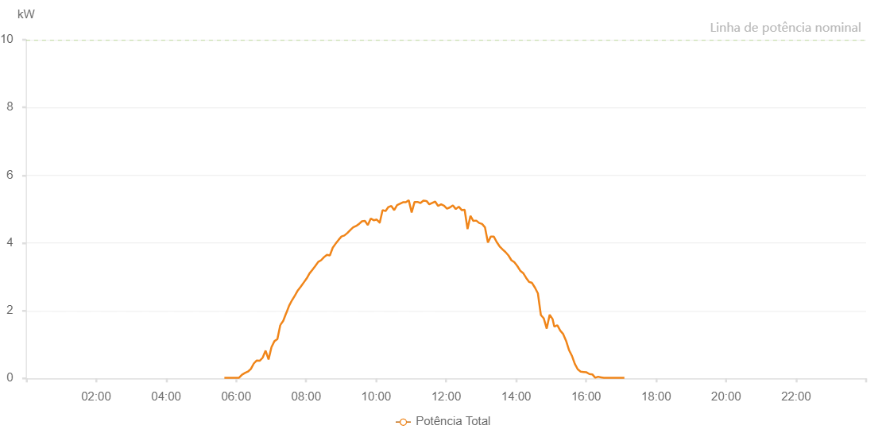

Number | Time | Working State | Alarm Code | Total Inverter Power(W)
1 | 22/07/2022 05:39:48 (UTC-4:00) | Normal |  | 20.000
2 | 22/07/2022 05:44:47 (UTC-4:00) | Normal |  | 20.000
3 | 22/07/2022 05:49:46 (UTC-4:00) | Normal |  | 20.000
4 | 22/07/2022 05:54:50 (UTC-4:00) | Normal |  | 20.000
5 | 22/07/2022 05:59:53 (UTC-4:00) | Normal |  | 20.000
6 | 22/07/2022 06:04:57 (UTC-4:00) | Normal |  | 20.000
7 | 22/07/2022 06:10:00 (UTC-4:00) | Normal |  | 110.000
8 | 22/07/2022 06:15:06 (UTC-4:00) | Normal |  | 160.000
9 | 22/07/2022 06:20:08 (UTC-4:00) | Normal |  | 200.000
10 | 22/07/2022 06:25:12 (UTC-4:00) | Normal |  | 280.000
11 | 22/07/2022 06:30:15 (UTC-4:00) | Normal |  | 440.000
12 | 22/07/2022 06:35:17 (UTC-4:00) | Normal |  | 530.000
13 | 22/07/2022 06:40:20 (UTC-4:00) | Normal |  | 520.000
14 | 22/07/2022 06:45:23 (UTC-4:00) | Normal |  | 610.000
15 | 22/07/2022 06:50:27 (UTC-4:00) | Normal |  | 820.000
16 | 22/07/2022 06:55:34 (UTC-4:00) | Normal |  | 560.000
17 | 22/07/2022 07:00:31 (UTC-4:00) | Normal |  | 920.000
18 | 22/07/2022 07:05:38 (UTC-4:00) | Normal |  | 1100.000
19 | 22/07/2022 07:10:41 (UTC-4:00) | Normal |  | 1160.000
20 | 22/07/2022 07:15:41 (UTC-4:00) | Normal |  | 1580.000
21 | 22/07/2022 07:15:52 (UTC-4:00) | Normal |  | 1580.000
22 | 22/07/2022 07:20:44 (UTC-4:00) | Normal |  | 1700.000
23 | 22/07/2022 07:25:47 (UTC-4:00) | Normal |  | 1930.000
24 | 22/07/2022 07:25:58 (UTC-4:00) | Normal |  | 1930.000
25 | 22/07/2022 07:30:52 (UTC-4:00) | Normal |  | 2150.000
26 | 22/07/2022 07:35:49 (UTC-4:00) | Normal |  | 2310.000
27 | 22/07/2022 07:40:48 (UTC-4:00) | Normal |  | 2450.000
28 | 22/07/2022 07:45:47 (UTC-4:00) | Normal |  | 2600.000
29 | 22/07/2022 07:50:47 (UTC-4:00) | Normal |  | 2710.000
30 | 22/07/2022 07:55:47 (UTC-4:00) | Normal |  | 2830.000
31 | 22/07/2022 08:00:46 (UTC-4:00) | Normal |  | 2950.000
32 | 22/07/2022 08:05:45 (UTC-4:00) | Normal |  | 3100.000
33 | 22/07/2022 08:10:47 (UTC-4:00) | Normal |  | 3210.000
34 | 22/07/2022 08:15:42 (UTC-4:00) | Normal |  | 3320.000
35 | 22/07/2022 08:20:41 (UTC-4:00) | Normal |  | 3440.000
36 | 22/07/2022 08:25:40 (UTC-4:00) | Normal |  | 3490.000
37 | 22/07/2022 08:30:39 (UTC-4:00) | Normal |  | 3580.000
38 | 22/07/2022 08:35:38 (UTC-4:00) | Normal |  | 3650.000
39 | 22/07/2022 08:40:37 (UTC-4:00) | Normal |  | 3630.000
40 | 22/07/2022 08:45:36 (UTC-4:00) | Normal |  | 3860.000
41 | 22/07/2022 08:50:35 (UTC-4:00) | Normal |  | 3980.000
42 | 22/07/2022 08:55:34 (UTC-4:00) | Normal |  | 4090.000
43 | 22/07/2022 09:00:33 (UTC-4:00) | Normal |  | 4190.000
44 | 22/07/2022 09:05:32 (UTC-4:00) | Normal |  | 4220.000
45 | 22/07/2022 09:10:31 (UTC-4:00) | Normal |  | 4290.000
46 | 22/07/2022 09:15:30 (UTC-4:00) | Normal |  | 4380.000
47 | 22/07/2022 09:20:32 (UTC-4:00) | Normal |  | 4460.000
48 | 22/07/2022 09:25:34 (UTC-4:00) | Normal |  | 4500.000
49 | 22/07/2022 09:30:37 (UTC-4:00) | Normal |  | 4560.000
50 | 22/07/2022 09:35:39 (UTC-4:00) | Normal |  | 4640.000
51 | 22/07/2022 09:40:43 (UTC-4:00) | Normal |  | 4650.000
52 | 22/07/2022 09:45:45 (UTC-4:00) | Normal |  | 4530.000
53 | 22/07/2022 09:50:48 (UTC-4:00) | Normal |  | 4720.000
54 | 22/07/2022 09:55:51 (UTC-4:00) | Normal |  | 4670.000
55 | 22/07/2022 09:56:11 (UTC-4:00) | Normal |  | 4670.000
56 | 22/07/2022 10:00:55 (UTC-4:00) | Normal |  | 4690.000
57 | 22/07/2022 10:05:58 (UTC-4:00) | Normal |  | 4600.000
58 | 22/07/2022 10:06:09 (UTC-4:00) | Normal |  | 4600.000
59 | 22/07/2022 10:11:00 (UTC-4:00) | Normal |  | 4970.000
60 | 22/07/2022 10:16:00 (UTC-4:00) | Normal |  | 4940.000
61 | 22/07/2022 10:20:58 (UTC-4:00) | Normal |  | 5060.000
62 | 22/07/2022 10:25:59 (UTC-4:00) | Normal |  | 5090.000
63 | 22/07/2022 10:30:56 (UTC-4:00) | Normal |  | 4970.000
64 | 22/07/2022 10:35:58 (UTC-4:00) | Normal |  | 5120.000
65 | 22/07/2022 10:40:56 (UTC-4:00) | Normal |  | 5160.000
66 | 22/07/2022 10:45:55 (UTC-4:00) | Normal |  | 5200.000
67 | 22/07/2022 10:50:56 (UTC-4:00) | Normal |  | 5200.000
68 | 22/07/2022 10:55:53 (UTC-4:00) | Normal |  | 5260.000
69 | 22/07/2022 11:00:52 (UTC-4:00) | Normal |  | 4900.000
70 | 22/07/2022 11:05:52 (UTC-4:00) | Normal |  | 5210.000
71 | 22/07/2022 11:10:54 (UTC-4:00) | Normal |  | 5210.000
72 | 22/07/2022 11:15:59 (UTC-4:00) | Normal |  | 5180.000
73 | 22/07/2022 11:21:00 (UTC-4:00) | Normal |  | 5250.000
74 | 22/07/2022 11:26:04 (UTC-4:00) | Normal |  | 5240.000
75 | 22/07/2022 11:26:14 (UTC-4:00) | Normal |  | 5240.000
76 | 22/07/2022 11:31:06 (UTC-4:00) | Normal |  | 5140.000
77 | 22/07/2022 11:36:09 (UTC-4:00) | Normal |  | 5180.000
78 | 22/07/2022 11:36:10 (UTC-4:00) | Normal |  | 5180.000
79 | 22/07/2022 11:41:13 (UTC-4:00) | Normal |  | 5220.000
80 | 22/07/2022 11:46:16 (UTC-4:00) | Normal |  | 5090.000
81 | 22/07/2022 11:51:20 (UTC-4:00) | Normal |  | 5140.000
82 | 22/07/2022 11:56:22 (UTC-4:00) | Normal |  | 5100.000
83 | 22/07/2022 12:01:27 (UTC-4:00) | Normal |  | 5010.000
84 | 22/07/2022 12:06:29 (UTC-4:00) | Normal |  | 5050.000
85 | 22/07/2022 12:11:31 (UTC-4:00) | Normal |  | 5110.000
86 | 22/07/2022 12:16:35 (UTC-4:00) | Normal |  | 5000.000
87 | 22/07/2022 12:21:38 (UTC-4:00) | Normal |  | 5070.000
88 | 22/07/2022 12:26:42 (UTC-4:00) | Normal |  | 4970.000
89 | 22/07/2022 12:26:52 (UTC-4:00) | Normal |  | 4970.000
90 | 22/07/2022 12:31:41 (UTC-4:00) | Normal |  | 4980.000
91 | 22/07/2022 12:36:40 (UTC-4:00) | Normal |  | 4410.000
92 | 22/07/2022 12:41:39 (UTC-4:00) | Normal |  | 4800.000
93 | 22/07/2022 12:46:38 (UTC-4:00) | Normal |  | 4650.000
94 | 22/07/2022 12:51:37 (UTC-4:00) | Normal |  | 4660.000
95 | 22/07/2022 12:56:37 (UTC-4:00) | Normal |  | 4590.000
96 | 22/07/2022 13:01:36 (UTC-4:00) | Normal |  | 4560.000
97 | 22/07/2022 13:06:35 (UTC-4:00) | Normal |  | 4460.000
98 | 22/07/2022 13:11:37 (UTC-4:00) | Normal |  | 4010.000
99 | 22/07/2022 13:16:35 (UTC-4:00) | Normal |  | 4190.000
100 | 22/07/2022 13:21:35 (UTC-4:00) | Normal |  | 4190.000
101 | 22/07/2022 13:26:35 (UTC-4:00) | Normal |  | 4030.000
102 | 22/07/2022 13:31:37 (UTC-4:00) | Normal |  | 3900.000
103 | 22/07/2022 13:36:40 (UTC-4:00) | Normal |  | 3810.000
104 | 22/07/2022 13:41:43 (UTC-4:00) | Normal |  | 3730.000
105 | 22/07/2022 13:46:49 (UTC-4:00) | Normal |  | 3630.000
106 | 22/07/2022 13:51:52 (UTC-4:00) | Normal |  | 3490.000
107 | 22/07/2022 13:56:55 (UTC-4:00) | Normal |  | 3430.000
108 | 22/07/2022 14:01:57 (UTC-4:00) | Normal |  | 3320.000
109 | 22/07/2022 14:07:02 (UTC-4:00) | Normal |  | 3180.000
110 | 22/07/2022 14:12:02 (UTC-4:00) | Normal |  | 3110.000
111 | 22/07/2022 14:17:05 (UTC-4:00) | Normal |  | 2970.000
112 | 22/07/2022 14:22:08 (UTC-4:00) | Normal |  | 2850.000
113 | 22/07/2022 14:27:12 (UTC-4:00) | Normal |  | 2820.000
114 | 22/07/2022 14:32:14 (UTC-4:00) | Normal |  | 2680.000
115 | 22/07/2022 14:37:17 (UTC-4:00) | Normal |  | 2510.000
116 | 22/07/2022 14:42:24 (UTC-4:00) | Normal |  | 1870.000
117 | 22/07/2022 14:47:25 (UTC-4:00) | Normal |  | 1770.000
118 | 22/07/2022 14:52:26 (UTC-4:00) | Normal |  | 1470.000
119 | 22/07/2022 14:57:29 (UTC-4:00) | Normal |  | 1880.000
120 | 22/07/2022 15:02:32 (UTC-4:00) | Normal |  | 1750.000
121 | 22/07/2022 15:05:22 (UTC-4:00) | Normal |  | 1530.000
122 | 22/07/2022 15:10:40 (UTC-4:00) | Normal |  | 1570.000
123 | 22/07/2022 15:15:39 (UTC-4:00) | Normal |  | 1410.000
124 | 22/07/2022 15:20:37 (UTC-4:00) | Normal |  | 1310.000
125 | 22/07/2022 15:25:36 (UTC-4:00) | Normal |  | 1110.000
126 | 22/07/2022 15:30:34 (UTC-4:00) | Normal |  | 840.000
127 | 22/07/2022 15:35:33 (UTC-4:00) | Normal |  | 670.000
128 | 22/07/2022 15:40:32 (UTC-4:00) | Normal |  | 430.000
129 | 22/07/2022 15:45:34 (UTC-4:00) | Normal |  | 270.000
130 | 22/07/2022 15:50:37 (UTC-4:00) | Normal |  | 200.000
131 | 22/07/2022 15:55:40 (UTC-4:00) | Normal |  | 190.000
132 | 22/07/2022 16:00:38 (UTC-4:00) | Normal |  | 180.000
133 | 22/07/2022 16:05:37 (UTC-4:00) | Normal |  | 130.000
134 | 22/07/2022 16:10:35 (UTC-4:00) | Normal |  | 120.000
135 | 22/07/2022 16:15:36 (UTC-4:00) | Normal |  | 20.000
136 | 22/07/2022 16:20:32 (UTC-4:00) | Normal |  | 50.000
137 | 22/07/2022 16:25:31 (UTC-4:00) | Normal |  | 30.000
138 | 22/07/2022 16:25:42 (UTC-4:00) | Normal |  | 30.000
139 | 22/07/2022 16:30:29 (UTC-4:00) | Normal |  | 20.000
140 | 22/07/2022 16:35:28 (UTC-4:00) | Normal |  | 20.000
141 | 22/07/2022 16:40:28 (UTC-4:00) | Normal |  | 20.000
142 | 22/07/2022 16:45:26 (UTC-4:00) | Normal |  | 20.000
143 | 22/07/2022 16:50:25 (UTC-4:00) | Normal |  | 20.000
144 | 22/07/2022 16:55:26 (UTC-4:00) | Normal |  | 20.000
145 | 22/07/2022 17:00:30 (UTC-4:00) | Normal |  | 20.000
146 | 22/07/2022 17:05:33 (UTC-4:00) | Normal |  | 20.000

