Inverter History Report__17-08-
Inverter History Report_23/07/2022_Report

Inverter SN:054B7020C020044 |  | Inverter type:B7
Collector SN:4045086367 |  | Full Load Hours(h):3.30
Rated Power:10000Wp

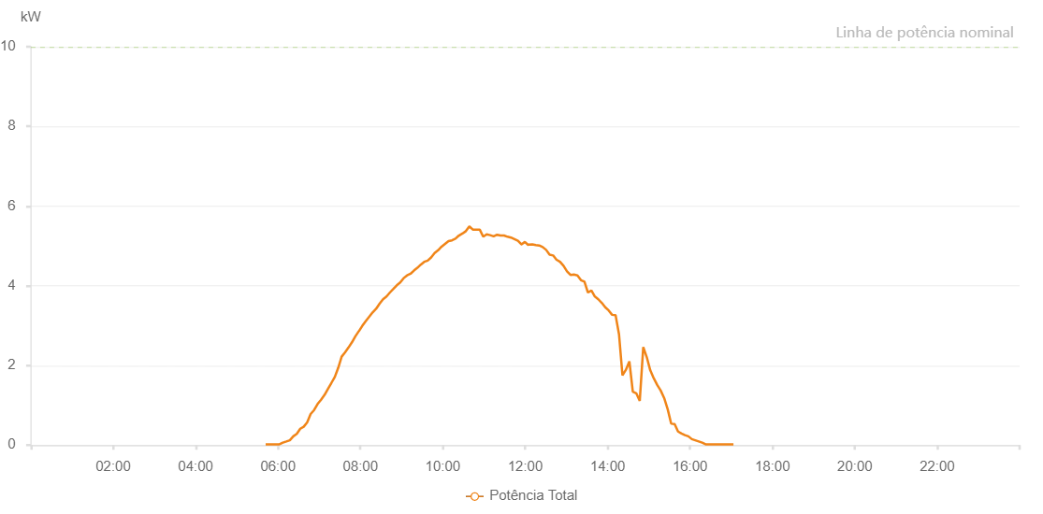

Number | Time | Working State | Alarm Code | Total Inverter Power(W)
1 | 23/07/2022 05:41:59 (UTC-4:00) | Normal |  | 20.000
2 | 23/07/2022 05:46:59 (UTC-4:00) | Normal |  | 20.000
3 | 23/07/2022 05:51:58 (UTC-4:00) | Normal |  | 20.000
4 | 23/07/2022 05:56:58 (UTC-4:00) | Normal |  | 20.000
5 | 23/07/2022 06:02:02 (UTC-4:00) | Normal |  | 20.000
6 | 23/07/2022 06:07:07 (UTC-4:00) | Normal |  | 60.000
7 | 23/07/2022 06:12:11 (UTC-4:00) | Normal |  | 90.000
8 | 23/07/2022 06:17:12 (UTC-4:00) | Normal |  | 120.000
9 | 23/07/2022 06:22:17 (UTC-4:00) | Normal |  | 220.000
10 | 23/07/2022 06:27:20 (UTC-4:00) | Normal |  | 280.000
11 | 23/07/2022 06:32:25 (UTC-4:00) | Normal |  | 410.000
12 | 23/07/2022 06:37:25 (UTC-4:00) | Normal |  | 460.000
13 | 23/07/2022 06:42:28 (UTC-4:00) | Normal |  | 570.000
14 | 23/07/2022 06:47:31 (UTC-4:00) | Normal |  | 780.000
15 | 23/07/2022 06:52:37 (UTC-4:00) | Normal |  | 880.000
16 | 23/07/2022 06:57:39 (UTC-4:00) | Normal |  | 1030.000
17 | 23/07/2022 07:02:42 (UTC-4:00) | Normal |  | 1140.000
18 | 23/07/2022 07:07:46 (UTC-4:00) | Normal |  | 1260.000
19 | 23/07/2022 07:12:45 (UTC-4:00) | Normal |  | 1410.000
20 | 23/07/2022 07:17:45 (UTC-4:00) | Normal |  | 1560.000
21 | 23/07/2022 07:22:43 (UTC-4:00) | Normal |  | 1710.000
22 | 23/07/2022 07:27:43 (UTC-4:00) | Normal |  | 1940.000
23 | 23/07/2022 07:32:42 (UTC-4:00) | Normal |  | 2220.000
24 | 23/07/2022 07:37:42 (UTC-4:00) | Normal |  | 2330.000
25 | 23/07/2022 07:42:41 (UTC-4:00) | Normal |  | 2450.000
26 | 23/07/2022 07:47:40 (UTC-4:00) | Normal |  | 2580.000
27 | 23/07/2022 07:52:39 (UTC-4:00) | Normal |  | 2730.000
28 | 23/07/2022 07:57:39 (UTC-4:00) | Normal |  | 2860.000
29 | 23/07/2022 07:57:50 (UTC-4:00) | Normal |  | 2860.000
30 | 23/07/2022 08:02:38 (UTC-4:00) | Normal |  | 2990.000
31 | 23/07/2022 08:07:39 (UTC-4:00) | Normal |  | 3110.000
32 | 23/07/2022 08:12:43 (UTC-4:00) | Normal |  | 3220.000
33 | 23/07/2022 08:17:47 (UTC-4:00) | Normal |  | 3330.000
34 | 23/07/2022 08:22:49 (UTC-4:00) | Normal |  | 3420.000
35 | 23/07/2022 08:27:53 (UTC-4:00) | Normal |  | 3550.000
36 | 23/07/2022 08:32:56 (UTC-4:00) | Normal |  | 3660.000
37 | 23/07/2022 08:38:00 (UTC-4:00) | Normal |  | 3730.000
38 | 23/07/2022 08:42:59 (UTC-4:00) | Normal |  | 3830.000
39 | 23/07/2022 08:47:59 (UTC-4:00) | Normal |  | 3920.000
40 | 23/07/2022 08:52:58 (UTC-4:00) | Normal |  | 4010.000
41 | 23/07/2022 08:57:57 (UTC-4:00) | Normal |  | 4080.000
42 | 23/07/2022 09:02:57 (UTC-4:00) | Normal |  | 4190.000
43 | 23/07/2022 09:07:56 (UTC-4:00) | Normal |  | 4260.000
44 | 23/07/2022 09:12:55 (UTC-4:00) | Normal |  | 4300.000
45 | 23/07/2022 09:17:55 (UTC-4:00) | Normal |  | 4380.000
46 | 23/07/2022 09:22:57 (UTC-4:00) | Normal |  | 4450.000
47 | 23/07/2022 09:27:56 (UTC-4:00) | Normal |  | 4530.000
48 | 23/07/2022 09:32:56 (UTC-4:00) | Normal |  | 4600.000
49 | 23/07/2022 09:37:55 (UTC-4:00) | Normal |  | 4630.000
50 | 23/07/2022 09:43:01 (UTC-4:00) | Normal |  | 4710.000
51 | 23/07/2022 09:48:03 (UTC-4:00) | Normal |  | 4820.000
52 | 23/07/2022 09:53:07 (UTC-4:00) | Normal |  | 4890.000
53 | 23/07/2022 09:58:10 (UTC-4:00) | Normal |  | 4980.000
54 | 23/07/2022 10:03:14 (UTC-4:00) | Normal |  | 5050.000
55 | 23/07/2022 10:08:19 (UTC-4:00) | Normal |  | 5120.000
56 | 23/07/2022 10:13:24 (UTC-4:00) | Normal |  | 5140.000
57 | 23/07/2022 10:18:24 (UTC-4:00) | Normal |  | 5180.000
58 | 23/07/2022 10:23:28 (UTC-4:00) | Normal |  | 5260.000
59 | 23/07/2022 10:28:30 (UTC-4:00) | Normal |  | 5310.000
60 | 23/07/2022 10:33:33 (UTC-4:00) | Normal |  | 5370.000
61 | 23/07/2022 10:38:39 (UTC-4:00) | Normal |  | 5490.000
62 | 23/07/2022 10:43:40 (UTC-4:00) | Normal |  | 5410.000
63 | 23/07/2022 10:48:43 (UTC-4:00) | Normal |  | 5410.000
64 | 23/07/2022 10:53:46 (UTC-4:00) | Normal |  | 5410.000
65 | 23/07/2022 10:58:50 (UTC-4:00) | Normal |  | 5230.000
66 | 23/07/2022 11:03:53 (UTC-4:00) | Normal |  | 5290.000
67 | 23/07/2022 11:08:57 (UTC-4:00) | Normal |  | 5270.000
68 | 23/07/2022 11:14:00 (UTC-4:00) | Normal |  | 5240.000
69 | 23/07/2022 11:19:05 (UTC-4:00) | Normal |  | 5280.000
70 | 23/07/2022 11:24:08 (UTC-4:00) | Normal |  | 5260.000
71 | 23/07/2022 11:29:10 (UTC-4:00) | Normal |  | 5260.000
72 | 23/07/2022 11:34:13 (UTC-4:00) | Normal |  | 5230.000
73 | 23/07/2022 11:39:17 (UTC-4:00) | Normal |  | 5210.000
74 | 23/07/2022 11:44:20 (UTC-4:00) | Normal |  | 5170.000
75 | 23/07/2022 11:49:23 (UTC-4:00) | Normal |  | 5130.000
76 | 23/07/2022 11:54:26 (UTC-4:00) | Normal |  | 5040.000
77 | 23/07/2022 11:54:37 (UTC-4:00) | Normal |  | 5040.000
78 | 23/07/2022 11:59:31 (UTC-4:00) | Normal |  | 5100.000
79 | 23/07/2022 12:04:33 (UTC-4:00) | Normal |  | 5020.000
80 | 23/07/2022 12:05:04 (UTC-4:00) | Normal |  | 5030.000
81 | 23/07/2022 12:10:25 (UTC-4:00) | Normal |  | 5040.000
82 | 23/07/2022 12:15:26 (UTC-4:00) | Normal |  | 5020.000
83 | 23/07/2022 12:20:27 (UTC-4:00) | Normal |  | 5010.000
84 | 23/07/2022 12:25:28 (UTC-4:00) | Normal |  | 4970.000
85 | 23/07/2022 12:30:29 (UTC-4:00) | Normal |  | 4900.000
86 | 23/07/2022 12:35:31 (UTC-4:00) | Normal |  | 4780.000
87 | 23/07/2022 12:40:39 (UTC-4:00) | Normal |  | 4760.000
88 | 23/07/2022 12:45:38 (UTC-4:00) | Normal |  | 4650.000
89 | 23/07/2022 12:45:49 (UTC-4:00) | Normal |  | 4650.000
90 | 23/07/2022 12:50:41 (UTC-4:00) | Normal |  | 4600.000
91 | 23/07/2022 12:55:46 (UTC-4:00) | Normal |  | 4500.000
92 | 23/07/2022 13:00:52 (UTC-4:00) | Normal |  | 4360.000
93 | 23/07/2022 13:05:58 (UTC-4:00) | Normal |  | 4270.000
94 | 23/07/2022 13:11:00 (UTC-4:00) | Normal |  | 4280.000
95 | 23/07/2022 13:16:07 (UTC-4:00) | Normal |  | 4260.000
96 | 23/07/2022 13:21:12 (UTC-4:00) | Normal |  | 4140.000
97 | 23/07/2022 13:26:16 (UTC-4:00) | Normal |  | 4100.000
98 | 23/07/2022 13:31:21 (UTC-4:00) | Normal |  | 3830.000
99 | 23/07/2022 13:36:26 (UTC-4:00) | Normal |  | 3880.000
100 | 23/07/2022 13:41:27 (UTC-4:00) | Normal |  | 3730.000
101 | 23/07/2022 13:46:28 (UTC-4:00) | Normal |  | 3660.000
102 | 23/07/2022 13:51:29 (UTC-4:00) | Normal |  | 3570.000
103 | 23/07/2022 13:56:30 (UTC-4:00) | Normal |  | 3460.000
104 | 23/07/2022 14:01:33 (UTC-4:00) | Normal |  | 3380.000
105 | 23/07/2022 14:06:34 (UTC-4:00) | Normal |  | 3270.000
106 | 23/07/2022 14:11:36 (UTC-4:00) | Normal |  | 3260.000
107 | 23/07/2022 14:16:37 (UTC-4:00) | Normal |  | 2780.000
108 | 23/07/2022 14:21:38 (UTC-4:00) | Normal |  | 1750.000
109 | 23/07/2022 14:26:39 (UTC-4:00) | Normal |  | 1890.000
110 | 23/07/2022 14:31:42 (UTC-4:00) | Normal |  | 2100.000
111 | 23/07/2022 14:36:43 (UTC-4:00) | Normal |  | 1340.000
112 | 23/07/2022 14:41:43 (UTC-4:00) | Normal |  | 1300.000
113 | 23/07/2022 14:46:49 (UTC-4:00) | Normal |  | 1110.000
114 | 23/07/2022 14:51:55 (UTC-4:00) | Normal |  | 2460.000
115 | 23/07/2022 14:56:58 (UTC-4:00) | Normal |  | 2210.000
116 | 23/07/2022 15:02:03 (UTC-4:00) | Normal |  | 1880.000
117 | 23/07/2022 15:07:09 (UTC-4:00) | Normal |  | 1680.000
118 | 23/07/2022 15:12:13 (UTC-4:00) | Normal |  | 1510.000
119 | 23/07/2022 15:17:18 (UTC-4:00) | Normal |  | 1370.000
120 | 23/07/2022 15:22:23 (UTC-4:00) | Normal |  | 1180.000
121 | 23/07/2022 15:27:29 (UTC-4:00) | Normal |  | 900.000
122 | 23/07/2022 15:32:33 (UTC-4:00) | Normal |  | 540.000
123 | 23/07/2022 15:37:34 (UTC-4:00) | Normal |  | 530.000
124 | 23/07/2022 15:42:34 (UTC-4:00) | Normal |  | 340.000
125 | 23/07/2022 15:47:36 (UTC-4:00) | Normal |  | 290.000
126 | 23/07/2022 15:52:37 (UTC-4:00) | Normal |  | 250.000
127 | 23/07/2022 15:57:38 (UTC-4:00) | Normal |  | 220.000
128 | 23/07/2022 16:02:39 (UTC-4:00) | Normal |  | 150.000
129 | 23/07/2022 16:07:40 (UTC-4:00) | Normal |  | 120.000
130 | 23/07/2022 16:12:41 (UTC-4:00) | Normal |  | 90.000
131 | 23/07/2022 16:17:42 (UTC-4:00) | Normal |  | 60.000
132 | 23/07/2022 16:22:43 (UTC-4:00) | Normal |  | 20.000
133 | 23/07/2022 16:27:44 (UTC-4:00) | Normal |  | 20.000
134 | 23/07/2022 16:32:45 (UTC-4:00) | Normal |  | 20.000
135 | 23/07/2022 16:37:50 (UTC-4:00) | Normal |  | 20.000
136 | 23/07/2022 16:42:55 (UTC-4:00) | Normal |  | 20.000
137 | 23/07/2022 16:48:03 (UTC-4:00) | Normal |  | 20.000
138 | 23/07/2022 16:53:06 (UTC-4:00) | Normal |  | 20.000
139 | 23/07/2022 16:58:11 (UTC-4:00) | Normal |  | 20.000
140 | 23/07/2022 17:03:16 (UTC-4:00) | Normal |  | 20.000

