Inverter History Report__17-08-
Inverter History Report_25/07/2022_Report

Inverter SN:054B7020C020044 |  | Inverter type:B7
Collector SN:4045086367 |  | Full Load Hours(h):3.29
Rated Power:10000Wp

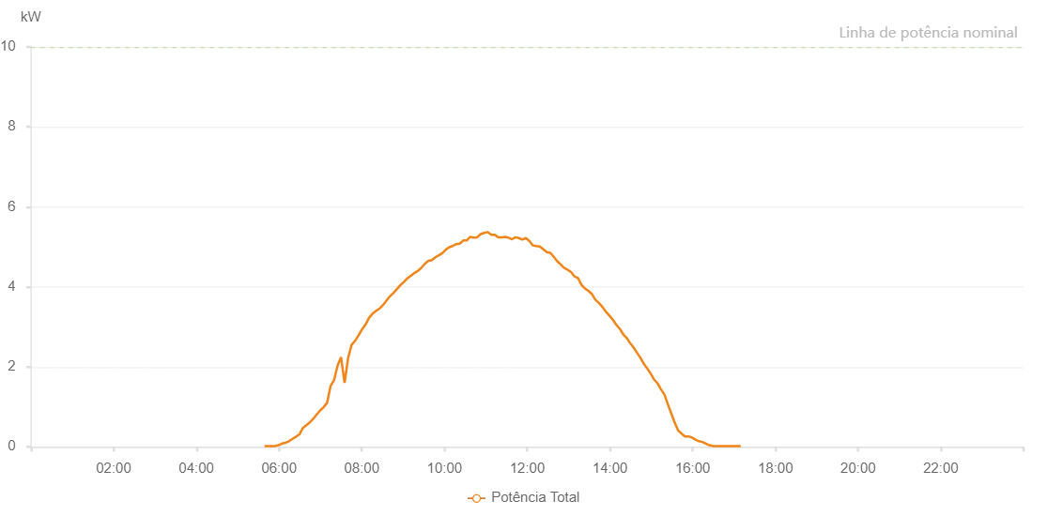

Number | Time | Working State | Alarm Code | Total Inverter Power(W)
1 | 25/07/2022 05:38:58 (UTC-4:00) | Normal |  | 20.000
2 | 25/07/2022 05:44:02 (UTC-4:00) | Normal |  | 20.000
3 | 25/07/2022 05:49:03 (UTC-4:00) | Normal |  | 20.000
4 | 25/07/2022 05:54:04 (UTC-4:00) | Normal |  | 20.000
5 | 25/07/2022 05:59:10 (UTC-4:00) | Normal |  | 40.000
6 | 25/07/2022 06:04:13 (UTC-4:00) | Normal |  | 80.000
7 | 25/07/2022 06:09:18 (UTC-4:00) | Normal |  | 100.000
8 | 25/07/2022 06:14:23 (UTC-4:00) | Normal |  | 140.000
9 | 25/07/2022 06:19:28 (UTC-4:00) | Normal |  | 200.000
10 | 25/07/2022 06:24:29 (UTC-4:00) | Normal |  | 250.000
11 | 25/07/2022 06:29:30 (UTC-4:00) | Normal |  | 310.000
12 | 25/07/2022 06:34:31 (UTC-4:00) | Normal |  | 470.000
13 | 25/07/2022 06:39:32 (UTC-4:00) | Normal |  | 540.000
14 | 25/07/2022 06:44:33 (UTC-4:00) | Normal |  | 610.000
15 | 25/07/2022 06:49:34 (UTC-4:00) | Normal |  | 700.000
16 | 25/07/2022 06:54:36 (UTC-4:00) | Normal |  | 810.000
17 | 25/07/2022 06:59:37 (UTC-4:00) | Normal |  | 910.000
18 | 25/07/2022 07:04:39 (UTC-4:00) | Normal |  | 990.000
19 | 25/07/2022 07:09:40 (UTC-4:00) | Normal |  | 1100.000
20 | 25/07/2022 07:14:41 (UTC-4:00) | Normal |  | 1520.000
21 | 25/07/2022 07:19:50 (UTC-4:00) | Normal |  | 1670.000
22 | 25/07/2022 07:24:52 (UTC-4:00) | Normal |  | 2030.000
23 | 25/07/2022 07:29:55 (UTC-4:00) | Normal |  | 2240.000
24 | 25/07/2022 07:35:01 (UTC-4:00) | Normal |  | 1600.000
25 | 25/07/2022 07:40:05 (UTC-4:00) | Normal |  | 2210.000
26 | 25/07/2022 07:45:10 (UTC-4:00) | Normal |  | 2550.000
27 | 25/07/2022 07:50:15 (UTC-4:00) | Normal |  | 2650.000
28 | 25/07/2022 07:55:21 (UTC-4:00) | Normal |  | 2790.000
29 | 25/07/2022 08:00:26 (UTC-4:00) | Normal |  | 2940.000
30 | 25/07/2022 08:05:31 (UTC-4:00) | Normal |  | 3060.000
31 | 25/07/2022 08:10:36 (UTC-4:00) | Normal |  | 3230.000
32 | 25/07/2022 08:15:42 (UTC-4:00) | Normal |  | 3330.000
33 | 25/07/2022 08:20:47 (UTC-4:00) | Normal |  | 3400.000
34 | 25/07/2022 08:25:55 (UTC-4:00) | Normal |  | 3460.000
35 | 25/07/2022 08:26:04 (UTC-4:00) | Normal |  | 3460.000
36 | 25/07/2022 08:30:58 (UTC-4:00) | Normal |  | 3550.000
37 | 25/07/2022 08:36:02 (UTC-4:00) | Normal |  | 3660.000
38 | 25/07/2022 08:41:06 (UTC-4:00) | Normal |  | 3770.000
39 | 25/07/2022 08:46:11 (UTC-4:00) | Normal |  | 3850.000
40 | 25/07/2022 08:51:16 (UTC-4:00) | Normal |  | 3950.000
41 | 25/07/2022 08:56:22 (UTC-4:00) | Normal |  | 4050.000
42 | 25/07/2022 09:01:26 (UTC-4:00) | Normal |  | 4130.000
43 | 25/07/2022 09:06:31 (UTC-4:00) | Normal |  | 4220.000
44 | 25/07/2022 09:11:36 (UTC-4:00) | Normal |  | 4280.000
45 | 25/07/2022 09:16:38 (UTC-4:00) | Normal |  | 4350.000
46 | 25/07/2022 09:21:39 (UTC-4:00) | Normal |  | 4400.000
47 | 25/07/2022 09:26:40 (UTC-4:00) | Normal |  | 4480.000
48 | 25/07/2022 09:31:41 (UTC-4:00) | Normal |  | 4580.000
49 | 25/07/2022 09:36:44 (UTC-4:00) | Normal |  | 4650.000
50 | 25/07/2022 09:41:45 (UTC-4:00) | Normal |  | 4670.000
51 | 25/07/2022 09:46:46 (UTC-4:00) | Normal |  | 4740.000
52 | 25/07/2022 09:51:47 (UTC-4:00) | Normal |  | 4790.000
53 | 25/07/2022 09:56:48 (UTC-4:00) | Normal |  | 4840.000
54 | 25/07/2022 10:01:49 (UTC-4:00) | Normal |  | 4930.000
55 | 25/07/2022 10:06:50 (UTC-4:00) | Normal |  | 4990.000
56 | 25/07/2022 10:11:53 (UTC-4:00) | Normal |  | 5020.000
57 | 25/07/2022 10:16:57 (UTC-4:00) | Normal |  | 5070.000
58 | 25/07/2022 10:22:02 (UTC-4:00) | Normal |  | 5080.000
59 | 25/07/2022 10:27:11 (UTC-4:00) | Normal |  | 5160.000
60 | 25/07/2022 10:32:13 (UTC-4:00) | Normal |  | 5160.000
61 | 25/07/2022 10:37:17 (UTC-4:00) | Normal |  | 5250.000
62 | 25/07/2022 10:42:23 (UTC-4:00) | Normal |  | 5230.000
63 | 25/07/2022 10:47:27 (UTC-4:00) | Normal |  | 5240.000
64 | 25/07/2022 10:52:32 (UTC-4:00) | Normal |  | 5320.000
65 | 25/07/2022 10:57:37 (UTC-4:00) | Normal |  | 5350.000
66 | 25/07/2022 11:02:42 (UTC-4:00) | Normal |  | 5370.000
67 | 25/07/2022 11:07:47 (UTC-4:00) | Normal |  | 5300.000
68 | 25/07/2022 11:12:48 (UTC-4:00) | Normal |  | 5300.000
69 | 25/07/2022 11:17:49 (UTC-4:00) | Normal |  | 5240.000
70 | 25/07/2022 11:22:50 (UTC-4:00) | Normal |  | 5240.000
71 | 25/07/2022 11:27:51 (UTC-4:00) | Normal |  | 5250.000
72 | 25/07/2022 11:32:53 (UTC-4:00) | Normal |  | 5230.000
73 | 25/07/2022 11:37:53 (UTC-4:00) | Normal |  | 5190.000
74 | 25/07/2022 11:42:54 (UTC-4:00) | Normal |  | 5240.000
75 | 25/07/2022 11:47:55 (UTC-4:00) | Normal |  | 5220.000
76 | 25/07/2022 11:52:56 (UTC-4:00) | Normal |  | 5180.000
77 | 25/07/2022 11:57:58 (UTC-4:00) | Normal |  | 5220.000
78 | 25/07/2022 12:02:58 (UTC-4:00) | Normal |  | 5150.000
79 | 25/07/2022 12:08:02 (UTC-4:00) | Normal |  | 5040.000
80 | 25/07/2022 12:13:09 (UTC-4:00) | Normal |  | 5020.000
81 | 25/07/2022 12:18:18 (UTC-4:00) | Normal |  | 5010.000
82 | 25/07/2022 12:23:24 (UTC-4:00) | Normal |  | 4940.000
83 | 25/07/2022 12:23:29 (UTC-4:00) | Normal |  | 4940.000
84 | 25/07/2022 12:28:24 (UTC-4:00) | Normal |  | 4870.000
85 | 25/07/2022 12:33:27 (UTC-4:00) | Normal |  | 4850.000
86 | 25/07/2022 12:38:32 (UTC-4:00) | Normal |  | 4750.000
87 | 25/07/2022 12:43:34 (UTC-4:00) | Normal |  | 4640.000
88 | 25/07/2022 12:48:35 (UTC-4:00) | Normal |  | 4560.000
89 | 25/07/2022 12:53:36 (UTC-4:00) | Normal |  | 4470.000
90 | 25/07/2022 12:58:37 (UTC-4:00) | Normal |  | 4430.000
91 | 25/07/2022 13:03:38 (UTC-4:00) | Normal |  | 4370.000
92 | 25/07/2022 13:08:39 (UTC-4:00) | Normal |  | 4260.000
93 | 25/07/2022 13:13:40 (UTC-4:00) | Normal |  | 4220.000
94 | 25/07/2022 13:18:41 (UTC-4:00) | Normal |  | 4050.000
95 | 25/07/2022 13:23:42 (UTC-4:00) | Normal |  | 3960.000
96 | 25/07/2022 13:28:43 (UTC-4:00) | Normal |  | 3900.000
97 | 25/07/2022 13:33:44 (UTC-4:00) | Normal |  | 3820.000
98 | 25/07/2022 13:38:48 (UTC-4:00) | Normal |  | 3680.000
99 | 25/07/2022 13:43:53 (UTC-4:00) | Normal |  | 3600.000
100 | 25/07/2022 13:48:59 (UTC-4:00) | Normal |  | 3500.000
101 | 25/07/2022 13:54:03 (UTC-4:00) | Normal |  | 3380.000
102 | 25/07/2022 13:59:09 (UTC-4:00) | Normal |  | 3280.000
103 | 25/07/2022 14:04:13 (UTC-4:00) | Normal |  | 3180.000
104 | 25/07/2022 14:09:19 (UTC-4:00) | Normal |  | 3050.000
105 | 25/07/2022 14:14:19 (UTC-4:00) | Normal |  | 2950.000
106 | 25/07/2022 14:19:20 (UTC-4:00) | Normal |  | 2810.000
107 | 25/07/2022 14:24:21 (UTC-4:00) | Normal |  | 2720.000
108 | 25/07/2022 14:29:22 (UTC-4:00) | Normal |  | 2590.000
109 | 25/07/2022 14:34:23 (UTC-4:00) | Normal |  | 2480.000
110 | 25/07/2022 14:39:24 (UTC-4:00) | Normal |  | 2350.000
111 | 25/07/2022 14:44:25 (UTC-4:00) | Normal |  | 2220.000
112 | 25/07/2022 14:49:26 (UTC-4:00) | Normal |  | 2070.000
113 | 25/07/2022 14:54:27 (UTC-4:00) | Normal |  | 1950.000
114 | 25/07/2022 14:59:28 (UTC-4:00) | Normal |  | 1820.000
115 | 25/07/2022 15:03:42 (UTC-4:00) | Normal |  | 1690.000
116 | 25/07/2022 15:08:57 (UTC-4:00) | Normal |  | 1590.000
117 | 25/07/2022 15:13:56 (UTC-4:00) | Normal |  | 1440.000
118 | 25/07/2022 15:18:56 (UTC-4:00) | Normal |  | 1310.000
119 | 25/07/2022 15:23:54 (UTC-4:00) | Normal |  | 1070.000
120 | 25/07/2022 15:28:55 (UTC-4:00) | Normal |  | 840.000
121 | 25/07/2022 15:33:54 (UTC-4:00) | Normal |  | 610.000
122 | 25/07/2022 15:38:52 (UTC-4:00) | Normal |  | 410.000
123 | 25/07/2022 15:43:54 (UTC-4:00) | Normal |  | 330.000
124 | 25/07/2022 15:48:56 (UTC-4:00) | Normal |  | 260.000
125 | 25/07/2022 15:53:59 (UTC-4:00) | Normal |  | 260.000
126 | 25/07/2022 15:54:10 (UTC-4:00) | Normal |  | 260.000
127 | 25/07/2022 15:59:02 (UTC-4:00) | Normal |  | 230.000
128 | 25/07/2022 16:04:04 (UTC-4:00) | Normal |  | 180.000
129 | 25/07/2022 16:09:07 (UTC-4:00) | Normal |  | 140.000
130 | 25/07/2022 16:14:10 (UTC-4:00) | Normal |  | 120.000
131 | 25/07/2022 16:19:14 (UTC-4:00) | Normal |  | 80.000
132 | 25/07/2022 16:24:17 (UTC-4:00) | Normal |  | 40.000
133 | 25/07/2022 16:29:19 (UTC-4:00) | Normal |  | 20.000
134 | 25/07/2022 16:34:24 (UTC-4:00) | Normal |  | 20.000
135 | 25/07/2022 16:39:26 (UTC-4:00) | Normal |  | 20.000
136 | 25/07/2022 16:44:29 (UTC-4:00) | Normal |  | 20.000
137 | 25/07/2022 16:49:32 (UTC-4:00) | Normal |  | 20.000
138 | 25/07/2022 16:54:36 (UTC-4:00) | Normal |  | 20.000
139 | 25/07/2022 16:59:38 (UTC-4:00) | Normal |  | 20.000
140 | 25/07/2022 17:04:42 (UTC-4:00) | Normal |  | 20.000
141 | 25/07/2022 17:09:45 (UTC-4:00) | Normal |  | 20.000

