Inverter History Report__17-08-
Inverter History Report_26/07/2022_Report

Inverter SN:054B7020C020044 |  | Inverter type:B7
Collector SN:4045086367 |  | Full Load Hours(h):3.20
Rated Power:10000Wp

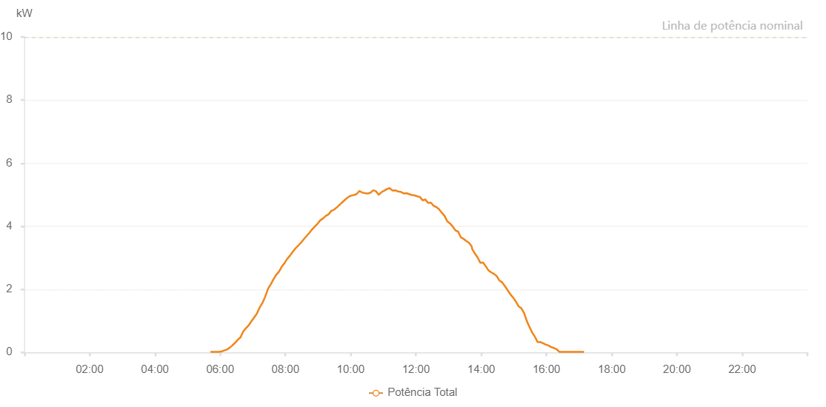

Number | Time | Working State | Alarm Code | Total Inverter Power(W)
1 | 26/07/2022 05:42:09 (UTC-4:00) | Normal |  | 20.000
2 | 26/07/2022 05:47:09 (UTC-4:00) | Normal |  | 20.000
3 | 26/07/2022 05:52:08 (UTC-4:00) | Normal |  | 20.000
4 | 26/07/2022 05:57:08 (UTC-4:00) | Normal |  | 20.000
5 | 26/07/2022 06:02:11 (UTC-4:00) | Normal |  | 30.000
6 | 26/07/2022 06:07:12 (UTC-4:00) | Normal |  | 60.000
7 | 26/07/2022 06:12:16 (UTC-4:00) | Normal |  | 90.000
8 | 26/07/2022 06:17:18 (UTC-4:00) | Normal |  | 150.000
9 | 26/07/2022 06:22:21 (UTC-4:00) | Normal |  | 220.000
10 | 26/07/2022 06:27:27 (UTC-4:00) | Normal |  | 310.000
11 | 26/07/2022 06:27:38 (UTC-4:00) | Normal |  | 310.000
12 | 26/07/2022 06:32:27 (UTC-4:00) | Normal |  | 400.000
13 | 26/07/2022 06:37:30 (UTC-4:00) | Normal |  | 480.000
14 | 26/07/2022 06:42:33 (UTC-4:00) | Normal |  | 670.000
15 | 26/07/2022 06:47:32 (UTC-4:00) | Normal |  | 770.000
16 | 26/07/2022 06:52:31 (UTC-4:00) | Normal |  | 860.000
17 | 26/07/2022 06:57:32 (UTC-4:00) | Normal |  | 990.000
18 | 26/07/2022 07:02:31 (UTC-4:00) | Normal |  | 1110.000
19 | 26/07/2022 07:07:30 (UTC-4:00) | Normal |  | 1230.000
20 | 26/07/2022 07:12:29 (UTC-4:00) | Normal |  | 1420.000
21 | 26/07/2022 07:12:47 (UTC-4:00) | Normal |  | 1430.000
22 | 26/07/2022 07:18:05 (UTC-4:00) | Normal |  | 1580.000
23 | 26/07/2022 07:23:05 (UTC-4:00) | Normal |  | 1780.000
24 | 26/07/2022 07:28:05 (UTC-4:00) | Normal |  | 2020.000
25 | 26/07/2022 07:33:05 (UTC-4:00) | Normal |  | 2160.000
26 | 26/07/2022 07:38:06 (UTC-4:00) | Normal |  | 2320.000
27 | 26/07/2022 07:43:07 (UTC-4:00) | Normal |  | 2460.000
28 | 26/07/2022 07:48:08 (UTC-4:00) | Normal |  | 2560.000
29 | 26/07/2022 07:53:17 (UTC-4:00) | Normal |  | 2720.000
30 | 26/07/2022 07:58:18 (UTC-4:00) | Normal |  | 2830.000
31 | 26/07/2022 08:03:22 (UTC-4:00) | Normal |  | 2970.000
32 | 26/07/2022 08:03:32 (UTC-4:00) | Normal |  | 2970.000
33 | 26/07/2022 08:08:27 (UTC-4:00) | Normal |  | 3070.000
34 | 26/07/2022 08:13:30 (UTC-4:00) | Normal |  | 3190.000
35 | 26/07/2022 08:18:35 (UTC-4:00) | Normal |  | 3300.000
36 | 26/07/2022 08:23:38 (UTC-4:00) | Normal |  | 3390.000
37 | 26/07/2022 08:23:49 (UTC-4:00) | Normal |  | 3390.000
38 | 26/07/2022 08:28:42 (UTC-4:00) | Normal |  | 3480.000
39 | 26/07/2022 08:33:45 (UTC-4:00) | Normal |  | 3590.000
40 | 26/07/2022 08:38:49 (UTC-4:00) | Normal |  | 3690.000
41 | 26/07/2022 08:43:54 (UTC-4:00) | Normal |  | 3790.000
42 | 26/07/2022 08:48:58 (UTC-4:00) | Normal |  | 3900.000
43 | 26/07/2022 08:54:01 (UTC-4:00) | Normal |  | 3990.000
44 | 26/07/2022 08:59:05 (UTC-4:00) | Normal |  | 4080.000
45 | 26/07/2022 09:04:09 (UTC-4:00) | Normal |  | 4190.000
46 | 26/07/2022 09:09:15 (UTC-4:00) | Normal |  | 4250.000
47 | 26/07/2022 09:14:23 (UTC-4:00) | Normal |  | 4330.000
48 | 26/07/2022 09:19:25 (UTC-4:00) | Normal |  | 4380.000
49 | 26/07/2022 09:24:27 (UTC-4:00) | Normal |  | 4490.000
50 | 26/07/2022 09:24:54 (UTC-4:00) | Normal |  | 4490.000
51 | 26/07/2022 09:29:51 (UTC-4:00) | Normal |  | 4530.000
52 | 26/07/2022 09:30:29 (UTC-4:00) | Normal |  | 4540.000
53 | 26/07/2022 09:35:51 (UTC-4:00) | Normal |  | 4620.000
54 | 26/07/2022 09:40:52 (UTC-4:00) | Normal |  | 4700.000
55 | 26/07/2022 09:45:53 (UTC-4:00) | Normal |  | 4780.000
56 | 26/07/2022 09:50:53 (UTC-4:00) | Normal |  | 4860.000
57 | 26/07/2022 09:55:54 (UTC-4:00) | Normal |  | 4930.000
58 | 26/07/2022 10:00:55 (UTC-4:00) | Normal |  | 4970.000
59 | 26/07/2022 10:05:55 (UTC-4:00) | Normal |  | 4990.000
60 | 26/07/2022 10:10:56 (UTC-4:00) | Normal |  | 5020.000
61 | 26/07/2022 10:15:57 (UTC-4:00) | Normal |  | 5120.000
62 | 26/07/2022 10:21:00 (UTC-4:00) | Normal |  | 5070.000
63 | 26/07/2022 10:26:06 (UTC-4:00) | Normal |  | 5050.000
64 | 26/07/2022 10:31:13 (UTC-4:00) | Normal |  | 5040.000
65 | 26/07/2022 10:36:17 (UTC-4:00) | Normal |  | 5060.000
66 | 26/07/2022 10:41:23 (UTC-4:00) | Normal |  | 5140.000
67 | 26/07/2022 10:46:29 (UTC-4:00) | Normal |  | 5110.000
68 | 26/07/2022 10:51:36 (UTC-4:00) | Normal |  | 5000.000
69 | 26/07/2022 10:51:44 (UTC-4:00) | Normal |  | 5000.000
70 | 26/07/2022 10:56:38 (UTC-4:00) | Normal |  | 5080.000
71 | 26/07/2022 11:01:42 (UTC-4:00) | Normal |  | 5130.000
72 | 26/07/2022 11:01:52 (UTC-4:00) | Normal |  | 5130.000
73 | 26/07/2022 11:06:50 (UTC-4:00) | Normal |  | 5180.000
74 | 26/07/2022 11:11:54 (UTC-4:00) | Normal |  | 5210.000
75 | 26/07/2022 11:16:58 (UTC-4:00) | Normal |  | 5130.000
76 | 26/07/2022 11:22:03 (UTC-4:00) | Normal |  | 5140.000
77 | 26/07/2022 11:27:07 (UTC-4:00) | Normal |  | 5100.000
78 | 26/07/2022 11:32:12 (UTC-4:00) | Normal |  | 5090.000
79 | 26/07/2022 11:37:13 (UTC-4:00) | Normal |  | 5040.000
80 | 26/07/2022 11:42:14 (UTC-4:00) | Normal |  | 5050.000
81 | 26/07/2022 11:47:14 (UTC-4:00) | Normal |  | 5020.000
82 | 26/07/2022 11:52:15 (UTC-4:00) | Normal |  | 4990.000
83 | 26/07/2022 11:57:16 (UTC-4:00) | Normal |  | 4980.000
84 | 26/07/2022 12:02:17 (UTC-4:00) | Normal |  | 4950.000
85 | 26/07/2022 12:07:17 (UTC-4:00) | Normal |  | 4930.000
86 | 26/07/2022 12:12:18 (UTC-4:00) | Normal |  | 4820.000
87 | 26/07/2022 12:17:19 (UTC-4:00) | Normal |  | 4850.000
88 | 26/07/2022 12:22:20 (UTC-4:00) | Normal |  | 4740.000
89 | 26/07/2022 12:27:21 (UTC-4:00) | Normal |  | 4750.000
90 | 26/07/2022 12:32:23 (UTC-4:00) | Normal |  | 4650.000
91 | 26/07/2022 12:37:27 (UTC-4:00) | Normal |  | 4610.000
92 | 26/07/2022 12:42:28 (UTC-4:00) | Normal |  | 4540.000
93 | 26/07/2022 12:47:29 (UTC-4:00) | Normal |  | 4430.000
94 | 26/07/2022 12:52:31 (UTC-4:00) | Normal |  | 4330.000
95 | 26/07/2022 12:57:32 (UTC-4:00) | Normal |  | 4160.000
96 | 26/07/2022 13:02:33 (UTC-4:00) | Normal |  | 4090.000
97 | 26/07/2022 13:07:33 (UTC-4:00) | Normal |  | 3990.000
98 | 26/07/2022 13:12:35 (UTC-4:00) | Normal |  | 3870.000
99 | 26/07/2022 13:17:36 (UTC-4:00) | Normal |  | 3830.000
100 | 26/07/2022 13:22:37 (UTC-4:00) | Normal |  | 3650.000
101 | 26/07/2022 13:27:37 (UTC-4:00) | Normal |  | 3600.000
102 | 26/07/2022 13:32:38 (UTC-4:00) | Normal |  | 3530.000
103 | 26/07/2022 13:37:39 (UTC-4:00) | Normal |  | 3470.000
104 | 26/07/2022 13:42:40 (UTC-4:00) | Normal |  | 3360.000
105 | 26/07/2022 13:43:12 (UTC-4:00) | Normal |  | 3290.000
106 | 26/07/2022 13:48:30 (UTC-4:00) | Normal |  | 3130.000
107 | 26/07/2022 13:53:29 (UTC-4:00) | Normal |  | 3010.000
108 | 26/07/2022 13:58:28 (UTC-4:00) | Normal |  | 2840.000
109 | 26/07/2022 14:03:27 (UTC-4:00) | Normal |  | 2850.000
110 | 26/07/2022 14:08:25 (UTC-4:00) | Normal |  | 2730.000
111 | 26/07/2022 14:13:25 (UTC-4:00) | Normal |  | 2600.000
112 | 26/07/2022 14:18:23 (UTC-4:00) | Normal |  | 2540.000
113 | 26/07/2022 14:23:26 (UTC-4:00) | Normal |  | 2490.000
114 | 26/07/2022 14:28:29 (UTC-4:00) | Normal |  | 2420.000
115 | 26/07/2022 14:33:31 (UTC-4:00) | Normal |  | 2280.000
116 | 26/07/2022 14:38:35 (UTC-4:00) | Normal |  | 2220.000
117 | 26/07/2022 14:43:38 (UTC-4:00) | Normal |  | 2100.000
118 | 26/07/2022 14:48:40 (UTC-4:00) | Normal |  | 1970.000
119 | 26/07/2022 14:53:43 (UTC-4:00) | Normal |  | 1840.000
120 | 26/07/2022 14:58:46 (UTC-4:00) | Normal |  | 1740.000
121 | 26/07/2022 15:03:48 (UTC-4:00) | Normal |  | 1610.000
122 | 26/07/2022 15:08:51 (UTC-4:00) | Normal |  | 1460.000
123 | 26/07/2022 15:13:49 (UTC-4:00) | Normal |  | 1400.000
124 | 26/07/2022 15:18:48 (UTC-4:00) | Normal |  | 1250.000
125 | 26/07/2022 15:23:47 (UTC-4:00) | Normal |  | 1000.000
126 | 26/07/2022 15:28:45 (UTC-4:00) | Normal |  | 810.000
127 | 26/07/2022 15:33:45 (UTC-4:00) | Normal |  | 630.000
128 | 26/07/2022 15:38:43 (UTC-4:00) | Normal |  | 500.000
129 | 26/07/2022 15:43:41 (UTC-4:00) | Normal |  | 330.000
130 | 26/07/2022 15:48:41 (UTC-4:00) | Normal |  | 330.000
131 | 26/07/2022 15:53:40 (UTC-4:00) | Normal |  | 290.000
132 | 26/07/2022 15:58:38 (UTC-4:00) | Normal |  | 250.000
133 | 26/07/2022 16:03:37 (UTC-4:00) | Normal |  | 220.000
134 | 26/07/2022 16:08:35 (UTC-4:00) | Normal |  | 170.000
135 | 26/07/2022 16:13:38 (UTC-4:00) | Normal |  | 140.000
136 | 26/07/2022 16:18:41 (UTC-4:00) | Normal |  | 100.000
137 | 26/07/2022 16:23:45 (UTC-4:00) | Normal |  | 20.000
138 | 26/07/2022 16:28:47 (UTC-4:00) | Normal |  | 20.000
139 | 26/07/2022 16:33:49 (UTC-4:00) | Normal |  | 20.000
140 | 26/07/2022 16:38:55 (UTC-4:00) | Normal |  | 20.000
141 | 26/07/2022 16:43:56 (UTC-4:00) | Normal |  | 20.000
142 | 26/07/2022 16:48:59 (UTC-4:00) | Normal |  | 20.000
143 | 26/07/2022 16:54:02 (UTC-4:00) | Normal |  | 20.000
144 | 26/07/2022 16:59:05 (UTC-4:00) | Normal |  | 20.000
145 | 26/07/2022 17:04:07 (UTC-4:00) | Normal |  | 20.000
146 | 26/07/2022 17:09:09 (UTC-4:00) | Normal |  | 20.000

