Inverter History Report__17-08-
Inverter History Report_28/07/2022_Report

Inverter SN:054B7020C020044 |  | Inverter type:B7
Collector SN:4045086367 |  | Full Load Hours(h):3.16
Rated Power:10000Wp

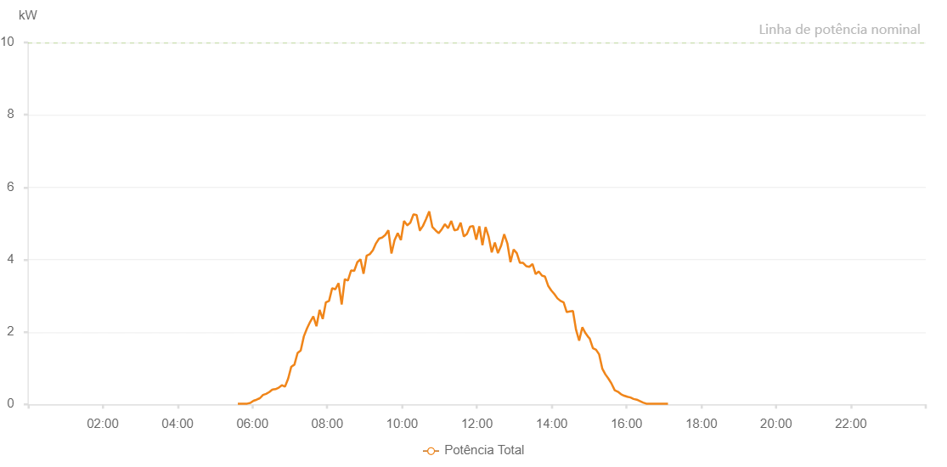

Number | Time | Working State | Alarm Code | Total Inverter Power(W)
1 | 28/07/2022 05:36:38 (UTC-4:00) | Normal |  | 20.000
2 | 28/07/2022 05:41:37 (UTC-4:00) | Normal |  | 20.000
3 | 28/07/2022 05:46:35 (UTC-4:00) | Normal |  | 20.000
4 | 28/07/2022 05:51:37 (UTC-4:00) | Normal |  | 20.000
5 | 28/07/2022 05:56:40 (UTC-4:00) | Normal |  | 40.000
6 | 28/07/2022 06:01:44 (UTC-4:00) | Normal |  | 100.000
7 | 28/07/2022 06:06:48 (UTC-4:00) | Normal |  | 130.000
8 | 28/07/2022 06:11:54 (UTC-4:00) | Normal |  | 170.000
9 | 28/07/2022 06:12:01 (UTC-4:00) | Normal |  | 170.000
10 | 28/07/2022 06:16:59 (UTC-4:00) | Normal |  | 260.000
11 | 28/07/2022 06:21:58 (UTC-4:00) | Normal |  | 290.000
12 | 28/07/2022 06:27:00 (UTC-4:00) | Normal |  | 340.000
13 | 28/07/2022 06:32:04 (UTC-4:00) | Normal |  | 410.000
14 | 28/07/2022 06:32:13 (UTC-4:00) | Normal |  | 410.000
15 | 28/07/2022 06:37:04 (UTC-4:00) | Normal |  | 420.000
16 | 28/07/2022 06:42:09 (UTC-4:00) | Normal |  | 460.000
17 | 28/07/2022 06:47:11 (UTC-4:00) | Normal |  | 530.000
18 | 28/07/2022 06:52:16 (UTC-4:00) | Normal |  | 490.000
19 | 28/07/2022 06:57:18 (UTC-4:00) | Normal |  | 710.000
20 | 28/07/2022 07:02:20 (UTC-4:00) | Normal |  | 1040.000
21 | 28/07/2022 07:07:23 (UTC-4:00) | Normal |  | 1100.000
22 | 28/07/2022 07:12:26 (UTC-4:00) | Normal |  | 1420.000
23 | 28/07/2022 07:17:29 (UTC-4:00) | Normal |  | 1490.000
24 | 28/07/2022 07:22:31 (UTC-4:00) | Normal |  | 1880.000
25 | 28/07/2022 07:27:34 (UTC-4:00) | Normal |  | 2100.000
26 | 28/07/2022 07:32:36 (UTC-4:00) | Normal |  | 2280.000
27 | 28/07/2022 07:37:40 (UTC-4:00) | Normal |  | 2430.000
28 | 28/07/2022 07:42:42 (UTC-4:00) | Normal |  | 2160.000
29 | 28/07/2022 07:47:46 (UTC-4:00) | Normal |  | 2610.000
30 | 28/07/2022 07:52:47 (UTC-4:00) | Normal |  | 2360.000
31 | 28/07/2022 07:57:50 (UTC-4:00) | Normal |  | 2820.000
32 | 28/07/2022 08:02:53 (UTC-4:00) | Normal |  | 2860.000
33 | 28/07/2022 08:07:57 (UTC-4:00) | Normal |  | 3210.000
34 | 28/07/2022 08:12:59 (UTC-4:00) | Normal |  | 3180.000
35 | 28/07/2022 08:18:08 (UTC-4:00) | Normal |  | 3350.000
36 | 28/07/2022 08:23:11 (UTC-4:00) | Normal |  | 2760.000
37 | 28/07/2022 08:28:10 (UTC-4:00) | Normal |  | 3460.000
38 | 28/07/2022 08:33:11 (UTC-4:00) | Normal |  | 3420.000
39 | 28/07/2022 08:38:13 (UTC-4:00) | Normal |  | 3700.000
40 | 28/07/2022 08:43:17 (UTC-4:00) | Normal |  | 3690.000
41 | 28/07/2022 08:48:19 (UTC-4:00) | Normal |  | 3930.000
42 | 28/07/2022 08:53:17 (UTC-4:00) | Normal |  | 4010.000
43 | 28/07/2022 08:58:15 (UTC-4:00) | Normal |  | 3610.000
44 | 28/07/2022 09:03:15 (UTC-4:00) | Normal |  | 4110.000
45 | 28/07/2022 09:08:13 (UTC-4:00) | Normal |  | 4150.000
46 | 28/07/2022 09:13:14 (UTC-4:00) | Normal |  | 4260.000
47 | 28/07/2022 09:18:13 (UTC-4:00) | Normal |  | 4450.000
48 | 28/07/2022 09:23:12 (UTC-4:00) | Normal |  | 4580.000
49 | 28/07/2022 09:28:06 (UTC-4:00) | Normal |  | 4610.000
50 | 28/07/2022 09:33:05 (UTC-4:00) | Normal |  | 4680.000
51 | 28/07/2022 09:38:03 (UTC-4:00) | Normal |  | 4810.000
52 | 28/07/2022 09:43:02 (UTC-4:00) | Normal |  | 4170.000
53 | 28/07/2022 09:48:01 (UTC-4:00) | Normal |  | 4540.000
54 | 28/07/2022 09:53:06 (UTC-4:00) | Normal |  | 4730.000
55 | 28/07/2022 09:58:08 (UTC-4:00) | Normal |  | 4540.000
56 | 28/07/2022 10:03:11 (UTC-4:00) | Normal |  | 5070.000
57 | 28/07/2022 10:08:18 (UTC-4:00) | Normal |  | 4950.000
58 | 28/07/2022 10:08:30 (UTC-4:00) | Normal |  | 4950.000
59 | 28/07/2022 10:13:17 (UTC-4:00) | Normal |  | 5020.000
60 | 28/07/2022 10:18:20 (UTC-4:00) | Normal |  | 5250.000
61 | 28/07/2022 10:18:31 (UTC-4:00) | Normal |  | 5250.000
62 | 28/07/2022 10:23:24 (UTC-4:00) | Normal |  | 5230.000
63 | 28/07/2022 10:28:28 (UTC-4:00) | Normal |  | 4810.000
64 | 28/07/2022 10:28:39 (UTC-4:00) | Normal |  | 4810.000
65 | 28/07/2022 10:33:28 (UTC-4:00) | Normal |  | 4930.000
66 | 28/07/2022 10:38:32 (UTC-4:00) | Normal |  | 5120.000
67 | 28/07/2022 10:43:35 (UTC-4:00) | Normal |  | 5330.000
68 | 28/07/2022 10:48:39 (UTC-4:00) | Normal |  | 4900.000
69 | 28/07/2022 10:53:40 (UTC-4:00) | Normal |  | 4810.000
70 | 28/07/2022 10:58:43 (UTC-4:00) | Normal |  | 4730.000
71 | 28/07/2022 11:03:46 (UTC-4:00) | Normal |  | 4840.000
72 | 28/07/2022 11:08:48 (UTC-4:00) | Normal |  | 4980.000
73 | 28/07/2022 11:13:49 (UTC-4:00) | Normal |  | 4870.000
74 | 28/07/2022 11:18:53 (UTC-4:00) | Normal |  | 5070.000
75 | 28/07/2022 11:23:55 (UTC-4:00) | Normal |  | 4810.000
76 | 28/07/2022 11:28:59 (UTC-4:00) | Normal |  | 4830.000
77 | 28/07/2022 11:34:00 (UTC-4:00) | Normal |  | 5020.000
78 | 28/07/2022 11:39:04 (UTC-4:00) | Normal |  | 4640.000
79 | 28/07/2022 11:44:05 (UTC-4:00) | Normal |  | 4710.000
80 | 28/07/2022 11:49:03 (UTC-4:00) | Normal |  | 4910.000
81 | 28/07/2022 11:54:01 (UTC-4:00) | Normal |  | 4930.000
82 | 28/07/2022 11:59:00 (UTC-4:00) | Normal |  | 4550.000
83 | 28/07/2022 12:03:59 (UTC-4:00) | Normal |  | 4920.000
84 | 28/07/2022 12:08:58 (UTC-4:00) | Normal |  | 4400.000
85 | 28/07/2022 12:13:56 (UTC-4:00) | Normal |  | 4900.000
86 | 28/07/2022 12:18:55 (UTC-4:00) | Normal |  | 4630.000
87 | 28/07/2022 12:23:53 (UTC-4:00) | Normal |  | 4200.000
88 | 28/07/2022 12:28:52 (UTC-4:00) | Normal |  | 4470.000
89 | 28/07/2022 12:33:50 (UTC-4:00) | Normal |  | 4180.000
90 | 28/07/2022 12:38:49 (UTC-4:00) | Normal |  | 4380.000
91 | 28/07/2022 12:43:51 (UTC-4:00) | Normal |  | 4700.000
92 | 28/07/2022 12:48:54 (UTC-4:00) | Normal |  | 4450.000
93 | 28/07/2022 12:53:56 (UTC-4:00) | Normal |  | 3930.000
94 | 28/07/2022 12:58:59 (UTC-4:00) | Normal |  | 4280.000
95 | 28/07/2022 13:04:01 (UTC-4:00) | Normal |  | 4180.000
96 | 28/07/2022 13:09:04 (UTC-4:00) | Normal |  | 3910.000
97 | 28/07/2022 13:09:15 (UTC-4:00) | Normal |  | 3910.000
98 | 28/07/2022 13:14:06 (UTC-4:00) | Normal |  | 3910.000
99 | 28/07/2022 13:19:09 (UTC-4:00) | Normal |  | 3820.000
100 | 28/07/2022 13:19:19 (UTC-4:00) | Normal |  | 3820.000
101 | 28/07/2022 13:24:11 (UTC-4:00) | Normal |  | 3800.000
102 | 28/07/2022 13:29:14 (UTC-4:00) | Normal |  | 3880.000
103 | 28/07/2022 13:34:18 (UTC-4:00) | Normal |  | 3600.000
104 | 28/07/2022 13:39:18 (UTC-4:00) | Normal |  | 3670.000
105 | 28/07/2022 13:44:20 (UTC-4:00) | Normal |  | 3560.000
106 | 28/07/2022 13:49:19 (UTC-4:00) | Normal |  | 3530.000
107 | 28/07/2022 13:54:17 (UTC-4:00) | Normal |  | 3280.000
108 | 28/07/2022 13:59:16 (UTC-4:00) | Normal |  | 3150.000
109 | 28/07/2022 14:04:14 (UTC-4:00) | Normal |  | 3050.000
110 | 28/07/2022 14:09:13 (UTC-4:00) | Normal |  | 2930.000
111 | 28/07/2022 14:14:11 (UTC-4:00) | Normal |  | 2860.000
112 | 28/07/2022 14:19:10 (UTC-4:00) | Normal |  | 2820.000
113 | 28/07/2022 14:24:09 (UTC-4:00) | Normal |  | 2550.000
114 | 28/07/2022 14:29:08 (UTC-4:00) | Normal |  | 2570.000
115 | 28/07/2022 14:34:06 (UTC-4:00) | Normal |  | 2580.000
116 | 28/07/2022 14:39:05 (UTC-4:00) | Normal |  | 2060.000
117 | 28/07/2022 14:44:04 (UTC-4:00) | Normal |  | 1760.000
118 | 28/07/2022 14:49:06 (UTC-4:00) | Normal |  | 2130.000
119 | 28/07/2022 14:54:10 (UTC-4:00) | Normal |  | 1970.000
120 | 28/07/2022 14:59:13 (UTC-4:00) | Normal |  | 1850.000
121 | 28/07/2022 15:00:54 (UTC-4:00) | Normal |  | 1820.000
122 | 28/07/2022 15:06:10 (UTC-4:00) | Normal |  | 1550.000
123 | 28/07/2022 15:11:09 (UTC-4:00) | Normal |  | 1510.000
124 | 28/07/2022 15:16:09 (UTC-4:00) | Normal |  | 1380.000
125 | 28/07/2022 15:21:08 (UTC-4:00) | Normal |  | 990.000
126 | 28/07/2022 15:26:06 (UTC-4:00) | Normal |  | 830.000
127 | 28/07/2022 15:31:06 (UTC-4:00) | Normal |  | 710.000
128 | 28/07/2022 15:36:05 (UTC-4:00) | Normal |  | 570.000
129 | 28/07/2022 15:41:08 (UTC-4:00) | Normal |  | 390.000
130 | 28/07/2022 15:46:09 (UTC-4:00) | Normal |  | 350.000
131 | 28/07/2022 15:51:12 (UTC-4:00) | Normal |  | 280.000
132 | 28/07/2022 15:51:23 (UTC-4:00) | Normal |  | 280.000
133 | 28/07/2022 15:56:15 (UTC-4:00) | Normal |  | 240.000
134 | 28/07/2022 16:01:19 (UTC-4:00) | Normal |  | 210.000
135 | 28/07/2022 16:06:22 (UTC-4:00) | Normal |  | 190.000
136 | 28/07/2022 16:11:25 (UTC-4:00) | Normal |  | 150.000
137 | 28/07/2022 16:16:29 (UTC-4:00) | Normal |  | 130.000
138 | 28/07/2022 16:21:31 (UTC-4:00) | Normal |  | 90.000
139 | 28/07/2022 16:26:34 (UTC-4:00) | Normal |  | 50.000
140 | 28/07/2022 16:31:37 (UTC-4:00) | Normal |  | 20.000
141 | 28/07/2022 16:36:36 (UTC-4:00) | Normal |  | 20.000
142 | 28/07/2022 16:41:34 (UTC-4:00) | Normal |  | 20.000
143 | 28/07/2022 16:46:35 (UTC-4:00) | Normal |  | 20.000
144 | 28/07/2022 16:51:34 (UTC-4:00) | Normal |  | 20.000
145 | 28/07/2022 16:56:33 (UTC-4:00) | Normal |  | 20.000
146 | 28/07/2022 17:01:33 (UTC-4:00) | Normal |  | 20.000
147 | 28/07/2022 17:06:32 (UTC-4:00) | Normal |  | 20.000

