Inverter History Report__17-08-
Inverter History Report_30/07/2022_Report

Inverter SN:054B7020C020044 |  | Inverter type:B7
Collector SN:4045086367 |  | Full Load Hours(h):4.39
Rated Power:10000Wp

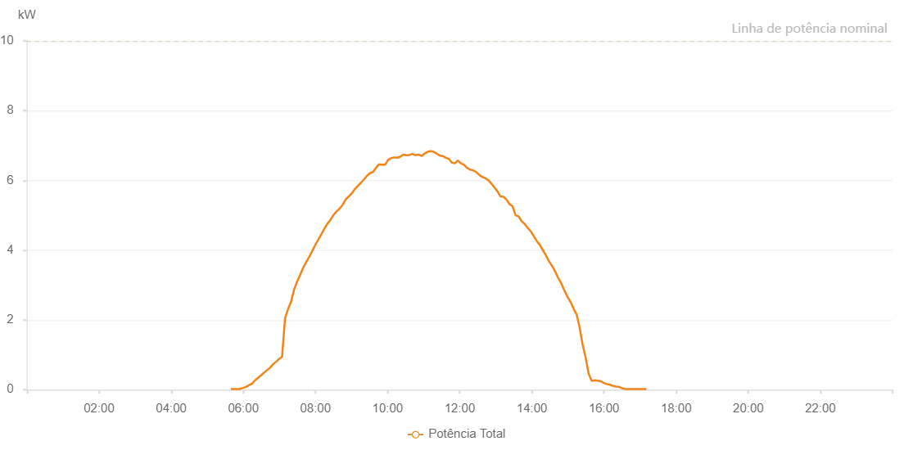

Number | Time | Working State | Alarm Code | Total Inverter Power(W)
1 | 30/07/2022 05:39:18 (UTC-4:00) | Normal |  | 20.000
2 | 30/07/2022 05:44:17 (UTC-4:00) | Normal |  | 20.000
3 | 30/07/2022 05:49:16 (UTC-4:00) | Normal |  | 20.000
4 | 30/07/2022 05:54:20 (UTC-4:00) | Normal |  | 20.000
5 | 30/07/2022 05:59:21 (UTC-4:00) | Normal |  | 50.000
6 | 30/07/2022 06:04:28 (UTC-4:00) | Normal |  | 80.000
7 | 30/07/2022 06:09:26 (UTC-4:00) | Normal |  | 130.000
8 | 30/07/2022 06:14:29 (UTC-4:00) | Normal |  | 170.000
9 | 30/07/2022 06:19:32 (UTC-4:00) | Normal |  | 270.000
10 | 30/07/2022 06:24:30 (UTC-4:00) | Normal |  | 340.000
11 | 30/07/2022 06:29:29 (UTC-4:00) | Normal |  | 410.000
12 | 30/07/2022 06:34:30 (UTC-4:00) | Normal |  | 490.000
13 | 30/07/2022 06:39:30 (UTC-4:00) | Normal |  | 560.000
14 | 30/07/2022 06:44:29 (UTC-4:00) | Normal |  | 630.000
15 | 30/07/2022 06:49:27 (UTC-4:00) | Normal |  | 730.000
16 | 30/07/2022 06:54:26 (UTC-4:00) | Normal |  | 800.000
17 | 30/07/2022 06:59:25 (UTC-4:00) | Normal |  | 880.000
18 | 30/07/2022 07:04:23 (UTC-4:00) | Normal |  | 940.000
19 | 30/07/2022 07:09:22 (UTC-4:00) | Normal |  | 2050.000
20 | 30/07/2022 07:14:21 (UTC-4:00) | Normal |  | 2310.000
21 | 30/07/2022 07:19:22 (UTC-4:00) | Normal |  | 2520.000
22 | 30/07/2022 07:24:26 (UTC-4:00) | Normal |  | 2870.000
23 | 30/07/2022 07:29:29 (UTC-4:00) | Normal |  | 3100.000
24 | 30/07/2022 07:34:31 (UTC-4:00) | Normal |  | 3290.000
25 | 30/07/2022 07:39:36 (UTC-4:00) | Normal |  | 3500.000
26 | 30/07/2022 07:44:39 (UTC-4:00) | Normal |  | 3660.000
27 | 30/07/2022 07:49:40 (UTC-4:00) | Normal |  | 3810.000
28 | 30/07/2022 07:54:44 (UTC-4:00) | Normal |  | 3980.000
29 | 30/07/2022 07:59:47 (UTC-4:00) | Normal |  | 4160.000
30 | 30/07/2022 08:04:48 (UTC-4:00) | Normal |  | 4300.000
31 | 30/07/2022 08:09:51 (UTC-4:00) | Normal |  | 4460.000
32 | 30/07/2022 08:14:54 (UTC-4:00) | Normal |  | 4620.000
33 | 30/07/2022 08:19:56 (UTC-4:00) | Normal |  | 4760.000
34 | 30/07/2022 08:24:59 (UTC-4:00) | Normal |  | 4870.000
35 | 30/07/2022 08:30:02 (UTC-4:00) | Normal |  | 5010.000
36 | 30/07/2022 08:35:05 (UTC-4:00) | Normal |  | 5110.000
37 | 30/07/2022 08:40:08 (UTC-4:00) | Normal |  | 5190.000
38 | 30/07/2022 08:45:12 (UTC-4:00) | Normal |  | 5300.000
39 | 30/07/2022 08:50:15 (UTC-4:00) | Normal |  | 5450.000
40 | 30/07/2022 08:55:20 (UTC-4:00) | Normal |  | 5540.000
41 | 30/07/2022 09:00:22 (UTC-4:00) | Normal |  | 5630.000
42 | 30/07/2022 09:00:32 (UTC-4:00) | Normal |  | 5630.000
43 | 30/07/2022 09:05:25 (UTC-4:00) | Normal |  | 5750.000
44 | 30/07/2022 09:10:27 (UTC-4:00) | Normal |  | 5840.000
45 | 30/07/2022 09:15:30 (UTC-4:00) | Normal |  | 5930.000
46 | 30/07/2022 09:20:32 (UTC-4:00) | Normal |  | 6030.000
47 | 30/07/2022 09:20:43 (UTC-4:00) | Normal |  | 6030.000
48 | 30/07/2022 09:25:33 (UTC-4:00) | Normal |  | 6130.000
49 | 30/07/2022 09:30:35 (UTC-4:00) | Normal |  | 6210.000
50 | 30/07/2022 09:35:38 (UTC-4:00) | Normal |  | 6240.000
51 | 30/07/2022 09:40:40 (UTC-4:00) | Normal |  | 6360.000
52 | 30/07/2022 09:45:44 (UTC-4:00) | Normal |  | 6460.000
53 | 30/07/2022 09:50:46 (UTC-4:00) | Normal |  | 6450.000
54 | 30/07/2022 09:55:48 (UTC-4:00) | Normal |  | 6450.000
55 | 30/07/2022 10:00:53 (UTC-4:00) | Normal |  | 6590.000
56 | 30/07/2022 10:05:56 (UTC-4:00) | Normal |  | 6640.000
57 | 30/07/2022 10:10:58 (UTC-4:00) | Normal |  | 6660.000
58 | 30/07/2022 10:16:02 (UTC-4:00) | Normal |  | 6650.000
59 | 30/07/2022 10:21:04 (UTC-4:00) | Normal |  | 6680.000
60 | 30/07/2022 10:26:08 (UTC-4:00) | Normal |  | 6740.000
61 | 30/07/2022 10:31:08 (UTC-4:00) | Normal |  | 6720.000
62 | 30/07/2022 10:36:11 (UTC-4:00) | Normal |  | 6730.000
63 | 30/07/2022 10:41:15 (UTC-4:00) | Normal |  | 6760.000
64 | 30/07/2022 10:46:18 (UTC-4:00) | Normal |  | 6720.000
65 | 30/07/2022 10:51:20 (UTC-4:00) | Normal |  | 6740.000
66 | 30/07/2022 10:56:22 (UTC-4:00) | Normal |  | 6700.000
67 | 30/07/2022 11:01:26 (UTC-4:00) | Normal |  | 6770.000
68 | 30/07/2022 11:06:30 (UTC-4:00) | Normal |  | 6820.000
69 | 30/07/2022 11:11:36 (UTC-4:00) | Normal |  | 6840.000
70 | 30/07/2022 11:11:58 (UTC-4:00) | Normal |  | 6840.000
71 | 30/07/2022 11:16:34 (UTC-4:00) | Normal |  | 6820.000
72 | 30/07/2022 11:21:36 (UTC-4:00) | Normal |  | 6770.000
73 | 30/07/2022 11:21:47 (UTC-4:00) | Normal |  | 6770.000
74 | 30/07/2022 11:26:42 (UTC-4:00) | Normal |  | 6710.000
75 | 30/07/2022 11:31:45 (UTC-4:00) | Normal |  | 6700.000
76 | 30/07/2022 11:36:46 (UTC-4:00) | Normal |  | 6650.000
77 | 30/07/2022 11:41:50 (UTC-4:00) | Normal |  | 6620.000
78 | 30/07/2022 11:46:51 (UTC-4:00) | Normal |  | 6510.000
79 | 30/07/2022 11:52:00 (UTC-4:00) | Normal |  | 6490.000
80 | 30/07/2022 11:56:56 (UTC-4:00) | Normal |  | 6570.000
81 | 30/07/2022 12:01:59 (UTC-4:00) | Normal |  | 6490.000
82 | 30/07/2022 12:07:03 (UTC-4:00) | Normal |  | 6450.000
83 | 30/07/2022 12:12:06 (UTC-4:00) | Normal |  | 6360.000
84 | 30/07/2022 12:17:07 (UTC-4:00) | Normal |  | 6310.000
85 | 30/07/2022 12:22:12 (UTC-4:00) | Normal |  | 6290.000
86 | 30/07/2022 12:27:16 (UTC-4:00) | Normal |  | 6240.000
87 | 30/07/2022 12:27:17 (UTC-4:00) | Normal |  | 6240.000
88 | 30/07/2022 12:32:21 (UTC-4:00) | Normal |  | 6160.000
89 | 30/07/2022 12:37:23 (UTC-4:00) | Normal |  | 6100.000
90 | 30/07/2022 12:42:27 (UTC-4:00) | Normal |  | 6060.000
91 | 30/07/2022 12:47:27 (UTC-4:00) | Normal |  | 6010.000
92 | 30/07/2022 12:52:30 (UTC-4:00) | Normal |  | 5910.000
93 | 30/07/2022 12:57:32 (UTC-4:00) | Normal |  | 5800.000
94 | 30/07/2022 13:02:36 (UTC-4:00) | Normal |  | 5690.000
95 | 30/07/2022 13:07:40 (UTC-4:00) | Normal |  | 5540.000
96 | 30/07/2022 13:12:41 (UTC-4:00) | Normal |  | 5530.000
97 | 30/07/2022 13:17:43 (UTC-4:00) | Normal |  | 5450.000
98 | 30/07/2022 13:17:54 (UTC-4:00) | Normal |  | 5450.000
99 | 30/07/2022 13:22:50 (UTC-4:00) | Normal |  | 5320.000
100 | 30/07/2022 13:27:52 (UTC-4:00) | Normal |  | 5260.000
101 | 30/07/2022 13:32:54 (UTC-4:00) | Normal |  | 5000.000
102 | 30/07/2022 13:37:56 (UTC-4:00) | Normal |  | 4970.000
103 | 30/07/2022 13:43:00 (UTC-4:00) | Normal |  | 4830.000
104 | 30/07/2022 13:48:02 (UTC-4:00) | Normal |  | 4750.000
105 | 30/07/2022 13:53:04 (UTC-4:00) | Normal |  | 4640.000
106 | 30/07/2022 13:58:07 (UTC-4:00) | Normal |  | 4540.000
107 | 30/07/2022 14:03:11 (UTC-4:00) | Normal |  | 4400.000
108 | 30/07/2022 14:08:12 (UTC-4:00) | Normal |  | 4260.000
109 | 30/07/2022 14:13:16 (UTC-4:00) | Normal |  | 4150.000
110 | 30/07/2022 14:18:18 (UTC-4:00) | Normal |  | 4000.000
111 | 30/07/2022 14:23:23 (UTC-4:00) | Normal |  | 3850.000
112 | 30/07/2022 14:28:26 (UTC-4:00) | Normal |  | 3680.000
113 | 30/07/2022 14:33:28 (UTC-4:00) | Normal |  | 3550.000
114 | 30/07/2022 14:38:32 (UTC-4:00) | Normal |  | 3400.000
115 | 30/07/2022 14:43:32 (UTC-4:00) | Normal |  | 3210.000
116 | 30/07/2022 14:48:35 (UTC-4:00) | Normal |  | 3060.000
117 | 30/07/2022 14:53:38 (UTC-4:00) | Normal |  | 2860.000
118 | 30/07/2022 14:58:41 (UTC-4:00) | Normal |  | 2680.000
119 | 30/07/2022 15:03:43 (UTC-4:00) | Normal |  | 2530.000
120 | 30/07/2022 15:04:08 (UTC-4:00) | Normal |  | 2530.000
121 | 30/07/2022 15:09:25 (UTC-4:00) | Normal |  | 2320.000
122 | 30/07/2022 15:14:25 (UTC-4:00) | Normal |  | 2160.000
123 | 30/07/2022 15:19:26 (UTC-4:00) | Normal |  | 1790.000
124 | 30/07/2022 15:24:26 (UTC-4:00) | Normal |  | 1290.000
125 | 30/07/2022 15:29:26 (UTC-4:00) | Normal |  | 920.000
126 | 30/07/2022 15:34:28 (UTC-4:00) | Normal |  | 460.000
127 | 30/07/2022 15:39:28 (UTC-4:00) | Normal |  | 250.000
128 | 30/07/2022 15:44:31 (UTC-4:00) | Normal |  | 270.000
129 | 30/07/2022 15:49:35 (UTC-4:00) | Normal |  | 260.000
130 | 30/07/2022 15:54:39 (UTC-4:00) | Normal |  | 240.000
131 | 30/07/2022 15:59:44 (UTC-4:00) | Normal |  | 190.000
132 | 30/07/2022 16:04:47 (UTC-4:00) | Normal |  | 160.000
133 | 30/07/2022 16:09:50 (UTC-4:00) | Normal |  | 140.000
134 | 30/07/2022 16:14:54 (UTC-4:00) | Normal |  | 110.000
135 | 30/07/2022 16:19:59 (UTC-4:00) | Normal |  | 90.000
136 | 30/07/2022 16:25:03 (UTC-4:00) | Normal |  | 80.000
137 | 30/07/2022 16:25:13 (UTC-4:00) | Normal |  | 80.000
138 | 30/07/2022 16:30:07 (UTC-4:00) | Normal |  | 40.000
139 | 30/07/2022 16:35:09 (UTC-4:00) | Normal |  | 20.000
140 | 30/07/2022 16:40:14 (UTC-4:00) | Normal |  | 20.000
141 | 30/07/2022 16:45:17 (UTC-4:00) | Normal |  | 20.000
142 | 30/07/2022 16:50:21 (UTC-4:00) | Normal |  | 20.000
143 | 30/07/2022 16:55:25 (UTC-4:00) | Normal |  | 20.000
144 | 30/07/2022 17:00:30 (UTC-4:00) | Normal |  | 20.000
145 | 30/07/2022 17:05:34 (UTC-4:00) | Normal |  | 20.000
146 | 30/07/2022 17:10:38 (UTC-4:00) | Normal |  | 20.000

