Inverter History Report__17-08-
Inverter History Report_02/08/2022_Report

Inverter SN:054B7020C020044 |  | Inverter type:B7
Collector SN:4045086367 |  | Full Load Hours(h):4.01
Rated Power:10000Wp

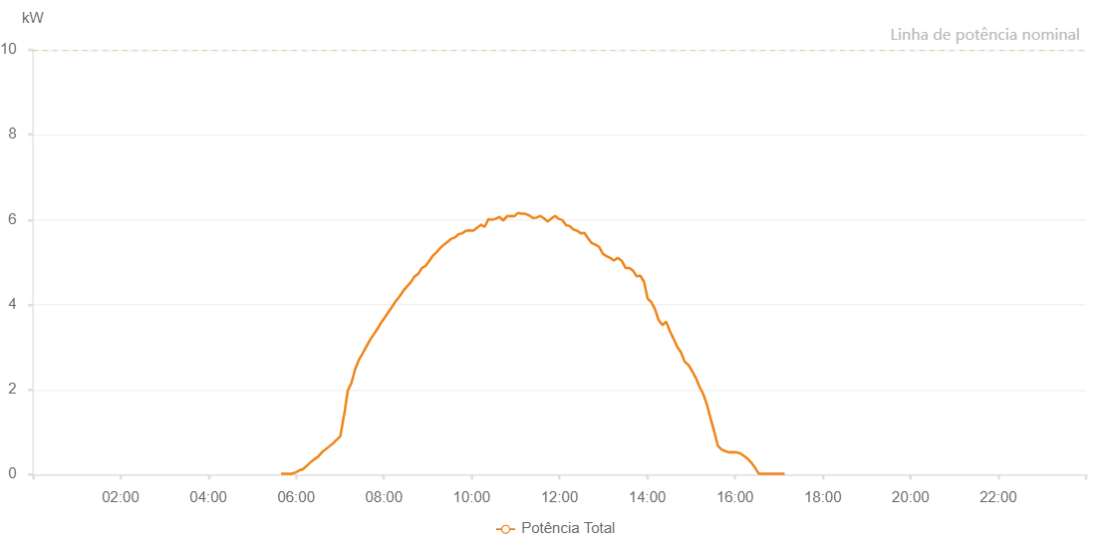

Number | Time | Working State | Alarm Code | Total Inverter Power(W)
1 | 02/08/2022 05:39:21 (UTC-4:00) | Normal |  | 20.000
2 | 02/08/2022 05:44:22 (UTC-4:00) | Normal |  | 20.000
3 | 02/08/2022 05:49:26 (UTC-4:00) | Normal |  | 20.000
4 | 02/08/2022 05:54:26 (UTC-4:00) | Normal |  | 20.000
5 | 02/08/2022 05:59:30 (UTC-4:00) | Normal |  | 50.000
6 | 02/08/2022 06:04:35 (UTC-4:00) | Normal |  | 100.000
7 | 02/08/2022 06:09:40 (UTC-4:00) | Normal |  | 130.000
8 | 02/08/2022 06:14:45 (UTC-4:00) | Normal |  | 210.000
9 | 02/08/2022 06:19:49 (UTC-4:00) | Normal |  | 290.000
10 | 02/08/2022 06:24:53 (UTC-4:00) | Normal |  | 360.000
11 | 02/08/2022 06:29:58 (UTC-4:00) | Normal |  | 420.000
12 | 02/08/2022 06:35:03 (UTC-4:00) | Normal |  | 520.000
13 | 02/08/2022 06:40:06 (UTC-4:00) | Normal |  | 590.000
14 | 02/08/2022 06:45:11 (UTC-4:00) | Normal |  | 660.000
15 | 02/08/2022 06:50:15 (UTC-4:00) | Normal |  | 730.000
16 | 02/08/2022 06:55:23 (UTC-4:00) | Normal |  | 820.000
17 | 02/08/2022 06:55:32 (UTC-4:00) | Normal |  | 820.000
18 | 02/08/2022 07:00:24 (UTC-4:00) | Normal |  | 900.000
19 | 02/08/2022 07:05:29 (UTC-4:00) | Normal |  | 1400.000
20 | 02/08/2022 07:05:40 (UTC-4:00) | Normal |  | 1400.000
21 | 02/08/2022 07:10:33 (UTC-4:00) | Normal |  | 1970.000
22 | 02/08/2022 07:15:39 (UTC-4:00) | Normal |  | 2160.000
23 | 02/08/2022 07:20:43 (UTC-4:00) | Normal |  | 2480.000
24 | 02/08/2022 07:25:48 (UTC-4:00) | Normal |  | 2700.000
25 | 02/08/2022 07:30:52 (UTC-4:00) | Normal |  | 2850.000
26 | 02/08/2022 07:35:58 (UTC-4:00) | Normal |  | 3010.000
27 | 02/08/2022 07:41:03 (UTC-4:00) | Normal |  | 3170.000
28 | 02/08/2022 07:46:07 (UTC-4:00) | Normal |  | 3300.000
29 | 02/08/2022 07:51:12 (UTC-4:00) | Normal |  | 3430.000
30 | 02/08/2022 07:56:17 (UTC-4:00) | Normal |  | 3580.000
31 | 02/08/2022 08:01:21 (UTC-4:00) | Normal |  | 3700.000
32 | 02/08/2022 08:06:25 (UTC-4:00) | Normal |  | 3830.000
33 | 02/08/2022 08:11:30 (UTC-4:00) | Normal |  | 3960.000
34 | 02/08/2022 08:16:37 (UTC-4:00) | Normal |  | 4090.000
35 | 02/08/2022 08:21:39 (UTC-4:00) | Normal |  | 4200.000
36 | 02/08/2022 08:26:43 (UTC-4:00) | Normal |  | 4330.000
37 | 02/08/2022 08:31:44 (UTC-4:00) | Normal |  | 4430.000
38 | 02/08/2022 08:36:53 (UTC-4:00) | Normal |  | 4530.000
39 | 02/08/2022 08:41:44 (UTC-4:00) | Normal |  | 4660.000
40 | 02/08/2022 08:46:45 (UTC-4:00) | Normal |  | 4720.000
41 | 02/08/2022 08:51:45 (UTC-4:00) | Normal |  | 4860.000
42 | 02/08/2022 08:56:46 (UTC-4:00) | Normal |  | 4910.000
43 | 02/08/2022 09:01:46 (UTC-4:00) | Normal |  | 5020.000
44 | 02/08/2022 09:06:47 (UTC-4:00) | Normal |  | 5150.000
45 | 02/08/2022 09:11:47 (UTC-4:00) | Normal |  | 5230.000
46 | 02/08/2022 09:16:48 (UTC-4:00) | Normal |  | 5330.000
47 | 02/08/2022 09:21:51 (UTC-4:00) | Normal |  | 5410.000
48 | 02/08/2022 09:27:00 (UTC-4:00) | Normal |  | 5480.000
49 | 02/08/2022 09:31:59 (UTC-4:00) | Normal |  | 5550.000
50 | 02/08/2022 09:32:14 (UTC-4:00) | Normal |  | 5550.000
51 | 02/08/2022 09:37:05 (UTC-4:00) | Normal |  | 5580.000
52 | 02/08/2022 09:42:08 (UTC-4:00) | Normal |  | 5660.000
53 | 02/08/2022 09:42:21 (UTC-4:00) | Normal |  | 5660.000
54 | 02/08/2022 09:47:13 (UTC-4:00) | Normal |  | 5680.000
55 | 02/08/2022 09:52:17 (UTC-4:00) | Normal |  | 5740.000
56 | 02/08/2022 09:52:28 (UTC-4:00) | Normal |  | 5740.000
57 | 02/08/2022 09:57:25 (UTC-4:00) | Normal |  | 5750.000
58 | 02/08/2022 10:02:27 (UTC-4:00) | Normal |  | 5740.000
59 | 02/08/2022 10:07:33 (UTC-4:00) | Normal |  | 5810.000
60 | 02/08/2022 10:12:35 (UTC-4:00) | Normal |  | 5880.000
61 | 02/08/2022 10:12:48 (UTC-4:00) | Normal |  | 5880.000
62 | 02/08/2022 10:17:45 (UTC-4:00) | Normal |  | 5830.000
63 | 02/08/2022 10:22:50 (UTC-4:00) | Normal |  | 6010.000
64 | 02/08/2022 10:27:50 (UTC-4:00) | Normal |  | 6000.000
65 | 02/08/2022 10:32:55 (UTC-4:00) | Normal |  | 6020.000
66 | 02/08/2022 10:37:59 (UTC-4:00) | Normal |  | 6070.000
67 | 02/08/2022 10:43:03 (UTC-4:00) | Normal |  | 5980.000
68 | 02/08/2022 10:48:07 (UTC-4:00) | Normal |  | 6080.000
69 | 02/08/2022 10:53:12 (UTC-4:00) | Normal |  | 6090.000
70 | 02/08/2022 10:58:18 (UTC-4:00) | Normal |  | 6080.000
71 | 02/08/2022 11:03:22 (UTC-4:00) | Normal |  | 6160.000
72 | 02/08/2022 11:08:26 (UTC-4:00) | Normal |  | 6140.000
73 | 02/08/2022 11:13:30 (UTC-4:00) | Normal |  | 6140.000
74 | 02/08/2022 11:18:36 (UTC-4:00) | Normal |  | 6100.000
75 | 02/08/2022 11:23:40 (UTC-4:00) | Normal |  | 6040.000
76 | 02/08/2022 11:28:44 (UTC-4:00) | Normal |  | 6050.000
77 | 02/08/2022 11:33:49 (UTC-4:00) | Normal |  | 6090.000
78 | 02/08/2022 11:38:57 (UTC-4:00) | Normal |  | 6030.000
79 | 02/08/2022 11:43:58 (UTC-4:00) | Normal |  | 5960.000
80 | 02/08/2022 11:49:02 (UTC-4:00) | Normal |  | 6030.000
81 | 02/08/2022 11:54:02 (UTC-4:00) | Normal |  | 6090.000
82 | 02/08/2022 11:59:03 (UTC-4:00) | Normal |  | 6020.000
83 | 02/08/2022 12:04:03 (UTC-4:00) | Normal |  | 5990.000
84 | 02/08/2022 12:09:04 (UTC-4:00) | Normal |  | 5870.000
85 | 02/08/2022 12:14:04 (UTC-4:00) | Normal |  | 5850.000
86 | 02/08/2022 12:19:05 (UTC-4:00) | Normal |  | 5770.000
87 | 02/08/2022 12:24:05 (UTC-4:00) | Normal |  | 5740.000
88 | 02/08/2022 12:29:07 (UTC-4:00) | Normal |  | 5680.000
89 | 02/08/2022 12:34:08 (UTC-4:00) | Normal |  | 5690.000
90 | 02/08/2022 12:39:08 (UTC-4:00) | Normal |  | 5560.000
91 | 02/08/2022 12:44:10 (UTC-4:00) | Normal |  | 5450.000
92 | 02/08/2022 12:49:10 (UTC-4:00) | Normal |  | 5410.000
93 | 02/08/2022 12:54:15 (UTC-4:00) | Normal |  | 5360.000
94 | 02/08/2022 12:59:19 (UTC-4:00) | Normal |  | 5200.000
95 | 02/08/2022 13:04:25 (UTC-4:00) | Normal |  | 5140.000
96 | 02/08/2022 13:04:36 (UTC-4:00) | Normal |  | 5140.000
97 | 02/08/2022 13:09:29 (UTC-4:00) | Normal |  | 5100.000
98 | 02/08/2022 13:14:34 (UTC-4:00) | Normal |  | 5040.000
99 | 02/08/2022 13:19:39 (UTC-4:00) | Normal |  | 5100.000
100 | 02/08/2022 13:24:42 (UTC-4:00) | Normal |  | 5040.000
101 | 02/08/2022 13:25:15 (UTC-4:00) | Normal |  | 5030.000
102 | 02/08/2022 13:30:34 (UTC-4:00) | Normal |  | 4860.000
103 | 02/08/2022 13:35:33 (UTC-4:00) | Normal |  | 4860.000
104 | 02/08/2022 13:40:33 (UTC-4:00) | Normal |  | 4800.000
105 | 02/08/2022 13:45:33 (UTC-4:00) | Normal |  | 4670.000
106 | 02/08/2022 13:50:34 (UTC-4:00) | Normal |  | 4680.000
107 | 02/08/2022 13:55:34 (UTC-4:00) | Normal |  | 4540.000
108 | 02/08/2022 14:00:34 (UTC-4:00) | Normal |  | 4140.000
109 | 02/08/2022 14:05:34 (UTC-4:00) | Normal |  | 4060.000
110 | 02/08/2022 14:10:38 (UTC-4:00) | Normal |  | 3890.000
111 | 02/08/2022 14:15:42 (UTC-4:00) | Normal |  | 3630.000
112 | 02/08/2022 14:15:53 (UTC-4:00) | Normal |  | 3630.000
113 | 02/08/2022 14:20:46 (UTC-4:00) | Normal |  | 3520.000
114 | 02/08/2022 14:25:49 (UTC-4:00) | Normal |  | 3600.000
115 | 02/08/2022 14:30:53 (UTC-4:00) | Normal |  | 3380.000
116 | 02/08/2022 14:35:57 (UTC-4:00) | Normal |  | 3200.000
117 | 02/08/2022 14:41:01 (UTC-4:00) | Normal |  | 3010.000
118 | 02/08/2022 14:46:04 (UTC-4:00) | Normal |  | 2880.000
119 | 02/08/2022 14:51:08 (UTC-4:00) | Normal |  | 2660.000
120 | 02/08/2022 14:56:11 (UTC-4:00) | Normal |  | 2580.000
121 | 02/08/2022 14:56:22 (UTC-4:00) | Normal |  | 2580.000
122 | 02/08/2022 15:01:16 (UTC-4:00) | Normal |  | 2440.000
123 | 02/08/2022 15:06:21 (UTC-4:00) | Normal |  | 2280.000
124 | 02/08/2022 15:11:24 (UTC-4:00) | Normal |  | 2070.000
125 | 02/08/2022 15:16:26 (UTC-4:00) | Normal |  | 1900.000
126 | 02/08/2022 15:21:32 (UTC-4:00) | Normal |  | 1650.000
127 | 02/08/2022 15:26:33 (UTC-4:00) | Normal |  | 1330.000
128 | 02/08/2022 15:31:38 (UTC-4:00) | Normal |  | 1010.000
129 | 02/08/2022 15:36:41 (UTC-4:00) | Normal |  | 670.000
130 | 02/08/2022 15:41:47 (UTC-4:00) | Normal |  | 590.000
131 | 02/08/2022 15:46:48 (UTC-4:00) | Normal |  | 550.000
132 | 02/08/2022 15:51:53 (UTC-4:00) | Normal |  | 520.000
133 | 02/08/2022 15:56:56 (UTC-4:00) | Normal |  | 530.000
134 | 02/08/2022 16:02:01 (UTC-4:00) | Normal |  | 520.000
135 | 02/08/2022 16:07:06 (UTC-4:00) | Normal |  | 500.000
136 | 02/08/2022 16:12:08 (UTC-4:00) | Normal |  | 440.000
137 | 02/08/2022 16:17:11 (UTC-4:00) | Normal |  | 370.000
138 | 02/08/2022 16:22:19 (UTC-4:00) | Normal |  | 280.000
139 | 02/08/2022 16:27:23 (UTC-4:00) | Normal |  | 160.000
140 | 02/08/2022 16:32:25 (UTC-4:00) | Normal |  | 20.000
141 | 02/08/2022 16:37:27 (UTC-4:00) | Normal |  | 20.000
142 | 02/08/2022 16:42:31 (UTC-4:00) | Normal |  | 20.000
143 | 02/08/2022 16:47:35 (UTC-4:00) | Normal |  | 20.000
144 | 02/08/2022 16:52:41 (UTC-4:00) | Normal |  | 20.000
145 | 02/08/2022 16:57:42 (UTC-4:00) | Normal |  | 20.000
146 | 02/08/2022 17:02:48 (UTC-4:00) | Normal |  | 20.000
147 | 02/08/2022 17:07:50 (UTC-4:00) | Normal |  | 20.000

