Inverter History Report__17-08-
Inverter History Report_04/08/2022_Report

Inverter SN:054B7020C020044 |  | Inverter type:B7
Collector SN:4045086367 |  | Full Load Hours(h):3.64
Rated Power:10000Wp

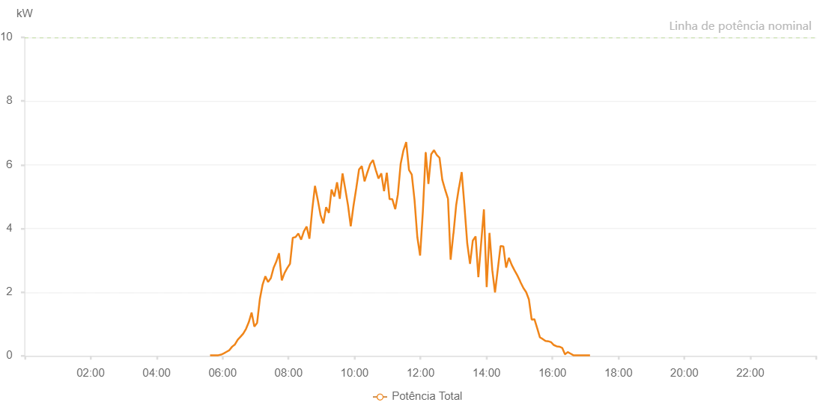

Number | Time | Working State | Alarm Code | Total Inverter Power(W)
1 | 04/08/2022 05:37:14 (UTC-4:00) | Normal |  | 20.000
2 | 04/08/2022 05:42:13 (UTC-4:00) | Normal |  | 20.000
3 | 04/08/2022 05:47:12 (UTC-4:00) | Normal |  | 20.000
4 | 04/08/2022 05:52:13 (UTC-4:00) | Normal |  | 20.000
5 | 04/08/2022 05:57:18 (UTC-4:00) | Normal |  | 40.000
6 | 04/08/2022 06:02:18 (UTC-4:00) | Normal |  | 80.000
7 | 04/08/2022 06:07:21 (UTC-4:00) | Normal |  | 130.000
8 | 04/08/2022 06:12:24 (UTC-4:00) | Normal |  | 180.000
9 | 04/08/2022 06:17:28 (UTC-4:00) | Normal |  | 290.000
10 | 04/08/2022 06:22:31 (UTC-4:00) | Normal |  | 360.000
11 | 04/08/2022 06:27:34 (UTC-4:00) | Normal |  | 510.000
12 | 04/08/2022 06:32:36 (UTC-4:00) | Normal |  | 600.000
13 | 04/08/2022 06:37:40 (UTC-4:00) | Normal |  | 700.000
14 | 04/08/2022 06:42:42 (UTC-4:00) | Normal |  | 850.000
15 | 04/08/2022 06:47:45 (UTC-4:00) | Normal |  | 1060.000
16 | 04/08/2022 06:52:48 (UTC-4:00) | Normal |  | 1360.000
17 | 04/08/2022 06:57:51 (UTC-4:00) | Normal |  | 920.000
18 | 04/08/2022 07:02:53 (UTC-4:00) | Normal |  | 1040.000
19 | 04/08/2022 07:07:52 (UTC-4:00) | Normal |  | 1790.000
20 | 04/08/2022 07:12:51 (UTC-4:00) | Normal |  | 2240.000
21 | 04/08/2022 07:17:50 (UTC-4:00) | Normal |  | 2500.000
22 | 04/08/2022 07:22:49 (UTC-4:00) | Normal |  | 2320.000
23 | 04/08/2022 07:27:47 (UTC-4:00) | Normal |  | 2440.000
24 | 04/08/2022 07:32:47 (UTC-4:00) | Normal |  | 2760.000
25 | 04/08/2022 07:37:46 (UTC-4:00) | Normal |  | 2960.000
26 | 04/08/2022 07:42:45 (UTC-4:00) | Normal |  | 3220.000
27 | 04/08/2022 07:47:43 (UTC-4:00) | Normal |  | 2370.000
28 | 04/08/2022 07:52:43 (UTC-4:00) | Normal |  | 2600.000
29 | 04/08/2022 07:57:41 (UTC-4:00) | Normal |  | 2760.000
30 | 04/08/2022 08:02:42 (UTC-4:00) | Normal |  | 2890.000
31 | 04/08/2022 08:07:44 (UTC-4:00) | Normal |  | 3710.000
32 | 04/08/2022 08:12:47 (UTC-4:00) | Normal |  | 3730.000
33 | 04/08/2022 08:17:50 (UTC-4:00) | Normal |  | 3840.000
34 | 04/08/2022 08:22:54 (UTC-4:00) | Normal |  | 3650.000
35 | 04/08/2022 08:27:55 (UTC-4:00) | Normal |  | 3910.000
36 | 04/08/2022 08:32:58 (UTC-4:00) | Normal |  | 4060.000
37 | 04/08/2022 08:38:01 (UTC-4:00) | Normal |  | 3680.000
38 | 04/08/2022 08:43:05 (UTC-4:00) | Normal |  | 4590.000
39 | 04/08/2022 08:48:07 (UTC-4:00) | Normal |  | 5340.000
40 | 04/08/2022 08:53:10 (UTC-4:00) | Normal |  | 4900.000
41 | 04/08/2022 08:58:15 (UTC-4:00) | Normal |  | 4420.000
42 | 04/08/2022 09:03:17 (UTC-4:00) | Normal |  | 4160.000
43 | 04/08/2022 09:08:20 (UTC-4:00) | Normal |  | 4670.000
44 | 04/08/2022 09:13:24 (UTC-4:00) | Normal |  | 4490.000
45 | 04/08/2022 09:18:17 (UTC-4:00) | Normal |  | 5220.000
46 | 04/08/2022 09:23:16 (UTC-4:00) | Normal |  | 5000.000
47 | 04/08/2022 09:28:15 (UTC-4:00) | Normal |  | 5450.000
48 | 04/08/2022 09:33:14 (UTC-4:00) | Normal |  | 4930.000
49 | 04/08/2022 09:38:13 (UTC-4:00) | Normal |  | 5730.000
50 | 04/08/2022 09:43:12 (UTC-4:00) | Normal |  | 5240.000
51 | 04/08/2022 09:48:10 (UTC-4:00) | Normal |  | 4730.000
52 | 04/08/2022 09:53:10 (UTC-4:00) | Normal |  | 4070.000
53 | 04/08/2022 09:58:09 (UTC-4:00) | Normal |  | 4710.000
54 | 04/08/2022 10:03:11 (UTC-4:00) | Normal |  | 5260.000
55 | 04/08/2022 10:08:13 (UTC-4:00) | Normal |  | 5850.000
56 | 04/08/2022 10:13:16 (UTC-4:00) | Normal |  | 5960.000
57 | 04/08/2022 10:18:21 (UTC-4:00) | Normal |  | 5480.000
58 | 04/08/2022 10:23:24 (UTC-4:00) | Normal |  | 5760.000
59 | 04/08/2022 10:28:28 (UTC-4:00) | Normal |  | 6020.000
60 | 04/08/2022 10:33:37 (UTC-4:00) | Normal |  | 6150.000
61 | 04/08/2022 10:38:39 (UTC-4:00) | Normal |  | 5840.000
62 | 04/08/2022 10:43:38 (UTC-4:00) | Normal |  | 5570.000
63 | 04/08/2022 10:48:42 (UTC-4:00) | Normal |  | 5730.000
64 | 04/08/2022 10:53:44 (UTC-4:00) | Normal |  | 5170.000
65 | 04/08/2022 10:58:45 (UTC-4:00) | Normal |  | 5750.000
66 | 04/08/2022 11:03:47 (UTC-4:00) | Normal |  | 4920.000
67 | 04/08/2022 11:08:50 (UTC-4:00) | Normal |  | 4920.000
68 | 04/08/2022 11:13:52 (UTC-4:00) | Normal |  | 4620.000
69 | 04/08/2022 11:14:18 (UTC-4:00) | Normal |  | 4620.000
70 | 04/08/2022 11:18:55 (UTC-4:00) | Normal |  | 5070.000
71 | 04/08/2022 11:23:58 (UTC-4:00) | Normal |  | 6030.000
72 | 04/08/2022 11:29:01 (UTC-4:00) | Normal |  | 6450.000
73 | 04/08/2022 11:34:03 (UTC-4:00) | Normal |  | 6710.000
74 | 04/08/2022 11:39:07 (UTC-4:00) | Normal |  | 5840.000
75 | 04/08/2022 11:44:11 (UTC-4:00) | Normal |  | 5690.000
76 | 04/08/2022 11:49:13 (UTC-4:00) | Normal |  | 4890.000
77 | 04/08/2022 11:54:16 (UTC-4:00) | Normal |  | 3730.000
78 | 04/08/2022 11:59:20 (UTC-4:00) | Normal |  | 3150.000
79 | 04/08/2022 12:04:23 (UTC-4:00) | Normal |  | 4550.000
80 | 04/08/2022 12:09:27 (UTC-4:00) | Normal |  | 6380.000
81 | 04/08/2022 12:09:38 (UTC-4:00) | Normal |  | 6380.000
82 | 04/08/2022 12:14:27 (UTC-4:00) | Normal |  | 5400.000
83 | 04/08/2022 12:19:30 (UTC-4:00) | Normal |  | 6330.000
84 | 04/08/2022 12:24:33 (UTC-4:00) | Normal |  | 6460.000
85 | 04/08/2022 12:29:36 (UTC-4:00) | Normal |  | 6310.000
86 | 04/08/2022 12:34:39 (UTC-4:00) | Normal |  | 6220.000
87 | 04/08/2022 12:39:41 (UTC-4:00) | Normal |  | 5530.000
88 | 04/08/2022 12:44:49 (UTC-4:00) | Normal |  | 5220.000
89 | 04/08/2022 12:49:49 (UTC-4:00) | Normal |  | 4950.000
90 | 04/08/2022 12:50:02 (UTC-4:00) | Normal |  | 4950.000
91 | 04/08/2022 12:54:50 (UTC-4:00) | Normal |  | 3020.000
92 | 04/08/2022 12:59:52 (UTC-4:00) | Normal |  | 3840.000
93 | 04/08/2022 13:00:03 (UTC-4:00) | Normal |  | 3840.000
94 | 04/08/2022 13:04:56 (UTC-4:00) | Normal |  | 4730.000
95 | 04/08/2022 13:10:00 (UTC-4:00) | Normal |  | 5290.000
96 | 04/08/2022 13:10:11 (UTC-4:00) | Normal |  | 5290.000
97 | 04/08/2022 13:15:01 (UTC-4:00) | Normal |  | 5770.000
98 | 04/08/2022 13:20:05 (UTC-4:00) | Normal |  | 4690.000
99 | 04/08/2022 13:25:06 (UTC-4:00) | Normal |  | 3530.000
100 | 04/08/2022 13:30:09 (UTC-4:00) | Normal |  | 2890.000
101 | 04/08/2022 13:35:12 (UTC-4:00) | Normal |  | 3620.000
102 | 04/08/2022 13:40:16 (UTC-4:00) | Normal |  | 3750.000
103 | 04/08/2022 13:45:18 (UTC-4:00) | Normal |  | 2470.000
104 | 04/08/2022 13:55:25 (UTC-4:00) | Normal |  | 4600.000
105 | 04/08/2022 14:00:27 (UTC-4:00) | Normal |  | 2160.000
106 | 04/08/2022 14:05:32 (UTC-4:00) | Normal |  | 3860.000
107 | 04/08/2022 14:10:35 (UTC-4:00) | Normal |  | 2700.000
108 | 04/08/2022 14:15:36 (UTC-4:00) | Normal |  | 1990.000
109 | 04/08/2022 14:25:42 (UTC-4:00) | Normal |  | 3450.000
110 | 04/08/2022 14:30:46 (UTC-4:00) | Normal |  | 3440.000
111 | 04/08/2022 14:35:48 (UTC-4:00) | Normal |  | 2770.000
112 | 04/08/2022 14:40:51 (UTC-4:00) | Normal |  | 3080.000
113 | 04/08/2022 14:45:55 (UTC-4:00) | Normal |  | 2860.000
114 | 04/08/2022 14:50:58 (UTC-4:00) | Normal |  | 2690.000
115 | 04/08/2022 14:56:06 (UTC-4:00) | Normal |  | 2530.000
116 | 04/08/2022 15:01:06 (UTC-4:00) | Normal |  | 2350.000
117 | 04/08/2022 15:02:01 (UTC-4:00) | Normal |  | 2310.000
118 | 04/08/2022 15:07:18 (UTC-4:00) | Normal |  | 2130.000
119 | 04/08/2022 15:12:18 (UTC-4:00) | Normal |  | 2000.000
120 | 04/08/2022 15:17:17 (UTC-4:00) | Normal |  | 1770.000
121 | 04/08/2022 15:22:17 (UTC-4:00) | Normal |  | 1140.000
122 | 04/08/2022 15:27:18 (UTC-4:00) | Normal |  | 1150.000
123 | 04/08/2022 15:32:18 (UTC-4:00) | Normal |  | 870.000
124 | 04/08/2022 15:37:21 (UTC-4:00) | Normal |  | 580.000
125 | 04/08/2022 15:42:23 (UTC-4:00) | Normal |  | 530.000
126 | 04/08/2022 15:47:26 (UTC-4:00) | Normal |  | 470.000
127 | 04/08/2022 15:52:30 (UTC-4:00) | Normal |  | 460.000
128 | 04/08/2022 15:57:34 (UTC-4:00) | Normal |  | 430.000
129 | 04/08/2022 16:02:37 (UTC-4:00) | Normal |  | 340.000
130 | 04/08/2022 16:07:42 (UTC-4:00) | Normal |  | 300.000
131 | 04/08/2022 16:12:44 (UTC-4:00) | Normal |  | 290.000
132 | 04/08/2022 16:17:49 (UTC-4:00) | Normal |  | 250.000
133 | 04/08/2022 16:22:51 (UTC-4:00) | Normal |  | 50.000
134 | 04/08/2022 16:23:02 (UTC-4:00) | Normal |  | 50.000
135 | 04/08/2022 16:27:55 (UTC-4:00) | Normal |  | 120.000
136 | 04/08/2022 16:32:59 (UTC-4:00) | Normal |  | 70.000
137 | 04/08/2022 16:33:12 (UTC-4:00) | Normal |  | 70.000
138 | 04/08/2022 16:38:04 (UTC-4:00) | Normal |  | 20.000
139 | 04/08/2022 16:43:06 (UTC-4:00) | Normal |  | 20.000
140 | 04/08/2022 16:43:32 (UTC-4:00) | Normal |  | 20.000
141 | 04/08/2022 16:48:10 (UTC-4:00) | Normal |  | 20.000
142 | 04/08/2022 16:53:14 (UTC-4:00) | Normal |  | 20.000
143 | 04/08/2022 16:53:24 (UTC-4:00) | Normal |  | 20.000
144 | 04/08/2022 16:58:18 (UTC-4:00) | Normal |  | 20.000
145 | 04/08/2022 17:03:20 (UTC-4:00) | Normal |  | 20.000
146 | 04/08/2022 17:03:21 (UTC-4:00) | Normal |  | 20.000
147 | 04/08/2022 17:08:24 (UTC-4:00) | Normal |  | 20.000

