Inverter History Report__17-08-
Inverter History Report_06/08/2022_Report

Inverter SN:054B7020C020044 |  | Inverter type:B7
Collector SN:4045086367 |  | Full Load Hours(h):3.54
Rated Power:10000Wp

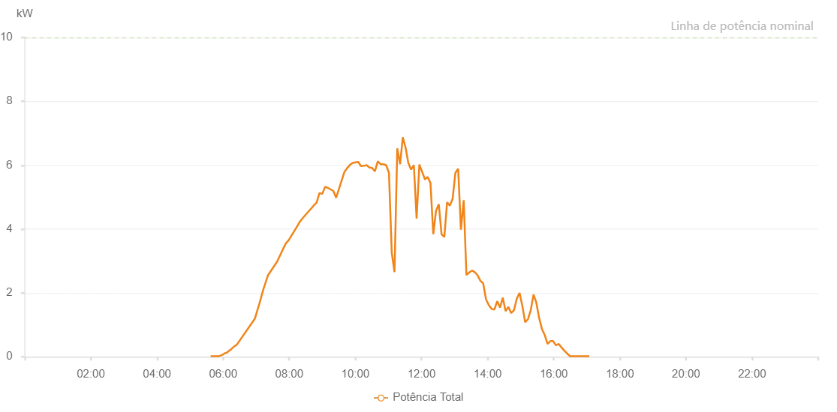

Number | Time | Working State | Alarm Code | Total Inverter Power(W)
1 | 06/08/2022 05:37:25 (UTC-4:00) | Normal |  | 20.000
2 | 06/08/2022 05:42:26 (UTC-4:00) | Normal |  | 20.000
3 | 06/08/2022 05:47:26 (UTC-4:00) | Normal |  | 20.000
4 | 06/08/2022 05:52:24 (UTC-4:00) | Normal |  | 20.000
5 | 06/08/2022 05:57:26 (UTC-4:00) | Normal |  | 50.000
6 | 06/08/2022 06:02:31 (UTC-4:00) | Normal |  | 100.000
7 | 06/08/2022 06:07:35 (UTC-4:00) | Normal |  | 140.000
8 | 06/08/2022 06:12:39 (UTC-4:00) | Normal |  | 210.000
9 | 06/08/2022 06:13:04 (UTC-4:00) | Normal |  | 210.000
10 | 06/08/2022 06:13:10 (UTC-4:00) | Normal |  | 210.000
11 | 06/08/2022 06:17:50 (UTC-4:00) | Normal |  | 290.000
12 | 06/08/2022 06:22:48 (UTC-4:00) | Normal |  | 360.000
13 | 06/08/2022 06:24:12 (UTC-4:00) | Normal |  | 360.000
14 | 06/08/2022 06:57:34 (UTC-4:00) | Normal |  | 1190.000
15 | 06/08/2022 07:06:09 (UTC-4:00) | Normal |  | 1680.000
16 | 06/08/2022 07:13:12 (UTC-4:00) | Normal |  | 2120.000
17 | 06/08/2022 07:21:25 (UTC-4:00) | Normal |  | 2550.000
18 | 06/08/2022 07:38:01 (UTC-4:00) | Normal |  | 2980.000
19 | 06/08/2022 07:48:57 (UTC-4:00) | Normal |  | 3380.000
20 | 06/08/2022 07:53:54 (UTC-4:00) | Normal |  | 3550.000
21 | 06/08/2022 07:59:03 (UTC-4:00) | Normal |  | 3650.000
22 | 06/08/2022 08:14:13 (UTC-4:00) | Normal |  | 4080.000
23 | 06/08/2022 08:19:18 (UTC-4:00) | Normal |  | 4230.000
24 | 06/08/2022 08:24:22 (UTC-4:00) | Normal |  | 4340.000
25 | 06/08/2022 08:44:41 (UTC-4:00) | Normal |  | 4740.000
26 | 06/08/2022 08:49:46 (UTC-4:00) | Normal |  | 4830.000
27 | 06/08/2022 08:54:50 (UTC-4:00) | Normal |  | 5130.000
28 | 06/08/2022 08:59:54 (UTC-4:00) | Normal |  | 5100.000
29 | 06/08/2022 09:05:03 (UTC-4:00) | Normal |  | 5320.000
30 | 06/08/2022 09:10:05 (UTC-4:00) | Normal |  | 5290.000
31 | 06/08/2022 09:20:09 (UTC-4:00) | Normal |  | 5190.000
32 | 06/08/2022 09:25:10 (UTC-4:00) | Normal |  | 4980.000
33 | 06/08/2022 09:40:12 (UTC-4:00) | Normal |  | 5790.000
34 | 06/08/2022 09:45:16 (UTC-4:00) | Normal |  | 5910.000
35 | 06/08/2022 09:50:17 (UTC-4:00) | Normal |  | 6010.000
36 | 06/08/2022 09:55:17 (UTC-4:00) | Normal |  | 6070.000
37 | 06/08/2022 10:00:18 (UTC-4:00) | Normal |  | 6090.000
38 | 06/08/2022 10:05:18 (UTC-4:00) | Normal |  | 6100.000
39 | 06/08/2022 10:10:19 (UTC-4:00) | Normal |  | 5970.000
40 | 06/08/2022 10:15:19 (UTC-4:00) | Normal |  | 5980.000
41 | 06/08/2022 10:20:21 (UTC-4:00) | Normal |  | 6000.000
42 | 06/08/2022 10:25:26 (UTC-4:00) | Normal |  | 5930.000
43 | 06/08/2022 10:30:30 (UTC-4:00) | Normal |  | 5910.000
44 | 06/08/2022 10:35:36 (UTC-4:00) | Normal |  | 5810.000
45 | 06/08/2022 10:40:39 (UTC-4:00) | Normal |  | 6120.000
46 | 06/08/2022 10:45:44 (UTC-4:00) | Normal |  | 6030.000
47 | 06/08/2022 10:50:48 (UTC-4:00) | Normal |  | 6030.000
48 | 06/08/2022 10:55:54 (UTC-4:00) | Normal |  | 6000.000
49 | 06/08/2022 11:00:58 (UTC-4:00) | Normal |  | 5760.000
50 | 06/08/2022 11:06:07 (UTC-4:00) | Normal |  | 3240.000
51 | 06/08/2022 11:06:13 (UTC-4:00) | Normal |  | 3240.000
52 | 06/08/2022 11:11:03 (UTC-4:00) | Normal |  | 2650.000
53 | 06/08/2022 11:16:04 (UTC-4:00) | Normal |  | 6530.000
54 | 06/08/2022 11:21:11 (UTC-4:00) | Normal |  | 6030.000
55 | 06/08/2022 11:26:06 (UTC-4:00) | Normal |  | 6870.000
56 | 06/08/2022 11:31:11 (UTC-4:00) | Normal |  | 6550.000
57 | 06/08/2022 11:36:07 (UTC-4:00) | Normal |  | 6070.000
58 | 06/08/2022 11:41:10 (UTC-4:00) | Normal |  | 5860.000
59 | 06/08/2022 11:46:10 (UTC-4:00) | Normal |  | 6000.000
60 | 06/08/2022 11:51:11 (UTC-4:00) | Normal |  | 4330.000
61 | 06/08/2022 11:56:12 (UTC-4:00) | Normal |  | 6020.000
62 | 06/08/2022 12:01:12 (UTC-4:00) | Normal |  | 5790.000
63 | 06/08/2022 12:06:15 (UTC-4:00) | Normal |  | 5560.000
64 | 06/08/2022 12:06:25 (UTC-4:00) | Normal |  | 5560.000
65 | 06/08/2022 12:11:15 (UTC-4:00) | Normal |  | 5630.000
66 | 06/08/2022 12:16:20 (UTC-4:00) | Normal |  | 5440.000
67 | 06/08/2022 12:21:25 (UTC-4:00) | Normal |  | 3840.000
68 | 06/08/2022 12:26:25 (UTC-4:00) | Normal |  | 4570.000
69 | 06/08/2022 12:31:26 (UTC-4:00) | Normal |  | 4780.000
70 | 06/08/2022 12:36:26 (UTC-4:00) | Normal |  | 3840.000
71 | 06/08/2022 12:41:27 (UTC-4:00) | Normal |  | 3750.000
72 | 06/08/2022 12:46:31 (UTC-4:00) | Normal |  | 4840.000
73 | 06/08/2022 12:51:31 (UTC-4:00) | Normal |  | 4730.000
74 | 06/08/2022 12:56:32 (UTC-4:00) | Normal |  | 4950.000
75 | 06/08/2022 13:01:32 (UTC-4:00) | Normal |  | 5760.000
76 | 06/08/2022 13:06:35 (UTC-4:00) | Normal |  | 5890.000
77 | 06/08/2022 13:11:35 (UTC-4:00) | Normal |  | 3980.000
78 | 06/08/2022 13:16:36 (UTC-4:00) | Normal |  | 4900.000
79 | 06/08/2022 13:21:36 (UTC-4:00) | Normal |  | 2560.000
80 | 06/08/2022 13:26:40 (UTC-4:00) | Normal |  | 2640.000
81 | 06/08/2022 13:31:44 (UTC-4:00) | Normal |  | 2700.000
82 | 06/08/2022 13:36:48 (UTC-4:00) | Normal |  | 2650.000
83 | 06/08/2022 13:41:52 (UTC-4:00) | Normal |  | 2550.000
84 | 06/08/2022 13:46:58 (UTC-4:00) | Normal |  | 2380.000
85 | 06/08/2022 13:52:02 (UTC-4:00) | Normal |  | 2300.000
86 | 06/08/2022 13:57:05 (UTC-4:00) | Normal |  | 1800.000
87 | 06/08/2022 14:02:09 (UTC-4:00) | Normal |  | 1620.000
88 | 06/08/2022 14:07:14 (UTC-4:00) | Normal |  | 1500.000
89 | 06/08/2022 14:12:19 (UTC-4:00) | Normal |  | 1480.000
90 | 06/08/2022 14:17:25 (UTC-4:00) | Normal |  | 1740.000
91 | 06/08/2022 14:22:30 (UTC-4:00) | Normal |  | 1540.000
92 | 06/08/2022 14:27:34 (UTC-4:00) | Normal |  | 1850.000
93 | 06/08/2022 14:32:38 (UTC-4:00) | Normal |  | 1430.000
94 | 06/08/2022 14:37:43 (UTC-4:00) | Normal |  | 1560.000
95 | 06/08/2022 14:42:48 (UTC-4:00) | Normal |  | 1370.000
96 | 06/08/2022 14:47:53 (UTC-4:00) | Normal |  | 1460.000
97 | 06/08/2022 14:52:57 (UTC-4:00) | Normal |  | 1820.000
98 | 06/08/2022 14:58:01 (UTC-4:00) | Normal |  | 2000.000
99 | 06/08/2022 15:03:06 (UTC-4:00) | Normal |  | 1590.000
100 | 06/08/2022 15:08:11 (UTC-4:00) | Normal |  | 1080.000
101 | 06/08/2022 15:13:15 (UTC-4:00) | Normal |  | 1180.000
102 | 06/08/2022 15:18:19 (UTC-4:00) | Normal |  | 1460.000
103 | 06/08/2022 15:23:24 (UTC-4:00) | Normal |  | 1950.000
104 | 06/08/2022 15:28:29 (UTC-4:00) | Normal |  | 1690.000
105 | 06/08/2022 15:33:36 (UTC-4:00) | Normal |  | 1210.000
106 | 06/08/2022 15:38:37 (UTC-4:00) | Normal |  | 870.000
107 | 06/08/2022 15:43:42 (UTC-4:00) | Normal |  | 680.000
108 | 06/08/2022 15:48:47 (UTC-4:00) | Normal |  | 400.000
109 | 06/08/2022 15:53:52 (UTC-4:00) | Normal |  | 490.000
110 | 06/08/2022 15:58:56 (UTC-4:00) | Normal |  | 490.000
111 | 06/08/2022 16:04:01 (UTC-4:00) | Normal |  | 360.000
112 | 06/08/2022 16:09:07 (UTC-4:00) | Normal |  | 400.000
113 | 06/08/2022 16:14:11 (UTC-4:00) | Normal |  | 290.000
114 | 06/08/2022 16:19:17 (UTC-4:00) | Normal |  | 190.000
115 | 06/08/2022 16:24:21 (UTC-4:00) | Normal |  | 100.000
116 | 06/08/2022 16:29:27 (UTC-4:00) | Normal |  | 20.000
117 | 06/08/2022 16:34:30 (UTC-4:00) | Normal |  | 20.000
118 | 06/08/2022 16:39:31 (UTC-4:00) | Normal |  | 20.000
119 | 06/08/2022 16:44:31 (UTC-4:00) | Normal |  | 20.000
120 | 06/08/2022 16:49:32 (UTC-4:00) | Normal |  | 20.000
121 | 06/08/2022 16:54:32 (UTC-4:00) | Normal |  | 20.000
122 | 06/08/2022 16:59:33 (UTC-4:00) | Normal |  | 20.000
123 | 06/08/2022 17:04:33 (UTC-4:00) | Normal |  | 20.000

