Inverter History Report__17-08-
Inverter History Report_07/08/2022_Report

Inverter SN:054B7020C020044 |  | Inverter type:B7
Collector SN:4045086367 |  | Full Load Hours(h):1.75
Rated Power:10000Wp

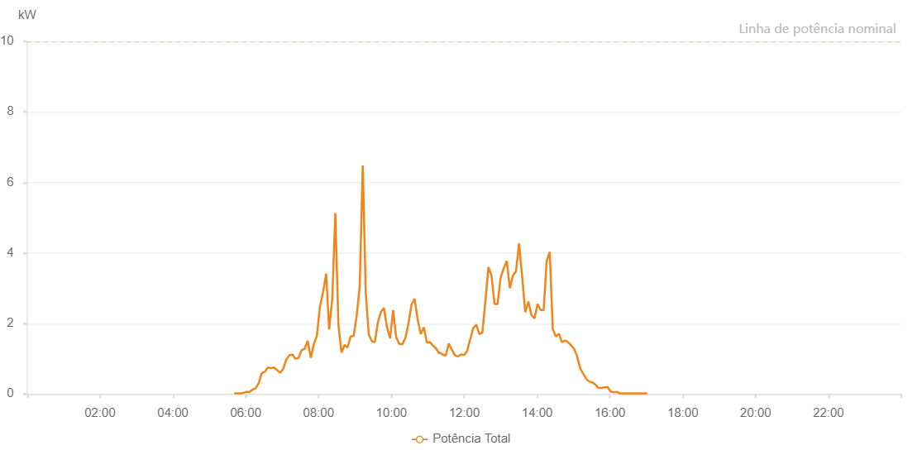

Number | Time | Working State | Alarm Code | Total Inverter Power(W)
1 | 07/08/2022 05:40:50 (UTC-4:00) | Normal |  | 20.000
2 | 07/08/2022 05:45:49 (UTC-4:00) | Normal |  | 20.000
3 | 07/08/2022 05:50:49 (UTC-4:00) | Normal |  | 20.000
4 | 07/08/2022 05:55:52 (UTC-4:00) | Normal |  | 30.000
5 | 07/08/2022 06:00:56 (UTC-4:00) | Normal |  | 60.000
6 | 07/08/2022 06:05:59 (UTC-4:00) | Normal |  | 60.000
7 | 07/08/2022 06:11:02 (UTC-4:00) | Normal |  | 120.000
8 | 07/08/2022 06:16:06 (UTC-4:00) | Normal |  | 160.000
9 | 07/08/2022 06:16:18 (UTC-4:00) | Normal |  | 160.000
10 | 07/08/2022 06:21:14 (UTC-4:00) | Normal |  | 300.000
11 | 07/08/2022 06:26:15 (UTC-4:00) | Normal |  | 590.000
12 | 07/08/2022 06:31:19 (UTC-4:00) | Normal |  | 630.000
13 | 07/08/2022 06:36:20 (UTC-4:00) | Normal |  | 750.000
14 | 07/08/2022 06:41:23 (UTC-4:00) | Normal |  | 730.000
15 | 07/08/2022 06:46:26 (UTC-4:00) | Normal |  | 750.000
16 | 07/08/2022 06:51:31 (UTC-4:00) | Normal |  | 680.000
17 | 07/08/2022 06:56:33 (UTC-4:00) | Normal |  | 600.000
18 | 07/08/2022 07:01:38 (UTC-4:00) | Normal |  | 710.000
19 | 07/08/2022 07:06:40 (UTC-4:00) | Normal |  | 970.000
20 | 07/08/2022 07:11:45 (UTC-4:00) | Normal |  | 1100.000
21 | 07/08/2022 07:16:46 (UTC-4:00) | Normal |  | 1120.000
22 | 07/08/2022 07:21:49 (UTC-4:00) | Normal |  | 1000.000
23 | 07/08/2022 07:26:52 (UTC-4:00) | Normal |  | 1020.000
24 | 07/08/2022 07:31:56 (UTC-4:00) | Normal |  | 1240.000
25 | 07/08/2022 07:36:59 (UTC-4:00) | Normal |  | 1280.000
26 | 07/08/2022 07:42:03 (UTC-4:00) | Normal |  | 1510.000
27 | 07/08/2022 07:47:06 (UTC-4:00) | Normal |  | 1030.000
28 | 07/08/2022 07:52:10 (UTC-4:00) | Normal |  | 1410.000
29 | 07/08/2022 07:57:13 (UTC-4:00) | Normal |  | 1650.000
30 | 07/08/2022 08:02:18 (UTC-4:00) | Normal |  | 2500.000
31 | 07/08/2022 08:02:27 (UTC-4:00) | Normal |  | 2500.000
32 | 07/08/2022 08:07:24 (UTC-4:00) | Normal |  | 2890.000
33 | 07/08/2022 08:12:27 (UTC-4:00) | Normal |  | 3410.000
34 | 07/08/2022 08:17:26 (UTC-4:00) | Normal |  | 1830.000
35 | 07/08/2022 08:22:30 (UTC-4:00) | Normal |  | 2710.000
36 | 07/08/2022 08:27:32 (UTC-4:00) | Normal |  | 5130.000
37 | 07/08/2022 08:32:38 (UTC-4:00) | Normal |  | 1970.000
38 | 07/08/2022 08:37:41 (UTC-4:00) | Normal |  | 1170.000
39 | 07/08/2022 08:42:43 (UTC-4:00) | Normal |  | 1390.000
40 | 07/08/2022 08:47:46 (UTC-4:00) | Normal |  | 1320.000
41 | 07/08/2022 08:52:48 (UTC-4:00) | Normal |  | 1630.000
42 | 07/08/2022 08:57:47 (UTC-4:00) | Normal |  | 1650.000
43 | 07/08/2022 09:02:46 (UTC-4:00) | Normal |  | 2220.000
44 | 07/08/2022 09:07:46 (UTC-4:00) | Normal |  | 3060.000
45 | 07/08/2022 09:12:45 (UTC-4:00) | Normal |  | 6480.000
46 | 07/08/2022 09:17:44 (UTC-4:00) | Normal |  | 2850.000
47 | 07/08/2022 09:22:43 (UTC-4:00) | Normal |  | 1680.000
48 | 07/08/2022 09:27:42 (UTC-4:00) | Normal |  | 1500.000
49 | 07/08/2022 09:32:42 (UTC-4:00) | Normal |  | 1470.000
50 | 07/08/2022 09:37:41 (UTC-4:00) | Normal |  | 2030.000
51 | 07/08/2022 09:42:40 (UTC-4:00) | Normal |  | 2330.000
52 | 07/08/2022 09:47:39 (UTC-4:00) | Normal |  | 2440.000
53 | 07/08/2022 09:52:40 (UTC-4:00) | Normal |  | 1890.000
54 | 07/08/2022 09:57:44 (UTC-4:00) | Normal |  | 1580.000
55 | 07/08/2022 10:02:47 (UTC-4:00) | Normal |  | 2380.000
56 | 07/08/2022 10:07:50 (UTC-4:00) | Normal |  | 1610.000
57 | 07/08/2022 10:12:53 (UTC-4:00) | Normal |  | 1420.000
58 | 07/08/2022 10:17:59 (UTC-4:00) | Normal |  | 1410.000
59 | 07/08/2022 10:23:01 (UTC-4:00) | Normal |  | 1590.000
60 | 07/08/2022 10:28:04 (UTC-4:00) | Normal |  | 2000.000
61 | 07/08/2022 10:33:07 (UTC-4:00) | Normal |  | 2540.000
62 | 07/08/2022 10:38:11 (UTC-4:00) | Normal |  | 2700.000
63 | 07/08/2022 10:43:14 (UTC-4:00) | Normal |  | 2110.000
64 | 07/08/2022 10:48:17 (UTC-4:00) | Normal |  | 1700.000
65 | 07/08/2022 10:53:20 (UTC-4:00) | Normal |  | 1890.000
66 | 07/08/2022 10:58:24 (UTC-4:00) | Normal |  | 1460.000
67 | 07/08/2022 11:03:27 (UTC-4:00) | Normal |  | 1470.000
68 | 07/08/2022 11:08:30 (UTC-4:00) | Normal |  | 1370.000
69 | 07/08/2022 11:13:39 (UTC-4:00) | Normal |  | 1290.000
70 | 07/08/2022 11:18:50 (UTC-4:00) | Normal |  | 1150.000
71 | 07/08/2022 11:19:09 (UTC-4:00) | Normal |  | 1180.000
72 | 07/08/2022 11:24:29 (UTC-4:00) | Normal |  | 1120.000
73 | 07/08/2022 11:29:30 (UTC-4:00) | Normal |  | 1090.000
74 | 07/08/2022 11:34:30 (UTC-4:00) | Normal |  | 1430.000
75 | 07/08/2022 11:39:32 (UTC-4:00) | Normal |  | 1250.000
76 | 07/08/2022 11:44:32 (UTC-4:00) | Normal |  | 1100.000
77 | 07/08/2022 11:49:33 (UTC-4:00) | Normal |  | 1060.000
78 | 07/08/2022 11:54:37 (UTC-4:00) | Normal |  | 1120.000
79 | 07/08/2022 11:59:50 (UTC-4:00) | Normal |  | 1110.000
80 | 07/08/2022 12:00:01 (UTC-4:00) | Normal |  | 1110.000
81 | 07/08/2022 12:04:47 (UTC-4:00) | Normal |  | 1220.000
82 | 07/08/2022 12:09:46 (UTC-4:00) | Normal |  | 1560.000
83 | 07/08/2022 12:10:01 (UTC-4:00) | Normal |  | 1560.000
84 | 07/08/2022 12:14:46 (UTC-4:00) | Normal |  | 1870.000
85 | 07/08/2022 12:19:47 (UTC-4:00) | Normal |  | 1960.000
86 | 07/08/2022 12:19:59 (UTC-4:00) | Normal |  | 1960.000
87 | 07/08/2022 12:24:47 (UTC-4:00) | Normal |  | 1700.000
88 | 07/08/2022 12:29:48 (UTC-4:00) | Normal |  | 1740.000
89 | 07/08/2022 12:34:48 (UTC-4:00) | Normal |  | 2640.000
90 | 07/08/2022 12:39:49 (UTC-4:00) | Normal |  | 3600.000
91 | 07/08/2022 12:44:50 (UTC-4:00) | Normal |  | 3360.000
92 | 07/08/2022 12:49:50 (UTC-4:00) | Normal |  | 2550.000
93 | 07/08/2022 12:54:52 (UTC-4:00) | Normal |  | 2550.000
94 | 07/08/2022 12:59:50 (UTC-4:00) | Normal |  | 3300.000
95 | 07/08/2022 12:59:51 (UTC-4:00) | Normal |  | 3300.000
96 | 07/08/2022 13:04:55 (UTC-4:00) | Normal |  | 3560.000
97 | 07/08/2022 13:10:01 (UTC-4:00) | Normal |  | 3770.000
98 | 07/08/2022 13:15:05 (UTC-4:00) | Normal |  | 3000.000
99 | 07/08/2022 13:20:09 (UTC-4:00) | Normal |  | 3360.000
100 | 07/08/2022 13:25:13 (UTC-4:00) | Normal |  | 3480.000
101 | 07/08/2022 13:30:18 (UTC-4:00) | Normal |  | 4270.000
102 | 07/08/2022 13:35:22 (UTC-4:00) | Normal |  | 3320.000
103 | 07/08/2022 13:40:27 (UTC-4:00) | Normal |  | 2320.000
104 | 07/08/2022 13:45:32 (UTC-4:00) | Normal |  | 2620.000
105 | 07/08/2022 13:50:38 (UTC-4:00) | Normal |  | 2240.000
106 | 07/08/2022 13:55:41 (UTC-4:00) | Normal |  | 2140.000
107 | 07/08/2022 14:00:46 (UTC-4:00) | Normal |  | 2550.000
108 | 07/08/2022 14:05:46 (UTC-4:00) | Normal |  | 2380.000
109 | 07/08/2022 14:10:46 (UTC-4:00) | Normal |  | 2380.000
110 | 07/08/2022 14:15:47 (UTC-4:00) | Normal |  | 3780.000
111 | 07/08/2022 14:20:47 (UTC-4:00) | Normal |  | 4030.000
112 | 07/08/2022 14:25:47 (UTC-4:00) | Normal |  | 1850.000
113 | 07/08/2022 14:30:49 (UTC-4:00) | Normal |  | 1630.000
114 | 07/08/2022 14:35:49 (UTC-4:00) | Normal |  | 1710.000
115 | 07/08/2022 14:40:49 (UTC-4:00) | Normal |  | 1470.000
116 | 07/08/2022 14:45:49 (UTC-4:00) | Normal |  | 1520.000
117 | 07/08/2022 14:50:50 (UTC-4:00) | Normal |  | 1470.000
118 | 07/08/2022 14:55:50 (UTC-4:00) | Normal |  | 1380.000
119 | 07/08/2022 15:00:51 (UTC-4:00) | Normal |  | 1280.000
120 | 07/08/2022 15:05:52 (UTC-4:00) | Normal |  | 1070.000
121 | 07/08/2022 15:10:52 (UTC-4:00) | Normal |  | 730.000
122 | 07/08/2022 15:15:52 (UTC-4:00) | Normal |  | 580.000
123 | 07/08/2022 15:20:53 (UTC-4:00) | Normal |  | 430.000
124 | 07/08/2022 15:25:53 (UTC-4:00) | Normal |  | 350.000
125 | 07/08/2022 15:30:53 (UTC-4:00) | Normal |  | 330.000
126 | 07/08/2022 15:35:54 (UTC-4:00) | Normal |  | 270.000
127 | 07/08/2022 15:40:59 (UTC-4:00) | Normal |  | 170.000
128 | 07/08/2022 15:45:55 (UTC-4:00) | Normal |  | 170.000
129 | 07/08/2022 15:50:56 (UTC-4:00) | Normal |  | 190.000
130 | 07/08/2022 15:55:56 (UTC-4:00) | Normal |  | 200.000
131 | 07/08/2022 16:00:56 (UTC-4:00) | Normal |  | 70.000
132 | 07/08/2022 16:06:00 (UTC-4:00) | Normal |  | 50.000
133 | 07/08/2022 16:11:04 (UTC-4:00) | Normal |  | 60.000
134 | 07/08/2022 16:16:08 (UTC-4:00) | Normal |  | 20.000
135 | 07/08/2022 16:21:08 (UTC-4:00) | Normal |  | 20.000
136 | 07/08/2022 16:26:09 (UTC-4:00) | Normal |  | 20.000
137 | 07/08/2022 16:31:09 (UTC-4:00) | Normal |  | 20.000
138 | 07/08/2022 16:36:12 (UTC-4:00) | Normal |  | 20.000
139 | 07/08/2022 16:41:09 (UTC-4:00) | Normal |  | 20.000
140 | 07/08/2022 16:46:12 (UTC-4:00) | Normal |  | 20.000
141 | 07/08/2022 16:51:10 (UTC-4:00) | Normal |  | 20.000
142 | 07/08/2022 16:56:10 (UTC-4:00) | Normal |  | 20.000
143 | 07/08/2022 17:01:11 (UTC-4:00) | Normal |  | 20.000

