Inverter History Report__17-08-
Inverter History Report_10/08/2022_Report

Inverter SN:054B7020C020044 |  | Inverter type:B7
Collector SN:4045086367 |  | Full Load Hours(h):3.17
Rated Power:10000Wp

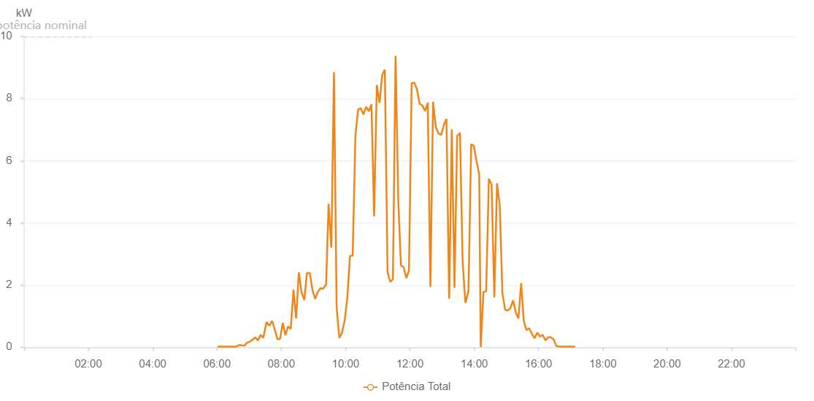

Number | Time | Working State | Alarm Code | Total Inverter Power(W)
1 | 10/08/2022 06:01:05 (UTC-4:00) | Normal |  | 20.000
2 | 10/08/2022 06:06:06 (UTC-4:00) | Normal |  | 20.000
3 | 10/08/2022 06:11:06 (UTC-4:00) | Normal |  | 20.000
4 | 10/08/2022 06:16:26 (UTC-4:00) | Normal |  | 20.000
5 | 10/08/2022 06:16:38 (UTC-4:00) | Normal |  | 20.000
6 | 10/08/2022 06:21:10 (UTC-4:00) | Normal |  | 20.000
7 | 10/08/2022 06:26:10 (UTC-4:00) | Normal |  | 20.000
8 | 10/08/2022 06:31:14 (UTC-4:00) | Normal |  | 20.000
9 | 10/08/2022 06:36:15 (UTC-4:00) | Normal |  | 20.000
10 | 10/08/2022 06:41:15 (UTC-4:00) | Normal |  | 70.000
11 | 10/08/2022 06:46:16 (UTC-4:00) | Normal |  | 60.000
12 | 10/08/2022 06:51:20 (UTC-4:00) | Normal |  | 50.000
13 | 10/08/2022 06:56:22 (UTC-4:00) | Normal |  | 150.000
14 | 10/08/2022 07:01:23 (UTC-4:00) | Normal |  | 180.000
15 | 10/08/2022 07:06:23 (UTC-4:00) | Normal |  | 240.000
16 | 10/08/2022 07:11:26 (UTC-4:00) | Normal |  | 320.000
17 | 10/08/2022 07:16:26 (UTC-4:00) | Normal |  | 220.000
18 | 10/08/2022 07:21:27 (UTC-4:00) | Normal |  | 400.000
19 | 10/08/2022 07:26:27 (UTC-4:00) | Normal |  | 300.000
20 | 10/08/2022 07:31:34 (UTC-4:00) | Normal |  | 740.000
21 | 10/08/2022 07:31:42 (UTC-4:00) | Normal |  | 740.000
22 | 10/08/2022 07:32:12 (UTC-4:00) | Normal |  | 810.000
23 | 10/08/2022 07:37:47 (UTC-4:00) | Normal |  | 690.000
24 | 10/08/2022 07:42:46 (UTC-4:00) | Normal |  | 850.000
25 | 10/08/2022 07:47:46 (UTC-4:00) | Normal |  | 580.000
26 | 10/08/2022 07:52:45 (UTC-4:00) | Normal |  | 260.000
27 | 10/08/2022 07:57:44 (UTC-4:00) | Normal |  | 270.000
28 | 10/08/2022 08:02:44 (UTC-4:00) | Normal |  | 780.000
29 | 10/08/2022 08:07:43 (UTC-4:00) | Normal |  | 390.000
30 | 10/08/2022 08:12:43 (UTC-4:00) | Normal |  | 670.000
31 | 10/08/2022 08:17:43 (UTC-4:00) | Normal |  | 590.000
32 | 10/08/2022 08:22:45 (UTC-4:00) | Normal |  | 1850.000
33 | 10/08/2022 08:27:41 (UTC-4:00) | Normal |  | 930.000
34 | 10/08/2022 08:32:46 (UTC-4:00) | Normal |  | 2410.000
35 | 10/08/2022 08:37:47 (UTC-4:00) | Normal |  | 1770.000
36 | 10/08/2022 08:42:50 (UTC-4:00) | Normal |  | 1530.000
37 | 10/08/2022 08:43:01 (UTC-4:00) | Normal |  | 1530.000
38 | 10/08/2022 08:47:55 (UTC-4:00) | Normal |  | 2390.000
39 | 10/08/2022 08:52:59 (UTC-4:00) | Normal |  | 2390.000
40 | 10/08/2022 08:53:09 (UTC-4:00) | Normal |  | 2390.000
41 | 10/08/2022 08:58:02 (UTC-4:00) | Normal |  | 1860.000
42 | 10/08/2022 09:03:05 (UTC-4:00) | Normal |  | 1550.000
43 | 10/08/2022 09:08:09 (UTC-4:00) | Normal |  | 1780.000
44 | 10/08/2022 09:13:11 (UTC-4:00) | Normal |  | 1900.000
45 | 10/08/2022 09:18:15 (UTC-4:00) | Normal |  | 1880.000
46 | 10/08/2022 09:23:19 (UTC-4:00) | Normal |  | 2020.000
47 | 10/08/2022 09:23:44 (UTC-4:00) | Normal |  | 2020.000
48 | 10/08/2022 09:28:18 (UTC-4:00) | Normal |  | 4620.000
49 | 10/08/2022 09:33:17 (UTC-4:00) | Normal |  | 3220.000
50 | 10/08/2022 09:33:28 (UTC-4:00) | Normal |  | 3220.000
51 | 10/08/2022 09:38:17 (UTC-4:00) | Normal |  | 8850.000
52 | 10/08/2022 09:43:17 (UTC-4:00) | Normal |  | 1290.000
53 | 10/08/2022 09:48:16 (UTC-4:00) | Normal |  | 300.000
54 | 10/08/2022 09:53:17 (UTC-4:00) | Normal |  | 460.000
55 | 10/08/2022 09:58:17 (UTC-4:00) | Normal |  | 860.000
56 | 10/08/2022 10:03:16 (UTC-4:00) | Normal |  | 1600.000
57 | 10/08/2022 10:08:15 (UTC-4:00) | Normal |  | 2940.000
58 | 10/08/2022 10:13:15 (UTC-4:00) | Normal |  | 2950.000
59 | 10/08/2022 10:18:18 (UTC-4:00) | Normal |  | 6800.000
60 | 10/08/2022 10:23:32 (UTC-4:00) | Normal |  | 7650.000
61 | 10/08/2022 10:28:19 (UTC-4:00) | Normal |  | 7690.000
62 | 10/08/2022 10:33:18 (UTC-4:00) | Normal |  | 7490.000
63 | 10/08/2022 10:38:18 (UTC-4:00) | Normal |  | 7740.000
64 | 10/08/2022 10:43:18 (UTC-4:00) | Normal |  | 7590.000
65 | 10/08/2022 10:48:17 (UTC-4:00) | Normal |  | 7820.000
66 | 10/08/2022 10:53:16 (UTC-4:00) | Normal |  | 4210.000
67 | 10/08/2022 10:58:15 (UTC-4:00) | Normal |  | 8440.000
68 | 10/08/2022 11:03:15 (UTC-4:00) | Normal |  | 7860.000
69 | 10/08/2022 11:08:14 (UTC-4:00) | Normal |  | 8750.000
70 | 10/08/2022 11:13:16 (UTC-4:00) | Normal |  | 8930.000
71 | 10/08/2022 11:18:19 (UTC-4:00) | Normal |  | 2420.000
72 | 10/08/2022 11:23:18 (UTC-4:00) | Normal |  | 2100.000
73 | 10/08/2022 11:28:18 (UTC-4:00) | Normal |  | 2190.000
74 | 10/08/2022 11:33:17 (UTC-4:00) | Normal |  | 9380.000
75 | 10/08/2022 11:38:18 (UTC-4:00) | Normal |  | 4740.000
76 | 10/08/2022 11:43:17 (UTC-4:00) | Normal |  | 2630.000
77 | 10/08/2022 11:48:18 (UTC-4:00) | Normal |  | 2580.000
78 | 10/08/2022 11:53:18 (UTC-4:00) | Normal |  | 2230.000
79 | 10/08/2022 11:58:17 (UTC-4:00) | Normal |  | 2460.000
80 | 10/08/2022 12:03:18 (UTC-4:00) | Normal |  | 8500.000
81 | 10/08/2022 12:08:17 (UTC-4:00) | Normal |  | 8510.000
82 | 10/08/2022 12:13:16 (UTC-4:00) | Normal |  | 8300.000
83 | 10/08/2022 12:18:15 (UTC-4:00) | Normal |  | 7830.000
84 | 10/08/2022 12:23:15 (UTC-4:00) | Normal |  | 7780.000
85 | 10/08/2022 12:28:18 (UTC-4:00) | Normal |  | 7600.000
86 | 10/08/2022 12:33:17 (UTC-4:00) | Normal |  | 7870.000
87 | 10/08/2022 12:38:17 (UTC-4:00) | Normal |  | 1940.000
88 | 10/08/2022 12:43:16 (UTC-4:00) | Normal |  | 7900.000
89 | 10/08/2022 12:48:16 (UTC-4:00) | Normal |  | 7090.000
90 | 10/08/2022 12:53:16 (UTC-4:00) | Normal |  | 6880.000
91 | 10/08/2022 12:58:16 (UTC-4:00) | Normal |  | 6830.000
92 | 10/08/2022 13:03:15 (UTC-4:00) | Normal |  | 7140.000
93 | 10/08/2022 13:08:14 (UTC-4:00) | Normal |  | 7350.000
94 | 10/08/2022 13:13:14 (UTC-4:00) | Normal |  | 1580.000
95 | 10/08/2022 13:13:24 (UTC-4:00) | Normal |  | 1580.000
96 | 10/08/2022 13:18:13 (UTC-4:00) | Normal |  | 7010.000
97 | 10/08/2022 13:23:12 (UTC-4:00) | Normal |  | 1910.000
98 | 10/08/2022 13:28:13 (UTC-4:00) | Normal |  | 6800.000
99 | 10/08/2022 13:33:18 (UTC-4:00) | Normal |  | 6890.000
100 | 10/08/2022 13:33:29 (UTC-4:00) | Normal |  | 6890.000
101 | 10/08/2022 13:38:19 (UTC-4:00) | Normal |  | 2810.000
102 | 10/08/2022 13:43:24 (UTC-4:00) | Normal |  | 1450.000
103 | 10/08/2022 13:44:02 (UTC-4:00) | Normal |  | 1440.000
104 | 10/08/2022 13:49:20 (UTC-4:00) | Normal |  | 1810.000
105 | 10/08/2022 13:54:20 (UTC-4:00) | Normal |  | 6530.000
106 | 10/08/2022 13:59:19 (UTC-4:00) | Normal |  | 6480.000
107 | 10/08/2022 14:04:19 (UTC-4:00) | Normal |  | 5990.000
108 | 10/08/2022 14:09:19 (UTC-4:00) | Normal |  | 5570.000
109 | 10/08/2022 14:12:12 (UTC-4:00) | Fault | 1015 | 0.000
110 | 10/08/2022 14:17:15 (UTC-4:00) | Normal |  | 1780.000
111 | 10/08/2022 14:22:18 (UTC-4:00) | Normal |  | 1800.000
112 | 10/08/2022 14:27:23 (UTC-4:00) | Normal |  | 5420.000
113 | 10/08/2022 14:32:29 (UTC-4:00) | Normal |  | 5230.000
114 | 10/08/2022 14:37:33 (UTC-4:00) | Normal |  | 1610.000
115 | 10/08/2022 14:42:33 (UTC-4:00) | Normal |  | 5280.000
116 | 10/08/2022 14:47:37 (UTC-4:00) | Normal |  | 4560.000
117 | 10/08/2022 14:52:37 (UTC-4:00) | Normal |  | 1750.000
118 | 10/08/2022 14:57:36 (UTC-4:00) | Normal |  | 1210.000
119 | 10/08/2022 15:02:36 (UTC-4:00) | Normal |  | 1180.000
120 | 10/08/2022 15:07:36 (UTC-4:00) | Normal |  | 1260.000
121 | 10/08/2022 15:12:36 (UTC-4:00) | Normal |  | 1510.000
122 | 10/08/2022 15:17:36 (UTC-4:00) | Normal |  | 1110.000
123 | 10/08/2022 15:22:36 (UTC-4:00) | Normal |  | 930.000
124 | 10/08/2022 15:27:35 (UTC-4:00) | Normal |  | 2060.000
125 | 10/08/2022 15:32:36 (UTC-4:00) | Normal |  | 840.000
126 | 10/08/2022 15:37:36 (UTC-4:00) | Normal |  | 550.000
127 | 10/08/2022 15:42:37 (UTC-4:00) | Normal |  | 610.000
128 | 10/08/2022 15:47:37 (UTC-4:00) | Normal |  | 430.000
129 | 10/08/2022 15:52:37 (UTC-4:00) | Normal |  | 290.000
130 | 10/08/2022 15:57:42 (UTC-4:00) | Normal |  | 470.000
131 | 10/08/2022 16:02:47 (UTC-4:00) | Normal |  | 340.000
132 | 10/08/2022 16:07:50 (UTC-4:00) | Normal |  | 400.000
133 | 10/08/2022 16:12:54 (UTC-4:00) | Normal |  | 220.000
134 | 10/08/2022 16:17:58 (UTC-4:00) | Normal |  | 320.000
135 | 10/08/2022 16:23:02 (UTC-4:00) | Normal |  | 320.000
136 | 10/08/2022 16:28:05 (UTC-4:00) | Normal |  | 250.000
137 | 10/08/2022 16:33:12 (UTC-4:00) | Normal |  | 40.000
138 | 10/08/2022 16:38:14 (UTC-4:00) | Normal |  | 20.000
139 | 10/08/2022 16:43:21 (UTC-4:00) | Normal |  | 20.000
140 | 10/08/2022 16:48:23 (UTC-4:00) | Normal |  | 20.000
141 | 10/08/2022 16:53:31 (UTC-4:00) | Normal |  | 20.000
142 | 10/08/2022 16:58:28 (UTC-4:00) | Normal |  | 20.000
143 | 10/08/2022 17:03:33 (UTC-4:00) | Normal |  | 20.000
144 | 10/08/2022 17:08:36 (UTC-4:00) | Normal |  | 20.000

