Inverter History Report__17-08-
Inverter History Report_11/08/2022_Report

Inverter SN:054B7020C020044 |  | Inverter type:B7
Collector SN:4045086367 |  | Full Load Hours(h):3.36
Rated Power:10000Wp

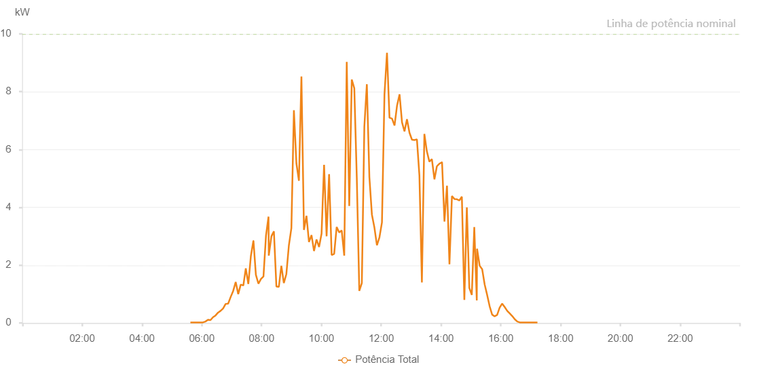

Number | Time | Working State | Alarm Code | Total Inverter Power(W)
1 | 11/08/2022 05:37:10 (UTC-4:00) | Normal |  | 20.000
2 | 11/08/2022 05:42:08 (UTC-4:00) | Normal |  | 20.000
3 | 11/08/2022 05:47:07 (UTC-4:00) | Normal |  | 20.000
4 | 11/08/2022 05:52:09 (UTC-4:00) | Normal |  | 20.000
5 | 11/08/2022 05:57:15 (UTC-4:00) | Normal |  | 20.000
6 | 11/08/2022 06:02:18 (UTC-4:00) | Normal |  | 20.000
7 | 11/08/2022 06:07:20 (UTC-4:00) | Normal |  | 50.000
8 | 11/08/2022 06:12:26 (UTC-4:00) | Normal |  | 110.000
9 | 11/08/2022 06:17:27 (UTC-4:00) | Normal |  | 100.000
10 | 11/08/2022 06:22:31 (UTC-4:00) | Normal |  | 200.000
11 | 11/08/2022 06:27:37 (UTC-4:00) | Normal |  | 260.000
12 | 11/08/2022 06:32:40 (UTC-4:00) | Normal |  | 360.000
13 | 11/08/2022 06:37:42 (UTC-4:00) | Normal |  | 420.000
14 | 11/08/2022 06:42:47 (UTC-4:00) | Normal |  | 500.000
15 | 11/08/2022 06:47:52 (UTC-4:00) | Normal |  | 660.000
16 | 11/08/2022 06:52:54 (UTC-4:00) | Normal |  | 670.000
17 | 11/08/2022 06:57:59 (UTC-4:00) | Normal |  | 900.000
18 | 11/08/2022 07:03:03 (UTC-4:00) | Normal |  | 1110.000
19 | 11/08/2022 07:08:05 (UTC-4:00) | Normal |  | 1420.000
20 | 11/08/2022 07:13:09 (UTC-4:00) | Normal |  | 1000.000
21 | 11/08/2022 07:18:11 (UTC-4:00) | Normal |  | 1330.000
22 | 11/08/2022 07:23:15 (UTC-4:00) | Normal |  | 1300.000
23 | 11/08/2022 07:23:26 (UTC-4:00) | Normal |  | 1300.000
24 | 11/08/2022 07:28:19 (UTC-4:00) | Normal |  | 1890.000
25 | 11/08/2022 07:33:26 (UTC-4:00) | Normal |  | 1350.000
26 | 11/08/2022 07:38:28 (UTC-4:00) | Normal |  | 2310.000
27 | 11/08/2022 07:43:31 (UTC-4:00) | Normal |  | 2840.000
28 | 11/08/2022 07:43:42 (UTC-4:00) | Normal |  | 2840.000
29 | 11/08/2022 07:48:33 (UTC-4:00) | Normal |  | 1670.000
30 | 11/08/2022 07:53:38 (UTC-4:00) | Normal |  | 1360.000
31 | 11/08/2022 07:58:43 (UTC-4:00) | Normal |  | 1520.000
32 | 11/08/2022 08:03:47 (UTC-4:00) | Normal |  | 1610.000
33 | 11/08/2022 08:08:51 (UTC-4:00) | Normal |  | 3020.000
34 | 11/08/2022 08:13:54 (UTC-4:00) | Normal |  | 3680.000
35 | 11/08/2022 08:14:26 (UTC-4:00) | Normal |  | 2330.000
36 | 11/08/2022 08:19:44 (UTC-4:00) | Normal |  | 3000.000
37 | 11/08/2022 08:24:43 (UTC-4:00) | Normal |  | 3170.000
38 | 11/08/2022 08:29:44 (UTC-4:00) | Normal |  | 1260.000
39 | 11/08/2022 08:34:40 (UTC-4:00) | Normal |  | 1250.000
40 | 11/08/2022 08:39:39 (UTC-4:00) | Normal |  | 1980.000
41 | 11/08/2022 08:44:39 (UTC-4:00) | Normal |  | 1380.000
42 | 11/08/2022 08:49:41 (UTC-4:00) | Normal |  | 1690.000
43 | 11/08/2022 08:54:45 (UTC-4:00) | Normal |  | 2680.000
44 | 11/08/2022 08:59:48 (UTC-4:00) | Normal |  | 3280.000
45 | 11/08/2022 09:04:51 (UTC-4:00) | Normal |  | 7360.000
46 | 11/08/2022 09:09:52 (UTC-4:00) | Normal |  | 5520.000
47 | 11/08/2022 09:14:56 (UTC-4:00) | Normal |  | 4920.000
48 | 11/08/2022 09:19:57 (UTC-4:00) | Normal |  | 8530.000
49 | 11/08/2022 09:25:00 (UTC-4:00) | Normal |  | 3220.000
50 | 11/08/2022 09:30:03 (UTC-4:00) | Normal |  | 3710.000
51 | 11/08/2022 09:35:06 (UTC-4:00) | Normal |  | 2800.000
52 | 11/08/2022 09:40:10 (UTC-4:00) | Normal |  | 3040.000
53 | 11/08/2022 09:45:12 (UTC-4:00) | Normal |  | 2490.000
54 | 11/08/2022 09:50:15 (UTC-4:00) | Normal |  | 2890.000
55 | 11/08/2022 09:55:18 (UTC-4:00) | Normal |  | 2630.000
56 | 11/08/2022 10:00:21 (UTC-4:00) | Normal |  | 3090.000
57 | 11/08/2022 10:05:24 (UTC-4:00) | Normal |  | 5470.000
58 | 11/08/2022 10:10:26 (UTC-4:00) | Normal |  | 3000.000
59 | 11/08/2022 10:15:29 (UTC-4:00) | Normal |  | 5150.000
60 | 11/08/2022 10:20:35 (UTC-4:00) | Normal |  | 2350.000
61 | 11/08/2022 10:25:38 (UTC-4:00) | Normal |  | 2390.000
62 | 11/08/2022 10:30:41 (UTC-4:00) | Normal |  | 3320.000
63 | 11/08/2022 10:35:43 (UTC-4:00) | Normal |  | 3130.000
64 | 11/08/2022 10:40:47 (UTC-4:00) | Normal |  | 3200.000
65 | 11/08/2022 10:45:51 (UTC-4:00) | Normal |  | 2330.000
66 | 11/08/2022 10:50:53 (UTC-4:00) | Normal |  | 9030.000
67 | 11/08/2022 10:55:55 (UTC-4:00) | Normal |  | 4050.000
68 | 11/08/2022 11:00:59 (UTC-4:00) | Normal |  | 8420.000
69 | 11/08/2022 11:06:02 (UTC-4:00) | Normal |  | 8120.000
70 | 11/08/2022 11:11:03 (UTC-4:00) | Normal |  | 5020.000
71 | 11/08/2022 11:16:05 (UTC-4:00) | Normal |  | 1110.000
72 | 11/08/2022 11:21:10 (UTC-4:00) | Normal |  | 1380.000
73 | 11/08/2022 11:26:11 (UTC-4:00) | Normal |  | 6790.000
74 | 11/08/2022 11:31:14 (UTC-4:00) | Normal |  | 8260.000
75 | 11/08/2022 11:36:17 (UTC-4:00) | Normal |  | 5050.000
76 | 11/08/2022 11:41:22 (UTC-4:00) | Normal |  | 3750.000
77 | 11/08/2022 11:46:24 (UTC-4:00) | Normal |  | 3300.000
78 | 11/08/2022 11:51:27 (UTC-4:00) | Normal |  | 2690.000
79 | 11/08/2022 11:56:29 (UTC-4:00) | Normal |  | 2960.000
80 | 11/08/2022 12:01:33 (UTC-4:00) | Normal |  | 3480.000
81 | 11/08/2022 12:06:35 (UTC-4:00) | Normal |  | 7910.000
82 | 11/08/2022 12:11:38 (UTC-4:00) | Normal |  | 9350.000
83 | 11/08/2022 12:16:40 (UTC-4:00) | Normal |  | 7100.000
84 | 11/08/2022 12:21:44 (UTC-4:00) | Normal |  | 7070.000
85 | 11/08/2022 12:26:46 (UTC-4:00) | Normal |  | 6830.000
86 | 11/08/2022 12:31:48 (UTC-4:00) | Normal |  | 7520.000
87 | 11/08/2022 12:36:51 (UTC-4:00) | Normal |  | 7910.000
88 | 11/08/2022 12:41:46 (UTC-4:00) | Normal |  | 6940.000
89 | 11/08/2022 12:46:44 (UTC-4:00) | Normal |  | 6630.000
90 | 11/08/2022 12:51:43 (UTC-4:00) | Normal |  | 7050.000
91 | 11/08/2022 12:56:46 (UTC-4:00) | Normal |  | 6580.000
92 | 11/08/2022 13:01:45 (UTC-4:00) | Normal |  | 6340.000
93 | 11/08/2022 13:06:43 (UTC-4:00) | Normal |  | 6330.000
94 | 11/08/2022 13:11:42 (UTC-4:00) | Normal |  | 6350.000
95 | 11/08/2022 13:16:41 (UTC-4:00) | Normal |  | 5100.000
96 | 11/08/2022 13:21:40 (UTC-4:00) | Normal |  | 1400.000
97 | 11/08/2022 13:26:38 (UTC-4:00) | Normal |  | 6540.000
98 | 11/08/2022 13:31:37 (UTC-4:00) | Normal |  | 5940.000
99 | 11/08/2022 13:36:40 (UTC-4:00) | Normal |  | 5580.000
100 | 11/08/2022 13:41:43 (UTC-4:00) | Normal |  | 5670.000
101 | 11/08/2022 13:46:47 (UTC-4:00) | Normal |  | 4970.000
102 | 11/08/2022 13:51:49 (UTC-4:00) | Normal |  | 5430.000
103 | 11/08/2022 13:52:02 (UTC-4:00) | Normal |  | 5430.000
104 | 11/08/2022 13:56:51 (UTC-4:00) | Normal |  | 5510.000
105 | 11/08/2022 14:01:55 (UTC-4:00) | Normal |  | 5560.000
106 | 11/08/2022 14:02:06 (UTC-4:00) | Normal |  | 5560.000
107 | 11/08/2022 14:06:57 (UTC-4:00) | Normal |  | 3510.000
108 | 11/08/2022 14:12:00 (UTC-4:00) | Normal |  | 4750.000
109 | 11/08/2022 14:16:58 (UTC-4:00) | Normal |  | 2030.000
110 | 11/08/2022 14:21:57 (UTC-4:00) | Normal |  | 4390.000
111 | 11/08/2022 14:26:56 (UTC-4:00) | Normal |  | 4290.000
112 | 11/08/2022 14:31:55 (UTC-4:00) | Normal |  | 4280.000
113 | 11/08/2022 14:36:53 (UTC-4:00) | Normal |  | 4240.000
114 | 11/08/2022 14:41:52 (UTC-4:00) | Normal |  | 4370.000
115 | 11/08/2022 14:46:51 (UTC-4:00) | Normal |  | 800.000
116 | 11/08/2022 14:51:51 (UTC-4:00) | Normal |  | 4000.000
117 | 11/08/2022 14:56:50 (UTC-4:00) | Normal |  | 1210.000
118 | 11/08/2022 15:01:48 (UTC-4:00) | Normal |  | 970.000
119 | 11/08/2022 15:06:47 (UTC-4:00) | Normal |  | 3320.000
120 | 11/08/2022 15:11:47 (UTC-4:00) | Normal |  | 780.000
121 | 11/08/2022 15:12:20 (UTC-4:00) | Normal |  | 2570.000
122 | 11/08/2022 15:17:39 (UTC-4:00) | Normal |  | 1980.000
123 | 11/08/2022 15:22:38 (UTC-4:00) | Normal |  | 1860.000
124 | 11/08/2022 15:27:37 (UTC-4:00) | Normal |  | 1330.000
125 | 11/08/2022 15:32:36 (UTC-4:00) | Normal |  | 970.000
126 | 11/08/2022 15:37:35 (UTC-4:00) | Normal |  | 580.000
127 | 11/08/2022 15:42:35 (UTC-4:00) | Normal |  | 290.000
128 | 11/08/2022 15:47:35 (UTC-4:00) | Normal |  | 230.000
129 | 11/08/2022 15:52:38 (UTC-4:00) | Normal |  | 280.000
130 | 11/08/2022 15:57:41 (UTC-4:00) | Normal |  | 530.000
131 | 11/08/2022 16:02:44 (UTC-4:00) | Normal |  | 670.000
132 | 11/08/2022 16:07:48 (UTC-4:00) | Normal |  | 550.000
133 | 11/08/2022 16:12:51 (UTC-4:00) | Normal |  | 420.000
134 | 11/08/2022 16:17:54 (UTC-4:00) | Normal |  | 330.000
135 | 11/08/2022 16:22:57 (UTC-4:00) | Normal |  | 240.000
136 | 11/08/2022 16:28:01 (UTC-4:00) | Normal |  | 130.000
137 | 11/08/2022 16:33:04 (UTC-4:00) | Normal |  | 50.000
138 | 11/08/2022 16:38:07 (UTC-4:00) | Normal |  | 20.000
139 | 11/08/2022 16:43:11 (UTC-4:00) | Normal |  | 20.000
140 | 11/08/2022 16:48:15 (UTC-4:00) | Normal |  | 20.000
141 | 11/08/2022 16:53:18 (UTC-4:00) | Normal |  | 20.000
142 | 11/08/2022 16:58:23 (UTC-4:00) | Normal |  | 20.000
143 | 11/08/2022 17:03:25 (UTC-4:00) | Normal |  | 20.000
144 | 11/08/2022 17:08:27 (UTC-4:00) | Normal |  | 20.000
145 | 11/08/2022 17:13:30 (UTC-4:00) | Normal |  | 20.000

