Inverter History Report__17-08-
Inverter History Report_13/08/2022_Report

Inverter SN:054B7020C020044 |  | Inverter type:B7
Collector SN:4045086367 |  | Full Load Hours(h):4.63
Rated Power:10000Wp

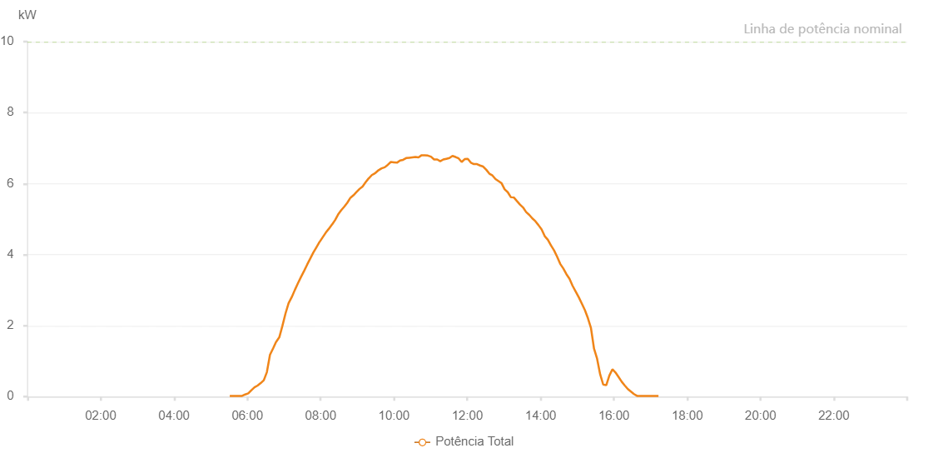

Number | Time | Working State | Alarm Code | Total Inverter Power(W)
1 | 13/08/2022 05:31:13 (UTC-4:00) | Normal |  | 20.000
2 | 13/08/2022 05:36:14 (UTC-4:00) | Normal |  | 20.000
3 | 13/08/2022 05:41:14 (UTC-4:00) | Normal |  | 20.000
4 | 13/08/2022 05:46:17 (UTC-4:00) | Normal |  | 20.000
5 | 13/08/2022 05:51:22 (UTC-4:00) | Normal |  | 20.000
6 | 13/08/2022 05:56:26 (UTC-4:00) | Normal |  | 60.000
7 | 13/08/2022 06:01:31 (UTC-4:00) | Normal |  | 90.000
8 | 13/08/2022 06:06:36 (UTC-4:00) | Normal |  | 180.000
9 | 13/08/2022 06:11:40 (UTC-4:00) | Normal |  | 260.000
10 | 13/08/2022 06:16:45 (UTC-4:00) | Normal |  | 310.000
11 | 13/08/2022 06:21:50 (UTC-4:00) | Normal |  | 380.000
12 | 13/08/2022 06:26:55 (UTC-4:00) | Normal |  | 460.000
13 | 13/08/2022 06:31:59 (UTC-4:00) | Normal |  | 690.000
14 | 13/08/2022 06:37:03 (UTC-4:00) | Normal |  | 1180.000
15 | 13/08/2022 06:42:13 (UTC-4:00) | Normal |  | 1360.000
16 | 13/08/2022 06:47:14 (UTC-4:00) | Normal |  | 1550.000
17 | 13/08/2022 06:47:25 (UTC-4:00) | Normal |  | 1550.000
18 | 13/08/2022 06:52:16 (UTC-4:00) | Normal |  | 1670.000
19 | 13/08/2022 06:57:21 (UTC-4:00) | Normal |  | 1990.000
20 | 13/08/2022 07:02:26 (UTC-4:00) | Normal |  | 2340.000
21 | 13/08/2022 07:07:29 (UTC-4:00) | Normal |  | 2630.000
22 | 13/08/2022 07:12:34 (UTC-4:00) | Normal |  | 2800.000
23 | 13/08/2022 07:17:38 (UTC-4:00) | Normal |  | 3000.000
24 | 13/08/2022 07:22:43 (UTC-4:00) | Normal |  | 3190.000
25 | 13/08/2022 07:27:47 (UTC-4:00) | Normal |  | 3370.000
26 | 13/08/2022 07:32:51 (UTC-4:00) | Normal |  | 3540.000
27 | 13/08/2022 07:37:56 (UTC-4:00) | Normal |  | 3720.000
28 | 13/08/2022 07:43:01 (UTC-4:00) | Normal |  | 3890.000
29 | 13/08/2022 07:48:05 (UTC-4:00) | Normal |  | 4060.000
30 | 13/08/2022 07:53:09 (UTC-4:00) | Normal |  | 4210.000
31 | 13/08/2022 07:58:14 (UTC-4:00) | Normal |  | 4360.000
32 | 13/08/2022 07:58:24 (UTC-4:00) | Normal |  | 4360.000
33 | 13/08/2022 08:03:23 (UTC-4:00) | Normal |  | 4490.000
34 | 13/08/2022 08:08:25 (UTC-4:00) | Normal |  | 4620.000
35 | 13/08/2022 08:13:29 (UTC-4:00) | Normal |  | 4730.000
36 | 13/08/2022 08:18:37 (UTC-4:00) | Normal |  | 4850.000
37 | 13/08/2022 08:18:47 (UTC-4:00) | Normal |  | 4850.000
38 | 13/08/2022 08:23:33 (UTC-4:00) | Normal |  | 4970.000
39 | 13/08/2022 08:28:33 (UTC-4:00) | Normal |  | 5130.000
40 | 13/08/2022 08:33:33 (UTC-4:00) | Normal |  | 5250.000
41 | 13/08/2022 08:38:34 (UTC-4:00) | Normal |  | 5350.000
42 | 13/08/2022 08:43:34 (UTC-4:00) | Normal |  | 5460.000
43 | 13/08/2022 08:48:35 (UTC-4:00) | Normal |  | 5600.000
44 | 13/08/2022 08:48:47 (UTC-4:00) | Normal |  | 5600.000
45 | 13/08/2022 08:53:35 (UTC-4:00) | Normal |  | 5670.000
46 | 13/08/2022 08:58:35 (UTC-4:00) | Normal |  | 5760.000
47 | 13/08/2022 09:03:36 (UTC-4:00) | Normal |  | 5850.000
48 | 13/08/2022 09:08:36 (UTC-4:00) | Normal |  | 5920.000
49 | 13/08/2022 09:13:38 (UTC-4:00) | Normal |  | 6040.000
50 | 13/08/2022 09:18:39 (UTC-4:00) | Normal |  | 6150.000
51 | 13/08/2022 09:18:52 (UTC-4:00) | Normal |  | 6150.000
52 | 13/08/2022 09:23:43 (UTC-4:00) | Normal |  | 6240.000
53 | 13/08/2022 09:28:49 (UTC-4:00) | Normal |  | 6290.000
54 | 13/08/2022 09:29:04 (UTC-4:00) | Normal |  | 6290.000
55 | 13/08/2022 09:29:29 (UTC-4:00) | Normal |  | 6300.000
56 | 13/08/2022 09:34:51 (UTC-4:00) | Normal |  | 6380.000
57 | 13/08/2022 09:39:52 (UTC-4:00) | Normal |  | 6430.000
58 | 13/08/2022 09:44:52 (UTC-4:00) | Normal |  | 6460.000
59 | 13/08/2022 09:49:52 (UTC-4:00) | Normal |  | 6530.000
60 | 13/08/2022 09:54:52 (UTC-4:00) | Normal |  | 6610.000
61 | 13/08/2022 09:59:52 (UTC-4:00) | Normal |  | 6600.000
62 | 13/08/2022 10:04:55 (UTC-4:00) | Normal |  | 6590.000
63 | 13/08/2022 10:09:54 (UTC-4:00) | Normal |  | 6650.000
64 | 13/08/2022 10:14:54 (UTC-4:00) | Normal |  | 6670.000
65 | 13/08/2022 10:19:55 (UTC-4:00) | Normal |  | 6720.000
66 | 13/08/2022 10:24:59 (UTC-4:00) | Normal |  | 6730.000
67 | 13/08/2022 10:30:03 (UTC-4:00) | Normal |  | 6740.000
68 | 13/08/2022 10:35:07 (UTC-4:00) | Normal |  | 6750.000
69 | 13/08/2022 10:40:11 (UTC-4:00) | Normal |  | 6740.000
70 | 13/08/2022 10:45:16 (UTC-4:00) | Normal |  | 6800.000
71 | 13/08/2022 10:50:20 (UTC-4:00) | Normal |  | 6800.000
72 | 13/08/2022 10:55:25 (UTC-4:00) | Normal |  | 6790.000
73 | 13/08/2022 11:00:30 (UTC-4:00) | Normal |  | 6760.000
74 | 13/08/2022 11:05:38 (UTC-4:00) | Normal |  | 6680.000
75 | 13/08/2022 11:10:48 (UTC-4:00) | Normal |  | 6680.000
76 | 13/08/2022 11:15:42 (UTC-4:00) | Normal |  | 6630.000
77 | 13/08/2022 11:20:43 (UTC-4:00) | Normal |  | 6680.000
78 | 13/08/2022 11:25:44 (UTC-4:00) | Normal |  | 6700.000
79 | 13/08/2022 11:30:45 (UTC-4:00) | Normal |  | 6720.000
80 | 13/08/2022 11:35:44 (UTC-4:00) | Normal |  | 6780.000
81 | 13/08/2022 11:40:47 (UTC-4:00) | Normal |  | 6750.000
82 | 13/08/2022 11:45:46 (UTC-4:00) | Normal |  | 6710.000
83 | 13/08/2022 11:50:47 (UTC-4:00) | Normal |  | 6610.000
84 | 13/08/2022 11:55:47 (UTC-4:00) | Normal |  | 6690.000
85 | 13/08/2022 12:00:47 (UTC-4:00) | Normal |  | 6700.000
86 | 13/08/2022 12:05:47 (UTC-4:00) | Normal |  | 6590.000
87 | 13/08/2022 12:10:49 (UTC-4:00) | Normal |  | 6550.000
88 | 13/08/2022 12:15:50 (UTC-4:00) | Normal |  | 6550.000
89 | 13/08/2022 12:20:54 (UTC-4:00) | Normal |  | 6510.000
90 | 13/08/2022 12:25:58 (UTC-4:00) | Normal |  | 6480.000
91 | 13/08/2022 12:31:03 (UTC-4:00) | Normal |  | 6390.000
92 | 13/08/2022 12:36:06 (UTC-4:00) | Normal |  | 6280.000
93 | 13/08/2022 12:41:07 (UTC-4:00) | Normal |  | 6230.000
94 | 13/08/2022 12:46:07 (UTC-4:00) | Normal |  | 6130.000
95 | 13/08/2022 12:51:07 (UTC-4:00) | Normal |  | 6070.000
96 | 13/08/2022 12:56:07 (UTC-4:00) | Normal |  | 6010.000
97 | 13/08/2022 13:01:08 (UTC-4:00) | Normal |  | 5840.000
98 | 13/08/2022 13:06:09 (UTC-4:00) | Normal |  | 5760.000
99 | 13/08/2022 13:11:09 (UTC-4:00) | Normal |  | 5620.000
100 | 13/08/2022 13:16:09 (UTC-4:00) | Normal |  | 5610.000
101 | 13/08/2022 13:21:09 (UTC-4:00) | Normal |  | 5510.000
102 | 13/08/2022 13:26:10 (UTC-4:00) | Normal |  | 5410.000
103 | 13/08/2022 13:31:12 (UTC-4:00) | Normal |  | 5330.000
104 | 13/08/2022 13:36:16 (UTC-4:00) | Normal |  | 5200.000
105 | 13/08/2022 13:41:20 (UTC-4:00) | Normal |  | 5120.000
106 | 13/08/2022 13:46:25 (UTC-4:00) | Normal |  | 5020.000
107 | 13/08/2022 13:51:29 (UTC-4:00) | Normal |  | 4940.000
108 | 13/08/2022 13:56:32 (UTC-4:00) | Normal |  | 4830.000
109 | 13/08/2022 14:01:38 (UTC-4:00) | Normal |  | 4710.000
110 | 13/08/2022 14:06:43 (UTC-4:00) | Normal |  | 4520.000
111 | 13/08/2022 14:11:48 (UTC-4:00) | Normal |  | 4420.000
112 | 13/08/2022 14:16:54 (UTC-4:00) | Normal |  | 4260.000
113 | 13/08/2022 14:21:58 (UTC-4:00) | Normal |  | 4120.000
114 | 13/08/2022 14:27:00 (UTC-4:00) | Normal |  | 3940.000
115 | 13/08/2022 14:32:04 (UTC-4:00) | Normal |  | 3740.000
116 | 13/08/2022 14:37:07 (UTC-4:00) | Normal |  | 3610.000
117 | 13/08/2022 14:42:11 (UTC-4:00) | Normal |  | 3450.000
118 | 13/08/2022 14:47:15 (UTC-4:00) | Normal |  | 3320.000
119 | 13/08/2022 14:52:21 (UTC-4:00) | Normal |  | 3120.000
120 | 13/08/2022 14:57:24 (UTC-4:00) | Normal |  | 2960.000
121 | 13/08/2022 15:02:24 (UTC-4:00) | Normal |  | 2800.000
122 | 13/08/2022 15:07:24 (UTC-4:00) | Normal |  | 2620.000
123 | 13/08/2022 15:12:24 (UTC-4:00) | Normal |  | 2440.000
124 | 13/08/2022 15:17:25 (UTC-4:00) | Normal |  | 2210.000
125 | 13/08/2022 15:22:25 (UTC-4:00) | Normal |  | 1930.000
126 | 13/08/2022 15:27:25 (UTC-4:00) | Normal |  | 1350.000
127 | 13/08/2022 15:32:25 (UTC-4:00) | Normal |  | 1070.000
128 | 13/08/2022 15:37:25 (UTC-4:00) | Normal |  | 630.000
129 | 13/08/2022 15:42:26 (UTC-4:00) | Normal |  | 340.000
130 | 13/08/2022 15:47:26 (UTC-4:00) | Normal |  | 320.000
131 | 13/08/2022 15:52:27 (UTC-4:00) | Normal |  | 590.000
132 | 13/08/2022 15:57:30 (UTC-4:00) | Normal |  | 770.000
133 | 13/08/2022 16:02:33 (UTC-4:00) | Normal |  | 680.000
134 | 13/08/2022 16:07:38 (UTC-4:00) | Normal |  | 550.000
135 | 13/08/2022 16:12:42 (UTC-4:00) | Normal |  | 420.000
136 | 13/08/2022 16:17:47 (UTC-4:00) | Normal |  | 310.000
137 | 13/08/2022 16:22:50 (UTC-4:00) | Normal |  | 210.000
138 | 13/08/2022 16:27:51 (UTC-4:00) | Normal |  | 140.000
139 | 13/08/2022 16:32:51 (UTC-4:00) | Normal |  | 70.000
140 | 13/08/2022 16:37:52 (UTC-4:00) | Normal |  | 20.000
141 | 13/08/2022 16:42:52 (UTC-4:00) | Normal |  | 20.000
142 | 13/08/2022 16:47:52 (UTC-4:00) | Normal |  | 20.000
143 | 13/08/2022 16:52:52 (UTC-4:00) | Normal |  | 20.000
144 | 13/08/2022 16:57:53 (UTC-4:00) | Normal |  | 20.000
145 | 13/08/2022 17:02:53 (UTC-4:00) | Normal |  | 20.000
146 | 13/08/2022 17:07:55 (UTC-4:00) | Normal |  | 20.000
147 | 13/08/2022 17:12:56 (UTC-4:00) | Normal |  | 20.000

