Inverter History Report__17-08-
Inverter History Report_14/08/2022_Report

Inverter SN:054B7020C020044 |  | Inverter type:B7
Collector SN:4045086367 |  | Full Load Hours(h):4.47
Rated Power:10000Wp

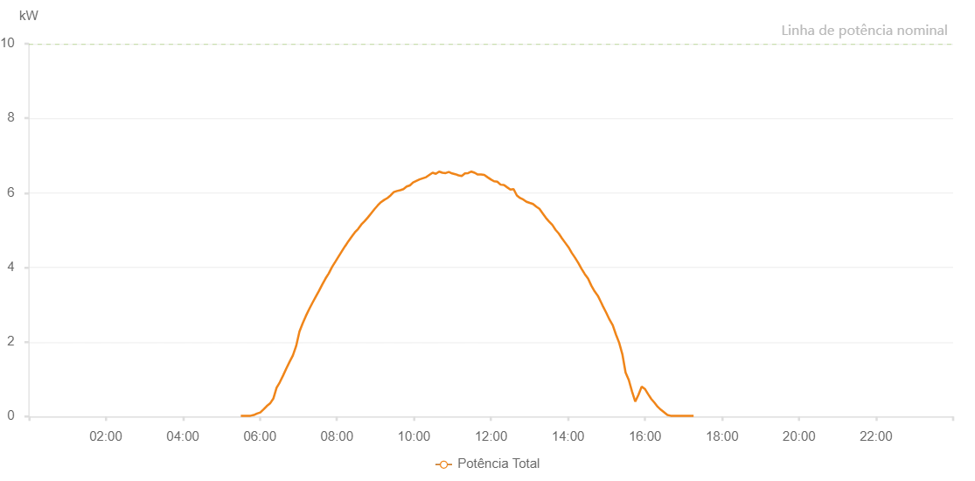

Number | Time | Working State | Alarm Code | Total Inverter Power(W)
1 | 14/08/2022 05:30:17 (UTC-4:00) | Normal |  | 20.000
2 | 14/08/2022 05:35:18 (UTC-4:00) | Normal |  | 20.000
3 | 14/08/2022 05:40:18 (UTC-4:00) | Normal |  | 20.000
4 | 14/08/2022 05:45:21 (UTC-4:00) | Normal |  | 20.000
5 | 14/08/2022 05:50:30 (UTC-4:00) | Normal |  | 40.000
6 | 14/08/2022 05:55:32 (UTC-4:00) | Normal |  | 80.000
7 | 14/08/2022 06:00:38 (UTC-4:00) | Normal |  | 110.000
8 | 14/08/2022 06:05:42 (UTC-4:00) | Normal |  | 190.000
9 | 14/08/2022 06:10:46 (UTC-4:00) | Normal |  | 280.000
10 | 14/08/2022 06:15:51 (UTC-4:00) | Normal |  | 350.000
11 | 14/08/2022 06:20:57 (UTC-4:00) | Normal |  | 480.000
12 | 14/08/2022 06:26:01 (UTC-4:00) | Normal |  | 770.000
13 | 14/08/2022 06:31:05 (UTC-4:00) | Normal |  | 920.000
14 | 14/08/2022 06:36:10 (UTC-4:00) | Normal |  | 1100.000
15 | 14/08/2022 06:41:16 (UTC-4:00) | Normal |  | 1290.000
16 | 14/08/2022 06:46:20 (UTC-4:00) | Normal |  | 1470.000
17 | 14/08/2022 06:51:25 (UTC-4:00) | Normal |  | 1640.000
18 | 14/08/2022 06:56:30 (UTC-4:00) | Normal |  | 1890.000
19 | 14/08/2022 07:01:41 (UTC-4:00) | Normal |  | 2280.000
20 | 14/08/2022 07:06:40 (UTC-4:00) | Normal |  | 2500.000
21 | 14/08/2022 07:11:44 (UTC-4:00) | Normal |  | 2700.000
22 | 14/08/2022 07:16:48 (UTC-4:00) | Normal |  | 2880.000
23 | 14/08/2022 07:21:54 (UTC-4:00) | Normal |  | 3050.000
24 | 14/08/2022 07:26:59 (UTC-4:00) | Normal |  | 3210.000
25 | 14/08/2022 07:32:03 (UTC-4:00) | Normal |  | 3370.000
26 | 14/08/2022 07:37:09 (UTC-4:00) | Normal |  | 3540.000
27 | 14/08/2022 07:42:13 (UTC-4:00) | Normal |  | 3700.000
28 | 14/08/2022 07:47:18 (UTC-4:00) | Normal |  | 3840.000
29 | 14/08/2022 07:52:22 (UTC-4:00) | Normal |  | 4010.000
30 | 14/08/2022 07:57:28 (UTC-4:00) | Normal |  | 4150.000
31 | 14/08/2022 08:02:32 (UTC-4:00) | Normal |  | 4290.000
32 | 14/08/2022 08:07:37 (UTC-4:00) | Normal |  | 4430.000
33 | 14/08/2022 08:12:45 (UTC-4:00) | Normal |  | 4570.000
34 | 14/08/2022 08:12:52 (UTC-4:00) | Normal |  | 4570.000
35 | 14/08/2022 08:17:49 (UTC-4:00) | Normal |  | 4700.000
36 | 14/08/2022 08:22:52 (UTC-4:00) | Normal |  | 4820.000
37 | 14/08/2022 08:27:57 (UTC-4:00) | Normal |  | 4940.000
38 | 14/08/2022 08:33:02 (UTC-4:00) | Normal |  | 5030.000
39 | 14/08/2022 08:38:05 (UTC-4:00) | Normal |  | 5150.000
40 | 14/08/2022 08:43:10 (UTC-4:00) | Normal |  | 5240.000
41 | 14/08/2022 08:48:14 (UTC-4:00) | Normal |  | 5340.000
42 | 14/08/2022 08:53:19 (UTC-4:00) | Normal |  | 5450.000
43 | 14/08/2022 08:58:24 (UTC-4:00) | Normal |  | 5560.000
44 | 14/08/2022 09:03:29 (UTC-4:00) | Normal |  | 5660.000
45 | 14/08/2022 09:08:34 (UTC-4:00) | Normal |  | 5750.000
46 | 14/08/2022 09:13:35 (UTC-4:00) | Normal |  | 5810.000
47 | 14/08/2022 09:18:35 (UTC-4:00) | Normal |  | 5860.000
48 | 14/08/2022 09:23:36 (UTC-4:00) | Normal |  | 5930.000
49 | 14/08/2022 09:28:37 (UTC-4:00) | Normal |  | 6020.000
50 | 14/08/2022 09:33:38 (UTC-4:00) | Normal |  | 6050.000
51 | 14/08/2022 09:38:39 (UTC-4:00) | Normal |  | 6070.000
52 | 14/08/2022 09:43:39 (UTC-4:00) | Normal |  | 6100.000
53 | 14/08/2022 09:48:40 (UTC-4:00) | Normal |  | 6170.000
54 | 14/08/2022 09:53:41 (UTC-4:00) | Normal |  | 6200.000
55 | 14/08/2022 09:58:41 (UTC-4:00) | Normal |  | 6280.000
56 | 14/08/2022 10:03:41 (UTC-4:00) | Normal |  | 6320.000
57 | 14/08/2022 10:08:45 (UTC-4:00) | Normal |  | 6360.000
58 | 14/08/2022 10:13:51 (UTC-4:00) | Normal |  | 6390.000
59 | 14/08/2022 10:18:59 (UTC-4:00) | Normal |  | 6420.000
60 | 14/08/2022 10:24:00 (UTC-4:00) | Normal |  | 6480.000
61 | 14/08/2022 10:29:04 (UTC-4:00) | Normal |  | 6540.000
62 | 14/08/2022 10:34:08 (UTC-4:00) | Normal |  | 6510.000
63 | 14/08/2022 10:39:13 (UTC-4:00) | Normal |  | 6570.000
64 | 14/08/2022 10:44:19 (UTC-4:00) | Normal |  | 6540.000
65 | 14/08/2022 10:49:23 (UTC-4:00) | Normal |  | 6530.000
66 | 14/08/2022 10:54:24 (UTC-4:00) | Normal |  | 6560.000
67 | 14/08/2022 10:59:25 (UTC-4:00) | Normal |  | 6520.000
68 | 14/08/2022 11:04:26 (UTC-4:00) | Normal |  | 6500.000
69 | 14/08/2022 11:09:26 (UTC-4:00) | Normal |  | 6470.000
70 | 14/08/2022 11:14:27 (UTC-4:00) | Normal |  | 6450.000
71 | 14/08/2022 11:19:28 (UTC-4:00) | Normal |  | 6520.000
72 | 14/08/2022 11:24:28 (UTC-4:00) | Normal |  | 6530.000
73 | 14/08/2022 11:29:29 (UTC-4:00) | Normal |  | 6570.000
74 | 14/08/2022 11:34:30 (UTC-4:00) | Normal |  | 6540.000
75 | 14/08/2022 11:39:30 (UTC-4:00) | Normal |  | 6490.000
76 | 14/08/2022 11:44:33 (UTC-4:00) | Normal |  | 6490.000
77 | 14/08/2022 11:49:34 (UTC-4:00) | Normal |  | 6480.000
78 | 14/08/2022 11:54:37 (UTC-4:00) | Normal |  | 6420.000
79 | 14/08/2022 11:59:42 (UTC-4:00) | Normal |  | 6360.000
80 | 14/08/2022 12:04:46 (UTC-4:00) | Normal |  | 6310.000
81 | 14/08/2022 12:09:52 (UTC-4:00) | Normal |  | 6300.000
82 | 14/08/2022 12:14:56 (UTC-4:00) | Normal |  | 6220.000
83 | 14/08/2022 12:20:06 (UTC-4:00) | Normal |  | 6210.000
84 | 14/08/2022 12:20:11 (UTC-4:00) | Normal |  | 6210.000
85 | 14/08/2022 12:25:09 (UTC-4:00) | Normal |  | 6150.000
86 | 14/08/2022 12:30:13 (UTC-4:00) | Normal |  | 6090.000
87 | 14/08/2022 12:35:16 (UTC-4:00) | Normal |  | 6100.000
88 | 14/08/2022 12:40:20 (UTC-4:00) | Normal |  | 5930.000
89 | 14/08/2022 12:45:25 (UTC-4:00) | Normal |  | 5860.000
90 | 14/08/2022 12:50:26 (UTC-4:00) | Normal |  | 5820.000
91 | 14/08/2022 12:55:26 (UTC-4:00) | Normal |  | 5760.000
92 | 14/08/2022 13:00:27 (UTC-4:00) | Normal |  | 5730.000
93 | 14/08/2022 13:05:30 (UTC-4:00) | Normal |  | 5700.000
94 | 14/08/2022 13:10:31 (UTC-4:00) | Normal |  | 5630.000
95 | 14/08/2022 13:15:31 (UTC-4:00) | Normal |  | 5570.000
96 | 14/08/2022 13:20:32 (UTC-4:00) | Normal |  | 5450.000
97 | 14/08/2022 13:25:33 (UTC-4:00) | Normal |  | 5330.000
98 | 14/08/2022 13:30:34 (UTC-4:00) | Normal |  | 5230.000
99 | 14/08/2022 13:35:34 (UTC-4:00) | Normal |  | 5140.000
100 | 14/08/2022 13:40:35 (UTC-4:00) | Normal |  | 5010.000
101 | 14/08/2022 13:45:36 (UTC-4:00) | Normal |  | 4910.000
102 | 14/08/2022 13:50:37 (UTC-4:00) | Normal |  | 4780.000
103 | 14/08/2022 13:55:42 (UTC-4:00) | Normal |  | 4660.000
104 | 14/08/2022 14:00:48 (UTC-4:00) | Normal |  | 4540.000
105 | 14/08/2022 14:05:51 (UTC-4:00) | Normal |  | 4390.000
106 | 14/08/2022 14:10:56 (UTC-4:00) | Normal |  | 4260.000
107 | 14/08/2022 14:16:01 (UTC-4:00) | Normal |  | 4120.000
108 | 14/08/2022 14:21:07 (UTC-4:00) | Normal |  | 3960.000
109 | 14/08/2022 14:26:10 (UTC-4:00) | Normal |  | 3820.000
110 | 14/08/2022 14:31:15 (UTC-4:00) | Normal |  | 3700.000
111 | 14/08/2022 14:36:23 (UTC-4:00) | Normal |  | 3510.000
112 | 14/08/2022 14:41:25 (UTC-4:00) | Normal |  | 3360.000
113 | 14/08/2022 14:46:29 (UTC-4:00) | Normal |  | 3240.000
114 | 14/08/2022 14:51:34 (UTC-4:00) | Normal |  | 3060.000
115 | 14/08/2022 14:54:23 (UTC-4:00) | Normal |  | 2960.000
116 | 14/08/2022 14:59:41 (UTC-4:00) | Normal |  | 2780.000
117 | 14/08/2022 15:04:41 (UTC-4:00) | Normal |  | 2600.000
118 | 14/08/2022 15:09:42 (UTC-4:00) | Normal |  | 2450.000
119 | 14/08/2022 15:14:42 (UTC-4:00) | Normal |  | 2200.000
120 | 14/08/2022 15:19:42 (UTC-4:00) | Normal |  | 1980.000
121 | 14/08/2022 15:24:43 (UTC-4:00) | Normal |  | 1670.000
122 | 14/08/2022 15:29:43 (UTC-4:00) | Normal |  | 1180.000
123 | 14/08/2022 15:34:44 (UTC-4:00) | Normal |  | 980.000
124 | 14/08/2022 15:39:44 (UTC-4:00) | Normal |  | 670.000
125 | 14/08/2022 15:44:44 (UTC-4:00) | Normal |  | 400.000
126 | 14/08/2022 15:49:45 (UTC-4:00) | Normal |  | 580.000
127 | 14/08/2022 15:54:45 (UTC-4:00) | Normal |  | 800.000
128 | 14/08/2022 15:59:45 (UTC-4:00) | Normal |  | 740.000
129 | 14/08/2022 16:04:46 (UTC-4:00) | Normal |  | 600.000
130 | 14/08/2022 16:09:48 (UTC-4:00) | Normal |  | 470.000
131 | 14/08/2022 16:14:47 (UTC-4:00) | Normal |  | 370.000
132 | 14/08/2022 16:19:47 (UTC-4:00) | Normal |  | 260.000
133 | 14/08/2022 16:24:47 (UTC-4:00) | Normal |  | 180.000
134 | 14/08/2022 16:29:51 (UTC-4:00) | Normal |  | 110.000
135 | 14/08/2022 16:34:56 (UTC-4:00) | Normal |  | 40.000
136 | 14/08/2022 16:40:00 (UTC-4:00) | Normal |  | 20.000
137 | 14/08/2022 16:45:04 (UTC-4:00) | Normal |  | 20.000
138 | 14/08/2022 16:50:08 (UTC-4:00) | Normal |  | 20.000
139 | 14/08/2022 16:55:14 (UTC-4:00) | Normal |  | 20.000
140 | 14/08/2022 17:00:18 (UTC-4:00) | Normal |  | 20.000
141 | 14/08/2022 17:05:21 (UTC-4:00) | Normal |  | 20.000
142 | 14/08/2022 17:10:27 (UTC-4:00) | Normal |  | 20.000
143 | 14/08/2022 17:15:41 (UTC-4:00) | Normal |  | 20.000

