Inverter History Report__17-08-
Inverter History Report_17/08/2022_Report

Inverter SN:054B7020C020044 |  | Inverter type:B7
Collector SN:4045086367 |  | Full Load Hours(h):1.21
Rated Power:10000Wp

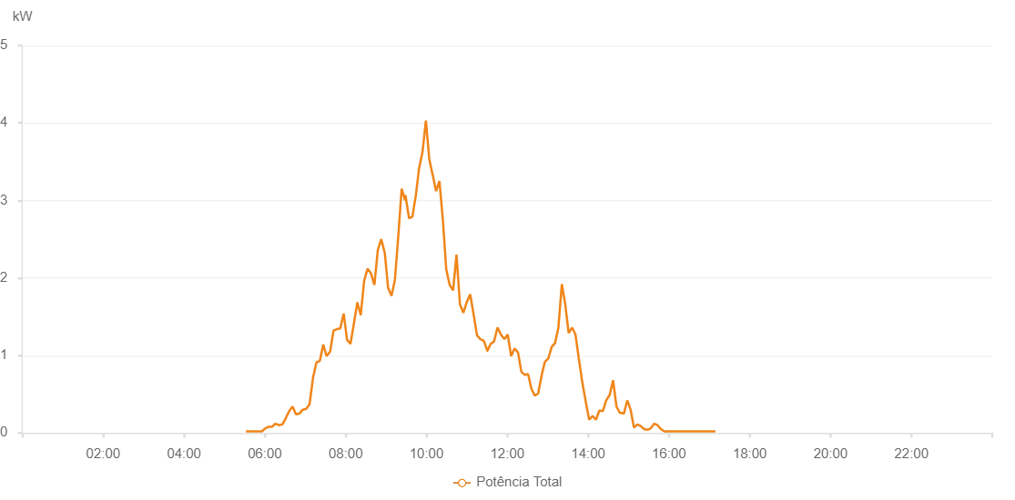

Number | Time | Working State | Alarm Code | Total Inverter Power(W)
1 | 17/08/2022 05:31:58 (UTC-4:00) | Normal |  | 20.000
2 | 17/08/2022 05:32:02 (UTC-4:00) | Normal |  | 20.000
3 | 17/08/2022 05:35:39 (UTC-4:00) | Normal |  | 20.000
4 | 17/08/2022 05:40:39 (UTC-4:00) | Normal |  | 20.000
5 | 17/08/2022 05:45:33 (UTC-4:00) | Normal |  | 20.000
6 | 17/08/2022 05:50:34 (UTC-4:00) | Normal |  | 20.000
7 | 17/08/2022 05:55:42 (UTC-4:00) | Normal |  | 20.000
8 | 17/08/2022 06:00:44 (UTC-4:00) | Normal |  | 60.000
9 | 17/08/2022 06:05:45 (UTC-4:00) | Normal |  | 80.000
10 | 17/08/2022 06:10:49 (UTC-4:00) | Normal |  | 80.000
11 | 17/08/2022 06:15:51 (UTC-4:00) | Normal |  | 120.000
12 | 17/08/2022 06:20:54 (UTC-4:00) | Normal |  | 100.000
13 | 17/08/2022 06:25:58 (UTC-4:00) | Normal |  | 110.000
14 | 17/08/2022 06:31:02 (UTC-4:00) | Normal |  | 190.000
15 | 17/08/2022 06:36:05 (UTC-4:00) | Normal |  | 280.000
16 | 17/08/2022 06:41:08 (UTC-4:00) | Normal |  | 340.000
17 | 17/08/2022 06:46:11 (UTC-4:00) | Normal |  | 240.000
18 | 17/08/2022 06:51:16 (UTC-4:00) | Normal |  | 250.000
19 | 17/08/2022 06:56:18 (UTC-4:00) | Normal |  | 300.000
20 | 17/08/2022 07:01:24 (UTC-4:00) | Normal |  | 310.000
21 | 17/08/2022 07:06:25 (UTC-4:00) | Normal |  | 370.000
22 | 17/08/2022 07:11:30 (UTC-4:00) | Normal |  | 710.000
23 | 17/08/2022 07:16:33 (UTC-4:00) | Normal |  | 910.000
24 | 17/08/2022 07:21:38 (UTC-4:00) | Normal |  | 930.000
25 | 17/08/2022 07:26:42 (UTC-4:00) | Normal |  | 1140.000
26 | 17/08/2022 07:31:44 (UTC-4:00) | Normal |  | 990.000
27 | 17/08/2022 07:36:55 (UTC-4:00) | Normal |  | 1050.000
28 | 17/08/2022 07:41:55 (UTC-4:00) | Normal |  | 1320.000
29 | 17/08/2022 07:46:57 (UTC-4:00) | Normal |  | 1340.000
30 | 17/08/2022 07:51:59 (UTC-4:00) | Normal |  | 1350.000
31 | 17/08/2022 07:57:02 (UTC-4:00) | Normal |  | 1540.000
32 | 17/08/2022 08:02:05 (UTC-4:00) | Normal |  | 1200.000
33 | 17/08/2022 08:07:09 (UTC-4:00) | Normal |  | 1150.000
34 | 17/08/2022 08:12:21 (UTC-4:00) | Normal |  | 1420.000
35 | 17/08/2022 08:17:18 (UTC-4:00) | Normal |  | 1680.000
36 | 17/08/2022 08:17:28 (UTC-4:00) | Normal |  | 1680.000
37 | 17/08/2022 08:22:21 (UTC-4:00) | Normal |  | 1520.000
38 | 17/08/2022 08:27:25 (UTC-4:00) | Normal |  | 1960.000
39 | 17/08/2022 08:32:30 (UTC-4:00) | Normal |  | 2120.000
40 | 17/08/2022 08:37:33 (UTC-4:00) | Normal |  | 2060.000
41 | 17/08/2022 08:42:38 (UTC-4:00) | Normal |  | 1910.000
42 | 17/08/2022 08:47:42 (UTC-4:00) | Normal |  | 2360.000
43 | 17/08/2022 08:52:46 (UTC-4:00) | Normal |  | 2500.000
44 | 17/08/2022 08:57:49 (UTC-4:00) | Normal |  | 2330.000
45 | 17/08/2022 08:58:00 (UTC-4:00) | Normal |  | 2330.000
46 | 17/08/2022 09:03:00 (UTC-4:00) | Normal |  | 1870.000
47 | 17/08/2022 09:08:01 (UTC-4:00) | Normal |  | 1770.000
48 | 17/08/2022 09:13:04 (UTC-4:00) | Normal |  | 1970.000
49 | 17/08/2022 09:18:07 (UTC-4:00) | Normal |  | 2540.000
50 | 17/08/2022 09:23:08 (UTC-4:00) | Normal |  | 3150.000
51 | 17/08/2022 09:28:11 (UTC-4:00) | Normal |  | 3000.000
52 | 17/08/2022 09:28:41 (UTC-4:00) | Normal |  | 3070.000
53 | 17/08/2022 09:34:06 (UTC-4:00) | Normal |  | 2770.000
54 | 17/08/2022 09:39:06 (UTC-4:00) | Normal |  | 2790.000
55 | 17/08/2022 09:44:06 (UTC-4:00) | Normal |  | 3060.000
56 | 17/08/2022 09:49:06 (UTC-4:00) | Normal |  | 3420.000
57 | 17/08/2022 09:54:09 (UTC-4:00) | Normal |  | 3630.000
58 | 17/08/2022 09:59:07 (UTC-4:00) | Normal |  | 4030.000
59 | 17/08/2022 10:04:09 (UTC-4:00) | Normal |  | 3530.000
60 | 17/08/2022 10:09:08 (UTC-4:00) | Normal |  | 3330.000
61 | 17/08/2022 10:09:16 (UTC-4:00) | Normal |  | 3330.000
62 | 17/08/2022 10:14:10 (UTC-4:00) | Normal |  | 3120.000
63 | 17/08/2022 10:19:13 (UTC-4:00) | Normal |  | 3250.000
64 | 17/08/2022 10:24:18 (UTC-4:00) | Normal |  | 2750.000
65 | 17/08/2022 10:29:21 (UTC-4:00) | Normal |  | 2110.000
66 | 17/08/2022 10:34:25 (UTC-4:00) | Normal |  | 1910.000
67 | 17/08/2022 10:39:30 (UTC-4:00) | Normal |  | 1840.000
68 | 17/08/2022 10:44:34 (UTC-4:00) | Normal |  | 2300.000
69 | 17/08/2022 10:49:40 (UTC-4:00) | Normal |  | 1660.000
70 | 17/08/2022 10:54:43 (UTC-4:00) | Normal |  | 1550.000
71 | 17/08/2022 10:59:48 (UTC-4:00) | Normal |  | 1690.000
72 | 17/08/2022 11:04:53 (UTC-4:00) | Normal |  | 1790.000
73 | 17/08/2022 11:09:56 (UTC-4:00) | Normal |  | 1530.000
74 | 17/08/2022 11:15:00 (UTC-4:00) | Normal |  | 1260.000
75 | 17/08/2022 11:20:04 (UTC-4:00) | Normal |  | 1210.000
76 | 17/08/2022 11:25:09 (UTC-4:00) | Normal |  | 1190.000
77 | 17/08/2022 11:30:17 (UTC-4:00) | Normal |  | 1060.000
78 | 17/08/2022 11:30:23 (UTC-4:00) | Normal |  | 1060.000
79 | 17/08/2022 11:35:18 (UTC-4:00) | Normal |  | 1150.000
80 | 17/08/2022 11:40:20 (UTC-4:00) | Normal |  | 1180.000
81 | 17/08/2022 11:45:25 (UTC-4:00) | Normal |  | 1360.000
82 | 17/08/2022 11:50:28 (UTC-4:00) | Normal |  | 1270.000
83 | 17/08/2022 11:55:32 (UTC-4:00) | Normal |  | 1210.000
84 | 17/08/2022 12:00:36 (UTC-4:00) | Normal |  | 1270.000
85 | 17/08/2022 12:05:43 (UTC-4:00) | Normal |  | 990.000
86 | 17/08/2022 12:10:47 (UTC-4:00) | Normal |  | 1090.000
87 | 17/08/2022 12:15:51 (UTC-4:00) | Normal |  | 1040.000
88 | 17/08/2022 12:20:51 (UTC-4:00) | Normal |  | 790.000
89 | 17/08/2022 12:25:51 (UTC-4:00) | Normal |  | 750.000
90 | 17/08/2022 12:30:51 (UTC-4:00) | Normal |  | 760.000
91 | 17/08/2022 12:35:51 (UTC-4:00) | Normal |  | 570.000
92 | 17/08/2022 12:40:51 (UTC-4:00) | Normal |  | 480.000
93 | 17/08/2022 12:45:51 (UTC-4:00) | Normal |  | 510.000
94 | 17/08/2022 12:50:51 (UTC-4:00) | Normal |  | 740.000
95 | 17/08/2022 12:55:52 (UTC-4:00) | Normal |  | 920.000
96 | 17/08/2022 13:00:52 (UTC-4:00) | Normal |  | 960.000
97 | 17/08/2022 13:05:52 (UTC-4:00) | Normal |  | 1110.000
98 | 17/08/2022 13:10:52 (UTC-4:00) | Normal |  | 1160.000
99 | 17/08/2022 13:15:53 (UTC-4:00) | Normal |  | 1360.000
100 | 17/08/2022 13:20:56 (UTC-4:00) | Normal |  | 1920.000
101 | 17/08/2022 13:26:01 (UTC-4:00) | Normal |  | 1660.000
102 | 17/08/2022 13:31:05 (UTC-4:00) | Normal |  | 1290.000
103 | 17/08/2022 13:36:09 (UTC-4:00) | Normal |  | 1360.000
104 | 17/08/2022 13:41:13 (UTC-4:00) | Normal |  | 1270.000
105 | 17/08/2022 13:46:19 (UTC-4:00) | Normal |  | 950.000
106 | 17/08/2022 13:51:23 (UTC-4:00) | Normal |  | 650.000
107 | 17/08/2022 13:56:32 (UTC-4:00) | Normal |  | 400.000
108 | 17/08/2022 14:01:35 (UTC-4:00) | Normal |  | 170.000
109 | 17/08/2022 14:06:36 (UTC-4:00) | Normal |  | 220.000
110 | 17/08/2022 14:11:39 (UTC-4:00) | Normal |  | 170.000
111 | 17/08/2022 14:16:43 (UTC-4:00) | Normal |  | 290.000
112 | 17/08/2022 14:21:47 (UTC-4:00) | Normal |  | 280.000
113 | 17/08/2022 14:26:52 (UTC-4:00) | Normal |  | 420.000
114 | 17/08/2022 14:31:57 (UTC-4:00) | Normal |  | 490.000
115 | 17/08/2022 14:37:01 (UTC-4:00) | Normal |  | 680.000
116 | 17/08/2022 14:42:06 (UTC-4:00) | Normal |  | 340.000
117 | 17/08/2022 14:47:10 (UTC-4:00) | Normal |  | 260.000
118 | 17/08/2022 14:47:43 (UTC-4:00) | Normal |  | 260.000
119 | 17/08/2022 14:53:03 (UTC-4:00) | Normal |  | 250.000
120 | 17/08/2022 14:58:04 (UTC-4:00) | Normal |  | 420.000
121 | 17/08/2022 15:03:04 (UTC-4:00) | Normal |  | 300.000
122 | 17/08/2022 15:08:04 (UTC-4:00) | Normal |  | 70.000
123 | 17/08/2022 15:13:04 (UTC-4:00) | Normal |  | 110.000
124 | 17/08/2022 15:18:04 (UTC-4:00) | Normal |  | 90.000
125 | 17/08/2022 15:23:04 (UTC-4:00) | Normal |  | 50.000
126 | 17/08/2022 15:28:05 (UTC-4:00) | Normal |  | 40.000
127 | 17/08/2022 15:33:05 (UTC-4:00) | Normal |  | 60.000
128 | 17/08/2022 15:38:05 (UTC-4:00) | Normal |  | 120.000
129 | 17/08/2022 15:43:05 (UTC-4:00) | Normal |  | 100.000
130 | 17/08/2022 15:48:05 (UTC-4:00) | Normal |  | 50.000
131 | 17/08/2022 15:53:06 (UTC-4:00) | Normal |  | 20.000
132 | 17/08/2022 15:58:06 (UTC-4:00) | Normal |  | 20.000
133 | 17/08/2022 16:03:06 (UTC-4:00) | Normal |  | 20.000
134 | 17/08/2022 16:08:06 (UTC-4:00) | Normal |  | 20.000
135 | 17/08/2022 16:13:06 (UTC-4:00) | Normal |  | 20.000
136 | 17/08/2022 16:18:07 (UTC-4:00) | Normal |  | 20.000
137 | 17/08/2022 16:23:12 (UTC-4:00) | Normal |  | 20.000
138 | 17/08/2022 16:28:16 (UTC-4:00) | Normal |  | 20.000
139 | 17/08/2022 16:33:20 (UTC-4:00) | Normal |  | 20.000
140 | 17/08/2022 16:38:24 (UTC-4:00) | Normal |  | 20.000
141 | 17/08/2022 16:43:28 (UTC-4:00) | Normal |  | 20.000
142 | 17/08/2022 16:48:33 (UTC-4:00) | Normal |  | 20.000
143 | 17/08/2022 16:53:36 (UTC-4:00) | Normal |  | 20.000
144 | 17/08/2022 16:58:41 (UTC-4:00) | Normal |  | 20.000
145 | 17/08/2022 16:58:52 (UTC-4:00) | Normal |  | 20.000
146 | 17/08/2022 17:03:43 (UTC-4:00) | Normal |  | 20.000
147 | 17/08/2022 17:08:49 (UTC-4:00) | Normal |  | 20.000
148 | 17/08/2022 17:08:59 (UTC-4:00) | Normal |  | 20.000

