Inverter History Report__17-08-
Inverter History Report_21/08/2022_Report

Inverter SN:054B7020C020044 |  | Inverter type:B7
Collector SN:4045086367 |  | Full Load Hours(h):2.68
Rated Power:10000Wp

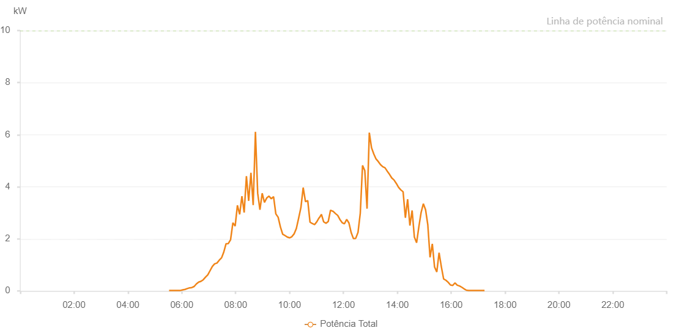

Number | Time | Working State | Alarm Code | Total Inverter Power(W)
1 | 21/08/2022 05:31:45 (UTC-4:00) | Normal |  | 20.000
2 | 21/08/2022 05:36:45 (UTC-4:00) | Normal |  | 20.000
3 | 21/08/2022 05:41:46 (UTC-4:00) | Normal |  | 20.000
4 | 21/08/2022 05:46:48 (UTC-4:00) | Normal |  | 20.000
5 | 21/08/2022 05:51:54 (UTC-4:00) | Normal |  | 20.000
6 | 21/08/2022 05:56:59 (UTC-4:00) | Normal |  | 20.000
7 | 21/08/2022 06:02:04 (UTC-4:00) | Normal |  | 40.000
8 | 21/08/2022 06:07:09 (UTC-4:00) | Normal |  | 60.000
9 | 21/08/2022 06:12:14 (UTC-4:00) | Normal |  | 90.000
10 | 21/08/2022 06:17:20 (UTC-4:00) | Normal |  | 120.000
11 | 21/08/2022 06:22:24 (UTC-4:00) | Normal |  | 130.000
12 | 21/08/2022 06:27:27 (UTC-4:00) | Normal |  | 170.000
13 | 21/08/2022 06:32:32 (UTC-4:00) | Normal |  | 270.000
14 | 21/08/2022 06:37:37 (UTC-4:00) | Normal |  | 340.000
15 | 21/08/2022 06:42:41 (UTC-4:00) | Normal |  | 370.000
16 | 21/08/2022 06:47:46 (UTC-4:00) | Normal |  | 430.000
17 | 21/08/2022 06:52:51 (UTC-4:00) | Normal |  | 530.000
18 | 21/08/2022 06:57:56 (UTC-4:00) | Normal |  | 620.000
19 | 21/08/2022 07:03:00 (UTC-4:00) | Normal |  | 780.000
20 | 21/08/2022 07:08:05 (UTC-4:00) | Normal |  | 940.000
21 | 21/08/2022 07:13:09 (UTC-4:00) | Normal |  | 1040.000
22 | 21/08/2022 07:18:17 (UTC-4:00) | Normal |  | 1070.000
23 | 21/08/2022 07:23:23 (UTC-4:00) | Normal |  | 1180.000
24 | 21/08/2022 07:28:27 (UTC-4:00) | Normal |  | 1270.000
25 | 21/08/2022 07:28:34 (UTC-4:00) | Normal |  | 1270.000
26 | 21/08/2022 07:33:27 (UTC-4:00) | Normal |  | 1490.000
27 | 21/08/2022 07:38:32 (UTC-4:00) | Normal |  | 1810.000
28 | 21/08/2022 07:43:36 (UTC-4:00) | Normal |  | 1820.000
29 | 21/08/2022 07:48:42 (UTC-4:00) | Normal |  | 1970.000
30 | 21/08/2022 07:53:49 (UTC-4:00) | Normal |  | 2620.000
31 | 21/08/2022 07:58:50 (UTC-4:00) | Normal |  | 2490.000
32 | 21/08/2022 08:03:54 (UTC-4:00) | Normal |  | 3290.000
33 | 21/08/2022 08:08:55 (UTC-4:00) | Normal |  | 2940.000
34 | 21/08/2022 08:13:56 (UTC-4:00) | Normal |  | 3640.000
35 | 21/08/2022 08:18:56 (UTC-4:00) | Normal |  | 3010.000
36 | 21/08/2022 08:23:57 (UTC-4:00) | Normal |  | 4410.000
37 | 21/08/2022 08:28:59 (UTC-4:00) | Normal |  | 3460.000
38 | 21/08/2022 08:34:00 (UTC-4:00) | Normal |  | 4540.000
39 | 21/08/2022 08:39:01 (UTC-4:00) | Normal |  | 3300.000
40 | 21/08/2022 08:44:01 (UTC-4:00) | Normal |  | 6110.000
41 | 21/08/2022 08:49:03 (UTC-4:00) | Normal |  | 3750.000
42 | 21/08/2022 08:54:03 (UTC-4:00) | Normal |  | 3120.000
43 | 21/08/2022 08:59:04 (UTC-4:00) | Normal |  | 3750.000
44 | 21/08/2022 09:04:04 (UTC-4:00) | Normal |  | 3400.000
45 | 21/08/2022 09:09:11 (UTC-4:00) | Normal |  | 3570.000
46 | 21/08/2022 09:14:15 (UTC-4:00) | Normal |  | 3640.000
47 | 21/08/2022 09:19:20 (UTC-4:00) | Normal |  | 3540.000
48 | 21/08/2022 09:24:23 (UTC-4:00) | Normal |  | 3620.000
49 | 21/08/2022 09:29:28 (UTC-4:00) | Normal |  | 2960.000
50 | 21/08/2022 09:34:37 (UTC-4:00) | Normal |  | 2830.000
51 | 21/08/2022 09:39:38 (UTC-4:00) | Normal |  | 2460.000
52 | 21/08/2022 09:44:44 (UTC-4:00) | Normal |  | 2180.000
53 | 21/08/2022 09:49:47 (UTC-4:00) | Normal |  | 2130.000
54 | 21/08/2022 09:54:52 (UTC-4:00) | Normal |  | 2070.000
55 | 21/08/2022 09:59:58 (UTC-4:00) | Normal |  | 2040.000
56 | 21/08/2022 10:05:00 (UTC-4:00) | Normal |  | 2080.000
57 | 21/08/2022 10:10:05 (UTC-4:00) | Normal |  | 2190.000
58 | 21/08/2022 10:15:10 (UTC-4:00) | Normal |  | 2400.000
59 | 21/08/2022 10:20:13 (UTC-4:00) | Normal |  | 2790.000
60 | 21/08/2022 10:25:18 (UTC-4:00) | Normal |  | 3200.000
61 | 21/08/2022 10:30:22 (UTC-4:00) | Normal |  | 3970.000
62 | 21/08/2022 10:35:28 (UTC-4:00) | Normal |  | 3430.000
63 | 21/08/2022 10:40:31 (UTC-4:00) | Normal |  | 3470.000
64 | 21/08/2022 10:45:36 (UTC-4:00) | Normal |  | 2640.000
65 | 21/08/2022 10:50:44 (UTC-4:00) | Normal |  | 2590.000
66 | 21/08/2022 10:55:49 (UTC-4:00) | Normal |  | 2550.000
67 | 21/08/2022 10:55:57 (UTC-4:00) | Normal |  | 2550.000
68 | 21/08/2022 11:00:49 (UTC-4:00) | Normal |  | 2660.000
69 | 21/08/2022 11:05:54 (UTC-4:00) | Normal |  | 2810.000
70 | 21/08/2022 11:06:21 (UTC-4:00) | Normal |  | 2810.000
71 | 21/08/2022 11:11:01 (UTC-4:00) | Normal |  | 2940.000
72 | 21/08/2022 11:16:05 (UTC-4:00) | Normal |  | 2650.000
73 | 21/08/2022 11:16:16 (UTC-4:00) | Normal |  | 2650.000
74 | 21/08/2022 11:21:07 (UTC-4:00) | Normal |  | 2600.000
75 | 21/08/2022 11:26:13 (UTC-4:00) | Normal |  | 2670.000
76 | 21/08/2022 11:31:16 (UTC-4:00) | Normal |  | 3100.000
77 | 21/08/2022 11:36:22 (UTC-4:00) | Normal |  | 3060.000
78 | 21/08/2022 11:36:57 (UTC-4:00) | Normal |  | 3060.000
79 | 21/08/2022 11:42:19 (UTC-4:00) | Normal |  | 2970.000
80 | 21/08/2022 11:47:18 (UTC-4:00) | Normal |  | 2900.000
81 | 21/08/2022 11:52:18 (UTC-4:00) | Normal |  | 2740.000
82 | 21/08/2022 11:57:17 (UTC-4:00) | Normal |  | 2620.000
83 | 21/08/2022 12:02:17 (UTC-4:00) | Normal |  | 2580.000
84 | 21/08/2022 12:07:17 (UTC-4:00) | Normal |  | 2750.000
85 | 21/08/2022 12:12:16 (UTC-4:00) | Normal |  | 2610.000
86 | 21/08/2022 12:17:16 (UTC-4:00) | Normal |  | 2240.000
87 | 21/08/2022 12:22:19 (UTC-4:00) | Normal |  | 2010.000
88 | 21/08/2022 12:27:23 (UTC-4:00) | Normal |  | 2020.000
89 | 21/08/2022 12:32:29 (UTC-4:00) | Normal |  | 2250.000
90 | 21/08/2022 12:37:31 (UTC-4:00) | Normal |  | 2980.000
91 | 21/08/2022 12:42:34 (UTC-4:00) | Normal |  | 4820.000
92 | 21/08/2022 12:47:37 (UTC-4:00) | Normal |  | 4620.000
93 | 21/08/2022 12:52:37 (UTC-4:00) | Normal |  | 3160.000
94 | 21/08/2022 12:57:37 (UTC-4:00) | Normal |  | 6080.000
95 | 21/08/2022 13:02:36 (UTC-4:00) | Normal |  | 5500.000
96 | 21/08/2022 13:07:36 (UTC-4:00) | Normal |  | 5260.000
97 | 21/08/2022 13:12:35 (UTC-4:00) | Normal |  | 5070.000
98 | 21/08/2022 13:17:35 (UTC-4:00) | Normal |  | 4970.000
99 | 21/08/2022 13:22:35 (UTC-4:00) | Normal |  | 4850.000
100 | 21/08/2022 13:27:34 (UTC-4:00) | Normal |  | 4770.000
101 | 21/08/2022 13:32:34 (UTC-4:00) | Normal |  | 4730.000
102 | 21/08/2022 13:37:34 (UTC-4:00) | Normal |  | 4600.000
103 | 21/08/2022 13:42:33 (UTC-4:00) | Normal |  | 4480.000
104 | 21/08/2022 13:47:36 (UTC-4:00) | Normal |  | 4340.000
105 | 21/08/2022 13:52:39 (UTC-4:00) | Normal |  | 4260.000
106 | 21/08/2022 13:57:44 (UTC-4:00) | Normal |  | 4130.000
107 | 21/08/2022 14:02:46 (UTC-4:00) | Normal |  | 3980.000
108 | 21/08/2022 14:07:50 (UTC-4:00) | Normal |  | 3880.000
109 | 21/08/2022 14:12:53 (UTC-4:00) | Normal |  | 3810.000
110 | 21/08/2022 14:17:58 (UTC-4:00) | Normal |  | 2810.000
111 | 21/08/2022 14:23:00 (UTC-4:00) | Normal |  | 3520.000
112 | 21/08/2022 14:28:00 (UTC-4:00) | Normal |  | 2510.000
113 | 21/08/2022 14:32:59 (UTC-4:00) | Normal |  | 3090.000
114 | 21/08/2022 14:37:59 (UTC-4:00) | Normal |  | 2070.000
115 | 21/08/2022 14:42:58 (UTC-4:00) | Normal |  | 1850.000
116 | 21/08/2022 14:47:58 (UTC-4:00) | Normal |  | 2460.000
117 | 21/08/2022 14:52:57 (UTC-4:00) | Normal |  | 3010.000
118 | 21/08/2022 14:57:57 (UTC-4:00) | Normal |  | 3350.000
119 | 21/08/2022 15:02:56 (UTC-4:00) | Normal |  | 3120.000
120 | 21/08/2022 15:07:56 (UTC-4:00) | Normal |  | 2540.000
121 | 21/08/2022 15:12:55 (UTC-4:00) | Normal |  | 1290.000
122 | 21/08/2022 15:17:57 (UTC-4:00) | Normal |  | 1810.000
123 | 21/08/2022 15:22:57 (UTC-4:00) | Normal |  | 920.000
124 | 21/08/2022 15:27:58 (UTC-4:00) | Normal |  | 730.000
125 | 21/08/2022 15:33:02 (UTC-4:00) | Normal |  | 1470.000
126 | 21/08/2022 15:38:05 (UTC-4:00) | Normal |  | 930.000
127 | 21/08/2022 15:43:09 (UTC-4:00) | Normal |  | 460.000
128 | 21/08/2022 15:48:15 (UTC-4:00) | Normal |  | 410.000
129 | 21/08/2022 15:53:19 (UTC-4:00) | Normal |  | 330.000
130 | 21/08/2022 15:58:22 (UTC-4:00) | Normal |  | 230.000
131 | 21/08/2022 16:03:27 (UTC-4:00) | Normal |  | 210.000
132 | 21/08/2022 16:08:30 (UTC-4:00) | Normal |  | 310.000
133 | 21/08/2022 16:13:33 (UTC-4:00) | Normal |  | 220.000
134 | 21/08/2022 16:18:37 (UTC-4:00) | Normal |  | 190.000
135 | 21/08/2022 16:23:42 (UTC-4:00) | Normal |  | 140.000
136 | 21/08/2022 16:28:45 (UTC-4:00) | Normal |  | 80.000
137 | 21/08/2022 16:33:48 (UTC-4:00) | Normal |  | 30.000
138 | 21/08/2022 16:38:52 (UTC-4:00) | Normal |  | 20.000
139 | 21/08/2022 16:43:58 (UTC-4:00) | Normal |  | 20.000
140 | 21/08/2022 16:48:58 (UTC-4:00) | Normal |  | 20.000
141 | 21/08/2022 16:54:01 (UTC-4:00) | Normal |  | 20.000
142 | 21/08/2022 16:59:05 (UTC-4:00) | Normal |  | 20.000
143 | 21/08/2022 17:04:09 (UTC-4:00) | Normal |  | 20.000
144 | 21/08/2022 17:09:12 (UTC-4:00) | Normal |  | 20.000
145 | 21/08/2022 17:14:15 (UTC-4:00) | Normal |  | 20.000

