Inverter History Report__17-08-
Inverter History Report_17/11/2022_Report

Inverter SN:054B7020C020044 |  | Inverter type:B7
Collector SN:4045086367 |  | Full Load Hours(h):6.65
Rated Power:10000Wp

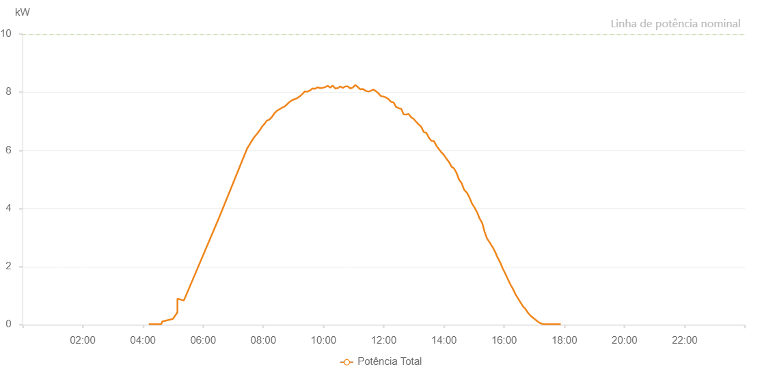

Number | Time | Working State | Alarm Code | Total Inverter Power(W)
1 | 17/11/2022 04:11:44 (UTC-4:00) | Normal |  | 20.000
2 | 17/11/2022 04:16:50 (UTC-4:00) | Normal |  | 20.000
3 | 17/11/2022 04:36:37 (UTC-4:00) | Normal |  | 20.000
4 | 17/11/2022 04:38:41 (UTC-4:00) | Normal |  | 110.000
5 | 17/11/2022 04:59:36 (UTC-4:00) | Normal |  | 200.000
6 | 17/11/2022 05:08:48 (UTC-4:00) | Normal |  | 420.000
7 | 17/11/2022 05:08:52 (UTC-4:00) | Normal |  | 900.000
8 | 17/11/2022 05:21:33 (UTC-4:00) | Normal |  | 830.000
9 | 17/11/2022 06:32:15 (UTC-4:00) | Normal |  | 3700.000
10 | 17/11/2022 07:27:56 (UTC-4:00) | Normal |  | 6070.000
11 | 17/11/2022 07:32:59 (UTC-4:00) | Normal |  | 6210.000
12 | 17/11/2022 07:37:33 (UTC-4:00) | Normal |  | 6340.000
13 | 17/11/2022 07:42:35 (UTC-4:00) | Normal |  | 6470.000
14 | 17/11/2022 07:47:34 (UTC-4:00) | Normal |  | 6570.000
15 | 17/11/2022 07:52:48 (UTC-4:00) | Normal |  | 6690.000
16 | 17/11/2022 07:57:41 (UTC-4:00) | Normal |  | 6820.000
17 | 17/11/2022 08:03:13 (UTC-4:00) | Normal |  | 6930.000
18 | 17/11/2022 08:06:48 (UTC-4:00) | Normal |  | 7020.000
19 | 17/11/2022 08:12:10 (UTC-4:00) | Normal |  | 7060.000
20 | 17/11/2022 08:17:42 (UTC-4:00) | Normal |  | 7160.000
21 | 17/11/2022 08:22:17 (UTC-4:00) | Normal |  | 7280.000
22 | 17/11/2022 08:27:20 (UTC-4:00) | Normal |  | 7360.000
23 | 17/11/2022 08:32:41 (UTC-4:00) | Normal |  | 7420.000
24 | 17/11/2022 08:37:40 (UTC-4:00) | Normal |  | 7470.000
25 | 17/11/2022 08:42:32 (UTC-4:00) | Normal |  | 7510.000
26 | 17/11/2022 08:47:39 (UTC-4:00) | Normal |  | 7590.000
27 | 17/11/2022 08:52:38 (UTC-4:00) | Normal |  | 7670.000
28 | 17/11/2022 08:57:42 (UTC-4:00) | Normal |  | 7730.000
29 | 17/11/2022 09:02:45 (UTC-4:00) | Normal |  | 7760.000
30 | 17/11/2022 09:02:56 (UTC-4:00) | Normal |  | 7760.000
31 | 17/11/2022 09:07:50 (UTC-4:00) | Normal |  | 7800.000
32 | 17/11/2022 09:12:51 (UTC-4:00) | Normal |  | 7860.000
33 | 17/11/2022 09:17:55 (UTC-4:00) | Normal |  | 7940.000
34 | 17/11/2022 09:22:58 (UTC-4:00) | Normal |  | 8030.000
35 | 17/11/2022 09:28:01 (UTC-4:00) | Normal |  | 8020.000
36 | 17/11/2022 09:33:04 (UTC-4:00) | Normal |  | 8060.000
37 | 17/11/2022 09:38:08 (UTC-4:00) | Normal |  | 8130.000
38 | 17/11/2022 09:43:11 (UTC-4:00) | Normal |  | 8120.000
39 | 17/11/2022 09:48:14 (UTC-4:00) | Normal |  | 8170.000
40 | 17/11/2022 09:53:21 (UTC-4:00) | Normal |  | 8140.000
41 | 17/11/2022 09:58:21 (UTC-4:00) | Normal |  | 8150.000
42 | 17/11/2022 10:03:25 (UTC-4:00) | Normal |  | 8180.000
43 | 17/11/2022 10:03:36 (UTC-4:00) | Normal |  | 8180.000
44 | 17/11/2022 10:08:27 (UTC-4:00) | Normal |  | 8220.000
45 | 17/11/2022 10:13:27 (UTC-4:00) | Normal |  | 8160.000
46 | 17/11/2022 10:18:26 (UTC-4:00) | Normal |  | 8230.000
47 | 17/11/2022 10:23:27 (UTC-4:00) | Normal |  | 8130.000
48 | 17/11/2022 10:28:26 (UTC-4:00) | Normal |  | 8140.000
49 | 17/11/2022 10:33:28 (UTC-4:00) | Normal |  | 8200.000
50 | 17/11/2022 10:38:25 (UTC-4:00) | Normal |  | 8150.000
51 | 17/11/2022 10:43:29 (UTC-4:00) | Normal |  | 8200.000
52 | 17/11/2022 10:48:24 (UTC-4:00) | Normal |  | 8200.000
53 | 17/11/2022 10:53:26 (UTC-4:00) | Normal |  | 8130.000
54 | 17/11/2022 10:58:23 (UTC-4:00) | Normal |  | 8160.000
55 | 17/11/2022 11:03:27 (UTC-4:00) | Normal |  | 8250.000
56 | 17/11/2022 11:08:21 (UTC-4:00) | Normal |  | 8180.000
57 | 17/11/2022 11:13:23 (UTC-4:00) | Normal |  | 8100.000
58 | 17/11/2022 11:18:26 (UTC-4:00) | Normal |  | 8110.000
59 | 17/11/2022 11:23:31 (UTC-4:00) | Normal |  | 8050.000
60 | 17/11/2022 11:24:01 (UTC-4:00) | Normal |  | 8050.000
61 | 17/11/2022 11:29:22 (UTC-4:00) | Normal |  | 8020.000
62 | 17/11/2022 11:34:23 (UTC-4:00) | Normal |  | 8050.000
63 | 17/11/2022 11:39:23 (UTC-4:00) | Normal |  | 8090.000
64 | 17/11/2022 11:44:24 (UTC-4:00) | Normal |  | 8040.000
65 | 17/11/2022 11:49:25 (UTC-4:00) | Normal |  | 7960.000
66 | 17/11/2022 11:54:26 (UTC-4:00) | Normal |  | 7870.000
67 | 17/11/2022 11:59:26 (UTC-4:00) | Normal |  | 7850.000
68 | 17/11/2022 12:04:36 (UTC-4:00) | Normal |  | 7820.000
69 | 17/11/2022 12:09:35 (UTC-4:00) | Normal |  | 7760.000
70 | 17/11/2022 12:14:40 (UTC-4:00) | Normal |  | 7670.000
71 | 17/11/2022 12:19:40 (UTC-4:00) | Normal |  | 7650.000
72 | 17/11/2022 12:24:41 (UTC-4:00) | Normal |  | 7490.000
73 | 17/11/2022 12:29:42 (UTC-4:00) | Normal |  | 7450.000
74 | 17/11/2022 12:34:43 (UTC-4:00) | Normal |  | 7430.000
75 | 17/11/2022 12:34:54 (UTC-4:00) | Normal |  | 7430.000
76 | 17/11/2022 12:39:43 (UTC-4:00) | Normal |  | 7240.000
77 | 17/11/2022 12:44:44 (UTC-4:00) | Normal |  | 7230.000
78 | 17/11/2022 12:49:45 (UTC-4:00) | Normal |  | 7250.000
79 | 17/11/2022 12:54:46 (UTC-4:00) | Normal |  | 7140.000
80 | 17/11/2022 12:59:48 (UTC-4:00) | Normal |  | 7080.000
81 | 17/11/2022 13:04:48 (UTC-4:00) | Normal |  | 6980.000
82 | 17/11/2022 13:09:49 (UTC-4:00) | Normal |  | 6890.000
83 | 17/11/2022 13:14:50 (UTC-4:00) | Normal |  | 6810.000
84 | 17/11/2022 13:19:55 (UTC-4:00) | Normal |  | 6630.000
85 | 17/11/2022 13:25:00 (UTC-4:00) | Normal |  | 6600.000
86 | 17/11/2022 13:30:00 (UTC-4:00) | Normal |  | 6440.000
87 | 17/11/2022 13:35:01 (UTC-4:00) | Normal |  | 6330.000
88 | 17/11/2022 13:40:01 (UTC-4:00) | Normal |  | 6320.000
89 | 17/11/2022 13:45:02 (UTC-4:00) | Normal |  | 6160.000
90 | 17/11/2022 13:50:03 (UTC-4:00) | Normal |  | 6040.000
91 | 17/11/2022 13:55:04 (UTC-4:00) | Normal |  | 5930.000
92 | 17/11/2022 14:00:04 (UTC-4:00) | Normal |  | 5840.000
93 | 17/11/2022 14:05:05 (UTC-4:00) | Normal |  | 5710.000
94 | 17/11/2022 14:10:06 (UTC-4:00) | Normal |  | 5600.000
95 | 17/11/2022 14:15:06 (UTC-4:00) | Normal |  | 5440.000
96 | 17/11/2022 14:20:08 (UTC-4:00) | Normal |  | 5380.000
97 | 17/11/2022 14:25:13 (UTC-4:00) | Normal |  | 5220.000
98 | 17/11/2022 14:30:18 (UTC-4:00) | Normal |  | 4990.000
99 | 17/11/2022 14:35:21 (UTC-4:00) | Normal |  | 4870.000
100 | 17/11/2022 14:40:26 (UTC-4:00) | Normal |  | 4640.000
101 | 17/11/2022 14:45:31 (UTC-4:00) | Normal |  | 4550.000
102 | 17/11/2022 14:45:42 (UTC-4:00) | Normal |  | 4550.000
103 | 17/11/2022 14:50:36 (UTC-4:00) | Normal |  | 4390.000
104 | 17/11/2022 14:55:40 (UTC-4:00) | Normal |  | 4180.000
105 | 17/11/2022 15:00:45 (UTC-4:00) | Normal |  | 4040.000
106 | 17/11/2022 15:05:50 (UTC-4:00) | Normal |  | 3880.000
107 | 17/11/2022 15:06:05 (UTC-4:00) | Normal |  | 3880.000
108 | 17/11/2022 15:10:55 (UTC-4:00) | Normal |  | 3660.000
109 | 17/11/2022 15:15:59 (UTC-4:00) | Normal |  | 3510.000
110 | 17/11/2022 15:16:10 (UTC-4:00) | Normal |  | 3510.000
111 | 17/11/2022 15:21:04 (UTC-4:00) | Normal |  | 3200.000
112 | 17/11/2022 15:26:08 (UTC-4:00) | Normal |  | 2960.000
113 | 17/11/2022 15:26:19 (UTC-4:00) | Normal |  | 2960.000
114 | 17/11/2022 15:31:13 (UTC-4:00) | Normal |  | 2830.000
115 | 17/11/2022 15:36:18 (UTC-4:00) | Normal |  | 2690.000
116 | 17/11/2022 15:36:28 (UTC-4:00) | Normal |  | 2690.000
117 | 17/11/2022 15:36:49 (UTC-4:00) | Normal |  | 2680.000
118 | 17/11/2022 15:42:18 (UTC-4:00) | Normal |  | 2500.000
119 | 17/11/2022 15:47:18 (UTC-4:00) | Normal |  | 2300.000
120 | 17/11/2022 15:52:19 (UTC-4:00) | Normal |  | 2140.000
121 | 17/11/2022 15:57:20 (UTC-4:00) | Normal |  | 1930.000
122 | 17/11/2022 16:02:21 (UTC-4:00) | Normal |  | 1760.000
123 | 17/11/2022 16:07:21 (UTC-4:00) | Normal |  | 1570.000
124 | 17/11/2022 16:12:22 (UTC-4:00) | Normal |  | 1390.000
125 | 17/11/2022 16:17:22 (UTC-4:00) | Normal |  | 1240.000
126 | 17/11/2022 16:22:23 (UTC-4:00) | Normal |  | 1060.000
127 | 17/11/2022 16:27:26 (UTC-4:00) | Normal |  | 910.000
128 | 17/11/2022 16:32:31 (UTC-4:00) | Normal |  | 770.000
129 | 17/11/2022 16:37:35 (UTC-4:00) | Normal |  | 630.000
130 | 17/11/2022 16:42:36 (UTC-4:00) | Normal |  | 540.000
131 | 17/11/2022 16:47:36 (UTC-4:00) | Normal |  | 410.000
132 | 17/11/2022 16:52:36 (UTC-4:00) | Normal |  | 310.000
133 | 17/11/2022 16:57:39 (UTC-4:00) | Normal |  | 240.000
134 | 17/11/2022 17:02:40 (UTC-4:00) | Normal |  | 170.000
135 | 17/11/2022 17:07:40 (UTC-4:00) | Normal |  | 100.000
136 | 17/11/2022 17:12:40 (UTC-4:00) | Normal |  | 50.000
137 | 17/11/2022 17:17:41 (UTC-4:00) | Normal |  | 20.000
138 | 17/11/2022 17:22:42 (UTC-4:00) | Normal |  | 20.000
139 | 17/11/2022 17:27:43 (UTC-4:00) | Normal |  | 20.000
140 | 17/11/2022 17:32:43 (UTC-4:00) | Normal |  | 20.000
141 | 17/11/2022 17:37:43 (UTC-4:00) | Normal |  | 20.000
142 | 17/11/2022 17:42:47 (UTC-4:00) | Normal |  | 20.000
143 | 17/11/2022 17:47:52 (UTC-4:00) | Normal |  | 20.000
144 | 17/11/2022 17:52:57 (UTC-4:00) | Normal |  | 20.000

