Inverter History Report__17-08-
Inverter History Report_21/02/2023_Report

Inverter SN:054B7020C020044 |  | Inverter type:B7
Collector SN:4045086367 |  | Full Load Hours(h):4.85
Rated Power:10000Wp

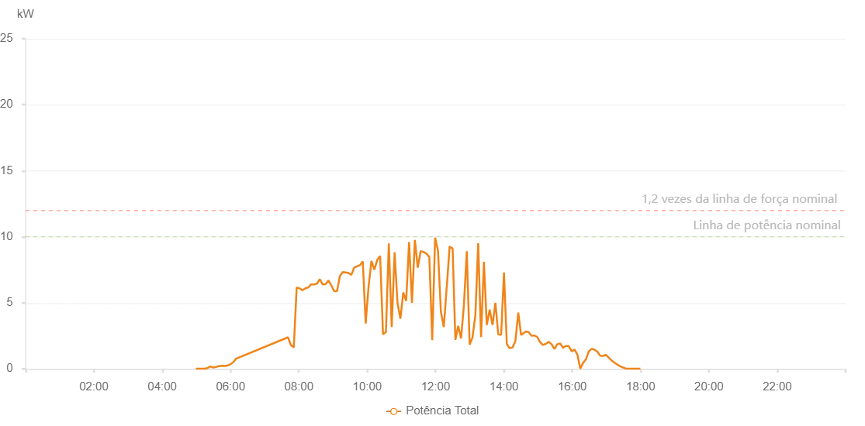

Number | Time | Working State | Alarm Code | Total Inverter Power(W)
1 | 21/02/2023 04:59:01 (UTC-4:00) | Normal |  | 20.000
2 | 21/02/2023 05:04:19 (UTC-4:00) | Normal |  | 20.000
3 | 21/02/2023 05:09:20 (UTC-4:00) | Normal |  | 20.000
4 | 21/02/2023 05:14:21 (UTC-4:00) | Normal |  | 20.000
5 | 21/02/2023 05:19:24 (UTC-4:00) | Normal |  | 60.000
6 | 21/02/2023 05:24:28 (UTC-4:00) | Normal |  | 180.000
7 | 21/02/2023 05:29:29 (UTC-4:00) | Normal |  | 100.000
8 | 21/02/2023 05:34:30 (UTC-4:00) | Normal |  | 150.000
9 | 21/02/2023 05:39:30 (UTC-4:00) | Normal |  | 210.000
10 | 21/02/2023 05:44:31 (UTC-4:00) | Normal |  | 230.000
11 | 21/02/2023 05:49:33 (UTC-4:00) | Normal |  | 220.000
12 | 21/02/2023 05:54:34 (UTC-4:00) | Normal |  | 250.000
13 | 21/02/2023 05:59:35 (UTC-4:00) | Normal |  | 350.000
14 | 21/02/2023 06:04:36 (UTC-4:00) | Normal |  | 500.000
15 | 21/02/2023 06:09:36 (UTC-4:00) | Normal |  | 770.000
16 | 21/02/2023 07:40:51 (UTC-4:00) | Normal |  | 2390.000
17 | 21/02/2023 07:45:56 (UTC-4:00) | Normal |  | 1800.000
18 | 21/02/2023 07:51:01 (UTC-4:00) | Normal |  | 1630.000
19 | 21/02/2023 07:56:06 (UTC-4:00) | Normal |  | 6160.000
20 | 21/02/2023 08:01:11 (UTC-4:00) | Normal |  | 6090.000
21 | 21/02/2023 08:06:15 (UTC-4:00) | Normal |  | 5950.000
22 | 21/02/2023 08:11:20 (UTC-4:00) | Normal |  | 6100.000
23 | 21/02/2023 08:16:25 (UTC-4:00) | Normal |  | 6170.000
24 | 21/02/2023 08:21:30 (UTC-4:00) | Normal |  | 6400.000
25 | 21/02/2023 08:26:35 (UTC-4:00) | Normal |  | 6390.000
26 | 21/02/2023 08:31:40 (UTC-4:00) | Normal |  | 6450.000
27 | 21/02/2023 08:36:44 (UTC-4:00) | Normal |  | 6790.000
28 | 21/02/2023 08:41:49 (UTC-4:00) | Normal |  | 6390.000
29 | 21/02/2023 08:46:54 (UTC-4:00) | Normal |  | 6420.000
30 | 21/02/2023 08:51:59 (UTC-4:00) | Normal |  | 6700.000
31 | 21/02/2023 08:56:59 (UTC-4:00) | Normal |  | 6320.000
32 | 21/02/2023 09:02:00 (UTC-4:00) | Normal |  | 5880.000
33 | 21/02/2023 09:07:01 (UTC-4:00) | Normal |  | 5900.000
34 | 21/02/2023 09:12:03 (UTC-4:00) | Normal |  | 7040.000
35 | 21/02/2023 09:17:04 (UTC-4:00) | Normal |  | 7330.000
36 | 21/02/2023 09:22:04 (UTC-4:00) | Normal |  | 7300.000
37 | 21/02/2023 09:27:07 (UTC-4:00) | Normal |  | 7260.000
38 | 21/02/2023 09:32:08 (UTC-4:00) | Normal |  | 7120.000
39 | 21/02/2023 09:37:09 (UTC-4:00) | Normal |  | 7670.000
40 | 21/02/2023 09:42:11 (UTC-4:00) | Normal |  | 7770.000
41 | 21/02/2023 09:47:12 (UTC-4:00) | Normal |  | 7850.000
42 | 21/02/2023 09:52:12 (UTC-4:00) | Normal |  | 8140.000
43 | 21/02/2023 09:57:15 (UTC-4:00) | Normal |  | 3440.000
44 | 21/02/2023 10:02:19 (UTC-4:00) | Normal |  | 6230.000
45 | 21/02/2023 10:07:24 (UTC-4:00) | Normal |  | 8180.000
46 | 21/02/2023 10:12:29 (UTC-4:00) | Normal |  | 7520.000
47 | 21/02/2023 10:17:34 (UTC-4:00) | Normal |  | 8250.000
48 | 21/02/2023 10:22:38 (UTC-4:00) | Normal |  | 8550.000
49 | 21/02/2023 10:27:43 (UTC-4:00) | Normal |  | 2620.000
50 | 21/02/2023 10:32:48 (UTC-4:00) | Normal |  | 2780.000
51 | 21/02/2023 10:37:54 (UTC-4:00) | Normal |  | 9500.000
52 | 21/02/2023 10:42:58 (UTC-4:00) | Normal |  | 3170.000
53 | 21/02/2023 10:48:03 (UTC-4:00) | Normal |  | 8820.000
54 | 21/02/2023 10:53:08 (UTC-4:00) | Normal |  | 5000.000
55 | 21/02/2023 10:58:14 (UTC-4:00) | Normal |  | 3800.000
56 | 21/02/2023 11:03:18 (UTC-4:00) | Normal |  | 5780.000
57 | 21/02/2023 11:08:23 (UTC-4:00) | Normal |  | 5140.000
58 | 21/02/2023 11:13:28 (UTC-4:00) | Normal |  | 9600.000
59 | 21/02/2023 11:18:33 (UTC-4:00) | Normal |  | 5010.000
60 | 21/02/2023 11:23:38 (UTC-4:00) | Normal |  | 9760.000
61 | 21/02/2023 11:28:43 (UTC-4:00) | Normal |  | 7660.000
62 | 21/02/2023 11:33:48 (UTC-4:00) | Normal |  | 8920.000
63 | 21/02/2023 11:38:52 (UTC-4:00) | Normal |  | 8850.000
64 | 21/02/2023 11:43:57 (UTC-4:00) | Normal |  | 8730.000
65 | 21/02/2023 11:49:02 (UTC-4:00) | Normal |  | 8470.000
66 | 21/02/2023 11:54:07 (UTC-4:00) | Normal |  | 2170.000
67 | 21/02/2023 11:59:11 (UTC-4:00) | Normal |  | 9940.000
68 | 21/02/2023 12:04:16 (UTC-4:00) | Normal |  | 8940.000
69 | 21/02/2023 12:09:21 (UTC-4:00) | Normal |  | 4310.000
70 | 21/02/2023 12:14:26 (UTC-4:00) | Normal |  | 3170.000
71 | 21/02/2023 12:19:31 (UTC-4:00) | Normal |  | 6180.000
72 | 21/02/2023 12:19:42 (UTC-4:00) | Normal |  | 6180.000
73 | 21/02/2023 12:24:36 (UTC-4:00) | Normal |  | 9260.000
74 | 21/02/2023 12:29:40 (UTC-4:00) | Normal |  | 9130.000
75 | 21/02/2023 12:29:56 (UTC-4:00) | Normal |  | 9130.000
76 | 21/02/2023 12:34:45 (UTC-4:00) | Normal |  | 2200.000
77 | 21/02/2023 12:39:46 (UTC-4:00) | Normal |  | 3250.000
78 | 21/02/2023 12:44:47 (UTC-4:00) | Normal |  | 2310.000
79 | 21/02/2023 12:49:47 (UTC-4:00) | Normal |  | 4830.000
80 | 21/02/2023 12:54:48 (UTC-4:00) | Normal |  | 8910.000
81 | 21/02/2023 12:59:49 (UTC-4:00) | Normal |  | 1830.000
82 | 21/02/2023 13:04:50 (UTC-4:00) | Normal |  | 2390.000
83 | 21/02/2023 13:09:51 (UTC-4:00) | Normal |  | 4050.000
84 | 21/02/2023 13:14:51 (UTC-4:00) | Normal |  | 9510.000
85 | 21/02/2023 13:19:52 (UTC-4:00) | Normal |  | 2410.000
86 | 21/02/2023 13:24:53 (UTC-4:00) | Normal |  | 8110.000
87 | 21/02/2023 13:29:54 (UTC-4:00) | Normal |  | 3320.000
88 | 21/02/2023 13:34:58 (UTC-4:00) | Normal |  | 4490.000
89 | 21/02/2023 13:40:03 (UTC-4:00) | Normal |  | 3330.000
90 | 21/02/2023 13:45:04 (UTC-4:00) | Normal |  | 5000.000
91 | 21/02/2023 13:50:05 (UTC-4:00) | Normal |  | 2610.000
92 | 21/02/2023 13:55:06 (UTC-4:00) | Normal |  | 2580.000
93 | 21/02/2023 14:00:06 (UTC-4:00) | Normal |  | 7300.000
94 | 21/02/2023 14:05:07 (UTC-4:00) | Normal |  | 1880.000
95 | 21/02/2023 14:10:08 (UTC-4:00) | Normal |  | 1560.000
96 | 21/02/2023 14:15:09 (UTC-4:00) | Normal |  | 1620.000
97 | 21/02/2023 14:20:09 (UTC-4:00) | Normal |  | 2110.000
98 | 21/02/2023 14:25:11 (UTC-4:00) | Normal |  | 4260.000
99 | 21/02/2023 14:30:12 (UTC-4:00) | Normal |  | 2560.000
100 | 21/02/2023 14:33:09 (UTC-4:00) | Normal |  | 2660.000
101 | 21/02/2023 14:38:26 (UTC-4:00) | Normal |  | 2830.000
102 | 21/02/2023 14:43:26 (UTC-4:00) | Normal |  | 2790.000
103 | 21/02/2023 14:48:25 (UTC-4:00) | Normal |  | 2500.000
104 | 21/02/2023 14:53:25 (UTC-4:00) | Normal |  | 2530.000
105 | 21/02/2023 14:58:25 (UTC-4:00) | Normal |  | 2420.000
106 | 21/02/2023 15:03:24 (UTC-4:00) | Normal |  | 2030.000
107 | 21/02/2023 15:08:27 (UTC-4:00) | Normal |  | 1810.000
108 | 21/02/2023 15:13:32 (UTC-4:00) | Normal |  | 1890.000
109 | 21/02/2023 15:18:35 (UTC-4:00) | Normal |  | 2050.000
110 | 21/02/2023 15:23:39 (UTC-4:00) | Normal |  | 1870.000
111 | 21/02/2023 15:28:43 (UTC-4:00) | Normal |  | 1510.000
112 | 21/02/2023 15:33:47 (UTC-4:00) | Normal |  | 1870.000
113 | 21/02/2023 15:38:48 (UTC-4:00) | Normal |  | 1920.000
114 | 21/02/2023 15:43:54 (UTC-4:00) | Normal |  | 1590.000
115 | 21/02/2023 15:48:56 (UTC-4:00) | Normal |  | 1740.000
116 | 21/02/2023 15:53:59 (UTC-4:00) | Normal |  | 1710.000
117 | 21/02/2023 15:59:03 (UTC-4:00) | Normal |  | 1330.000
118 | 21/02/2023 16:04:06 (UTC-4:00) | Normal |  | 1460.000
119 | 21/02/2023 16:09:06 (UTC-4:00) | Normal |  | 1080.000
120 | 21/02/2023 16:14:05 (UTC-4:00) | Normal |  | 20.000
121 | 21/02/2023 16:19:07 (UTC-4:00) | Normal |  | 450.000
122 | 21/02/2023 16:24:07 (UTC-4:00) | Normal |  | 730.000
123 | 21/02/2023 16:29:06 (UTC-4:00) | Normal |  | 1330.000
124 | 21/02/2023 16:34:06 (UTC-4:00) | Normal |  | 1520.000
125 | 21/02/2023 16:39:06 (UTC-4:00) | Normal |  | 1450.000
126 | 21/02/2023 16:44:05 (UTC-4:00) | Normal |  | 1300.000
127 | 21/02/2023 16:49:05 (UTC-4:00) | Normal |  | 990.000
128 | 21/02/2023 16:54:05 (UTC-4:00) | Normal |  | 980.000
129 | 21/02/2023 16:59:04 (UTC-4:00) | Normal |  | 1060.000
130 | 21/02/2023 17:04:04 (UTC-4:00) | Normal |  | 860.000
131 | 21/02/2023 17:09:06 (UTC-4:00) | Normal |  | 630.000
132 | 21/02/2023 17:14:14 (UTC-4:00) | Normal |  | 470.000
133 | 21/02/2023 17:19:15 (UTC-4:00) | Normal |  | 320.000
134 | 21/02/2023 17:24:18 (UTC-4:00) | Normal |  | 200.000
135 | 21/02/2023 17:29:22 (UTC-4:00) | Normal |  | 100.000
136 | 21/02/2023 17:34:25 (UTC-4:00) | Normal |  | 20.000
137 | 21/02/2023 17:39:29 (UTC-4:00) | Normal |  | 20.000
138 | 21/02/2023 17:44:32 (UTC-4:00) | Normal |  | 20.000
139 | 21/02/2023 17:49:36 (UTC-4:00) | Normal |  | 20.000
140 | 21/02/2023 17:54:42 (UTC-4:00) | Normal |  | 20.000
141 | 21/02/2023 17:59:44 (UTC-4:00) | Normal |  | 20.000

