Inverter History Report__17-08-
Inverter History Report_05/03/2023_Report

Inverter SN:054B7020C020044 |  | Inverter type:B7
Collector SN:4045086367 |  | Full Load Hours(h):3.90
Rated Power:10000Wp

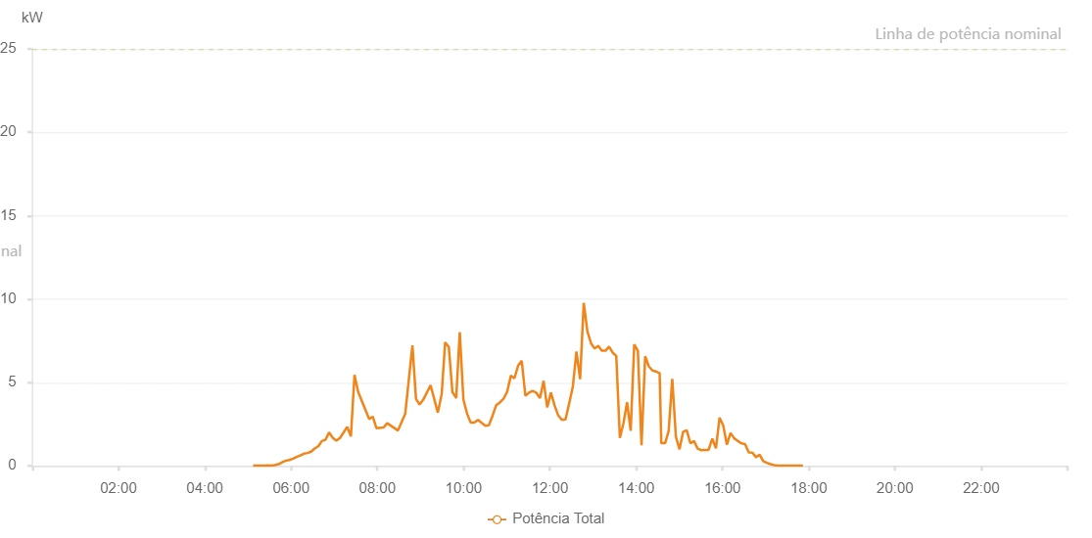

Number | Time | Working State | Alarm Code | Total Inverter Power(W)
1 | 05/03/2023 05:07:08 (UTC-4:00) | Normal |  | 20.000
2 | 05/03/2023 05:12:08 (UTC-4:00) | Normal |  | 20.000
3 | 05/03/2023 05:17:08 (UTC-4:00) | Normal |  | 20.000
4 | 05/03/2023 05:22:12 (UTC-4:00) | Normal |  | 20.000
5 | 05/03/2023 05:27:16 (UTC-4:00) | Normal |  | 30.000
6 | 05/03/2023 05:32:20 (UTC-4:00) | Normal |  | 20.000
7 | 05/03/2023 05:37:26 (UTC-4:00) | Normal |  | 40.000
8 | 05/03/2023 05:42:29 (UTC-4:00) | Normal |  | 100.000
9 | 05/03/2023 05:47:34 (UTC-4:00) | Normal |  | 210.000
10 | 05/03/2023 05:52:38 (UTC-4:00) | Normal |  | 310.000
11 | 05/03/2023 05:57:43 (UTC-4:00) | Normal |  | 350.000
12 | 05/03/2023 06:02:48 (UTC-4:00) | Normal |  | 430.000
13 | 05/03/2023 06:07:48 (UTC-4:00) | Normal |  | 530.000
14 | 05/03/2023 06:12:48 (UTC-4:00) | Normal |  | 620.000
15 | 05/03/2023 06:17:49 (UTC-4:00) | Normal |  | 730.000
16 | 05/03/2023 06:22:51 (UTC-4:00) | Normal |  | 770.000
17 | 05/03/2023 06:27:52 (UTC-4:00) | Normal |  | 850.000
18 | 05/03/2023 06:32:52 (UTC-4:00) | Normal |  | 1040.000
19 | 05/03/2023 06:37:52 (UTC-4:00) | Normal |  | 1170.000
20 | 05/03/2023 06:42:53 (UTC-4:00) | Normal |  | 1490.000
21 | 05/03/2023 06:47:53 (UTC-4:00) | Normal |  | 1560.000
22 | 05/03/2023 06:52:54 (UTC-4:00) | Normal |  | 2010.000
23 | 05/03/2023 06:57:54 (UTC-4:00) | Normal |  | 1690.000
24 | 05/03/2023 07:02:55 (UTC-4:00) | Normal |  | 1510.000
25 | 05/03/2023 07:08:01 (UTC-4:00) | Normal |  | 1670.000
26 | 05/03/2023 07:18:06 (UTC-4:00) | Normal |  | 2340.000
27 | 05/03/2023 07:23:11 (UTC-4:00) | Normal |  | 1770.000
28 | 05/03/2023 07:28:16 (UTC-4:00) | Normal |  | 5450.000
29 | 05/03/2023 07:33:21 (UTC-4:00) | Normal |  | 4430.000
30 | 05/03/2023 07:48:34 (UTC-4:00) | Normal |  | 2810.000
31 | 05/03/2023 07:53:38 (UTC-4:00) | Normal |  | 2950.000
32 | 05/03/2023 07:58:42 (UTC-4:00) | Normal |  | 2260.000
33 | 05/03/2023 08:08:43 (UTC-4:00) | Normal |  | 2300.000
34 | 05/03/2023 08:13:43 (UTC-4:00) | Normal |  | 2560.000
35 | 05/03/2023 08:28:44 (UTC-4:00) | Normal |  | 2120.000
36 | 05/03/2023 08:38:47 (UTC-4:00) | Normal |  | 3120.000
37 | 05/03/2023 08:48:47 (UTC-4:00) | Normal |  | 7220.000
38 | 05/03/2023 08:53:48 (UTC-4:00) | Normal |  | 4010.000
39 | 05/03/2023 08:58:48 (UTC-4:00) | Normal |  | 3680.000
40 | 05/03/2023 09:03:52 (UTC-4:00) | Normal |  | 3970.000
41 | 05/03/2023 09:14:02 (UTC-4:00) | Normal |  | 4830.000
42 | 05/03/2023 09:24:10 (UTC-4:00) | Normal |  | 3190.000
43 | 05/03/2023 09:29:16 (UTC-4:00) | Normal |  | 4250.000
44 | 05/03/2023 09:29:27 (UTC-4:00) | Normal |  | 4250.000
45 | 05/03/2023 09:34:19 (UTC-4:00) | Normal |  | 7410.000
46 | 05/03/2023 09:39:23 (UTC-4:00) | Normal |  | 7130.000
47 | 05/03/2023 09:44:28 (UTC-4:00) | Normal |  | 4410.000
48 | 05/03/2023 09:49:33 (UTC-4:00) | Normal |  | 4090.000
49 | 05/03/2023 09:49:44 (UTC-4:00) | Normal |  | 4090.000
50 | 05/03/2023 09:54:38 (UTC-4:00) | Normal |  | 8010.000
51 | 05/03/2023 09:59:45 (UTC-4:00) | Normal |  | 3970.000
52 | 05/03/2023 10:04:48 (UTC-4:00) | Normal |  | 3130.000
53 | 05/03/2023 10:09:50 (UTC-4:00) | Normal |  | 2600.000
54 | 05/03/2023 10:14:54 (UTC-4:00) | Normal |  | 2590.000
55 | 05/03/2023 10:19:59 (UTC-4:00) | Normal |  | 2760.000
56 | 05/03/2023 10:25:03 (UTC-4:00) | Normal |  | 2580.000
57 | 05/03/2023 10:30:07 (UTC-4:00) | Normal |  | 2410.000
58 | 05/03/2023 10:35:12 (UTC-4:00) | Normal |  | 2440.000
59 | 05/03/2023 10:40:16 (UTC-4:00) | Normal |  | 3010.000
60 | 05/03/2023 10:45:21 (UTC-4:00) | Normal |  | 3640.000
61 | 05/03/2023 10:50:24 (UTC-4:00) | Normal |  | 3800.000
62 | 05/03/2023 10:55:29 (UTC-4:00) | Normal |  | 4020.000
63 | 05/03/2023 11:00:33 (UTC-4:00) | Normal |  | 4440.000
64 | 05/03/2023 11:05:38 (UTC-4:00) | Normal |  | 5390.000
65 | 05/03/2023 11:06:04 (UTC-4:00) | Normal |  | 5390.000
66 | 05/03/2023 11:10:41 (UTC-4:00) | Normal |  | 5250.000
67 | 05/03/2023 11:15:47 (UTC-4:00) | Normal |  | 6010.000
68 | 05/03/2023 11:20:51 (UTC-4:00) | Normal |  | 6300.000
69 | 05/03/2023 11:25:55 (UTC-4:00) | Normal |  | 4200.000
70 | 05/03/2023 11:30:59 (UTC-4:00) | Normal |  | 4390.000
71 | 05/03/2023 11:36:04 (UTC-4:00) | Normal |  | 4500.000
72 | 05/03/2023 11:41:08 (UTC-4:00) | Normal |  | 4380.000
73 | 05/03/2023 11:46:12 (UTC-4:00) | Normal |  | 4060.000
74 | 05/03/2023 11:51:16 (UTC-4:00) | Normal |  | 5100.000
75 | 05/03/2023 11:56:21 (UTC-4:00) | Normal |  | 3500.000
76 | 05/03/2023 12:01:25 (UTC-4:00) | Normal |  | 4390.000
77 | 05/03/2023 12:06:29 (UTC-4:00) | Normal |  | 3630.000
78 | 05/03/2023 12:11:35 (UTC-4:00) | Normal |  | 3030.000
79 | 05/03/2023 12:16:39 (UTC-4:00) | Normal |  | 2760.000
80 | 05/03/2023 12:21:43 (UTC-4:00) | Normal |  | 2790.000
81 | 05/03/2023 12:26:47 (UTC-4:00) | Normal |  | 3730.000
82 | 05/03/2023 12:31:52 (UTC-4:00) | Normal |  | 4730.000
83 | 05/03/2023 12:36:57 (UTC-4:00) | Normal |  | 6850.000
84 | 05/03/2023 12:42:02 (UTC-4:00) | Normal |  | 5200.000
85 | 05/03/2023 12:47:07 (UTC-4:00) | Normal |  | 9770.000
86 | 05/03/2023 12:52:10 (UTC-4:00) | Normal |  | 8060.000
87 | 05/03/2023 12:57:13 (UTC-4:00) | Normal |  | 7350.000
88 | 05/03/2023 13:02:18 (UTC-4:00) | Normal |  | 7030.000
89 | 05/03/2023 13:07:18 (UTC-4:00) | Normal |  | 7200.000
90 | 05/03/2023 13:12:18 (UTC-4:00) | Normal |  | 6910.000
91 | 05/03/2023 13:17:19 (UTC-4:00) | Normal |  | 6900.000
92 | 05/03/2023 13:22:19 (UTC-4:00) | Normal |  | 7150.000
93 | 05/03/2023 13:27:19 (UTC-4:00) | Normal |  | 6790.000
94 | 05/03/2023 13:32:20 (UTC-4:00) | Normal |  | 6590.000
95 | 05/03/2023 13:37:20 (UTC-4:00) | Normal |  | 1680.000
96 | 05/03/2023 13:42:20 (UTC-4:00) | Normal |  | 2550.000
97 | 05/03/2023 13:47:21 (UTC-4:00) | Normal |  | 3820.000
98 | 05/03/2023 13:52:21 (UTC-4:00) | Normal |  | 2100.000
99 | 05/03/2023 13:57:21 (UTC-4:00) | Normal |  | 7280.000
100 | 05/03/2023 14:02:23 (UTC-4:00) | Normal |  | 6900.000
101 | 05/03/2023 14:07:27 (UTC-4:00) | Normal |  | 1240.000
102 | 05/03/2023 14:12:31 (UTC-4:00) | Normal |  | 6570.000
103 | 05/03/2023 14:17:35 (UTC-4:00) | Normal |  | 5970.000
104 | 05/03/2023 14:22:40 (UTC-4:00) | Normal |  | 5720.000
105 | 05/03/2023 14:27:40 (UTC-4:00) | Normal |  | 5660.000
106 | 05/03/2023 14:32:40 (UTC-4:00) | Normal |  | 5550.000
107 | 05/03/2023 14:34:57 (UTC-4:00) | Normal |  | 1360.000
108 | 05/03/2023 14:40:13 (UTC-4:00) | Normal |  | 1360.000
109 | 05/03/2023 14:45:13 (UTC-4:00) | Normal |  | 2090.000
110 | 05/03/2023 14:50:14 (UTC-4:00) | Normal |  | 5210.000
111 | 05/03/2023 14:55:15 (UTC-4:00) | Normal |  | 1750.000
112 | 05/03/2023 15:00:18 (UTC-4:00) | Normal |  | 990.000
113 | 05/03/2023 15:05:19 (UTC-4:00) | Normal |  | 2040.000
114 | 05/03/2023 15:10:22 (UTC-4:00) | Normal |  | 2130.000
115 | 05/03/2023 15:15:26 (UTC-4:00) | Normal |  | 1350.000
116 | 05/03/2023 15:20:30 (UTC-4:00) | Normal |  | 1490.000
117 | 05/03/2023 15:25:35 (UTC-4:00) | Normal |  | 1030.000
118 | 05/03/2023 15:30:39 (UTC-4:00) | Normal |  | 940.000
119 | 05/03/2023 15:35:43 (UTC-4:00) | Normal |  | 950.000
120 | 05/03/2023 15:40:48 (UTC-4:00) | Normal |  | 960.000
121 | 05/03/2023 15:45:53 (UTC-4:00) | Normal |  | 1630.000
122 | 05/03/2023 15:50:58 (UTC-4:00) | Normal |  | 1050.000
123 | 05/03/2023 15:56:02 (UTC-4:00) | Normal |  | 2890.000
124 | 05/03/2023 16:01:07 (UTC-4:00) | Normal |  | 2420.000
125 | 05/03/2023 16:06:11 (UTC-4:00) | Normal |  | 1270.000
126 | 05/03/2023 16:11:15 (UTC-4:00) | Normal |  | 1970.000
127 | 05/03/2023 16:16:19 (UTC-4:00) | Normal |  | 1650.000
128 | 05/03/2023 16:21:24 (UTC-4:00) | Normal |  | 1490.000
129 | 05/03/2023 16:26:29 (UTC-4:00) | Normal |  | 1350.000
130 | 05/03/2023 16:31:32 (UTC-4:00) | Normal |  | 1310.000
131 | 05/03/2023 16:36:37 (UTC-4:00) | Normal |  | 800.000
132 | 05/03/2023 16:41:41 (UTC-4:00) | Normal |  | 790.000
133 | 05/03/2023 16:46:41 (UTC-4:00) | Normal |  | 520.000
134 | 05/03/2023 16:51:42 (UTC-4:00) | Normal |  | 670.000
135 | 05/03/2023 16:56:42 (UTC-4:00) | Normal |  | 280.000
136 | 05/03/2023 17:01:44 (UTC-4:00) | Normal |  | 180.000
137 | 05/03/2023 17:06:44 (UTC-4:00) | Normal |  | 100.000
138 | 05/03/2023 17:11:44 (UTC-4:00) | Normal |  | 50.000
139 | 05/03/2023 17:16:45 (UTC-4:00) | Normal |  | 20.000
140 | 05/03/2023 17:21:45 (UTC-4:00) | Normal |  | 20.000
141 | 05/03/2023 17:26:45 (UTC-4:00) | Normal |  | 20.000
142 | 05/03/2023 17:31:45 (UTC-4:00) | Normal |  | 20.000
143 | 05/03/2023 17:36:46 (UTC-4:00) | Normal |  | 20.000
144 | 05/03/2023 17:41:48 (UTC-4:00) | Normal |  | 20.000
145 | 05/03/2023 17:46:52 (UTC-4:00) | Normal |  | 20.000
146 | 05/03/2023 17:51:54 (UTC-4:00) | Normal |  | 20.000

