Inverter History Report__17-08-
Inverter History Report_12/03/2023_Report

Inverter SN:054B7020C020044 |  | Inverter type:B7
Collector SN:4045086367 |  | Full Load Hours(h):3.50
Rated Power:10000Wp

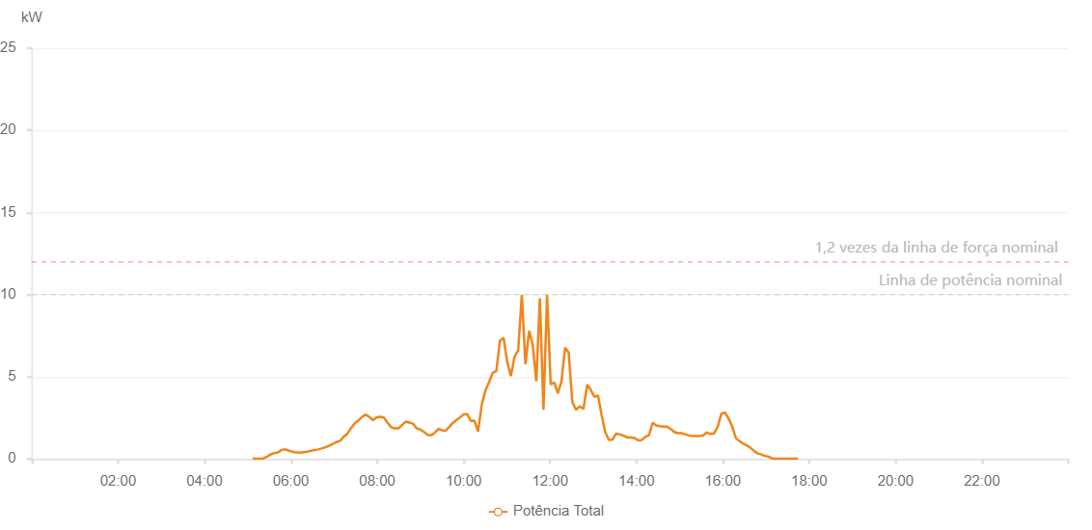

Number | Time | Working State | Alarm Code | Total Inverter Power(W)
1 | 12/03/2023 05:16:01 (UTC-4:00) | Normal |  | 20.000
2 | 12/03/2023 05:21:02 (UTC-4:00) | Normal |  | 20.000
3 | 12/03/2023 05:26:01 (UTC-4:00) | Normal |  | 20.000
4 | 12/03/2023 05:31:04 (UTC-4:00) | Normal |  | 20.000
5 | 12/03/2023 05:36:07 (UTC-4:00) | Normal |  | 20.000
6 | 12/03/2023 05:41:11 (UTC-4:00) | Normal |  | 50.000
7 | 12/03/2023 05:46:15 (UTC-4:00) | Normal |  | 120.000
8 | 12/03/2023 05:51:20 (UTC-4:00) | Normal |  | 180.000
9 | 12/03/2023 05:56:24 (UTC-4:00) | Normal |  | 270.000
10 | 12/03/2023 06:01:28 (UTC-4:00) | Normal |  | 340.000
11 | 12/03/2023 06:06:33 (UTC-4:00) | Normal |  | 420.000
12 | 12/03/2023 06:11:38 (UTC-4:00) | Normal |  | 480.000
13 | 12/03/2023 06:16:41 (UTC-4:00) | Normal |  | 570.000
14 | 12/03/2023 06:21:45 (UTC-4:00) | Normal |  | 680.000
15 | 12/03/2023 06:26:49 (UTC-4:00) | Normal |  | 780.000
16 | 12/03/2023 06:31:54 (UTC-4:00) | Normal |  | 930.000
17 | 12/03/2023 06:36:59 (UTC-4:00) | Normal |  | 1060.000
18 | 12/03/2023 06:42:03 (UTC-4:00) | Normal |  | 1190.000
19 | 12/03/2023 06:47:07 (UTC-4:00) | Normal |  | 1390.000
20 | 12/03/2023 06:52:11 (UTC-4:00) | Normal |  | 1540.000
21 | 12/03/2023 06:57:15 (UTC-4:00) | Normal |  | 1470.000
22 | 12/03/2023 07:02:19 (UTC-4:00) | Normal |  | 2060.000
23 | 12/03/2023 07:07:24 (UTC-4:00) | Normal |  | 2040.000
24 | 12/03/2023 07:12:28 (UTC-4:00) | Normal |  | 2160.000
25 | 12/03/2023 07:17:32 (UTC-4:00) | Normal |  | 2470.000
26 | 12/03/2023 07:22:36 (UTC-4:00) | Normal |  | 3390.000
27 | 12/03/2023 07:27:41 (UTC-4:00) | Normal |  | 3650.000
28 | 12/03/2023 07:32:44 (UTC-4:00) | Normal |  | 2980.000
29 | 12/03/2023 07:37:48 (UTC-4:00) | Normal |  | 3730.000
30 | 12/03/2023 07:42:53 (UTC-4:00) | Normal |  | 3480.000
31 | 12/03/2023 07:47:58 (UTC-4:00) | Normal |  | 3400.000
32 | 12/03/2023 07:53:02 (UTC-4:00) | Normal |  | 4320.000
33 | 12/03/2023 07:58:06 (UTC-4:00) | Normal |  | 5140.000
34 | 12/03/2023 08:03:10 (UTC-4:00) | Normal |  | 5190.000
35 | 12/03/2023 08:08:14 (UTC-4:00) | Normal |  | 4480.000
36 | 12/03/2023 08:13:18 (UTC-4:00) | Normal |  | 4640.000
37 | 12/03/2023 08:18:22 (UTC-4:00) | Normal |  | 3750.000
38 | 12/03/2023 08:23:22 (UTC-4:00) | Normal |  | 5930.000
39 | 12/03/2023 08:28:22 (UTC-4:00) | Normal |  | 4160.000
40 | 12/03/2023 08:33:22 (UTC-4:00) | Normal |  | 5970.000
41 | 12/03/2023 08:38:22 (UTC-4:00) | Normal |  | 6820.000
42 | 12/03/2023 08:43:23 (UTC-4:00) | Normal |  | 6010.000
43 | 12/03/2023 08:48:25 (UTC-4:00) | Normal |  | 1950.000
44 | 12/03/2023 08:53:25 (UTC-4:00) | Normal |  | 7180.000
45 | 12/03/2023 08:58:25 (UTC-4:00) | Normal |  | 7000.000
46 | 12/03/2023 09:03:25 (UTC-4:00) | Normal |  | 6560.000
47 | 12/03/2023 09:08:25 (UTC-4:00) | Normal |  | 6390.000
48 | 12/03/2023 09:13:25 (UTC-4:00) | Normal |  | 6850.000
49 | 12/03/2023 09:18:25 (UTC-4:00) | Normal |  | 7240.000
50 | 12/03/2023 09:23:28 (UTC-4:00) | Normal |  | 7460.000
51 | 12/03/2023 09:28:33 (UTC-4:00) | Normal |  | 7230.000
52 | 12/03/2023 09:33:38 (UTC-4:00) | Normal |  | 4640.000
53 | 12/03/2023 09:38:42 (UTC-4:00) | Normal |  | 2410.000
54 | 12/03/2023 09:43:46 (UTC-4:00) | Normal |  | 7070.000
55 | 12/03/2023 09:48:50 (UTC-4:00) | Normal |  | 6800.000
56 | 12/03/2023 09:53:54 (UTC-4:00) | Normal |  | 7960.000
57 | 12/03/2023 09:54:06 (UTC-4:00) | Normal |  | 7960.000
58 | 12/03/2023 09:58:58 (UTC-4:00) | Normal |  | 5860.000
59 | 12/03/2023 10:04:02 (UTC-4:00) | Normal |  | 7510.000
60 | 12/03/2023 10:09:06 (UTC-4:00) | Normal |  | 7780.000
61 | 12/03/2023 10:14:11 (UTC-4:00) | Normal |  | 6900.000
62 | 12/03/2023 10:19:14 (UTC-4:00) | Normal |  | 8310.000
63 | 12/03/2023 10:24:18 (UTC-4:00) | Normal |  | 6890.000
64 | 12/03/2023 10:29:23 (UTC-4:00) | Normal |  | 7610.000
65 | 12/03/2023 10:34:27 (UTC-4:00) | Normal |  | 6510.000
66 | 12/03/2023 10:39:31 (UTC-4:00) | Normal |  | 3260.000
67 | 12/03/2023 10:44:35 (UTC-4:00) | Normal |  | 9810.000
68 | 12/03/2023 10:49:39 (UTC-4:00) | Normal |  | 3290.000
69 | 12/03/2023 10:54:43 (UTC-4:00) | Normal |  | 3340.000
70 | 12/03/2023 10:59:47 (UTC-4:00) | Normal |  | 9570.000
71 | 12/03/2023 11:04:51 (UTC-4:00) | Normal |  | 4090.000
72 | 12/03/2023 11:09:55 (UTC-4:00) | Normal |  | 4620.000
73 | 12/03/2023 11:14:55 (UTC-4:00) | Normal |  | 6000.000
74 | 12/03/2023 11:19:56 (UTC-4:00) | Normal |  | 3610.000
75 | 12/03/2023 11:24:56 (UTC-4:00) | Normal |  | 8180.000
76 | 12/03/2023 11:29:56 (UTC-4:00) | Normal |  | 9540.000
77 | 12/03/2023 11:34:56 (UTC-4:00) | Normal |  | 8790.000
78 | 12/03/2023 11:39:56 (UTC-4:00) | Normal |  | 7160.000
79 | 12/03/2023 11:44:57 (UTC-4:00) | Normal |  | 9620.000
80 | 12/03/2023 11:49:57 (UTC-4:00) | Normal |  | 4420.000
81 | 12/03/2023 11:54:57 (UTC-4:00) | Normal |  | 4180.000
82 | 12/03/2023 11:59:58 (UTC-4:00) | Normal |  | 4780.000
83 | 12/03/2023 12:04:58 (UTC-4:00) | Normal |  | 7890.000
84 | 12/03/2023 12:10:01 (UTC-4:00) | Normal |  | 8750.000
85 | 12/03/2023 12:15:06 (UTC-4:00) | Normal |  | 4630.000
86 | 12/03/2023 12:20:10 (UTC-4:00) | Normal |  | 2610.000
87 | 12/03/2023 12:25:14 (UTC-4:00) | Normal |  | 6610.000
88 | 12/03/2023 12:30:18 (UTC-4:00) | Normal |  | 1760.000
89 | 12/03/2023 12:35:22 (UTC-4:00) | Normal |  | 1610.000
90 | 12/03/2023 12:40:26 (UTC-4:00) | Normal |  | 1320.000
91 | 12/03/2023 12:45:30 (UTC-4:00) | Normal |  | 1010.000
92 | 12/03/2023 12:50:30 (UTC-4:00) | Normal |  | 970.000
93 | 12/03/2023 12:55:30 (UTC-4:00) | Normal |  | 820.000
94 | 12/03/2023 13:00:30 (UTC-4:00) | Normal |  | 980.000
95 | 12/03/2023 13:05:30 (UTC-4:00) | Normal |  | 1750.000
96 | 12/03/2023 13:10:31 (UTC-4:00) | Normal |  | 2690.000
97 | 12/03/2023 13:15:32 (UTC-4:00) | Normal |  | 1130.000
98 | 12/03/2023 13:20:32 (UTC-4:00) | Normal |  | 490.000
99 | 12/03/2023 13:25:32 (UTC-4:00) | Normal |  | 370.000
100 | 12/03/2023 13:30:32 (UTC-4:00) | Normal |  | 580.000
101 | 12/03/2023 13:35:32 (UTC-4:00) | Normal |  | 800.000
102 | 12/03/2023 13:40:32 (UTC-4:00) | Normal |  | 1490.000
103 | 12/03/2023 13:45:33 (UTC-4:00) | Normal |  | 2220.000
104 | 12/03/2023 13:50:36 (UTC-4:00) | Normal |  | 3320.000
105 | 12/03/2023 13:55:39 (UTC-4:00) | Normal |  | 5690.000
106 | 12/03/2023 14:00:44 (UTC-4:00) | Normal |  | 3690.000
107 | 12/03/2023 14:00:54 (UTC-4:00) | Normal |  | 3690.000
108 | 12/03/2023 14:05:48 (UTC-4:00) | Normal |  | 2710.000
109 | 12/03/2023 14:10:53 (UTC-4:00) | Normal |  | 2290.000
110 | 12/03/2023 14:15:56 (UTC-4:00) | Normal |  | 1810.000
111 | 12/03/2023 14:21:00 (UTC-4:00) | Normal |  | 1330.000
112 | 12/03/2023 14:26:04 (UTC-4:00) | Normal |  | 1290.000
113 | 12/03/2023 14:31:09 (UTC-4:00) | Normal |  | 1130.000
114 | 12/03/2023 14:36:12 (UTC-4:00) | Normal |  | 1090.000
115 | 12/03/2023 14:41:17 (UTC-4:00) | Normal |  | 760.000
116 | 12/03/2023 14:43:32 (UTC-4:00) | Normal |  | 710.000
117 | 12/03/2023 14:48:50 (UTC-4:00) | Normal |  | 530.000
118 | 12/03/2023 14:53:50 (UTC-4:00) | Normal |  | 460.000
119 | 12/03/2023 14:58:51 (UTC-4:00) | Normal |  | 490.000
120 | 12/03/2023 15:03:51 (UTC-4:00) | Normal |  | 610.000
121 | 12/03/2023 15:08:51 (UTC-4:00) | Normal |  | 570.000
122 | 12/03/2023 15:13:52 (UTC-4:00) | Normal |  | 490.000
123 | 12/03/2023 15:18:52 (UTC-4:00) | Normal |  | 390.000
124 | 12/03/2023 15:23:55 (UTC-4:00) | Normal |  | 220.000
125 | 12/03/2023 15:28:55 (UTC-4:00) | Normal |  | 20.000
126 | 12/03/2023 15:33:55 (UTC-4:00) | Normal |  | 120.000
127 | 12/03/2023 15:38:57 (UTC-4:00) | Normal |  | 90.000
128 | 12/03/2023 15:43:57 (UTC-4:00) | Normal |  | 50.000
129 | 12/03/2023 15:48:57 (UTC-4:00) | Normal |  | 40.000

