Inverter History Report__17-08-
Inverter History Report_02/04/2023_Report

Inverter SN:054B7020C020044 |  | Inverter type:B7
Collector SN:4045086367 |  | Full Load Hours(h):4.90
Rated Power:10000Wp

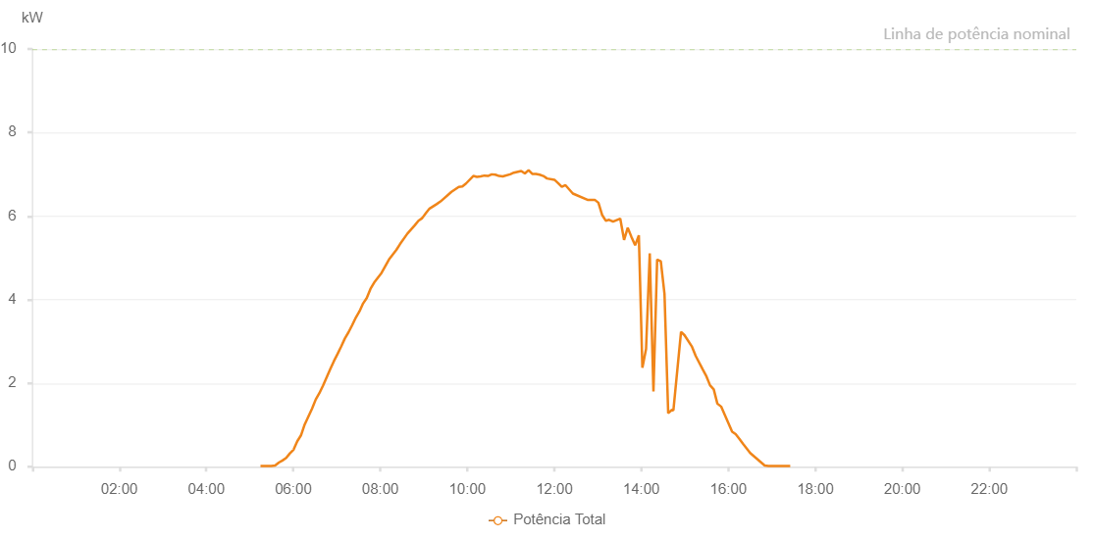

Number | Time | Working State | Alarm Code | Total Inverter Power(W)
1 | 02/04/2023 05:14:42 (UTC-4:00) | Normal |  | 20.000
2 | 02/04/2023 05:19:44 (UTC-4:00) | Normal |  | 20.000
3 | 02/04/2023 05:24:45 (UTC-4:00) | Normal |  | 20.000
4 | 02/04/2023 05:29:48 (UTC-4:00) | Normal |  | 20.000
5 | 02/04/2023 05:34:54 (UTC-4:00) | Normal |  | 30.000
6 | 02/04/2023 05:40:01 (UTC-4:00) | Normal |  | 100.000
7 | 02/04/2023 05:45:05 (UTC-4:00) | Normal |  | 150.000
8 | 02/04/2023 05:50:11 (UTC-4:00) | Normal |  | 210.000
9 | 02/04/2023 05:55:16 (UTC-4:00) | Normal |  | 320.000
10 | 02/04/2023 06:00:23 (UTC-4:00) | Normal |  | 410.000
11 | 02/04/2023 06:05:28 (UTC-4:00) | Normal |  | 610.000
12 | 02/04/2023 06:10:33 (UTC-4:00) | Normal |  | 750.000
13 | 02/04/2023 06:15:39 (UTC-4:00) | Normal |  | 1010.000
14 | 02/04/2023 06:25:50 (UTC-4:00) | Normal |  | 1390.000
15 | 02/04/2023 06:30:56 (UTC-4:00) | Normal |  | 1610.000
16 | 02/04/2023 06:35:57 (UTC-4:00) | Normal |  | 1760.000
17 | 02/04/2023 06:40:58 (UTC-4:00) | Normal |  | 1940.000
18 | 02/04/2023 06:46:00 (UTC-4:00) | Normal |  | 2140.000
19 | 02/04/2023 06:51:02 (UTC-4:00) | Normal |  | 2340.000
20 | 02/04/2023 06:56:02 (UTC-4:00) | Normal |  | 2530.000
21 | 02/04/2023 07:01:03 (UTC-4:00) | Normal |  | 2700.000
22 | 02/04/2023 07:06:05 (UTC-4:00) | Normal |  | 2880.000
23 | 02/04/2023 07:11:06 (UTC-4:00) | Normal |  | 3070.000
24 | 02/04/2023 07:16:10 (UTC-4:00) | Normal |  | 3220.000
25 | 02/04/2023 07:21:12 (UTC-4:00) | Normal |  | 3390.000
26 | 02/04/2023 07:26:14 (UTC-4:00) | Normal |  | 3570.000
27 | 02/04/2023 07:31:15 (UTC-4:00) | Normal |  | 3720.000
28 | 02/04/2023 07:36:17 (UTC-4:00) | Normal |  | 3910.000
29 | 02/04/2023 07:41:22 (UTC-4:00) | Normal |  | 4040.000
30 | 02/04/2023 07:46:28 (UTC-4:00) | Normal |  | 4260.000
31 | 02/04/2023 07:51:33 (UTC-4:00) | Normal |  | 4410.000
32 | 02/04/2023 08:01:43 (UTC-4:00) | Normal |  | 4640.000
33 | 02/04/2023 08:06:49 (UTC-4:00) | Normal |  | 4800.000
34 | 02/04/2023 08:11:56 (UTC-4:00) | Normal |  | 4960.000
35 | 02/04/2023 08:22:07 (UTC-4:00) | Normal |  | 5190.000
36 | 02/04/2023 08:27:11 (UTC-4:00) | Normal |  | 5330.000
37 | 02/04/2023 08:37:22 (UTC-4:00) | Normal |  | 5580.000
38 | 02/04/2023 08:47:32 (UTC-4:00) | Normal |  | 5780.000
39 | 02/04/2023 08:52:38 (UTC-4:00) | Normal |  | 5890.000
40 | 02/04/2023 08:57:43 (UTC-4:00) | Normal |  | 5950.000
41 | 02/04/2023 09:02:49 (UTC-4:00) | Normal |  | 6070.000
42 | 02/04/2023 09:07:55 (UTC-4:00) | Normal |  | 6180.000
43 | 02/04/2023 09:18:01 (UTC-4:00) | Normal |  | 6290.000
44 | 02/04/2023 09:23:02 (UTC-4:00) | Normal |  | 6350.000
45 | 02/04/2023 09:38:08 (UTC-4:00) | Normal |  | 6580.000
46 | 02/04/2023 09:48:11 (UTC-4:00) | Normal |  | 6700.000
47 | 02/04/2023 09:53:12 (UTC-4:00) | Normal |  | 6710.000
48 | 02/04/2023 09:58:13 (UTC-4:00) | Normal |  | 6780.000
49 | 02/04/2023 10:08:16 (UTC-4:00) | Normal |  | 6960.000
50 | 02/04/2023 10:13:17 (UTC-4:00) | Normal |  | 6940.000
51 | 02/04/2023 10:18:21 (UTC-4:00) | Normal |  | 6950.000
52 | 02/04/2023 10:23:26 (UTC-4:00) | Normal |  | 6970.000
53 | 02/04/2023 10:28:31 (UTC-4:00) | Normal |  | 6960.000
54 | 02/04/2023 10:33:38 (UTC-4:00) | Normal |  | 7000.000
55 | 02/04/2023 10:38:42 (UTC-4:00) | Normal |  | 6990.000
56 | 02/04/2023 10:43:47 (UTC-4:00) | Normal |  | 6960.000
57 | 02/04/2023 10:48:52 (UTC-4:00) | Normal |  | 6950.000
58 | 02/04/2023 10:59:03 (UTC-4:00) | Normal |  | 7000.000
59 | 02/04/2023 11:04:08 (UTC-4:00) | Normal |  | 7040.000
60 | 02/04/2023 11:14:20 (UTC-4:00) | Normal |  | 7080.000
61 | 02/04/2023 11:19:24 (UTC-4:00) | Normal |  | 7020.000
62 | 02/04/2023 11:24:30 (UTC-4:00) | Normal |  | 7100.000
63 | 02/04/2023 11:29:35 (UTC-4:00) | Normal |  | 7010.000
64 | 02/04/2023 11:34:41 (UTC-4:00) | Normal |  | 7010.000
65 | 02/04/2023 11:39:45 (UTC-4:00) | Normal |  | 6990.000
66 | 02/04/2023 11:44:51 (UTC-4:00) | Normal |  | 6960.000
67 | 02/04/2023 11:49:56 (UTC-4:00) | Normal |  | 6900.000
68 | 02/04/2023 12:00:08 (UTC-4:00) | Normal |  | 6870.000
69 | 02/04/2023 12:05:13 (UTC-4:00) | Normal |  | 6790.000
70 | 02/04/2023 12:10:18 (UTC-4:00) | Normal |  | 6700.000
71 | 02/04/2023 12:15:24 (UTC-4:00) | Normal |  | 6740.000
72 | 02/04/2023 12:25:34 (UTC-4:00) | Normal |  | 6540.000
73 | 02/04/2023 12:45:43 (UTC-4:00) | Normal |  | 6390.000
74 | 02/04/2023 12:55:46 (UTC-4:00) | Normal |  | 6390.000
75 | 02/04/2023 13:00:49 (UTC-4:00) | Normal |  | 6320.000
76 | 02/04/2023 13:05:51 (UTC-4:00) | Normal |  | 6030.000
77 | 02/04/2023 13:10:53 (UTC-4:00) | Normal |  | 5890.000
78 | 02/04/2023 13:15:40 (UTC-4:00) | Normal |  | 5910.000
79 | 02/04/2023 13:20:58 (UTC-4:00) | Normal |  | 5870.000
80 | 02/04/2023 13:30:55 (UTC-4:00) | Normal |  | 5940.000
81 | 02/04/2023 13:36:11 (UTC-4:00) | Normal |  | 5430.000
82 | 02/04/2023 13:41:17 (UTC-4:00) | Normal |  | 5720.000
83 | 02/04/2023 13:46:11 (UTC-4:00) | Normal |  | 5510.000
84 | 02/04/2023 13:51:29 (UTC-4:00) | Normal |  | 5300.000
85 | 02/04/2023 13:56:34 (UTC-4:00) | Normal |  | 5540.000
86 | 02/04/2023 14:01:28 (UTC-4:00) | Normal |  | 2370.000
87 | 02/04/2023 14:06:33 (UTC-4:00) | Normal |  | 2820.000
88 | 02/04/2023 14:11:38 (UTC-4:00) | Normal |  | 5110.000
89 | 02/04/2023 14:16:43 (UTC-4:00) | Normal |  | 1800.000
90 | 02/04/2023 14:21:50 (UTC-4:00) | Normal |  | 4960.000
91 | 02/04/2023 14:26:53 (UTC-4:00) | Normal |  | 4920.000
92 | 02/04/2023 14:31:59 (UTC-4:00) | Normal |  | 4130.000
93 | 02/04/2023 14:37:04 (UTC-4:00) | Normal |  | 1280.000
94 | 02/04/2023 14:42:10 (UTC-4:00) | Normal |  | 1360.000
95 | 02/04/2023 14:44:15 (UTC-4:00) | Normal |  | 1350.000
96 | 02/04/2023 14:54:46 (UTC-4:00) | Normal |  | 3230.000
97 | 02/04/2023 14:59:31 (UTC-4:00) | Normal |  | 3150.000
98 | 02/04/2023 15:09:58 (UTC-4:00) | Normal |  | 2870.000
99 | 02/04/2023 15:15:02 (UTC-4:00) | Normal |  | 2650.000
100 | 02/04/2023 15:24:38 (UTC-4:00) | Normal |  | 2330.000
101 | 02/04/2023 15:29:53 (UTC-4:00) | Normal |  | 2160.000
102 | 02/04/2023 15:34:45 (UTC-4:00) | Normal |  | 1950.000
103 | 02/04/2023 15:39:54 (UTC-4:00) | Normal |  | 1850.000
104 | 02/04/2023 15:44:54 (UTC-4:00) | Normal |  | 1510.000
105 | 02/04/2023 15:50:03 (UTC-4:00) | Normal |  | 1440.000
106 | 02/04/2023 16:05:14 (UTC-4:00) | Normal |  | 840.000
107 | 02/04/2023 16:10:09 (UTC-4:00) | Normal |  | 780.000
108 | 02/04/2023 16:15:09 (UTC-4:00) | Normal |  | 670.000
109 | 02/04/2023 16:20:09 (UTC-4:00) | Normal |  | 550.000
110 | 02/04/2023 16:25:09 (UTC-4:00) | Normal |  | 440.000
111 | 02/04/2023 16:30:09 (UTC-4:00) | Normal |  | 330.000
112 | 02/04/2023 16:50:08 (UTC-4:00) | Normal |  | 30.000
113 | 02/04/2023 16:55:08 (UTC-4:00) | Normal |  | 20.000
114 | 02/04/2023 17:00:08 (UTC-4:00) | Normal |  | 20.000
115 | 02/04/2023 17:05:08 (UTC-4:00) | Normal |  | 20.000
116 | 02/04/2023 17:15:17 (UTC-4:00) | Normal |  | 20.000
117 | 02/04/2023 17:20:20 (UTC-4:00) | Normal |  | 20.000
118 | 02/04/2023 17:25:24 (UTC-4:00) | Normal |  | 20.000

