Inverter History Report__17-08-
Inverter History Report_08/04/2023_Report

Inverter SN:054B7020C020044 |  | Inverter type:B7
Collector SN:4045086367 |  | Full Load Hours(h):3.00
Rated Power:10000Wp

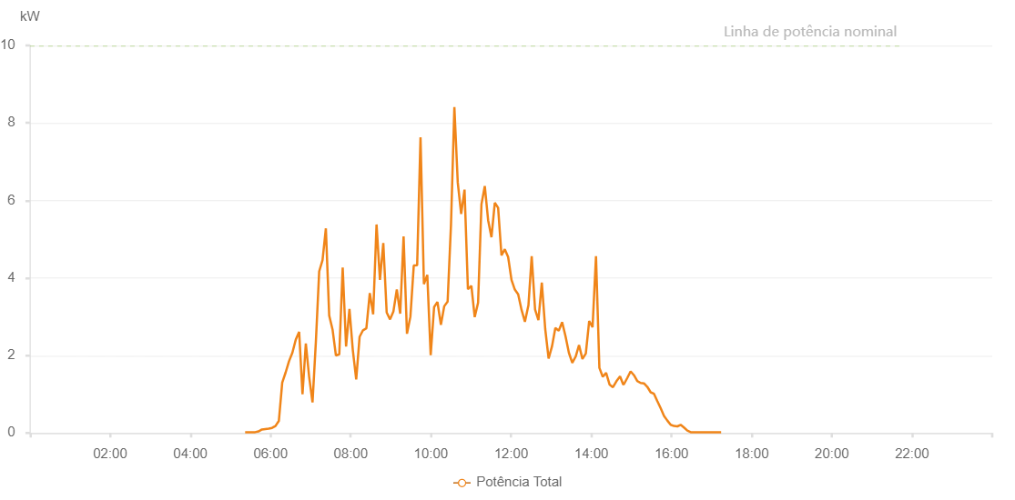

Number | Time | Working State | Alarm Code | Total Inverter Power(W)
1 | 08/04/2023 05:21:58 (UTC-4:00) | Normal |  | 20.000
2 | 08/04/2023 05:27:00 (UTC-4:00) | Normal |  | 20.000
3 | 08/04/2023 05:31:58 (UTC-4:00) | Normal |  | 20.000
4 | 08/04/2023 05:36:59 (UTC-4:00) | Normal |  | 20.000
5 | 08/04/2023 05:42:01 (UTC-4:00) | Normal |  | 40.000
6 | 08/04/2023 05:47:07 (UTC-4:00) | Normal |  | 90.000
7 | 08/04/2023 05:52:09 (UTC-4:00) | Normal |  | 100.000
8 | 08/04/2023 05:57:12 (UTC-4:00) | Normal |  | 110.000
9 | 08/04/2023 06:02:17 (UTC-4:00) | Normal |  | 130.000
10 | 08/04/2023 06:07:22 (UTC-4:00) | Normal |  | 180.000
11 | 08/04/2023 06:12:25 (UTC-4:00) | Normal |  | 310.000
12 | 08/04/2023 06:17:29 (UTC-4:00) | Normal |  | 1300.000
13 | 08/04/2023 06:22:34 (UTC-4:00) | Normal |  | 1560.000
14 | 08/04/2023 06:27:38 (UTC-4:00) | Normal |  | 1850.000
15 | 08/04/2023 06:32:41 (UTC-4:00) | Normal |  | 2070.000
16 | 08/04/2023 06:37:47 (UTC-4:00) | Normal |  | 2410.000
17 | 08/04/2023 06:42:49 (UTC-4:00) | Normal |  | 2610.000
18 | 08/04/2023 06:47:49 (UTC-4:00) | Normal |  | 1000.000
19 | 08/04/2023 06:52:49 (UTC-4:00) | Normal |  | 2310.000
20 | 08/04/2023 06:57:49 (UTC-4:00) | Normal |  | 1440.000
21 | 08/04/2023 07:02:49 (UTC-4:00) | Normal |  | 790.000
22 | 08/04/2023 07:07:49 (UTC-4:00) | Normal |  | 2350.000
23 | 08/04/2023 07:12:48 (UTC-4:00) | Normal |  | 4170.000
24 | 08/04/2023 07:17:48 (UTC-4:00) | Normal |  | 4460.000
25 | 08/04/2023 07:22:48 (UTC-4:00) | Normal |  | 5280.000
26 | 08/04/2023 07:27:47 (UTC-4:00) | Normal |  | 3030.000
27 | 08/04/2023 07:32:47 (UTC-4:00) | Normal |  | 2670.000
28 | 08/04/2023 07:37:50 (UTC-4:00) | Normal |  | 2000.000
29 | 08/04/2023 07:42:52 (UTC-4:00) | Normal |  | 2030.000
30 | 08/04/2023 07:47:58 (UTC-4:00) | Normal |  | 4270.000
31 | 08/04/2023 07:53:02 (UTC-4:00) | Normal |  | 2230.000
32 | 08/04/2023 07:58:05 (UTC-4:00) | Normal |  | 3200.000
33 | 08/04/2023 08:03:07 (UTC-4:00) | Normal |  | 2140.000
34 | 08/04/2023 08:08:12 (UTC-4:00) | Normal |  | 1380.000
35 | 08/04/2023 08:13:16 (UTC-4:00) | Normal |  | 2480.000
36 | 08/04/2023 08:18:20 (UTC-4:00) | Normal |  | 2650.000
37 | 08/04/2023 08:23:24 (UTC-4:00) | Normal |  | 2700.000
38 | 08/04/2023 08:28:32 (UTC-4:00) | Normal |  | 3610.000
39 | 08/04/2023 08:33:34 (UTC-4:00) | Normal |  | 3060.000
40 | 08/04/2023 08:38:38 (UTC-4:00) | Normal |  | 5380.000
41 | 08/04/2023 08:43:43 (UTC-4:00) | Normal |  | 3950.000
42 | 08/04/2023 08:48:44 (UTC-4:00) | Normal |  | 4900.000
43 | 08/04/2023 08:53:48 (UTC-4:00) | Normal |  | 3110.000
44 | 08/04/2023 08:58:51 (UTC-4:00) | Normal |  | 2930.000
45 | 08/04/2023 09:03:55 (UTC-4:00) | Normal |  | 3140.000
46 | 08/04/2023 09:08:58 (UTC-4:00) | Normal |  | 3700.000
47 | 08/04/2023 09:14:02 (UTC-4:00) | Normal |  | 3080.000
48 | 08/04/2023 09:19:05 (UTC-4:00) | Normal |  | 5070.000
49 | 08/04/2023 09:24:11 (UTC-4:00) | Normal |  | 2560.000
50 | 08/04/2023 09:29:16 (UTC-4:00) | Normal |  | 3000.000
51 | 08/04/2023 09:34:20 (UTC-4:00) | Normal |  | 4320.000
52 | 08/04/2023 09:39:24 (UTC-4:00) | Normal |  | 4330.000
53 | 08/04/2023 09:44:26 (UTC-4:00) | Normal |  | 7630.000
54 | 08/04/2023 09:49:30 (UTC-4:00) | Normal |  | 3840.000
55 | 08/04/2023 09:54:34 (UTC-4:00) | Normal |  | 4080.000
56 | 08/04/2023 09:59:39 (UTC-4:00) | Normal |  | 2010.000
57 | 08/04/2023 10:04:46 (UTC-4:00) | Normal |  | 3250.000
58 | 08/04/2023 10:09:46 (UTC-4:00) | Normal |  | 3380.000
59 | 08/04/2023 10:14:57 (UTC-4:00) | Normal |  | 2790.000
60 | 08/04/2023 10:19:55 (UTC-4:00) | Normal |  | 3270.000
61 | 08/04/2023 10:25:00 (UTC-4:00) | Normal |  | 3390.000
62 | 08/04/2023 10:30:03 (UTC-4:00) | Normal |  | 5380.000
63 | 08/04/2023 10:35:06 (UTC-4:00) | Normal |  | 8410.000
64 | 08/04/2023 10:40:11 (UTC-4:00) | Normal |  | 6460.000
65 | 08/04/2023 10:45:15 (UTC-4:00) | Normal |  | 5650.000
66 | 08/04/2023 10:50:18 (UTC-4:00) | Normal |  | 6280.000
67 | 08/04/2023 10:55:23 (UTC-4:00) | Normal |  | 3710.000
68 | 08/04/2023 11:00:33 (UTC-4:00) | Normal |  | 3800.000
69 | 08/04/2023 11:05:32 (UTC-4:00) | Normal |  | 2990.000
70 | 08/04/2023 11:10:35 (UTC-4:00) | Normal |  | 3360.000
71 | 08/04/2023 11:15:37 (UTC-4:00) | Normal |  | 5900.000
72 | 08/04/2023 11:20:36 (UTC-4:00) | Normal |  | 6370.000
73 | 08/04/2023 11:25:36 (UTC-4:00) | Normal |  | 5490.000
74 | 08/04/2023 11:30:36 (UTC-4:00) | Normal |  | 5050.000
75 | 08/04/2023 11:35:36 (UTC-4:00) | Normal |  | 5940.000
76 | 08/04/2023 11:40:35 (UTC-4:00) | Normal |  | 5810.000
77 | 08/04/2023 11:45:36 (UTC-4:00) | Normal |  | 4580.000
78 | 08/04/2023 11:50:34 (UTC-4:00) | Normal |  | 4740.000
79 | 08/04/2023 11:55:34 (UTC-4:00) | Normal |  | 4540.000
80 | 08/04/2023 12:00:35 (UTC-4:00) | Normal |  | 3950.000
81 | 08/04/2023 12:05:34 (UTC-4:00) | Normal |  | 3700.000
82 | 08/04/2023 12:10:34 (UTC-4:00) | Normal |  | 3580.000
83 | 08/04/2023 12:15:34 (UTC-4:00) | Normal |  | 3180.000
84 | 08/04/2023 12:20:38 (UTC-4:00) | Normal |  | 2870.000
85 | 08/04/2023 12:25:42 (UTC-4:00) | Normal |  | 3280.000
86 | 08/04/2023 12:25:53 (UTC-4:00) | Normal |  | 3280.000
87 | 08/04/2023 12:30:48 (UTC-4:00) | Normal |  | 4560.000
88 | 08/04/2023 12:35:50 (UTC-4:00) | Normal |  | 3190.000
89 | 08/04/2023 12:40:53 (UTC-4:00) | Normal |  | 2910.000
90 | 08/04/2023 12:45:57 (UTC-4:00) | Normal |  | 3880.000
91 | 08/04/2023 12:51:04 (UTC-4:00) | Normal |  | 2680.000
92 | 08/04/2023 12:56:07 (UTC-4:00) | Normal |  | 1920.000
93 | 08/04/2023 13:01:08 (UTC-4:00) | Normal |  | 2230.000
94 | 08/04/2023 13:06:12 (UTC-4:00) | Normal |  | 2710.000
95 | 08/04/2023 13:11:18 (UTC-4:00) | Normal |  | 2640.000
96 | 08/04/2023 13:16:20 (UTC-4:00) | Normal |  | 2860.000
97 | 08/04/2023 13:21:23 (UTC-4:00) | Normal |  | 2500.000
98 | 08/04/2023 13:26:27 (UTC-4:00) | Normal |  | 2070.000
99 | 08/04/2023 13:31:33 (UTC-4:00) | Normal |  | 1810.000
100 | 08/04/2023 13:36:35 (UTC-4:00) | Normal |  | 1970.000
101 | 08/04/2023 13:41:39 (UTC-4:00) | Normal |  | 2270.000
102 | 08/04/2023 13:46:43 (UTC-4:00) | Normal |  | 1910.000
103 | 08/04/2023 13:51:48 (UTC-4:00) | Normal |  | 2050.000
104 | 08/04/2023 13:56:50 (UTC-4:00) | Normal |  | 2890.000
105 | 08/04/2023 14:01:53 (UTC-4:00) | Normal |  | 2730.000
106 | 08/04/2023 14:07:02 (UTC-4:00) | Normal |  | 4560.000
107 | 08/04/2023 14:12:06 (UTC-4:00) | Normal |  | 1680.000
108 | 08/04/2023 14:17:10 (UTC-4:00) | Normal |  | 1450.000
109 | 08/04/2023 14:22:11 (UTC-4:00) | Normal |  | 1550.000
110 | 08/04/2023 14:27:18 (UTC-4:00) | Normal |  | 1250.000
111 | 08/04/2023 14:32:24 (UTC-4:00) | Normal |  | 1180.000
112 | 08/04/2023 14:37:26 (UTC-4:00) | Normal |  | 1330.000
113 | 08/04/2023 14:43:01 (UTC-4:00) | Normal |  | 1460.000
114 | 08/04/2023 14:47:32 (UTC-4:00) | Normal |  | 1260.000
115 | 08/04/2023 14:48:35 (UTC-4:00) | Normal |  | 1250.000
116 | 08/04/2023 14:53:52 (UTC-4:00) | Normal |  | 1420.000
117 | 08/04/2023 14:58:50 (UTC-4:00) | Normal |  | 1590.000
118 | 08/04/2023 15:03:49 (UTC-4:00) | Normal |  | 1490.000
119 | 08/04/2023 15:08:48 (UTC-4:00) | Normal |  | 1340.000
120 | 08/04/2023 15:13:49 (UTC-4:00) | Normal |  | 1290.000
121 | 08/04/2023 15:18:48 (UTC-4:00) | Normal |  | 1280.000
122 | 08/04/2023 15:23:51 (UTC-4:00) | Normal |  | 1190.000
123 | 08/04/2023 15:28:50 (UTC-4:00) | Normal |  | 1050.000
124 | 08/04/2023 15:33:49 (UTC-4:00) | Normal |  | 1010.000
125 | 08/04/2023 15:38:49 (UTC-4:00) | Normal |  | 820.000
126 | 08/04/2023 15:43:49 (UTC-4:00) | Normal |  | 640.000
127 | 08/04/2023 15:48:48 (UTC-4:00) | Normal |  | 440.000
128 | 08/04/2023 15:53:47 (UTC-4:00) | Normal |  | 320.000
129 | 08/04/2023 15:58:46 (UTC-4:00) | Normal |  | 210.000
130 | 08/04/2023 16:03:45 (UTC-4:00) | Normal |  | 180.000
131 | 08/04/2023 16:08:44 (UTC-4:00) | Normal |  | 170.000
132 | 08/04/2023 16:13:43 (UTC-4:00) | Normal |  | 210.000
133 | 08/04/2023 16:18:42 (UTC-4:00) | Normal |  | 140.000
134 | 08/04/2023 16:23:42 (UTC-4:00) | Normal |  | 60.000
135 | 08/04/2023 16:28:46 (UTC-4:00) | Normal |  | 20.000
136 | 08/04/2023 16:33:50 (UTC-4:00) | Normal |  | 20.000
137 | 08/04/2023 16:38:54 (UTC-4:00) | Normal |  | 20.000
138 | 08/04/2023 16:43:55 (UTC-4:00) | Normal |  | 20.000
139 | 08/04/2023 16:49:00 (UTC-4:00) | Normal |  | 20.000
140 | 08/04/2023 16:54:03 (UTC-4:00) | Normal |  | 20.000
141 | 08/04/2023 16:59:07 (UTC-4:00) | Normal |  | 20.000
142 | 08/04/2023 17:04:11 (UTC-4:00) | Normal |  | 20.000
143 | 08/04/2023 17:09:15 (UTC-4:00) | Normal |  | 20.000
144 | 08/04/2023 17:14:18 (UTC-4:00) | Normal |  | 20.000

