Inverter History Report__17-08-
Inverter History Report_14/04/2023_Report

Inverter SN:054B7020C020044 |  | Inverter type:B7
Collector SN:4045086367 |  | Full Load Hours(h):2.10
Rated Power:10000Wp

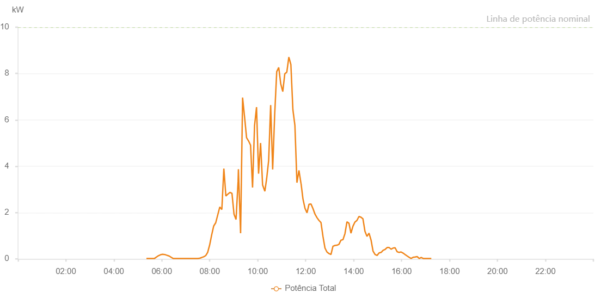

Number | Time | Working State | Alarm Code | Total Inverter Power(W)
1 | 14/04/2023 05:21:34 (UTC-4:00) | Normal |  | 20.000
2 | 14/04/2023 05:26:34 (UTC-4:00) | Normal |  | 20.000
3 | 14/04/2023 05:31:35 (UTC-4:00) | Normal |  | 20.000
4 | 14/04/2023 05:36:37 (UTC-4:00) | Normal |  | 20.000
5 | 14/04/2023 05:41:40 (UTC-4:00) | Normal |  | 20.000
6 | 14/04/2023 05:46:45 (UTC-4:00) | Normal |  | 80.000
7 | 14/04/2023 05:51:48 (UTC-4:00) | Normal |  | 140.000
8 | 14/04/2023 05:57:02 (UTC-4:00) | Normal |  | 180.000
9 | 14/04/2023 06:01:58 (UTC-4:00) | Normal |  | 200.000
10 | 14/04/2023 06:07:02 (UTC-4:00) | Normal |  | 190.000
11 | 14/04/2023 06:07:13 (UTC-4:00) | Normal |  | 190.000
12 | 14/04/2023 06:12:04 (UTC-4:00) | Normal |  | 160.000
13 | 14/04/2023 06:17:28 (UTC-4:00) | Normal |  | 130.000
14 | 14/04/2023 06:18:04 (UTC-4:00) | Normal |  | 130.000
15 | 14/04/2023 06:23:23 (UTC-4:00) | Normal |  | 70.000
16 | 14/04/2023 06:28:22 (UTC-4:00) | Normal |  | 20.000
17 | 14/04/2023 06:33:21 (UTC-4:00) | Normal |  | 20.000
18 | 14/04/2023 06:38:20 (UTC-4:00) | Normal |  | 20.000
19 | 14/04/2023 06:43:19 (UTC-4:00) | Normal |  | 20.000
20 | 14/04/2023 06:48:17 (UTC-4:00) | Normal |  | 20.000
21 | 14/04/2023 06:53:16 (UTC-4:00) | Normal |  | 20.000
22 | 14/04/2023 06:58:15 (UTC-4:00) | Normal |  | 20.000
23 | 14/04/2023 07:03:17 (UTC-4:00) | Normal |  | 20.000
24 | 14/04/2023 07:08:20 (UTC-4:00) | Normal |  | 20.000
25 | 14/04/2023 07:14:18 (UTC-4:00) | Normal |  | 20.000
26 | 14/04/2023 07:19:38 (UTC-4:00) | Normal |  | 20.000
27 | 14/04/2023 07:24:39 (UTC-4:00) | Normal |  | 20.000
28 | 14/04/2023 07:29:40 (UTC-4:00) | Normal |  | 20.000
29 | 14/04/2023 07:34:41 (UTC-4:00) | Normal |  | 30.000
30 | 14/04/2023 07:39:46 (UTC-4:00) | Normal |  | 60.000
31 | 14/04/2023 07:44:42 (UTC-4:00) | Normal |  | 90.000
32 | 14/04/2023 07:49:43 (UTC-4:00) | Normal |  | 140.000
33 | 14/04/2023 07:54:44 (UTC-4:00) | Normal |  | 280.000
34 | 14/04/2023 07:59:45 (UTC-4:00) | Normal |  | 600.000
35 | 14/04/2023 08:04:47 (UTC-4:00) | Normal |  | 1030.000
36 | 14/04/2023 08:09:52 (UTC-4:00) | Normal |  | 1420.000
37 | 14/04/2023 08:14:57 (UTC-4:00) | Normal |  | 1560.000
38 | 14/04/2023 08:20:02 (UTC-4:00) | Normal |  | 1900.000
39 | 14/04/2023 08:25:07 (UTC-4:00) | Normal |  | 2240.000
40 | 14/04/2023 08:30:13 (UTC-4:00) | Normal |  | 2130.000
41 | 14/04/2023 08:35:18 (UTC-4:00) | Normal |  | 3900.000
42 | 14/04/2023 08:40:22 (UTC-4:00) | Normal |  | 2710.000
43 | 14/04/2023 08:45:27 (UTC-4:00) | Normal |  | 2800.000
44 | 14/04/2023 08:50:33 (UTC-4:00) | Normal |  | 2870.000
45 | 14/04/2023 08:55:37 (UTC-4:00) | Normal |  | 2830.000
46 | 14/04/2023 09:00:42 (UTC-4:00) | Normal |  | 1930.000
47 | 14/04/2023 09:05:47 (UTC-4:00) | Normal |  | 1700.000
48 | 14/04/2023 09:10:53 (UTC-4:00) | Normal |  | 3340.000
49 | 14/04/2023 09:11:45 (UTC-4:00) | Normal |  | 3870.000
50 | 14/04/2023 09:17:11 (UTC-4:00) | Normal |  | 1110.000
51 | 14/04/2023 09:22:12 (UTC-4:00) | Normal |  | 6960.000
52 | 14/04/2023 09:27:10 (UTC-4:00) | Normal |  | 6120.000
53 | 14/04/2023 09:32:09 (UTC-4:00) | Normal |  | 5230.000
54 | 14/04/2023 09:37:08 (UTC-4:00) | Normal |  | 5090.000
55 | 14/04/2023 09:42:07 (UTC-4:00) | Normal |  | 4910.000
56 | 14/04/2023 09:47:06 (UTC-4:00) | Normal |  | 3080.000
57 | 14/04/2023 09:52:05 (UTC-4:00) | Normal |  | 5750.000
58 | 14/04/2023 09:57:04 (UTC-4:00) | Normal |  | 6550.000
59 | 14/04/2023 10:02:09 (UTC-4:00) | Normal |  | 3680.000
60 | 14/04/2023 10:07:13 (UTC-4:00) | Normal |  | 5000.000
61 | 14/04/2023 10:12:15 (UTC-4:00) | Normal |  | 3190.000
62 | 14/04/2023 10:17:53 (UTC-4:00) | Normal |  | 2920.000
63 | 14/04/2023 10:22:22 (UTC-4:00) | Normal |  | 3460.000
64 | 14/04/2023 10:27:25 (UTC-4:00) | Normal |  | 4250.000
65 | 14/04/2023 10:32:25 (UTC-4:00) | Normal |  | 6640.000
66 | 14/04/2023 10:37:28 (UTC-4:00) | Normal |  | 3860.000
67 | 14/04/2023 10:42:31 (UTC-4:00) | Normal |  | 6240.000
68 | 14/04/2023 10:47:35 (UTC-4:00) | Normal |  | 8080.000
69 | 14/04/2023 10:52:38 (UTC-4:00) | Normal |  | 8260.000
70 | 14/04/2023 10:57:41 (UTC-4:00) | Normal |  | 7550.000
71 | 14/04/2023 11:02:44 (UTC-4:00) | Normal |  | 7220.000
72 | 14/04/2023 11:07:48 (UTC-4:00) | Normal |  | 7990.000
73 | 14/04/2023 11:12:52 (UTC-4:00) | Normal |  | 8060.000
74 | 14/04/2023 11:17:55 (UTC-4:00) | Normal |  | 8710.000
75 | 14/04/2023 11:22:59 (UTC-4:00) | Normal |  | 8390.000
76 | 14/04/2023 11:28:04 (UTC-4:00) | Normal |  | 6440.000
77 | 14/04/2023 11:33:06 (UTC-4:00) | Normal |  | 5760.000
78 | 14/04/2023 11:38:11 (UTC-4:00) | Normal |  | 3290.000
79 | 14/04/2023 11:43:12 (UTC-4:00) | Normal |  | 3820.000
80 | 14/04/2023 11:48:16 (UTC-4:00) | Normal |  | 3260.000
81 | 14/04/2023 11:48:27 (UTC-4:00) | Normal |  | 3260.000
82 | 14/04/2023 11:53:18 (UTC-4:00) | Normal |  | 2580.000
83 | 14/04/2023 11:58:21 (UTC-4:00) | Normal |  | 2180.000
84 | 14/04/2023 12:03:24 (UTC-4:00) | Normal |  | 1990.000
85 | 14/04/2023 12:08:24 (UTC-4:00) | Normal |  | 2360.000
86 | 14/04/2023 12:13:22 (UTC-4:00) | Normal |  | 2370.000
87 | 14/04/2023 12:18:21 (UTC-4:00) | Normal |  | 2170.000
88 | 14/04/2023 12:23:22 (UTC-4:00) | Normal |  | 1930.000
89 | 14/04/2023 12:28:21 (UTC-4:00) | Normal |  | 1780.000
90 | 14/04/2023 12:33:20 (UTC-4:00) | Normal |  | 1660.000
91 | 14/04/2023 12:38:20 (UTC-4:00) | Normal |  | 1570.000
92 | 14/04/2023 12:43:19 (UTC-4:00) | Normal |  | 970.000
93 | 14/04/2023 12:48:20 (UTC-4:00) | Normal |  | 470.000
94 | 14/04/2023 12:53:17 (UTC-4:00) | Normal |  | 300.000
95 | 14/04/2023 12:58:17 (UTC-4:00) | Normal |  | 230.000
96 | 14/04/2023 13:03:19 (UTC-4:00) | Normal |  | 190.000
97 | 14/04/2023 13:08:23 (UTC-4:00) | Normal |  | 550.000
98 | 14/04/2023 13:08:35 (UTC-4:00) | Normal |  | 550.000
99 | 14/04/2023 13:13:25 (UTC-4:00) | Normal |  | 580.000
100 | 14/04/2023 13:18:24 (UTC-4:00) | Normal |  | 590.000
101 | 14/04/2023 13:23:23 (UTC-4:00) | Normal |  | 630.000
102 | 14/04/2023 13:28:22 (UTC-4:00) | Normal |  | 810.000
103 | 14/04/2023 13:33:21 (UTC-4:00) | Normal |  | 830.000
104 | 14/04/2023 13:38:20 (UTC-4:00) | Normal |  | 1090.000
105 | 14/04/2023 13:43:19 (UTC-4:00) | Normal |  | 1600.000
106 | 14/04/2023 13:48:18 (UTC-4:00) | Normal |  | 1540.000
107 | 14/04/2023 13:53:22 (UTC-4:00) | Normal |  | 1110.000
108 | 14/04/2023 13:58:19 (UTC-4:00) | Normal |  | 1410.000
109 | 14/04/2023 14:03:18 (UTC-4:00) | Normal |  | 1590.000
110 | 14/04/2023 14:08:17 (UTC-4:00) | Normal |  | 1660.000
111 | 14/04/2023 14:13:17 (UTC-4:00) | Normal |  | 1830.000
112 | 14/04/2023 14:18:18 (UTC-4:00) | Normal |  | 1800.000
113 | 14/04/2023 14:23:20 (UTC-4:00) | Normal |  | 1730.000
114 | 14/04/2023 14:28:23 (UTC-4:00) | Normal |  | 1190.000
115 | 14/04/2023 14:33:27 (UTC-4:00) | Normal |  | 970.000
116 | 14/04/2023 14:38:31 (UTC-4:00) | Normal |  | 1110.000
117 | 14/04/2023 14:43:33 (UTC-4:00) | Normal |  | 820.000
118 | 14/04/2023 14:48:36 (UTC-4:00) | Normal |  | 340.000
119 | 14/04/2023 14:53:39 (UTC-4:00) | Normal |  | 190.000
120 | 14/04/2023 14:58:43 (UTC-4:00) | Normal |  | 150.000
121 | 14/04/2023 15:03:45 (UTC-4:00) | Normal |  | 260.000
122 | 14/04/2023 15:08:48 (UTC-4:00) | Normal |  | 280.000
123 | 14/04/2023 15:13:53 (UTC-4:00) | Normal |  | 370.000
124 | 14/04/2023 15:18:51 (UTC-4:00) | Normal |  | 410.000
125 | 14/04/2023 15:23:51 (UTC-4:00) | Normal |  | 490.000
126 | 14/04/2023 15:28:53 (UTC-4:00) | Normal |  | 490.000
127 | 14/04/2023 15:33:52 (UTC-4:00) | Normal |  | 420.000
128 | 14/04/2023 15:38:51 (UTC-4:00) | Normal |  | 470.000
129 | 14/04/2023 15:43:50 (UTC-4:00) | Normal |  | 480.000
130 | 14/04/2023 15:48:49 (UTC-4:00) | Normal |  | 310.000
131 | 14/04/2023 15:53:48 (UTC-4:00) | Normal |  | 280.000
132 | 14/04/2023 15:58:48 (UTC-4:00) | Normal |  | 300.000
133 | 14/04/2023 16:03:50 (UTC-4:00) | Normal |  | 250.000
134 | 14/04/2023 16:08:47 (UTC-4:00) | Normal |  | 190.000
135 | 14/04/2023 16:13:46 (UTC-4:00) | Normal |  | 130.000
136 | 14/04/2023 16:18:49 (UTC-4:00) | Normal |  | 70.000
137 | 14/04/2023 16:23:52 (UTC-4:00) | Normal |  | 20.000
138 | 14/04/2023 16:28:56 (UTC-4:00) | Normal |  | 70.000
139 | 14/04/2023 16:33:57 (UTC-4:00) | Normal |  | 80.000
140 | 14/04/2023 16:39:01 (UTC-4:00) | Normal |  | 100.000
141 | 14/04/2023 16:44:04 (UTC-4:00) | Normal |  | 20.000
142 | 14/04/2023 16:44:14 (UTC-4:00) | Normal |  | 20.000
143 | 14/04/2023 16:49:09 (UTC-4:00) | Normal |  | 60.000
144 | 14/04/2023 16:54:12 (UTC-4:00) | Normal |  | 20.000
145 | 14/04/2023 16:59:16 (UTC-4:00) | Normal |  | 20.000
146 | 14/04/2023 17:04:19 (UTC-4:00) | Normal |  | 20.000
147 | 14/04/2023 17:09:23 (UTC-4:00) | Normal |  | 20.000
148 | 14/04/2023 17:14:24 (UTC-4:00) | Normal |  | 20.000

