Inverter History Report__17-08-
Inverter History Report_15/04/2023_Report

Inverter SN:054B7020C020044 |  | Inverter type:B7
Collector SN:4045086367 |  | Full Load Hours(h):3.40
Rated Power:10000Wp

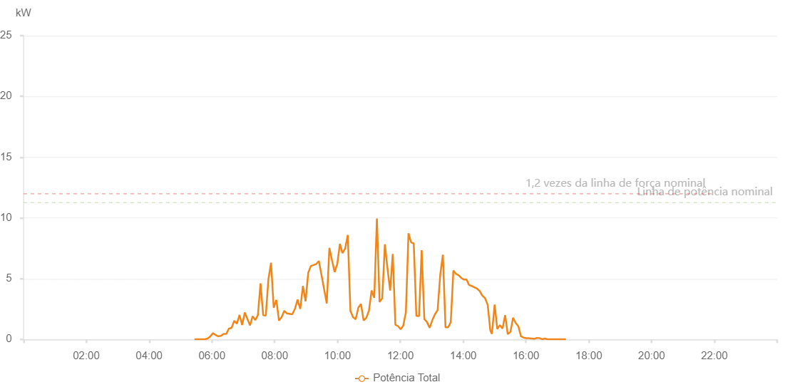

Number | Time | Working State | Alarm Code | Total Inverter Power(W)
1 | 15/04/2023 05:26:38 (UTC-4:00) | Normal |  | 20.000
2 | 15/04/2023 05:31:39 (UTC-4:00) | Normal |  | 20.000
3 | 15/04/2023 05:36:39 (UTC-4:00) | Normal |  | 20.000
4 | 15/04/2023 05:41:45 (UTC-4:00) | Normal |  | 20.000
5 | 15/04/2023 05:46:49 (UTC-4:00) | Normal |  | 20.000
6 | 15/04/2023 05:51:53 (UTC-4:00) | Normal |  | 70.000
7 | 15/04/2023 05:56:58 (UTC-4:00) | Normal |  | 250.000
8 | 15/04/2023 06:02:04 (UTC-4:00) | Normal |  | 520.000
9 | 15/04/2023 06:07:07 (UTC-4:00) | Normal |  | 360.000
10 | 15/04/2023 06:12:12 (UTC-4:00) | Normal |  | 260.000
11 | 15/04/2023 06:17:16 (UTC-4:00) | Normal |  | 290.000
12 | 15/04/2023 06:22:22 (UTC-4:00) | Normal |  | 460.000
13 | 15/04/2023 06:27:26 (UTC-4:00) | Normal |  | 460.000
14 | 15/04/2023 06:32:31 (UTC-4:00) | Normal |  | 890.000
15 | 15/04/2023 06:37:35 (UTC-4:00) | Normal |  | 950.000
16 | 15/04/2023 06:42:41 (UTC-4:00) | Normal |  | 1530.000
17 | 15/04/2023 06:47:44 (UTC-4:00) | Normal |  | 1300.000
18 | 15/04/2023 06:52:49 (UTC-4:00) | Normal |  | 2010.000
19 | 15/04/2023 06:57:49 (UTC-4:00) | Normal |  | 1190.000
20 | 15/04/2023 07:02:50 (UTC-4:00) | Normal |  | 2210.000
21 | 15/04/2023 07:12:51 (UTC-4:00) | Normal |  | 1160.000
22 | 15/04/2023 07:17:52 (UTC-4:00) | Normal |  | 1910.000
23 | 15/04/2023 07:22:53 (UTC-4:00) | Normal |  | 1590.000
24 | 15/04/2023 07:27:53 (UTC-4:00) | Normal |  | 2010.000
25 | 15/04/2023 07:32:55 (UTC-4:00) | Normal |  | 4610.000
26 | 15/04/2023 07:37:57 (UTC-4:00) | Normal |  | 2000.000
27 | 15/04/2023 07:42:59 (UTC-4:00) | Normal |  | 1970.000
28 | 15/04/2023 07:48:00 (UTC-4:00) | Normal |  | 4970.000
29 | 15/04/2023 07:53:00 (UTC-4:00) | Normal |  | 6310.000
30 | 15/04/2023 07:58:03 (UTC-4:00) | Normal |  | 2610.000
31 | 15/04/2023 08:03:08 (UTC-4:00) | Normal |  | 3250.000
32 | 15/04/2023 08:08:13 (UTC-4:00) | Normal |  | 1550.000
33 | 15/04/2023 08:13:17 (UTC-4:00) | Normal |  | 1850.000
34 | 15/04/2023 08:18:22 (UTC-4:00) | Normal |  | 2360.000
35 | 15/04/2023 08:23:27 (UTC-4:00) | Normal |  | 2140.000
36 | 15/04/2023 08:33:36 (UTC-4:00) | Normal |  | 2070.000
37 | 15/04/2023 08:38:39 (UTC-4:00) | Normal |  | 2520.000
38 | 15/04/2023 08:43:45 (UTC-4:00) | Normal |  | 3280.000
39 | 15/04/2023 08:48:49 (UTC-4:00) | Normal |  | 2510.000
40 | 15/04/2023 08:53:54 (UTC-4:00) | Normal |  | 4400.000
41 | 15/04/2023 08:58:58 (UTC-4:00) | Normal |  | 3140.000
42 | 15/04/2023 09:04:03 (UTC-4:00) | Normal |  | 5490.000
43 | 15/04/2023 09:09:08 (UTC-4:00) | Normal |  | 6050.000
44 | 15/04/2023 09:14:13 (UTC-4:00) | Normal |  | 6120.000
45 | 15/04/2023 09:19:17 (UTC-4:00) | Normal |  | 6200.000
46 | 15/04/2023 09:24:23 (UTC-4:00) | Normal |  | 6450.000
47 | 15/04/2023 09:39:27 (UTC-4:00) | Normal |  | 2960.000
48 | 15/04/2023 09:44:29 (UTC-4:00) | Normal |  | 7540.000
49 | 15/04/2023 09:49:29 (UTC-4:00) | Normal |  | 6510.000
50 | 15/04/2023 09:54:30 (UTC-4:00) | Normal |  | 5550.000
51 | 15/04/2023 09:59:32 (UTC-4:00) | Normal |  | 6210.000
52 | 15/04/2023 10:04:33 (UTC-4:00) | Normal |  | 7870.000
53 | 15/04/2023 10:09:33 (UTC-4:00) | Normal |  | 7100.000
54 | 15/04/2023 10:14:34 (UTC-4:00) | Normal |  | 7480.000
55 | 15/04/2023 10:19:37 (UTC-4:00) | Normal |  | 8590.000
56 | 15/04/2023 10:24:38 (UTC-4:00) | Normal |  | 2360.000
57 | 15/04/2023 10:29:38 (UTC-4:00) | Normal |  | 1830.000
58 | 15/04/2023 10:34:39 (UTC-4:00) | Normal |  | 1660.000
59 | 15/04/2023 10:39:43 (UTC-4:00) | Normal |  | 2610.000
60 | 15/04/2023 10:44:48 (UTC-4:00) | Normal |  | 2920.000
61 | 15/04/2023 10:49:53 (UTC-4:00) | Normal |  | 1560.000
62 | 15/04/2023 10:54:57 (UTC-4:00) | Normal |  | 1770.000
63 | 15/04/2023 11:00:01 (UTC-4:00) | Normal |  | 2360.000
64 | 15/04/2023 11:05:06 (UTC-4:00) | Normal |  | 4030.000
65 | 15/04/2023 11:10:11 (UTC-4:00) | Normal |  | 3420.000
66 | 15/04/2023 11:15:15 (UTC-4:00) | Normal |  | 9960.000
67 | 15/04/2023 11:20:20 (UTC-4:00) | Normal |  | 3080.000
68 | 15/04/2023 11:25:25 (UTC-4:00) | Normal |  | 3380.000
69 | 15/04/2023 11:30:30 (UTC-4:00) | Normal |  | 7830.000
70 | 15/04/2023 11:35:31 (UTC-4:00) | Normal |  | 5820.000
71 | 15/04/2023 11:40:31 (UTC-4:00) | Normal |  | 4030.000
72 | 15/04/2023 11:45:33 (UTC-4:00) | Normal |  | 7030.000
73 | 15/04/2023 11:50:33 (UTC-4:00) | Normal |  | 1210.000
74 | 15/04/2023 11:55:34 (UTC-4:00) | Normal |  | 1100.000
75 | 15/04/2023 12:00:34 (UTC-4:00) | Normal |  | 840.000
76 | 15/04/2023 12:05:35 (UTC-4:00) | Normal |  | 1130.000
77 | 15/04/2023 12:10:36 (UTC-4:00) | Normal |  | 2230.000
78 | 15/04/2023 12:15:37 (UTC-4:00) | Normal |  | 8740.000
79 | 15/04/2023 12:20:38 (UTC-4:00) | Normal |  | 7990.000
80 | 15/04/2023 12:25:38 (UTC-4:00) | Normal |  | 7890.000
81 | 15/04/2023 12:30:39 (UTC-4:00) | Normal |  | 1940.000
82 | 15/04/2023 12:35:46 (UTC-4:00) | Normal |  | 1920.000
83 | 15/04/2023 12:40:47 (UTC-4:00) | Normal |  | 7340.000
84 | 15/04/2023 12:45:51 (UTC-4:00) | Normal |  | 1680.000
85 | 15/04/2023 12:50:56 (UTC-4:00) | Normal |  | 1430.000
86 | 15/04/2023 12:56:00 (UTC-4:00) | Normal |  | 960.000
87 | 15/04/2023 13:01:05 (UTC-4:00) | Normal |  | 1580.000
88 | 15/04/2023 13:06:09 (UTC-4:00) | Normal |  | 2070.000
89 | 15/04/2023 13:11:14 (UTC-4:00) | Normal |  | 2410.000
90 | 15/04/2023 13:16:19 (UTC-4:00) | Normal |  | 5340.000
91 | 15/04/2023 13:21:19 (UTC-4:00) | Normal |  | 6970.000
92 | 15/04/2023 13:26:19 (UTC-4:00) | Normal |  | 1000.000
93 | 15/04/2023 13:31:20 (UTC-4:00) | Normal |  | 1000.000
94 | 15/04/2023 13:36:20 (UTC-4:00) | Normal |  | 1410.000
95 | 15/04/2023 13:41:21 (UTC-4:00) | Normal |  | 5670.000
96 | 15/04/2023 13:46:22 (UTC-4:00) | Normal |  | 5400.000
97 | 15/04/2023 13:51:23 (UTC-4:00) | Normal |  | 5280.000
98 | 15/04/2023 13:56:23 (UTC-4:00) | Normal |  | 5060.000
99 | 15/04/2023 14:01:24 (UTC-4:00) | Normal |  | 4930.000
100 | 15/04/2023 14:06:24 (UTC-4:00) | Normal |  | 4940.000
101 | 15/04/2023 14:11:25 (UTC-4:00) | Normal |  | 4480.000
102 | 15/04/2023 14:16:25 (UTC-4:00) | Normal |  | 4400.000
103 | 15/04/2023 14:21:30 (UTC-4:00) | Normal |  | 4290.000
104 | 15/04/2023 14:26:35 (UTC-4:00) | Normal |  | 4180.000
105 | 15/04/2023 14:31:40 (UTC-4:00) | Normal |  | 3980.000
106 | 15/04/2023 14:36:44 (UTC-4:00) | Normal |  | 3600.000
107 | 15/04/2023 14:41:49 (UTC-4:00) | Normal |  | 3400.000
108 | 15/04/2023 14:46:54 (UTC-4:00) | Normal |  | 2850.000
109 | 15/04/2023 14:51:58 (UTC-4:00) | Normal |  | 730.000
110 | 15/04/2023 14:54:58 (UTC-4:00) | Normal |  | 460.000
111 | 15/04/2023 15:00:14 (UTC-4:00) | Normal |  | 2860.000
112 | 15/04/2023 15:05:14 (UTC-4:00) | Normal |  | 860.000
113 | 15/04/2023 15:10:14 (UTC-4:00) | Normal |  | 1180.000
114 | 15/04/2023 15:15:14 (UTC-4:00) | Normal |  | 890.000
115 | 15/04/2023 15:20:14 (UTC-4:00) | Normal |  | 2000.000
116 | 15/04/2023 15:25:15 (UTC-4:00) | Normal |  | 430.000
117 | 15/04/2023 15:30:21 (UTC-4:00) | Normal |  | 620.000
118 | 15/04/2023 15:35:24 (UTC-4:00) | Normal |  | 1780.000
119 | 15/04/2023 15:40:28 (UTC-4:00) | Normal |  | 1350.000
120 | 15/04/2023 15:45:32 (UTC-4:00) | Normal |  | 1080.000
121 | 15/04/2023 15:50:35 (UTC-4:00) | Normal |  | 250.000
122 | 15/04/2023 15:55:39 (UTC-4:00) | Normal |  | 150.000
123 | 15/04/2023 16:00:43 (UTC-4:00) | Normal |  | 100.000
124 | 15/04/2023 16:05:48 (UTC-4:00) | Normal |  | 100.000
125 | 15/04/2023 16:10:51 (UTC-4:00) | Normal |  | 80.000
126 | 15/04/2023 16:15:55 (UTC-4:00) | Normal |  | 50.000
127 | 15/04/2023 16:20:59 (UTC-4:00) | Normal |  | 120.000
128 | 15/04/2023 16:26:03 (UTC-4:00) | Normal |  | 110.000
129 | 15/04/2023 16:31:07 (UTC-4:00) | Normal |  | 20.000
130 | 15/04/2023 16:36:11 (UTC-4:00) | Normal |  | 70.000
131 | 15/04/2023 16:41:15 (UTC-4:00) | Normal |  | 20.000
132 | 15/04/2023 16:46:20 (UTC-4:00) | Normal |  | 20.000
133 | 15/04/2023 16:51:23 (UTC-4:00) | Normal |  | 20.000
134 | 15/04/2023 16:56:23 (UTC-4:00) | Normal |  | 20.000
135 | 15/04/2023 17:01:23 (UTC-4:00) | Normal |  | 20.000
136 | 15/04/2023 17:06:23 (UTC-4:00) | Normal |  | 20.000
137 | 15/04/2023 17:11:23 (UTC-4:00) | Normal |  | 20.000
138 | 15/04/2023 17:16:23 (UTC-4:00) | Normal |  | 20.000

