Inverter History Report__17-08-
Inverter History Report_20/04/2023_Report

Inverter SN:054B7020C020044 |  | Inverter type:B7
Collector SN:4045086367 |  | Full Load Hours(h):4.60
Rated Power:10000Wp

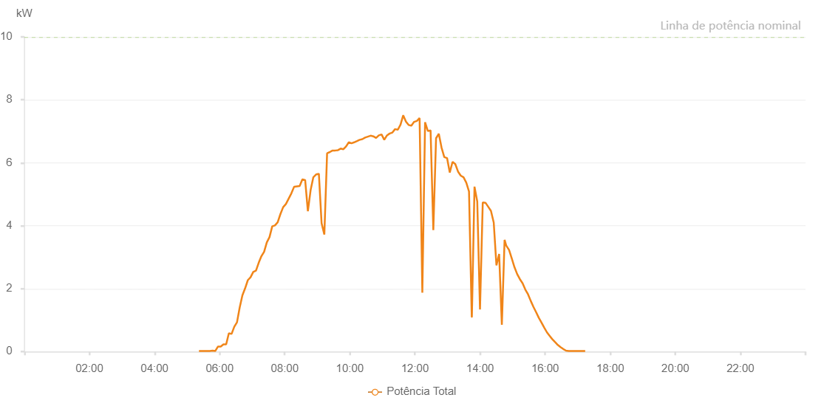

Number | Time | Working State | Alarm Code | Total Inverter Power(W)
1 | 20/04/2023 05:21:56 (UTC-4:00) | Normal |  | 20.000
2 | 20/04/2023 05:26:56 (UTC-4:00) | Normal |  | 20.000
3 | 20/04/2023 05:31:55 (UTC-4:00) | Normal |  | 20.000
4 | 20/04/2023 05:36:58 (UTC-4:00) | Normal |  | 20.000
5 | 20/04/2023 05:42:03 (UTC-4:00) | Normal |  | 20.000
6 | 20/04/2023 05:47:02 (UTC-4:00) | Normal |  | 30.000
7 | 20/04/2023 05:52:02 (UTC-4:00) | Normal |  | 20.000
8 | 20/04/2023 05:57:02 (UTC-4:00) | Normal |  | 160.000
9 | 20/04/2023 06:02:02 (UTC-4:00) | Normal |  | 160.000
10 | 20/04/2023 06:07:01 (UTC-4:00) | Normal |  | 230.000
11 | 20/04/2023 06:12:01 (UTC-4:00) | Normal |  | 230.000
12 | 20/04/2023 06:17:00 (UTC-4:00) | Normal |  | 580.000
13 | 20/04/2023 06:22:00 (UTC-4:00) | Normal |  | 560.000
14 | 20/04/2023 06:27:00 (UTC-4:00) | Normal |  | 790.000
15 | 20/04/2023 06:31:59 (UTC-4:00) | Normal |  | 930.000
16 | 20/04/2023 06:36:59 (UTC-4:00) | Normal |  | 1400.000
17 | 20/04/2023 06:42:00 (UTC-4:00) | Normal |  | 1790.000
18 | 20/04/2023 06:46:59 (UTC-4:00) | Normal |  | 2010.000
19 | 20/04/2023 06:51:59 (UTC-4:00) | Normal |  | 2270.000
20 | 20/04/2023 06:56:59 (UTC-4:00) | Normal |  | 2360.000
21 | 20/04/2023 07:02:00 (UTC-4:00) | Normal |  | 2530.000
22 | 20/04/2023 07:07:00 (UTC-4:00) | Normal |  | 2570.000
23 | 20/04/2023 07:11:59 (UTC-4:00) | Normal |  | 2820.000
24 | 20/04/2023 07:16:59 (UTC-4:00) | Normal |  | 3030.000
25 | 20/04/2023 07:21:58 (UTC-4:00) | Normal |  | 3170.000
26 | 20/04/2023 07:26:58 (UTC-4:00) | Normal |  | 3470.000
27 | 20/04/2023 07:31:58 (UTC-4:00) | Normal |  | 3640.000
28 | 20/04/2023 07:36:57 (UTC-4:00) | Normal |  | 3980.000
29 | 20/04/2023 07:41:57 (UTC-4:00) | Normal |  | 4010.000
30 | 20/04/2023 07:46:58 (UTC-4:00) | Normal |  | 4110.000
31 | 20/04/2023 07:52:02 (UTC-4:00) | Normal |  | 4370.000
32 | 20/04/2023 07:57:07 (UTC-4:00) | Normal |  | 4590.000
33 | 20/04/2023 08:02:11 (UTC-4:00) | Normal |  | 4690.000
34 | 20/04/2023 08:07:13 (UTC-4:00) | Normal |  | 4860.000
35 | 20/04/2023 08:12:18 (UTC-4:00) | Normal |  | 5030.000
36 | 20/04/2023 08:17:22 (UTC-4:00) | Normal |  | 5240.000
37 | 20/04/2023 08:22:24 (UTC-4:00) | Normal |  | 5250.000
38 | 20/04/2023 08:27:30 (UTC-4:00) | Normal |  | 5260.000
39 | 20/04/2023 08:32:31 (UTC-4:00) | Normal |  | 5470.000
40 | 20/04/2023 08:37:38 (UTC-4:00) | Normal |  | 5450.000
41 | 20/04/2023 08:42:40 (UTC-4:00) | Normal |  | 4460.000
42 | 20/04/2023 08:47:42 (UTC-4:00) | Normal |  | 5130.000
43 | 20/04/2023 08:52:45 (UTC-4:00) | Normal |  | 5540.000
44 | 20/04/2023 08:57:50 (UTC-4:00) | Normal |  | 5630.000
45 | 20/04/2023 09:02:55 (UTC-4:00) | Normal |  | 5650.000
46 | 20/04/2023 09:07:57 (UTC-4:00) | Normal |  | 4080.000
47 | 20/04/2023 09:13:00 (UTC-4:00) | Normal |  | 3720.000
48 | 20/04/2023 09:18:05 (UTC-4:00) | Normal |  | 6300.000
49 | 20/04/2023 09:23:08 (UTC-4:00) | Normal |  | 6340.000
50 | 20/04/2023 09:28:07 (UTC-4:00) | Normal |  | 6390.000
51 | 20/04/2023 09:33:07 (UTC-4:00) | Normal |  | 6390.000
52 | 20/04/2023 09:38:06 (UTC-4:00) | Normal |  | 6400.000
53 | 20/04/2023 09:43:06 (UTC-4:00) | Normal |  | 6450.000
54 | 20/04/2023 09:48:05 (UTC-4:00) | Normal |  | 6430.000
55 | 20/04/2023 09:53:05 (UTC-4:00) | Normal |  | 6520.000
56 | 20/04/2023 09:58:05 (UTC-4:00) | Normal |  | 6650.000
57 | 20/04/2023 10:03:04 (UTC-4:00) | Normal |  | 6620.000
58 | 20/04/2023 10:08:04 (UTC-4:00) | Normal |  | 6650.000
59 | 20/04/2023 10:13:06 (UTC-4:00) | Normal |  | 6690.000
60 | 20/04/2023 10:18:06 (UTC-4:00) | Normal |  | 6730.000
61 | 20/04/2023 10:18:18 (UTC-4:00) | Normal |  | 6730.000
62 | 20/04/2023 10:23:06 (UTC-4:00) | Normal |  | 6750.000
63 | 20/04/2023 10:28:07 (UTC-4:00) | Normal |  | 6800.000
64 | 20/04/2023 10:33:11 (UTC-4:00) | Normal |  | 6830.000
65 | 20/04/2023 10:38:14 (UTC-4:00) | Normal |  | 6860.000
66 | 20/04/2023 10:43:19 (UTC-4:00) | Normal |  | 6840.000
67 | 20/04/2023 10:48:21 (UTC-4:00) | Normal |  | 6790.000
68 | 20/04/2023 10:53:25 (UTC-4:00) | Normal |  | 6870.000
69 | 20/04/2023 10:58:29 (UTC-4:00) | Normal |  | 6900.000
70 | 20/04/2023 11:03:28 (UTC-4:00) | Normal |  | 6730.000
71 | 20/04/2023 11:08:28 (UTC-4:00) | Normal |  | 6870.000
72 | 20/04/2023 11:13:27 (UTC-4:00) | Normal |  | 6930.000
73 | 20/04/2023 11:18:27 (UTC-4:00) | Normal |  | 6960.000
74 | 20/04/2023 11:23:26 (UTC-4:00) | Normal |  | 7070.000
75 | 20/04/2023 11:28:26 (UTC-4:00) | Normal |  | 7050.000
76 | 20/04/2023 11:33:25 (UTC-4:00) | Normal |  | 7210.000
77 | 20/04/2023 11:38:25 (UTC-4:00) | Normal |  | 7510.000
78 | 20/04/2023 11:43:25 (UTC-4:00) | Normal |  | 7310.000
79 | 20/04/2023 11:48:24 (UTC-4:00) | Normal |  | 7200.000
80 | 20/04/2023 11:53:25 (UTC-4:00) | Normal |  | 7180.000
81 | 20/04/2023 11:58:28 (UTC-4:00) | Normal |  | 7300.000
82 | 20/04/2023 12:03:32 (UTC-4:00) | Normal |  | 7330.000
83 | 20/04/2023 12:08:36 (UTC-4:00) | Normal |  | 7420.000
84 | 20/04/2023 12:13:39 (UTC-4:00) | Normal |  | 1870.000
85 | 20/04/2023 12:18:42 (UTC-4:00) | Normal |  | 7290.000
86 | 20/04/2023 12:23:46 (UTC-4:00) | Normal |  | 7010.000
87 | 20/04/2023 12:28:50 (UTC-4:00) | Normal |  | 7030.000
88 | 20/04/2023 12:33:54 (UTC-4:00) | Normal |  | 3860.000
89 | 20/04/2023 12:38:57 (UTC-4:00) | Normal |  | 6780.000
90 | 20/04/2023 12:44:01 (UTC-4:00) | Normal |  | 6920.000
91 | 20/04/2023 12:49:06 (UTC-4:00) | Normal |  | 6480.000
92 | 20/04/2023 12:54:08 (UTC-4:00) | Normal |  | 6180.000
93 | 20/04/2023 12:59:12 (UTC-4:00) | Normal |  | 6150.000
94 | 20/04/2023 13:04:15 (UTC-4:00) | Normal |  | 5690.000
95 | 20/04/2023 13:09:20 (UTC-4:00) | Normal |  | 6030.000
96 | 20/04/2023 13:14:23 (UTC-4:00) | Normal |  | 5960.000
97 | 20/04/2023 13:19:27 (UTC-4:00) | Normal |  | 5720.000
98 | 20/04/2023 13:24:31 (UTC-4:00) | Normal |  | 5590.000
99 | 20/04/2023 13:29:34 (UTC-4:00) | Normal |  | 5540.000
100 | 20/04/2023 13:34:38 (UTC-4:00) | Normal |  | 5370.000
101 | 20/04/2023 13:39:41 (UTC-4:00) | Normal |  | 5090.000
102 | 20/04/2023 13:44:45 (UTC-4:00) | Normal |  | 1100.000
103 | 20/04/2023 13:44:57 (UTC-4:00) | Normal |  | 1100.000
104 | 20/04/2023 13:49:49 (UTC-4:00) | Normal |  | 5240.000
105 | 20/04/2023 13:54:53 (UTC-4:00) | Normal |  | 4770.000
106 | 20/04/2023 13:59:56 (UTC-4:00) | Normal |  | 1340.000
107 | 20/04/2023 14:05:01 (UTC-4:00) | Normal |  | 4740.000
108 | 20/04/2023 14:10:03 (UTC-4:00) | Normal |  | 4730.000
109 | 20/04/2023 14:15:07 (UTC-4:00) | Normal |  | 4600.000
110 | 20/04/2023 14:20:10 (UTC-4:00) | Normal |  | 4470.000
111 | 20/04/2023 14:25:15 (UTC-4:00) | Normal |  | 4100.000
112 | 20/04/2023 14:30:14 (UTC-4:00) | Normal |  | 2740.000
113 | 20/04/2023 14:35:14 (UTC-4:00) | Normal |  | 3100.000
114 | 20/04/2023 14:40:13 (UTC-4:00) | Normal |  | 850.000
115 | 20/04/2023 14:45:15 (UTC-4:00) | Normal |  | 3550.000
116 | 20/04/2023 14:48:16 (UTC-4:00) | Normal |  | 3370.000
117 | 20/04/2023 14:53:32 (UTC-4:00) | Normal |  | 3230.000
118 | 20/04/2023 14:58:31 (UTC-4:00) | Normal |  | 2960.000
119 | 20/04/2023 15:03:32 (UTC-4:00) | Normal |  | 2680.000
120 | 20/04/2023 15:08:31 (UTC-4:00) | Normal |  | 2460.000
121 | 20/04/2023 15:13:30 (UTC-4:00) | Normal |  | 2300.000
122 | 20/04/2023 15:18:28 (UTC-4:00) | Normal |  | 2170.000
123 | 20/04/2023 15:23:31 (UTC-4:00) | Normal |  | 1970.000
124 | 20/04/2023 15:28:30 (UTC-4:00) | Normal |  | 1820.000
125 | 20/04/2023 15:33:29 (UTC-4:00) | Normal |  | 1610.000
126 | 20/04/2023 15:38:28 (UTC-4:00) | Normal |  | 1420.000
127 | 20/04/2023 15:43:26 (UTC-4:00) | Normal |  | 1250.000
128 | 20/04/2023 15:48:25 (UTC-4:00) | Normal |  | 1070.000
129 | 20/04/2023 15:53:24 (UTC-4:00) | Normal |  | 920.000
130 | 20/04/2023 15:58:23 (UTC-4:00) | Normal |  | 760.000
131 | 20/04/2023 16:03:22 (UTC-4:00) | Normal |  | 610.000
132 | 20/04/2023 16:08:21 (UTC-4:00) | Normal |  | 500.000
133 | 20/04/2023 16:13:21 (UTC-4:00) | Normal |  | 390.000
134 | 20/04/2023 16:18:19 (UTC-4:00) | Normal |  | 300.000
135 | 20/04/2023 16:23:21 (UTC-4:00) | Normal |  | 210.000
136 | 20/04/2023 16:28:23 (UTC-4:00) | Normal |  | 140.000
137 | 20/04/2023 16:33:26 (UTC-4:00) | Normal |  | 80.000
138 | 20/04/2023 16:38:29 (UTC-4:00) | Normal |  | 30.000
139 | 20/04/2023 16:43:33 (UTC-4:00) | Normal |  | 20.000
140 | 20/04/2023 16:48:36 (UTC-4:00) | Normal |  | 20.000
141 | 20/04/2023 16:53:40 (UTC-4:00) | Normal |  | 20.000
142 | 20/04/2023 16:58:43 (UTC-4:00) | Normal |  | 20.000
143 | 20/04/2023 17:03:47 (UTC-4:00) | Normal |  | 20.000
144 | 20/04/2023 17:08:49 (UTC-4:00) | Normal |  | 20.000
145 | 20/04/2023 17:13:51 (UTC-4:00) | Normal |  | 20.000

