Inverter History Report__17-08-
Inverter History Report_21/04/2023_Report

Inverter SN:054B7020C020044 |  | Inverter type:B7
Collector SN:4045086367 |  | Full Load Hours(h):4.90
Rated Power:10000Wp

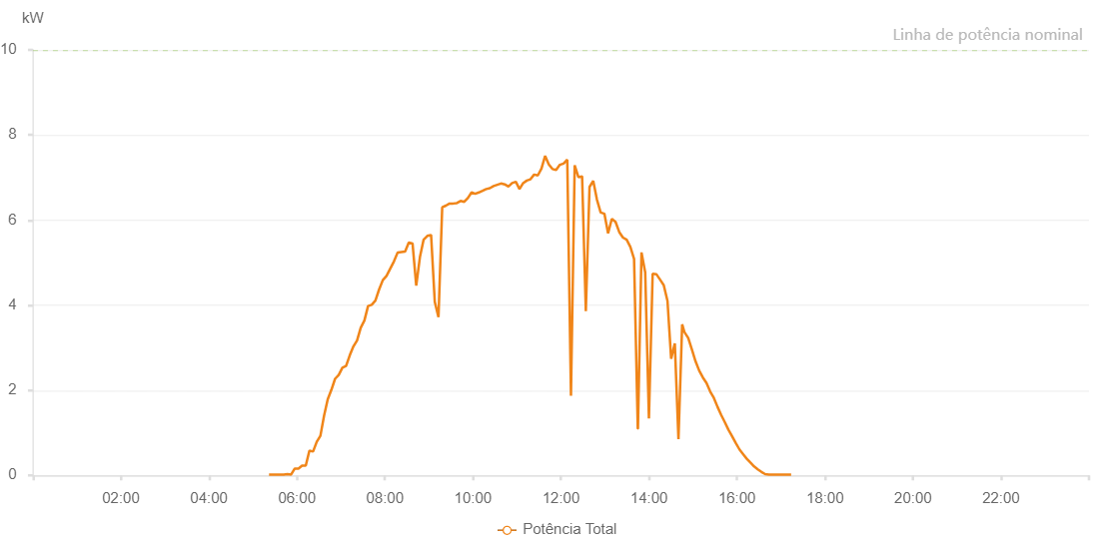

Number | Time | Working State | Alarm Code | Total Inverter Power(W)
1 | 21/04/2023 05:19:49 (UTC-4:00) | Normal |  | 20.000
2 | 21/04/2023 05:24:49 (UTC-4:00) | Normal |  | 20.000
3 | 21/04/2023 05:29:48 (UTC-4:00) | Normal |  | 20.000
4 | 21/04/2023 05:34:50 (UTC-4:00) | Normal |  | 20.000
5 | 21/04/2023 05:39:53 (UTC-4:00) | Normal |  | 30.000
6 | 21/04/2023 05:44:58 (UTC-4:00) | Normal |  | 70.000
7 | 21/04/2023 05:50:01 (UTC-4:00) | Normal |  | 120.000
8 | 21/04/2023 05:55:04 (UTC-4:00) | Normal |  | 170.000
9 | 21/04/2023 06:00:06 (UTC-4:00) | Normal |  | 250.000
10 | 21/04/2023 06:05:10 (UTC-4:00) | Normal |  | 310.000
11 | 21/04/2023 06:10:13 (UTC-4:00) | Normal |  | 360.000
12 | 21/04/2023 06:15:17 (UTC-4:00) | Normal |  | 450.000
13 | 21/04/2023 06:20:20 (UTC-4:00) | Normal |  | 720.000
14 | 21/04/2023 06:25:23 (UTC-4:00) | Normal |  | 1130.000
15 | 21/04/2023 06:30:26 (UTC-4:00) | Normal |  | 1270.000
16 | 21/04/2023 06:35:31 (UTC-4:00) | Normal |  | 1490.000
17 | 21/04/2023 06:40:34 (UTC-4:00) | Normal |  | 1830.000
18 | 21/04/2023 06:45:37 (UTC-4:00) | Normal |  | 2120.000
19 | 21/04/2023 06:50:41 (UTC-4:00) | Normal |  | 2320.000
20 | 21/04/2023 06:55:44 (UTC-4:00) | Normal |  | 2510.000
21 | 21/04/2023 07:00:47 (UTC-4:00) | Normal |  | 2700.000
22 | 21/04/2023 07:05:50 (UTC-4:00) | Normal |  | 2880.000
23 | 21/04/2023 07:10:54 (UTC-4:00) | Normal |  | 3080.000
24 | 21/04/2023 07:15:57 (UTC-4:00) | Normal |  | 3270.000
25 | 21/04/2023 07:21:01 (UTC-4:00) | Normal |  | 3440.000
26 | 21/04/2023 07:26:05 (UTC-4:00) | Normal |  | 3620.000
27 | 21/04/2023 07:31:10 (UTC-4:00) | Normal |  | 3800.000
28 | 21/04/2023 07:36:14 (UTC-4:00) | Normal |  | 3960.000
29 | 21/04/2023 07:41:17 (UTC-4:00) | Normal |  | 4140.000
30 | 21/04/2023 07:46:21 (UTC-4:00) | Normal |  | 4290.000
31 | 21/04/2023 07:51:25 (UTC-4:00) | Normal |  | 4440.000
32 | 21/04/2023 07:56:27 (UTC-4:00) | Normal |  | 4590.000
33 | 21/04/2023 08:01:30 (UTC-4:00) | Normal |  | 4710.000
34 | 21/04/2023 08:06:33 (UTC-4:00) | Normal |  | 4900.000
35 | 21/04/2023 08:11:38 (UTC-4:00) | Normal |  | 5020.000
36 | 21/04/2023 08:16:40 (UTC-4:00) | Normal |  | 5190.000
37 | 21/04/2023 08:21:43 (UTC-4:00) | Normal |  | 5320.000
38 | 21/04/2023 08:26:48 (UTC-4:00) | Normal |  | 5460.000
39 | 21/04/2023 08:31:54 (UTC-4:00) | Normal |  | 5570.000
40 | 21/04/2023 08:36:56 (UTC-4:00) | Normal |  | 5700.000
41 | 21/04/2023 08:41:58 (UTC-4:00) | Normal |  | 5810.000
42 | 21/04/2023 08:47:03 (UTC-4:00) | Normal |  | 5870.000
43 | 21/04/2023 08:52:06 (UTC-4:00) | Normal |  | 6050.000
44 | 21/04/2023 08:57:08 (UTC-4:00) | Normal |  | 6130.000
45 | 21/04/2023 09:02:12 (UTC-4:00) | Normal |  | 6170.000
46 | 21/04/2023 09:07:15 (UTC-4:00) | Normal |  | 6280.000
47 | 21/04/2023 09:12:18 (UTC-4:00) | Normal |  | 6360.000
48 | 21/04/2023 09:12:29 (UTC-4:00) | Normal |  | 6360.000
49 | 21/04/2023 09:17:20 (UTC-4:00) | Normal |  | 6420.000
50 | 21/04/2023 09:22:23 (UTC-4:00) | Normal |  | 6510.000
51 | 21/04/2023 09:27:27 (UTC-4:00) | Normal |  | 6650.000
52 | 21/04/2023 09:32:31 (UTC-4:00) | Normal |  | 6680.000
53 | 21/04/2023 09:37:34 (UTC-4:00) | Normal |  | 6740.000
54 | 21/04/2023 09:42:37 (UTC-4:00) | Normal |  | 6800.000
55 | 21/04/2023 09:47:42 (UTC-4:00) | Normal |  | 6860.000
56 | 21/04/2023 09:52:44 (UTC-4:00) | Normal |  | 6930.000
57 | 21/04/2023 09:57:47 (UTC-4:00) | Normal |  | 6950.000
58 | 21/04/2023 10:02:50 (UTC-4:00) | Normal |  | 7010.000
59 | 21/04/2023 10:07:55 (UTC-4:00) | Normal |  | 7050.000
60 | 21/04/2023 10:12:58 (UTC-4:00) | Normal |  | 7020.000
61 | 21/04/2023 10:18:01 (UTC-4:00) | Normal |  | 7080.000
62 | 21/04/2023 10:23:05 (UTC-4:00) | Normal |  | 7160.000
63 | 21/04/2023 10:28:09 (UTC-4:00) | Normal |  | 7150.000
64 | 21/04/2023 10:33:12 (UTC-4:00) | Normal |  | 7130.000
65 | 21/04/2023 10:38:15 (UTC-4:00) | Normal |  | 7100.000
66 | 21/04/2023 10:43:20 (UTC-4:00) | Normal |  | 7100.000
67 | 21/04/2023 10:48:23 (UTC-4:00) | Normal |  | 7150.000
68 | 21/04/2023 10:53:26 (UTC-4:00) | Normal |  | 7140.000
69 | 21/04/2023 10:58:28 (UTC-4:00) | Normal |  | 7100.000
70 | 21/04/2023 11:03:32 (UTC-4:00) | Normal |  | 7120.000
71 | 21/04/2023 11:08:36 (UTC-4:00) | Normal |  | 7100.000
72 | 21/04/2023 11:13:38 (UTC-4:00) | Normal |  | 7090.000
73 | 21/04/2023 11:18:42 (UTC-4:00) | Normal |  | 7120.000
74 | 21/04/2023 11:23:46 (UTC-4:00) | Normal |  | 7110.000
75 | 21/04/2023 11:28:49 (UTC-4:00) | Normal |  | 7060.000
76 | 21/04/2023 11:33:51 (UTC-4:00) | Normal |  | 7040.000
77 | 21/04/2023 11:38:54 (UTC-4:00) | Normal |  | 6990.000
78 | 21/04/2023 11:43:57 (UTC-4:00) | Normal |  | 6970.000
79 | 21/04/2023 11:49:02 (UTC-4:00) | Normal |  | 6920.000
80 | 21/04/2023 11:54:04 (UTC-4:00) | Normal |  | 6870.000
81 | 21/04/2023 11:59:08 (UTC-4:00) | Normal |  | 6800.000
82 | 21/04/2023 12:04:12 (UTC-4:00) | Normal |  | 6760.000
83 | 21/04/2023 12:09:11 (UTC-4:00) | Normal |  | 6710.000
84 | 21/04/2023 12:14:11 (UTC-4:00) | Normal |  | 6690.000
85 | 21/04/2023 12:19:10 (UTC-4:00) | Normal |  | 6650.000
86 | 21/04/2023 12:24:09 (UTC-4:00) | Normal |  | 6580.000
87 | 21/04/2023 12:29:08 (UTC-4:00) | Normal |  | 6520.000
88 | 21/04/2023 12:34:09 (UTC-4:00) | Normal |  | 6480.000
89 | 21/04/2023 12:39:08 (UTC-4:00) | Normal |  | 6350.000
90 | 21/04/2023 12:44:08 (UTC-4:00) | Normal |  | 6300.000
91 | 21/04/2023 12:49:07 (UTC-4:00) | Normal |  | 6190.000
92 | 21/04/2023 12:54:08 (UTC-4:00) | Normal |  | 6090.000
93 | 21/04/2023 12:59:08 (UTC-4:00) | Normal |  | 6000.000
94 | 21/04/2023 13:04:07 (UTC-4:00) | Normal |  | 5890.000
95 | 21/04/2023 13:09:10 (UTC-4:00) | Normal |  | 5760.000
96 | 21/04/2023 13:14:15 (UTC-4:00) | Normal |  | 5750.000
97 | 21/04/2023 13:19:17 (UTC-4:00) | Normal |  | 5620.000
98 | 21/04/2023 13:24:20 (UTC-4:00) | Normal |  | 5510.000
99 | 21/04/2023 13:24:31 (UTC-4:00) | Normal |  | 5510.000
100 | 21/04/2023 13:29:20 (UTC-4:00) | Normal |  | 5430.000
101 | 21/04/2023 13:34:19 (UTC-4:00) | Normal |  | 5300.000
102 | 21/04/2023 13:39:18 (UTC-4:00) | Normal |  | 5160.000
103 | 21/04/2023 13:44:17 (UTC-4:00) | Normal |  | 5030.000
104 | 21/04/2023 13:49:17 (UTC-4:00) | Normal |  | 4940.000
105 | 21/04/2023 13:54:16 (UTC-4:00) | Normal |  | 4800.000
106 | 21/04/2023 13:59:17 (UTC-4:00) | Normal |  | 4680.000
107 | 21/04/2023 14:04:16 (UTC-4:00) | Normal |  | 4540.000
108 | 21/04/2023 14:09:16 (UTC-4:00) | Normal |  | 4410.000
109 | 21/04/2023 14:14:15 (UTC-4:00) | Normal |  | 4260.000
110 | 21/04/2023 14:19:15 (UTC-4:00) | Normal |  | 4130.000
111 | 21/04/2023 14:24:18 (UTC-4:00) | Normal |  | 3960.000
112 | 21/04/2023 14:29:21 (UTC-4:00) | Normal |  | 3800.000
113 | 21/04/2023 14:34:25 (UTC-4:00) | Normal |  | 3650.000
114 | 21/04/2023 14:39:28 (UTC-4:00) | Normal |  | 3490.000
115 | 21/04/2023 14:44:32 (UTC-4:00) | Normal |  | 3320.000
116 | 21/04/2023 14:45:49 (UTC-4:00) | Normal |  | 3280.000
117 | 21/04/2023 14:51:06 (UTC-4:00) | Normal |  | 3090.000
118 | 21/04/2023 14:56:05 (UTC-4:00) | Normal |  | 2930.000
119 | 21/04/2023 15:01:04 (UTC-4:00) | Normal |  | 2740.000
120 | 21/04/2023 15:06:02 (UTC-4:00) | Normal |  | 2570.000
121 | 21/04/2023 15:11:01 (UTC-4:00) | Normal |  | 2360.000
122 | 21/04/2023 15:16:00 (UTC-4:00) | Normal |  | 2190.000
123 | 21/04/2023 15:16:12 (UTC-4:00) | Normal |  | 2190.000
124 | 21/04/2023 15:21:02 (UTC-4:00) | Normal |  | 1990.000
125 | 21/04/2023 15:26:04 (UTC-4:00) | Normal |  | 1850.000
126 | 21/04/2023 15:31:06 (UTC-4:00) | Normal |  | 1630.000
127 | 21/04/2023 15:36:09 (UTC-4:00) | Normal |  | 1470.000
128 | 21/04/2023 15:41:15 (UTC-4:00) | Normal |  | 1290.000
129 | 21/04/2023 15:46:14 (UTC-4:00) | Normal |  | 1110.000
130 | 21/04/2023 15:51:17 (UTC-4:00) | Normal |  | 960.000
131 | 21/04/2023 15:56:20 (UTC-4:00) | Normal |  | 800.000
132 | 21/04/2023 16:01:23 (UTC-4:00) | Normal |  | 640.000
133 | 21/04/2023 16:06:25 (UTC-4:00) | Normal |  | 500.000
134 | 21/04/2023 16:11:28 (UTC-4:00) | Normal |  | 370.000
135 | 21/04/2023 16:16:30 (UTC-4:00) | Normal |  | 270.000
136 | 21/04/2023 16:21:34 (UTC-4:00) | Normal |  | 170.000
137 | 21/04/2023 16:26:36 (UTC-4:00) | Normal |  | 100.000
138 | 21/04/2023 16:31:38 (UTC-4:00) | Normal |  | 50.000
139 | 21/04/2023 16:36:41 (UTC-4:00) | Normal |  | 20.000
140 | 21/04/2023 16:41:45 (UTC-4:00) | Normal |  | 20.000
141 | 21/04/2023 16:46:50 (UTC-4:00) | Normal |  | 20.000
142 | 21/04/2023 16:51:52 (UTC-4:00) | Normal |  | 20.000
143 | 21/04/2023 16:56:57 (UTC-4:00) | Normal |  | 20.000
144 | 21/04/2023 17:01:59 (UTC-4:00) | Normal |  | 20.000
145 | 21/04/2023 17:07:01 (UTC-4:00) | Normal |  | 20.000
146 | 21/04/2023 17:12:06 (UTC-4:00) | Normal |  | 20.000

